Cell-x
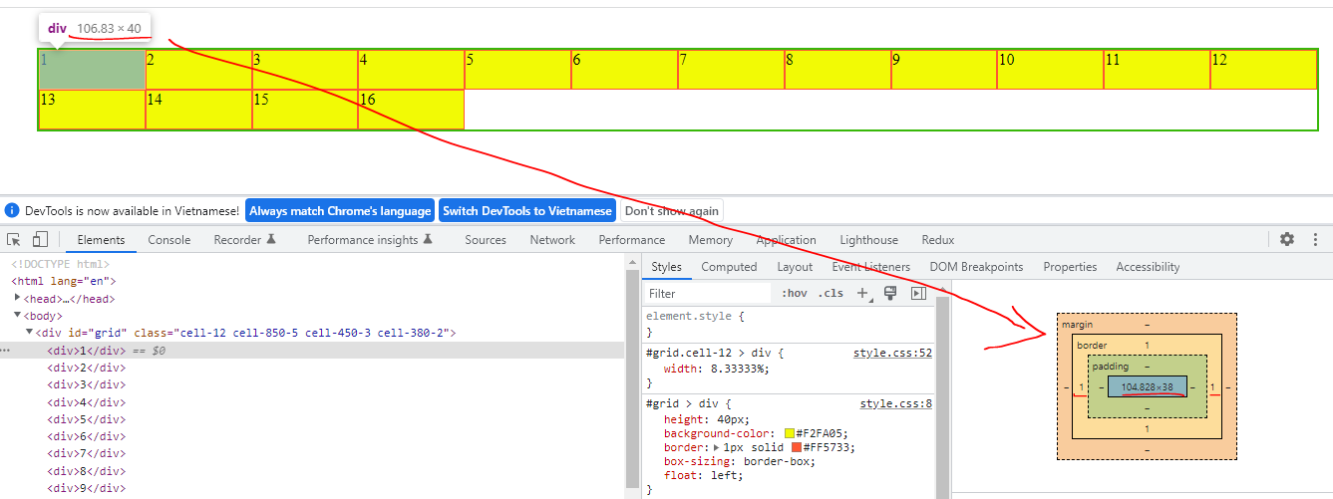
構成
 | sass-gruntjs-bootstrap
 |  | 1.training_sass
 |  |  | 11-exe-grid |  |  |  |  | →Add project, Output Folder
 |  |  |  | scss
 |  |  |  |  | _mixin.scss
 |  |  |  |  | _reset.scss
 |  |  |  |  | _variable.scss
 |  |  |  |  | style-01.scss
 |  |  |  | index.html

_mixin.scss
 | @mixin clearfix {
 | &:after {
 | content: "";
 | display: table;
 | clear: both;
 | }
 | }

_reset.scss
 | * {
 | margin: 0px;
 | padding: 0px;
 | }

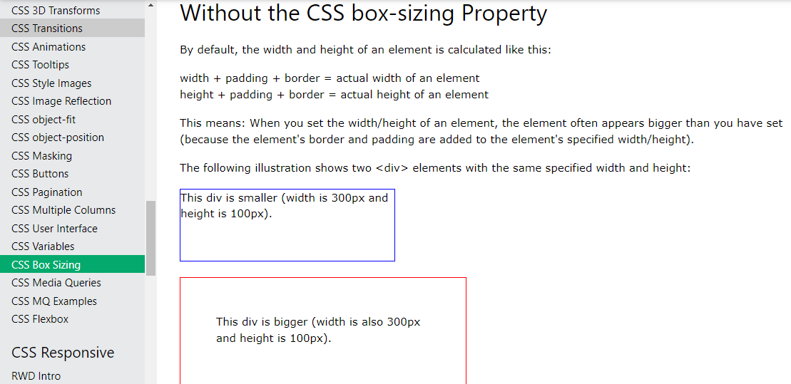
_variable.scss
 | $color-border: #38B809;
 | $maxColumn : 16;

style-01.scss
 | @import "reset";
 | @import "variable";
 | @import "mixin";

 | #grid {
 | margin: 40px;
 | border: 2px solid $color-border;
 | > div {
 | height: 40px;
 | background-color: #F2FA05;
 | border: 1px solid #FF5733;
 | box-sizing: border-box; |  |  |  |  | → | https://www.w3schools.com/css/css3_box-sizing.asp
 | float: left;
 | }
 | @include clearfix;
 | }

 | @for $i from 1 through $maxColumn {
 | #grid.cell-#{$i} > div {
 | width: 100% / $i;
 | }
 | }

index.html
 | <!DOCTYPE html>
 | <html lang="en">
 | <head>
 | <meta charset="utf-8">
 | <meta http-equiv="X-UA-Compatible" content="IE=edge">
 | <meta name="viewport" content="width=device-width, initial-scale=1">
 | <title>Exe Grid</title>

 | <link rel="stylesheet" type="text/css" href="./style.css">
 | </head>
 | <body>
 | <div id="grid" class="cell-12 cell-850-5 cell-450-3 cell-380-2">
 | <div>1</div>
 | <div>2</div>
 | <div>3</div>
 | <div>4</div>
 | <div>5</div>
 | <div>6</div>
 | <div>7</div>
 | <div>8</div>
 | <div>9</div>
 | <div>10</div>
 | <div>11</div>
 | <div>12</div>
 | <div>13</div>
 | <div>14</div>
 | <div>15</div>
 | <div>16</div>
 | </div>
 | </body>
 | </html>

Convert
 | sass-gruntjs-bootstrap
 |  | 1.training_sass
 |  |  | 10-exe-list
 |  |  |  | scss
 |  |  |  |  | _mixin.scss
 |  |  |  |  | _reset.scss
 |  |  |  |  | _variable.scss
 |  |  |  |  | style-01.scss
 |  |  |  | index.html
 |  |  |  | style-01.css

style-01.css
 | * {
 | margin: 0px;
 | padding: 0px; }

 | #grid {
 | margin: 40px;
 | border: 2px solid #38B809; }
 | #grid > div {
 | height: 40px;
 | width: 40px;
 | background-color: #F2FA05;
 | border: 1px solid #FF5733;
 | box-sizing: border-box;
 | float: left; }
 | #grid:after {
 | content: "";
 | display: table;
 | clear: both; }

 | #grid.cell-1 > div {
 | width: 100%; }

 | #grid.cell-2 > div {
 | width: 50%; }

 | #grid.cell-3 > div {
 | width: 33.33333%; }

 | #grid.cell-4 > div {
 | width: 25%; }

 | #grid.cell-5 > div {
 | width: 20%; }

 | #grid.cell-6 > div {
 | width: 16.66667%; }

 | #grid.cell-7 > div {
 | width: 14.28571%; }

 | #grid.cell-8 > div {
 | width: 12.5%; }

 | #grid.cell-9 > div {
 | width: 11.11111%; }

 | #grid.cell-10 > div {
 | width: 10%; }

 | #grid.cell-11 > div {
 | width: 9.09091%; }

 | #grid.cell-12 > div {
 | width: 8.33333%; }

 | #grid.cell-13 > div {
 | width: 7.69231%; }

 | #grid.cell-14 > div {
 | width: 7.14286%; }

 | #grid.cell-15 > div {
 | width: 6.66667%; }

 | #grid.cell-16 > div {
 | width: 6.25%; }

Browser
 | actual width of an element: 106.83px
 | border: 1px
 | width: 104.83px

Media
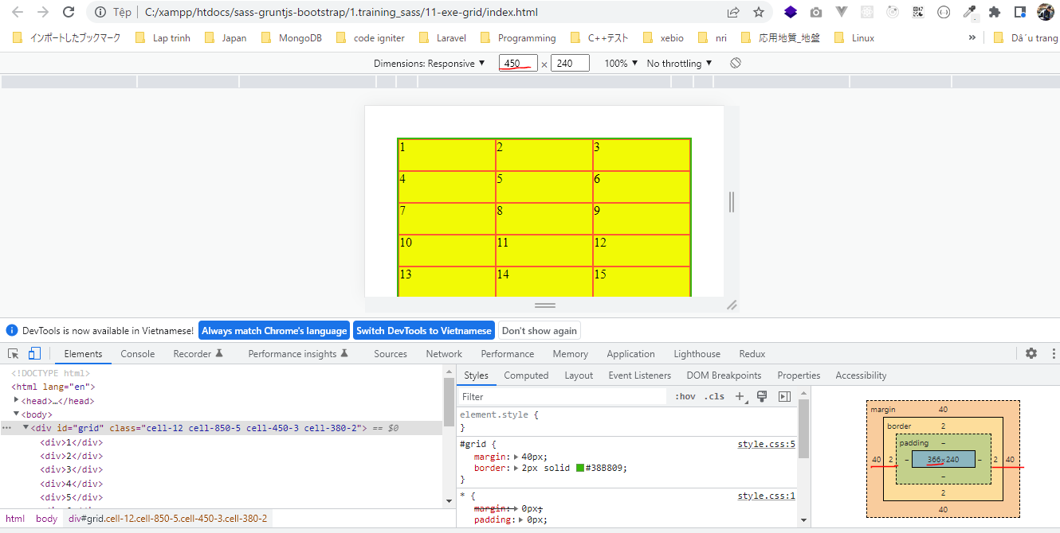
構成
 | sass-gruntjs-bootstrap
 |  | 1.training_sass
 |  |  | 11-exe-grid |  |  | →Add project, Output Folder
 |  |  |  | scss
 |  |  |  |  | _mixin.scss
 |  |  |  |  | _reset.scss
 |  |  |  |  | _variable.scss
 |  |  |  |  | style-01.scss
 |  |  |  | index.html

_variable.scss
 | $color-border: #38B809;
 | $maxColumn : 16;
 | $mapSize : (
 | 1000: 4,
 | 850: 6,
 | 450: 4,
 | 380: 2
 | );

style-01.scss
 | @import "reset";
 | @import "variable";
 | @import "mixin";

 | #grid {
 | margin: 40px;
 | border: 2px solid $color-border;
 | > div {
 | height: 40px;
 | background-color: #F2FA05;
 | border: 1px solid #FF5733;
 | box-sizing: border-box;
 | float: left;
 | }
 | @include clearfix;
 | }

 | @for $i from 1 through $maxColumn {
 | #grid.cell-#{$i} > div {
 | width: 100% / $i;
 | }
 | }

 | @each $maxSize, $maxColumn in $mapSize {
 | @media screen and (max-width: #{$maxSize}px){
 | @for $i from 1 through $maxColumn {
 | #grid.cell-#{$maxSize}-#{$i} > div {
 | width: 100% / $i;
 | }
 | }
 | }
 | }

index.html
 | <!DOCTYPE html>
 | <html lang="en">
 | <head>
 | <meta charset="utf-8">
 | <meta http-equiv="X-UA-Compatible" content="IE=edge">
 | <meta name="viewport" content="width=device-width, initial-scale=1">
 | <title>Exe Grid</title>

 | <link rel="stylesheet" type="text/css" href="./style.css">
 | </head>
 | <body>
 | <div id="grid" class="cell-12 cell-850-5 cell-450-3 cell-380-2">
 | <div>1</div>
 | <div>2</div>
 | <div>3</div>
 | <div>4</div>
 | <div>5</div>
 | <div>6</div>
 | <div>7</div>
 | <div>8</div>
 | <div>9</div>
 | <div>10</div>
 | <div>11</div>
 | <div>12</div>
 | <div>13</div>
 | <div>14</div>
 | <div>15</div>
 | <div>16</div>
 | </div>
 | </body>
 | </html>

Convert
 | sass-gruntjs-bootstrap
 |  | 1.training_sass
 |  |  | 11-exe-grid
 |  |  |  | scss
 |  |  |  |  | _mixin.scss
 |  |  |  |  | _reset.scss
 |  |  |  |  | _variable.scss
 |  |  |  |  | style-01.scss
 |  |  |  | index.html
 |  |  |  | style.css

style.css
 | * {
 | margin: 0px;
 | padding: 0px; }

 | #grid {
 | margin: 40px;
 | border: 2px solid #38B809; }
 | #grid > div {
 | height: 40px;
 | background-color: #F2FA05;
 | border: 1px solid #FF5733;
 | box-sizing: border-box;
 | float: left; }
 | #grid:after {
 | content: "";
 | display: table;
 | clear: both; }

 | #grid.cell-1 > div {
 | width: 100%; }

 | #grid.cell-2 > div {
 | width: 50%; }

 | #grid.cell-3 > div {
 | width: 33.33333%; }

 | #grid.cell-4 > div {
 | width: 25%; }

 | #grid.cell-5 > div {
 | width: 20%; }

 | #grid.cell-6 > div {
 | width: 16.66667%; }

 | #grid.cell-7 > div {
 | width: 14.28571%; }

 | #grid.cell-8 > div {
 | width: 12.5%; }

 | #grid.cell-9 > div {
 | width: 11.11111%; }

 | #grid.cell-10 > div {
 | width: 10%; }

 | #grid.cell-11 > div {
 | width: 9.09091%; }

 | #grid.cell-12 > div {
 | width: 8.33333%; }

 | #grid.cell-13 > div {
 | width: 7.69231%; }

 | #grid.cell-14 > div {
 | width: 7.14286%; }

 | #grid.cell-15 > div {
 | width: 6.66667%; }

 | #grid.cell-16 > div {
 | width: 6.25%; }

 | @media screen and (max-width: 1000px) {
 | #grid.cell-1000-1 > div {
 | width: 100%; }
 | #grid.cell-1000-2 > div {
 | width: 50%; }
 | #grid.cell-1000-3 > div {
 | width: 33.33333%; }
 | #grid.cell-1000-4 > div {
 | width: 25%; } }

 | @media screen and (max-width: 850px) {
 | #grid.cell-850-1 > div {
 | width: 100%; }
 | #grid.cell-850-2 > div {
 | width: 50%; }
 | #grid.cell-850-3 > div {
 | width: 33.33333%; }
 | #grid.cell-850-4 > div {
 | width: 25%; }
 | #grid.cell-850-5 > div {
 | width: 20%; }
 | #grid.cell-850-6 > div {
 | width: 16.66667%; } }

 | @media screen and (max-width: 450px) {
 | #grid.cell-450-1 > div {
 | width: 100%; }
 | #grid.cell-450-2 > div {
 | width: 50%; }
 | #grid.cell-450-3 > div {
 | width: 33.33333%; }
 | #grid.cell-450-4 > div {
 | width: 25%; } }

 | @media screen and (max-width: 380px) {
 | #grid.cell-380-1 > div {
 | width: 100%; }
 | #grid.cell-380-2 > div {
 | width: 50%; } }

Browser
 | cell-12
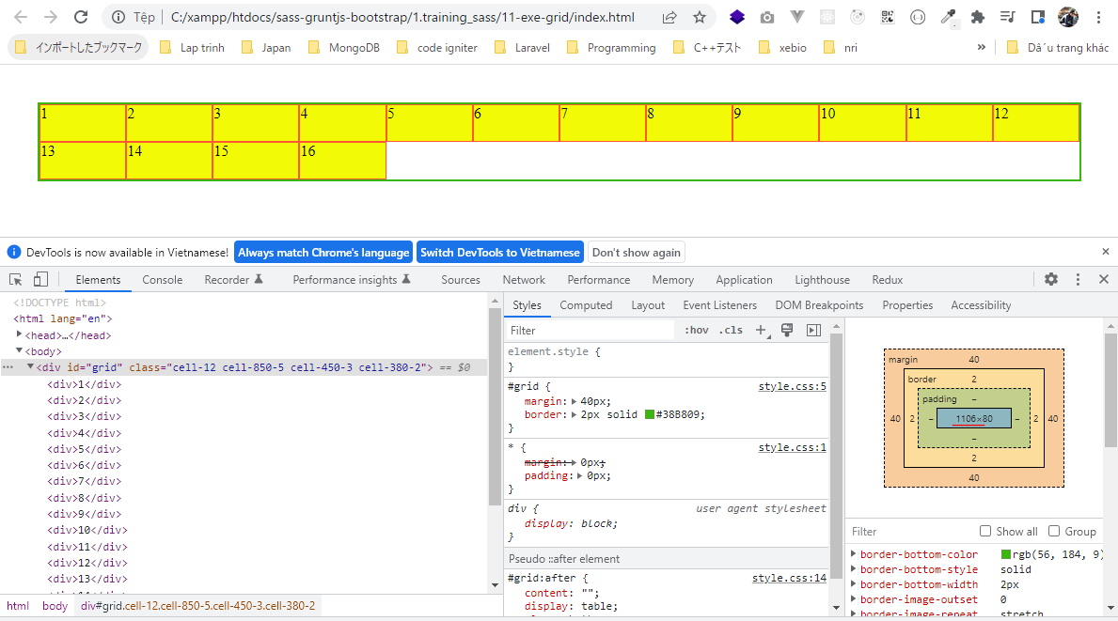

 | cell-850-5
 | 40+2+764+2+40=848px
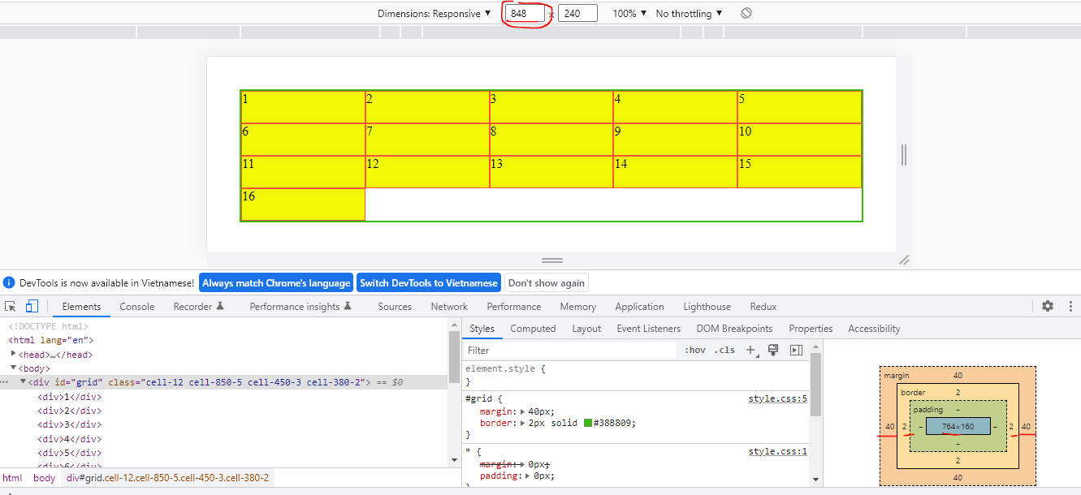

 | cell-450-3
 | 40+2+366+2+40=450

