Sass files
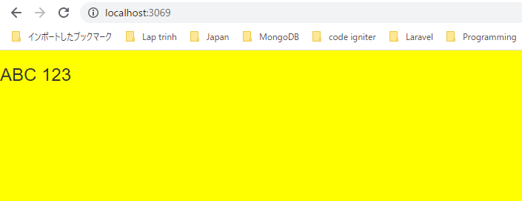
構成
 | sass-gruntjs-bootstrap
 |  | 3.project
 |  |  | development
 |  |  |  | html-elements
 |  |  |  | js
 |  |  |  | sass
 |  |  |  |  | devices
 |  |  |  |  | elements
 |  |  |  |  | footer
 |  |  |  |  | header
 |  |  |  |  |  | _main.scss
 |  |  |  |  | mixins
 |  |  |  |  |  | _main.scss
 |  |  |  |  | widgets
 |  |  |  |  | _fonts.scss
 |  |  |  |  | _reset.scss
 |  |  |  |  | _variable.scss
 |  |  |  |  | main.scss
 |  |  |  | index.html
 |  |  | production
 |  |  |  | css
 |  |  |  | js
 |  |  | Gruntfile.js
 |  |  | package.json

main.scss
 | /* ======================== FONTS ======================== */
 | @import "fonts";

 | /* ======================== VARIABLE ======================== */
 | @import "variable";

 | /* ======================== MIXIN ======================== */
 | @import "mixins/main";

 | /* ======================== RESET ======================== */
 | @import "reset";

_reset.scss
 | body {
 | background-color: yellow;
 | }

Check browser

