Media
構成
 | sass-gruntjs-bootstrap
 |  | 1.training_sass
 |  |  | 07-Rules-and-Directives
 |  |  |  | 2.Media |  |  | →Add project, Output Folder
 |  |  |  |  | scss
 |  |  |  |  |  | 01-media.scss

01-media.scss
 | // 0 - 1000
 | @media all and (min-width: 1000px) {
 | body {
 | background-color: red;
 | }
 | }

 | // 800px - 1000
 | @media all and (min-width: 800px) and (max-width: 1000px) {
 | body {
 | background-color: yellow;
 | }
 | }

 | // 500px - 800px
 | @media all and (min-width: 500px) and (max-width: 800px) {
 | body {
 | background-color: blue ;
 | }
 | }

 | // ngang
 | @media all and (orientation: landscape) {
 | body {
 | //background-color: pink;
 | }
 | }

Convert
 | sass-gruntjs-bootstrap
 |  | 1.training_sass
 |  |  | 07-Rules-and-Directives
 |  |  |  | 2.Media
 |  |  |  |  | scss
 |  |  |  |  |  | 01-media.scss

 |  |  |  |  | 01-media.css

01-media.css
 | @media all and (min-width: 1000px) {
 | body {
 | background-color: red; } }

 | @media all and (min-width: 800px) and (max-width: 1000px) {
 | body {
 | background-color: yellow; } }

 | @media all and (min-width: 500px) and (max-width: 800px) {
 | body {
 | background-color: blue; } }

exe
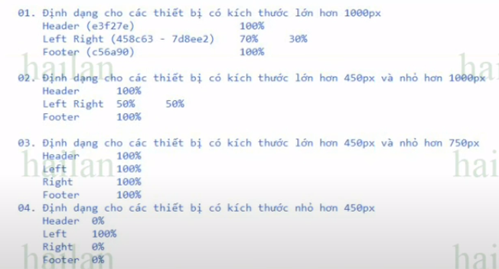

構成
 | sass-gruntjs-bootstrap
 |  | 1.training_sass
 |  |  | 07-Rules-and-Directives
 |  |  |  | 2.Media |  |  | →Add project, Output Folder
 |  |  |  |  | scss
 |  |  |  |  |  | 02-exe.scss

02-exe.scss
 | * {
 | margin: 0px;
 | padding: 0px;
 | }

 | div.container {
 | width: 90%;
 | margin: 10px auto;
 | }

 | div.container > div {
 | height: 100px;
 | line-height: 100px;
 | }

 | div.container > div.header {
 | background-color: #e3f27e;
 | }

 | div.container > div.left {
 | background-color: #458c63;
 | }

 | div.container > div.right {
 | background-color: #7d8ee2;
 | }

 | div.container > div.footer {
 | background-color: #c56a90;
 | }

 | @media all and (min-width: 1000px){
 | div.container > div.left {
 | width: 70%;
 | float: left;
 | }

 | div.container > div.right {
 | width: 30%;
 | float: right;
 | }

 | div.container > div.footer {
 | clear: both;
 | }
 | }

 | @media all and (min-width: 750px) and (max-width: 1000px){
 | div.container > div.left {
 | width: 50%;
 | float: left;
 | }

 | div.container > div.right {
 | width: 50%;
 | float: right;
 | }

 | div.container > div.footer {
 | clear: both;
 | }
 | }

 | @media all and (min-width: 450px) and (max-width: 750px){
 | div.container > div {
 | width: 100%;
 | display: block;
 | }
 | }

 | @media all and (max-width: 450px){
 | div.container > div.header,
 | div.container > div.right,
 | div.container > div.footer {
 | display: none;
 | }

 | div.container > div.left {
 | width: 100%;
 | display: block;
 | }
 | }

Convert
 | sass-gruntjs-bootstrap
 |  | 1.training_sass
 |  |  | 07-Rules-and-Directives
 |  |  |  | 2.Media
 |  |  |  |  | scss
 |  |  |  |  |  | 02-exe.scss
 |  |  |  |  | 02-exe.css

02-exe.css
 | * {
 | margin: 0px;
 | padding: 0px; }

 | div.container {
 | width: 90%;
 | margin: 10px auto; }

 | div.container > div {
 | height: 100px;
 | line-height: 100px; }

 | div.container > div.header {
 | background-color: #e3f27e; }

 | div.container > div.left {
 | background-color: #458c63; }

 | div.container > div.right {
 | background-color: #7d8ee2; }

 | div.container > div.footer {
 | background-color: #c56a90; }

 | @media all and (min-width: 1000px) {
 | div.container > div.left {
 | width: 70%;
 | float: left; }
 | div.container > div.right {
 | width: 30%;
 | float: right; }
 | div.container > div.footer {
 | clear: both; } }

 | @media all and (min-width: 750px) and (max-width: 1000px) {
 | div.container > div.left {
 | width: 50%;
 | float: left; }
 | div.container > div.right {
 | width: 50%;
 | float: right; }
 | div.container > div.footer {
 | clear: both; } }

 | @media all and (min-width: 450px) and (max-width: 750px) {
 | div.container > div {
 | width: 100%;
 | display: block; } }

 | @media all and (max-width: 450px) {
 | div.container > div.header,
 | div.container > div.right,
 | div.container > div.footer {
 | display: none; }
 | div.container > div.left {
 | width: 100%;
 | display: block; } }

