Project Structure
構成
 | sass-gruntjs-bootstrap
 |  | 3.project
 |  |  | development
 |  |  |  | html-elements
 |  |  |  | js
 |  |  |  | sass
 |  |  |  |  | main.scss
 |  |  |  | index.html
 |  |  | production
 |  |  |  | css
 |  |  |  | js
 |  |  | Gruntfile.js
 |  |  | package.json

package.json
 | {
 | "name": "project",
 | "devDependencies": {
 | "grunt": "^1.5.3",
 | "grunt-contrib-connect": "^3.0.0", |  |  |  | → | Để tạo ra 1 webserver ảo giúp chúng ta tự động refresh lại
 | "grunt-contrib-cssmin": "^4.0.0", |  |  |  | → | Sau khi sass dịch thành mã lệnh css thì cssmin sẽ minify lại mã lệnh css
 | "grunt-contrib-sass": "^2.0.0", |  |  |  | → | Dịch mã lệnh sass thành css
 | "grunt-contrib-uglify": "^5.2.2", |  |  |  | → | Dùng để minify lại các mã lệnh js
 | "grunt-contrib-watch": "^1.1.0", |  |  |  | → | Quan sát sự các sự thay đổi và dựa vào sự thay đổi để đưa ra các hành động phù hợp
 | "grunt-includes": "^1.1.0" |  |  |  | → | Chia 1 tập tin html thành nhiều tập tin nhỏ hơn
 | }
 | }

Gruntfile.js
 | module.exports = function(grunt) {

 | // 01 Config
 | grunt.initConfig({
 | pkg: grunt.file.readJSON('package.json'),

 | dirs: {
 | inputSCSS : 'development/sass',
 | inputJS : 'development/js',
 | inputHTMLELements : 'development/html-elements',
 | outputCSS : 'production/css',
 | outputJS : 'production/js',
 | },

 | // CSSMin
 | cssmin: {
 | options: {
 | },
 | target: {
 | files: [{
 | }]
 | }
 | },

 | // Uglify
 | uglify: {
 | options: {
 | beautify: false,
 | compress: {
 | drop_console: true
 | }
 | },
 | my_target: {
 | files: {
 | }
 | }
 | },

 | // SASS
 | sass: {
 | dist: {
 | options: {
 | sourcemap: 'none',
 | style: 'expanded',
 | },
 | files: {
 | '<%= dirs.outputCSS %>/main.css': '<%= dirs.inputSCSS %>/main.scss'
 | }
 | }
 | },

 | // WATCH
 | watch: {
 | scripts: {
 | files: [
 | '<%= dirs.inputSCSS %>/*.scss', // development/sass/*.scss |  |  |  |  |  |  |  | → | Bất kỳ 1 tập tin scss nào đó nằm trong folder sass
 | '<%= dirs.inputSCSS %>/*/*.scss', // development/sass/*/*.scss |  |  |  |  |  |  |  | → | Bất kỳ 1 tập tin scss nào đó nằm trong folder con của folder sass
 | 'development/index.html',
 | '<%= dirs.inputHTMLELements %>/*.html', // development/html-elements/*.html
 | ],
 | tasks: [
 | 'sass',
 | 'includes'
 | ],
 | options: {
 | spawn: false,
 | livereload: true
 | },
 | },
 | },

 | // CONNECT
 | connect: {
 | server: {
 | options: {
 | hostname: 'localhost',
 | port: 3069,
 | base: 'production/',
 | livereload: true
 | }
 | }
 | },

 | // INCLUDES
 | includes: {
 | files: {
 | src: [
 | 'development/index.html' |  |  |  |  |  |  |  | → | Quan sát tập tin html development/index.html xuất ra kết quả là index.html nằm trong folder production
 | ], // Source files
 | dest: 'production/', // Destination directory
 | flatten: true,
 | cwd: '.',
 | options: {
 | silent: true,
 | banner: ''
 | }
 | }
 | },

 | });

 | // 02 Load plugin
 | grunt.loadNpmTasks('grunt-contrib-cssmin');
 | grunt.loadNpmTasks('grunt-contrib-uglify');
 | grunt.loadNpmTasks('grunt-contrib-sass');
 | grunt.loadNpmTasks('grunt-contrib-watch');
 | grunt.loadNpmTasks('grunt-contrib-connect');
 | grunt.loadNpmTasks('grunt-includes');

 | // 03 Register task
 | grunt.registerTask('default', 'Log some stuff.', function() {
 | grunt.log.write('Logging some stuff...').ok();
 | });

 | // Task Developer
 | grunt.registerTask('dev', [
 | 'includes',
 | 'sass',
 | 'connect',
 | 'watch',
 | ]);

 | // Task Publish Project
 | grunt.registerTask('publish', [
 | 'cssmin',
 | 'uglify'
 | ]);
 | };

index.html
 | <!-- I am a banner --><!-- I am a banner -->
 | <!DOCTYPE html>
 | <html lang="en">
 | <head>
 | <meta charset="utf-8" />
 | <meta http-equiv="X-UA-Compatible" content="IE=edge" />
 | <meta name="viewport" content="width=device-width, initial-scale=1" />
 | <!-- The above 3 meta tags *must* come first in the head; any other head content must come *after* these tags -->
 | </head>
 | <body>
 | test
 | </body>
 | </html>

npm install

new 構成
 | sass-gruntjs-bootstrap
 |  | 3.project
 |  |  | development
 |  |  |  | html-elements
 |  |  |  | js
 |  |  |  | sass
 |  |  |  |  | main.scss
 |  |  |  | index.html
 |  |  | node_modules |  |  |  | → | is added
 |  |  | production
 |  |  |  | css
 |  |  |  | js
 |  |  | Gruntfile.js
 |  |  | package.json

grunt dev
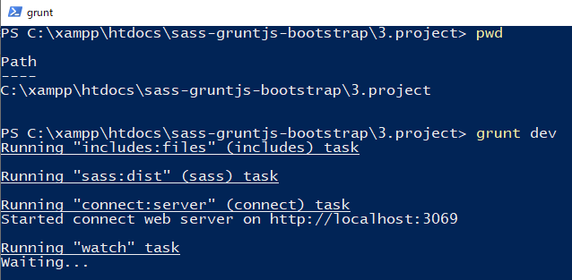

new 構成
 | sass-gruntjs-bootstrap
 |  | 3.project
 |  |  | development
 |  |  |  | html-elements
 |  |  |  | js
 |  |  |  | sass
 |  |  |  |  | main.scss
 |  |  |  | index.html
 |  |  | node_modules |  |  |  | → | is added
 |  |  | production
 |  |  |  | css
 |  |  |  | js
 |  |  |  | index.html |  |  | → | is added
 |  |  | Gruntfile.js
 |  |  | package.json

Check hiển thị trên browser và Console không có lỗi gì cả
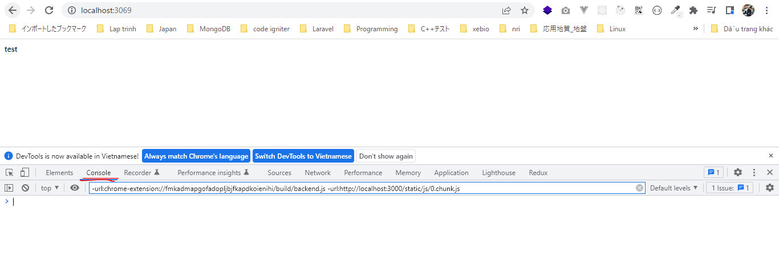

Thay đổi nội dung trong index.html
 | <!-- I am a banner --><!-- I am a banner -->
 | <!DOCTYPE html>
 | <html lang="en">
 | <head>
 | <meta charset="utf-8" />
 | <meta http-equiv="X-UA-Compatible" content="IE=edge" />
 | <meta name="viewport" content="width=device-width, initial-scale=1" />
 | <!-- The above 3 meta tags *must* come first in the head; any other head content must come *after* these tags -->
 | </head>
 | <body>
 | test 123
 | </body>
 | </html>

Check browser cũng tự động được refresh

bootstrap and font-awesome
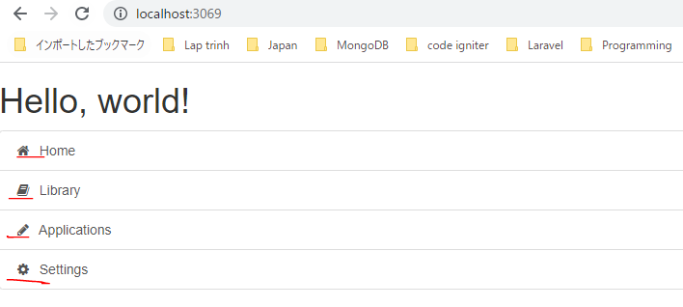
photoshop portable
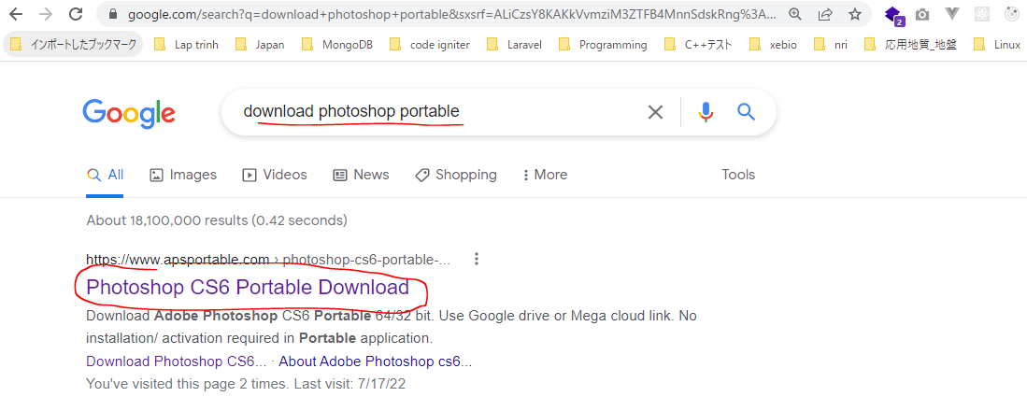

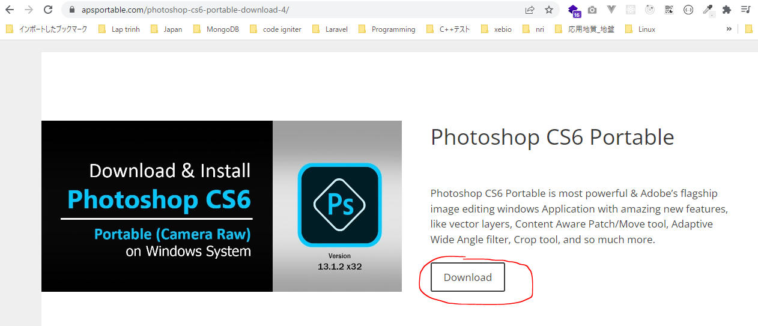

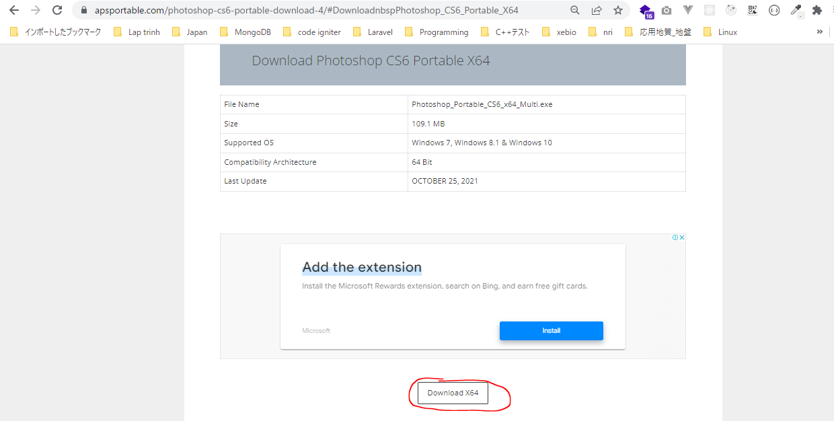

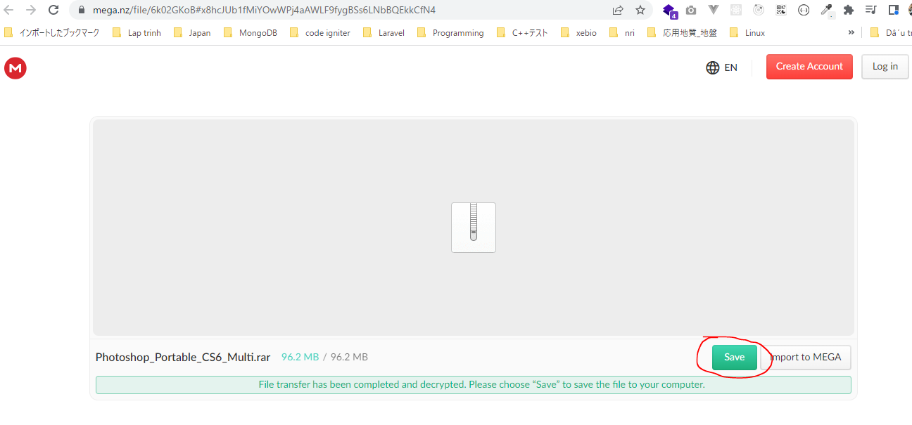

Open photoshop portable



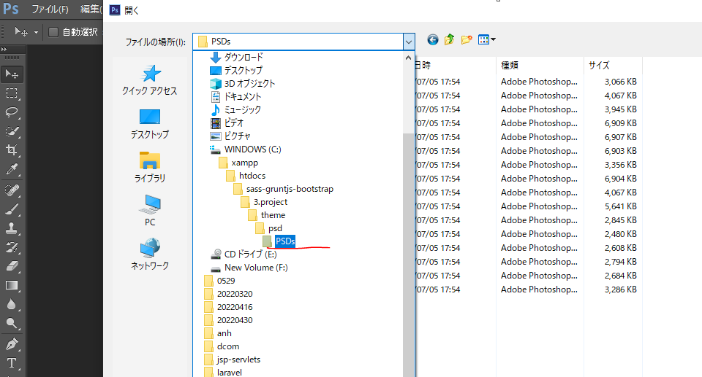

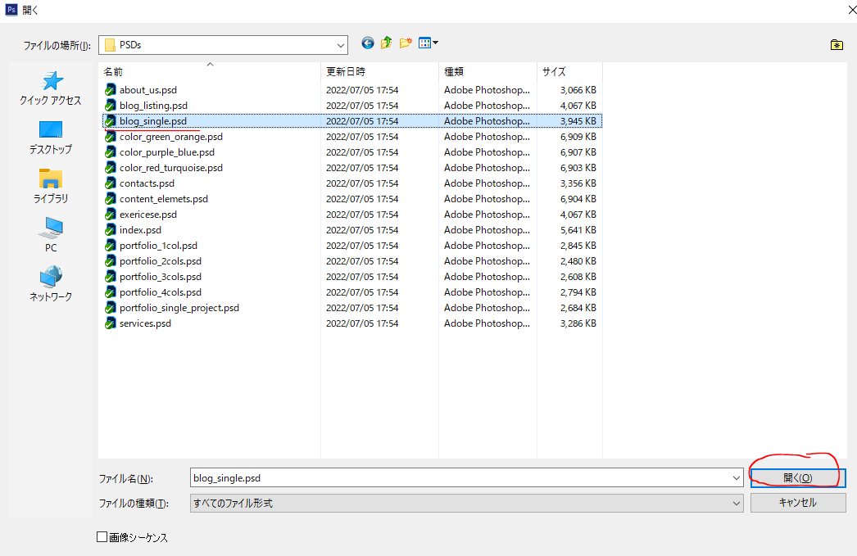

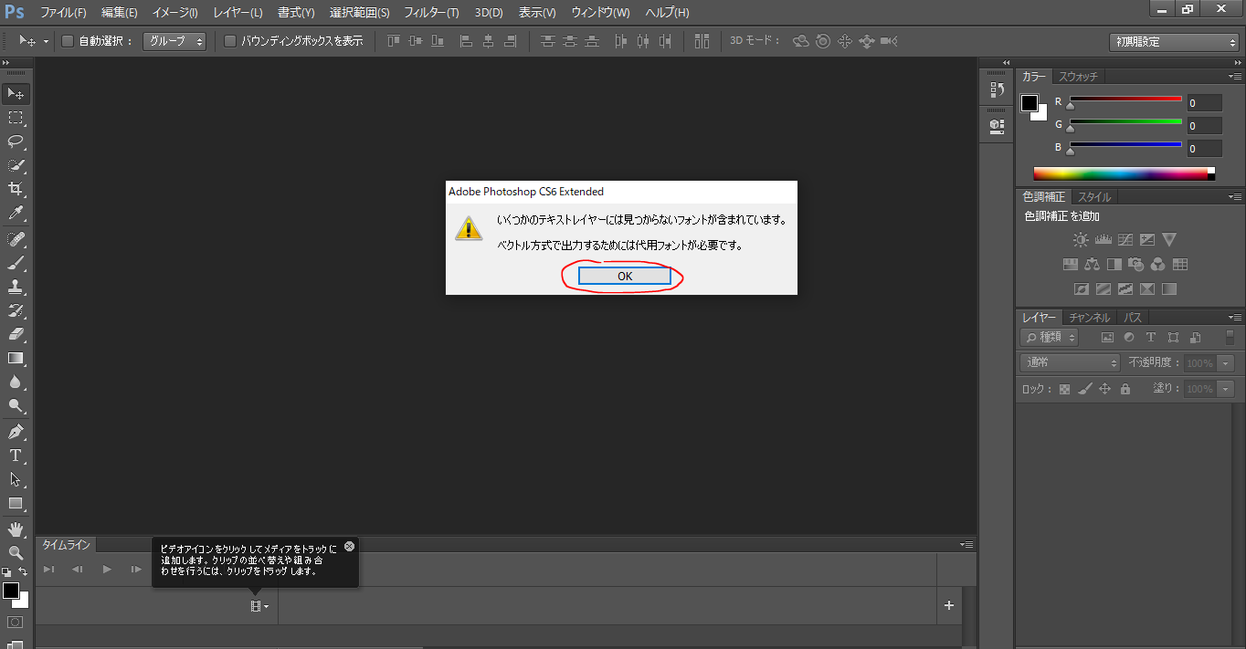

 | Alt + lăn chuột để phóng to và thu nhỏ
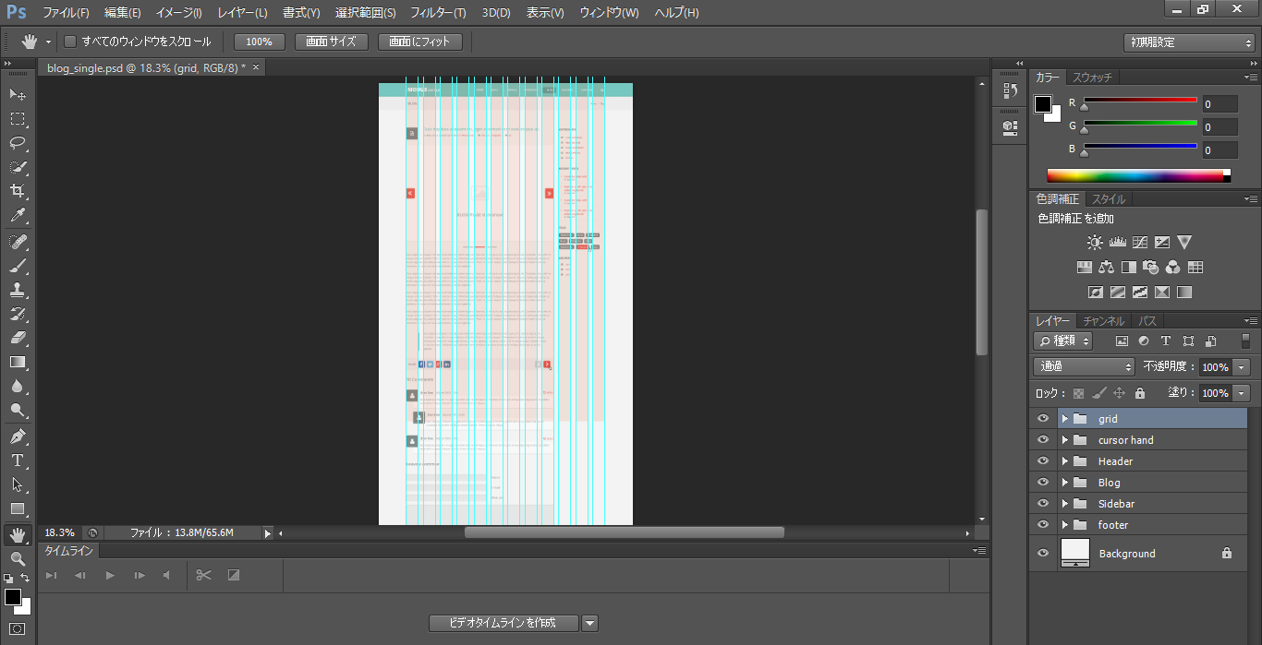

 | Ctrl + H để ẩn hiện các đường dóng kích thước
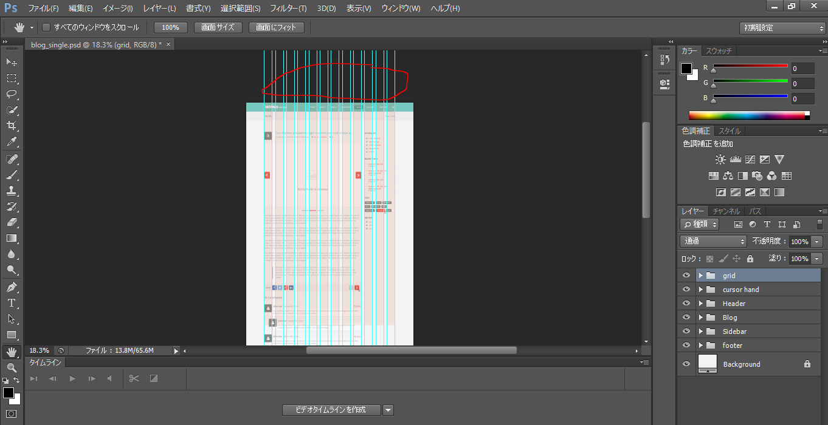

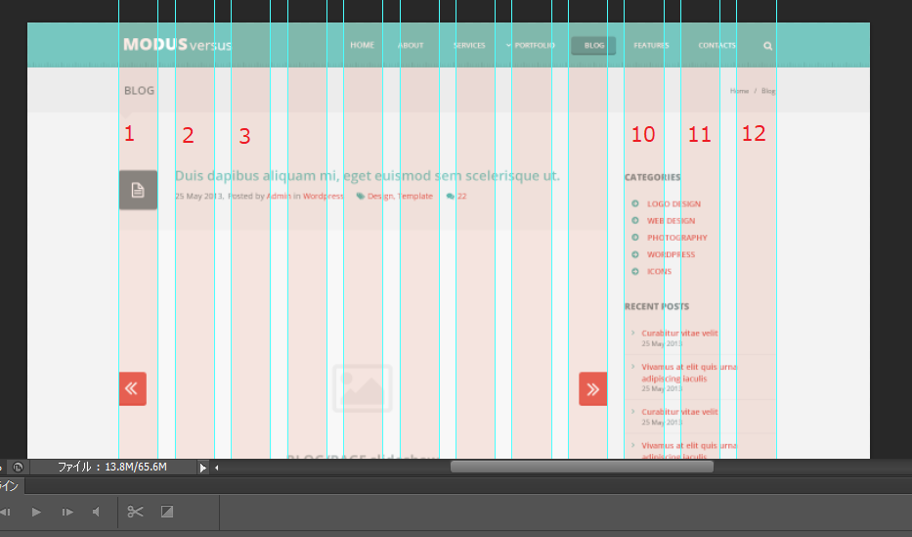

 |  |  |  | Có 12 cột

Bootstrap
 | Customize nếu cần

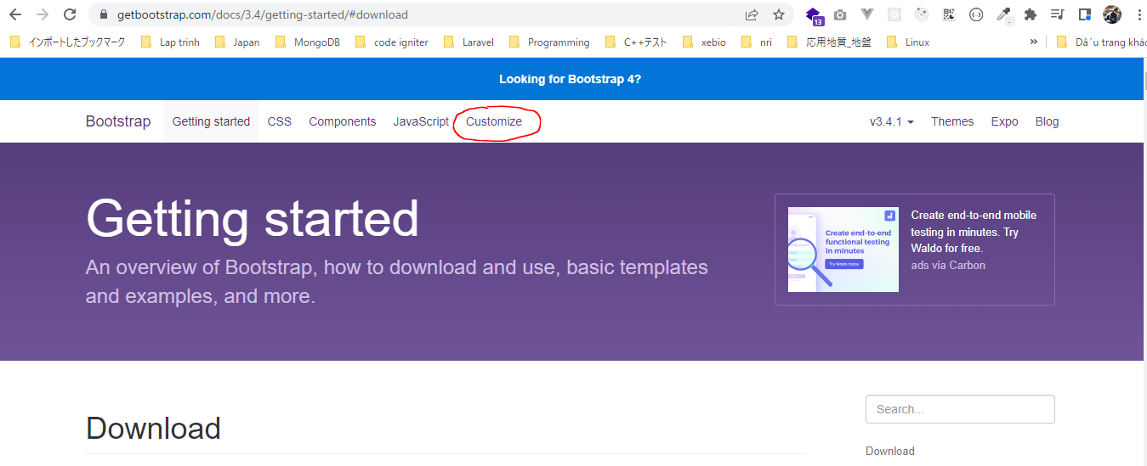

 | Số cột là 12 và khoảng cách giữa các cột là 30px
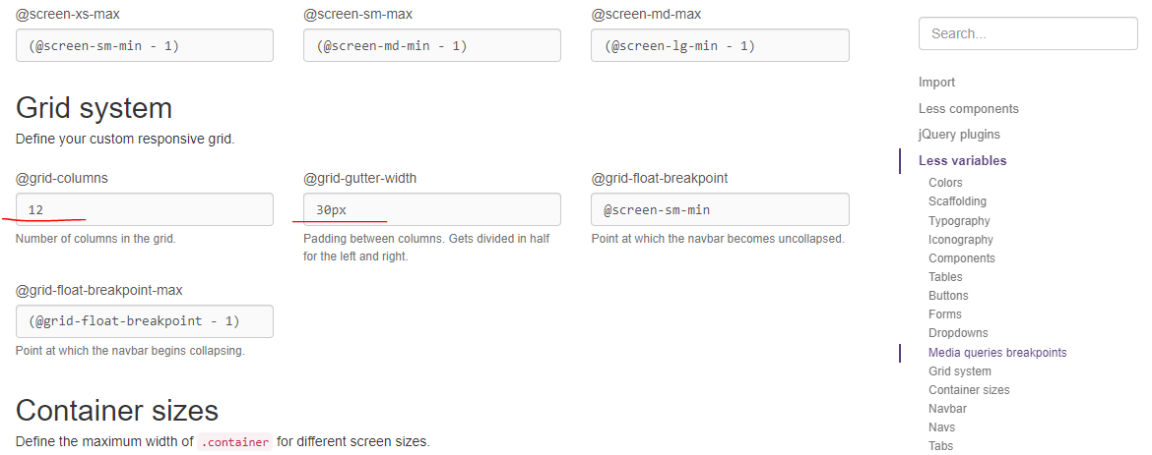

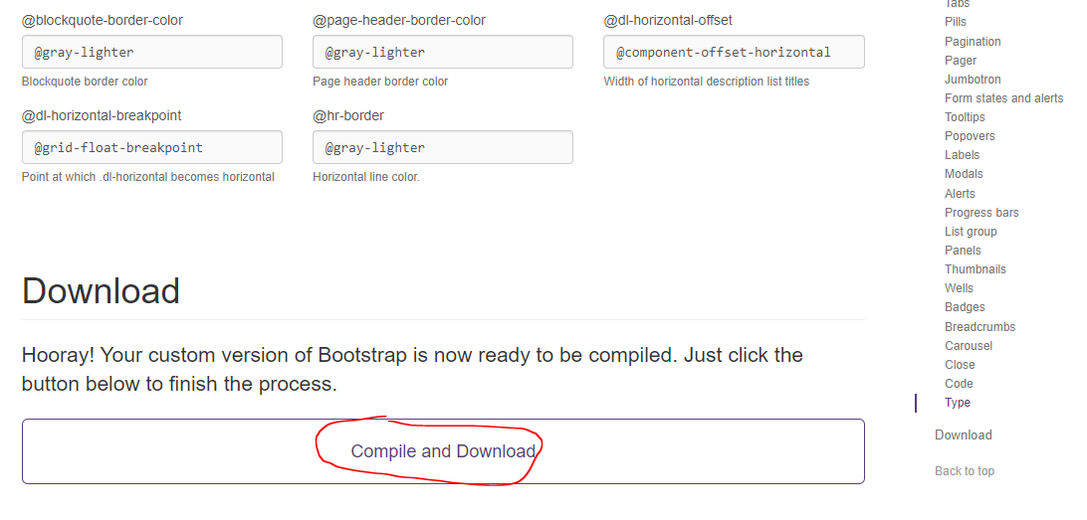

download Bootstrap
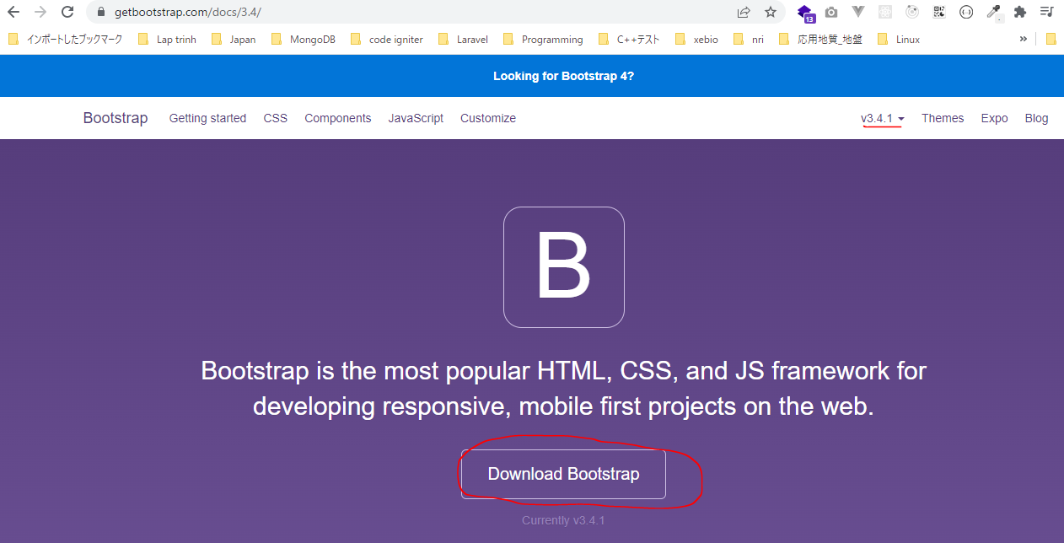

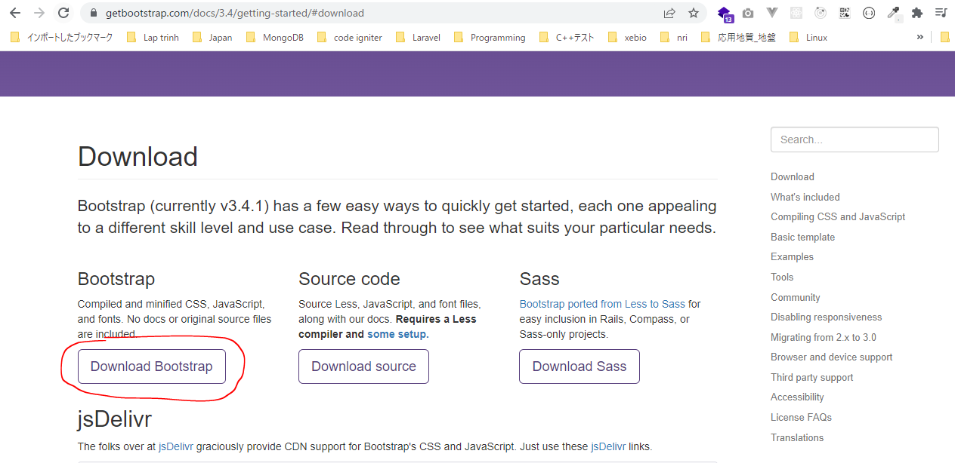

download fontawesome

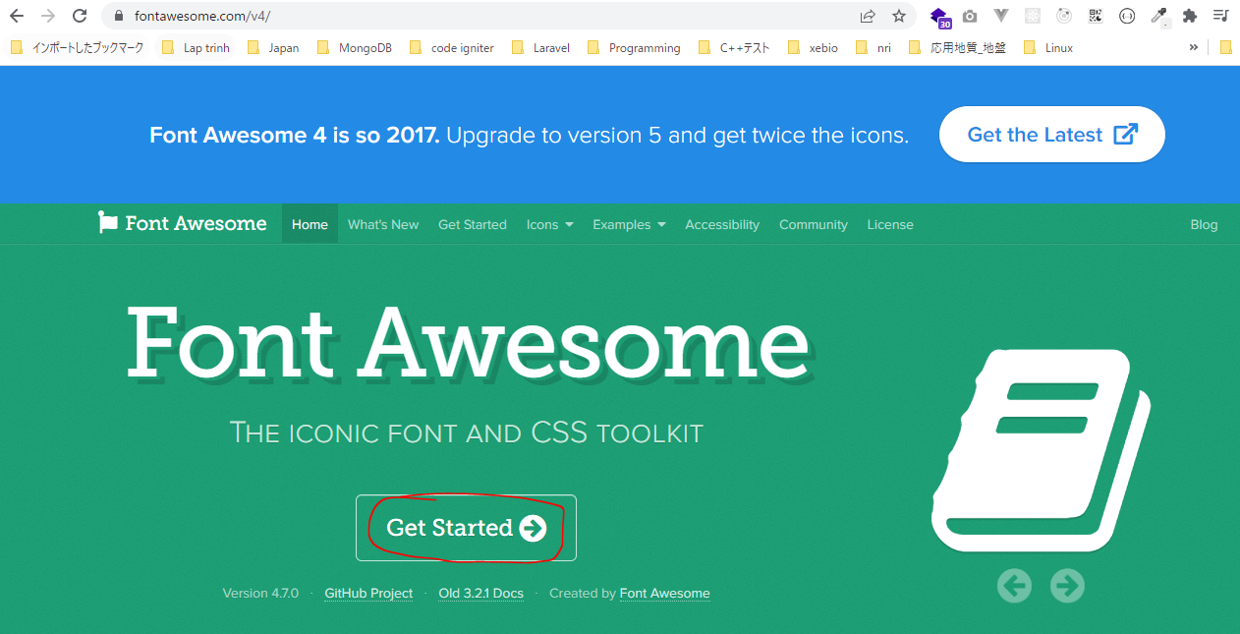

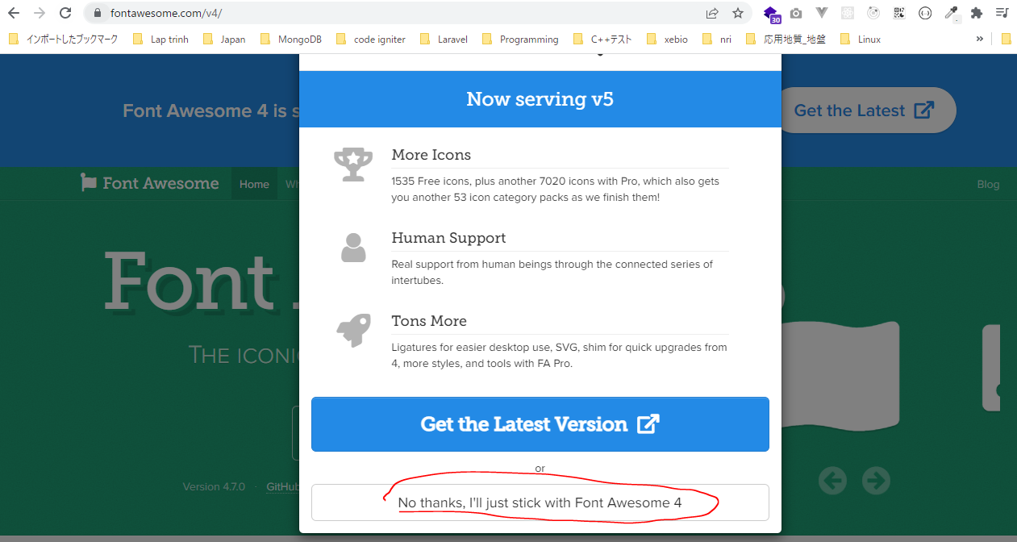

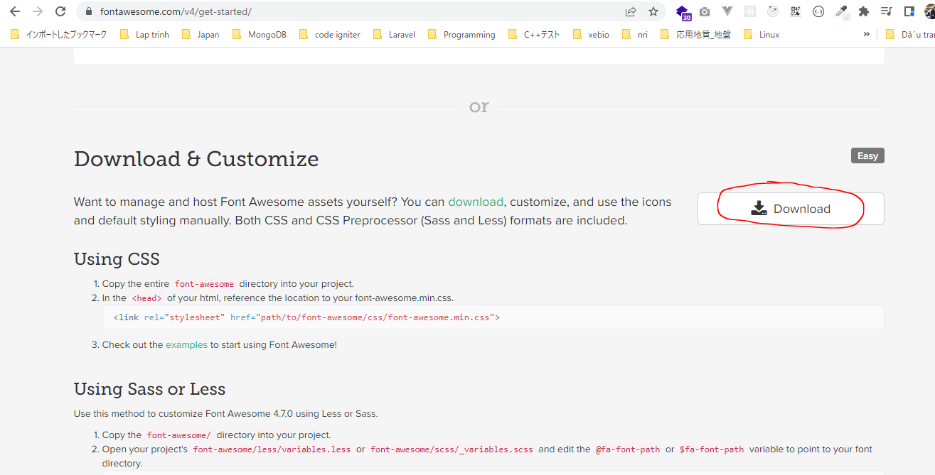

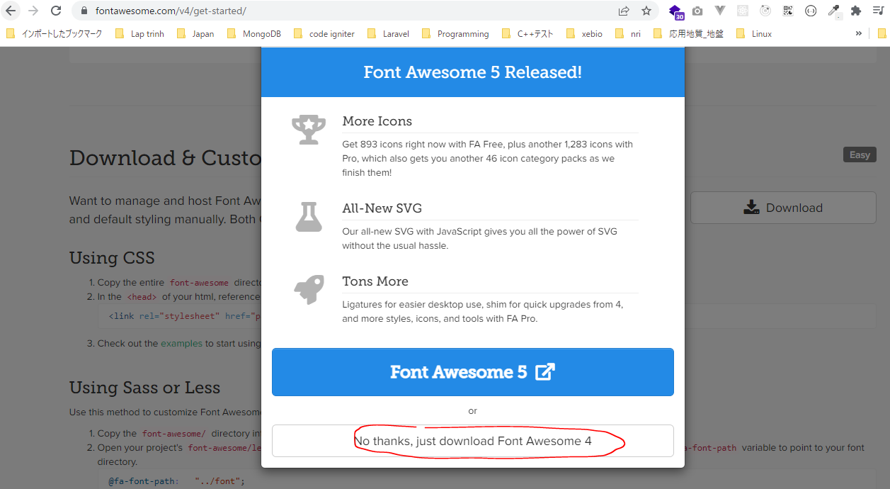

Copy to production(vì đây là phần không thay đổi gì nên để trong production)
 | Copy css, fonts, js của bootstrap vào production

 | Copy css, fonts của font-awesome vào production

Basic template
 | Copy to development/index.html
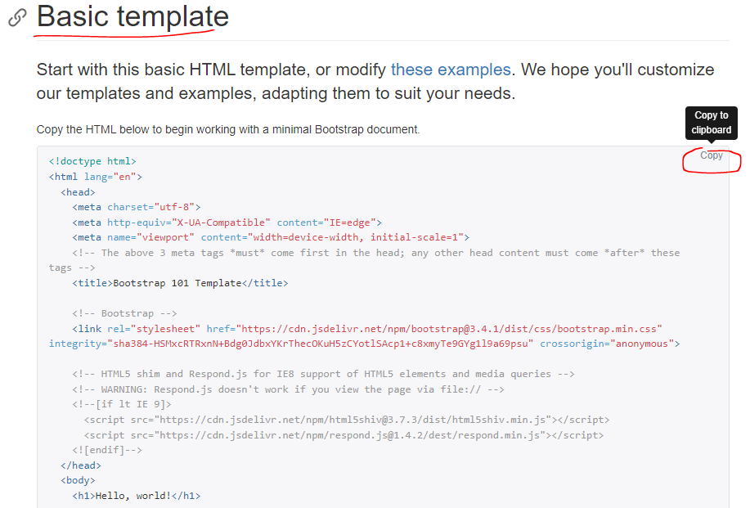

development/index.html
 | <!doctype html>
 | <html lang="en">
 | <head>
 | <meta charset="utf-8">
 | <meta http-equiv="X-UA-Compatible" content="IE=edge">
 | <meta name="viewport" content="width=device-width, initial-scale=1">
 | <!-- The above 3 meta tags *must* come first in the head; any other head content must come *after* these tags -->
 | <title>Bootstrap 101 Template</title>
 | <!-- Bootstrap -->
 | <link rel="stylesheet" href="https://cdn.jsdelivr.net/npm/bootstrap@3.4.1/dist/css/bootstrap.min.css" integrity="sha384-HSMxcRTRxnN+Bdg0JdbxYKrThecOKuH5zCYotlSAcp1+c8xmyTe9GYg1l9a69psu" crossorigin="anonymous">
 | <!-- HTML5 shim and Respond.js for IE8 support of HTML5 elements and media queries -->
 | <!-- WARNING: Respond.js doesn't work if you view the page via file:// -->
 | <!--[if lt IE 9]>
 | <script src="https://cdn.jsdelivr.net/npm/html5shiv@3.7.3/dist/html5shiv.min.js"></script>
 | <script src="https://cdn.jsdelivr.net/npm/respond.js@1.4.2/dest/respond.min.js"></script>
 | <![endif]-->
 | </head>
 | <body>
 | <h1>Hello, world!</h1>
 | <!-- jQuery (necessary for Bootstrap's JavaScript plugins) -->
 | <script src="https://code.jquery.com/jquery-1.12.4.min.js" integrity="sha384-nvAa0+6Qg9clwYCGGPpDQLVpLNn0fRaROjHqs13t4Ggj3Ez50XnGQqc/r8MhnRDZ" crossorigin="anonymous"></script>
 | <!-- Include all compiled plugins (below), or include individual files as needed -->
 | <script src="https://cdn.jsdelivr.net/npm/bootstrap@3.4.1/dist/js/bootstrap.min.js" integrity="sha384-aJ21OjlMXNL5UyIl/XNwTMqvzeRMZH2w8c5cRVpzpU8Y5bApTppSuUkhZXN0VxHd" crossorigin="anonymous"></script>
 | </body>
 | </html>

 | https://code.jquery.com/jquery-1.12.4.min.js
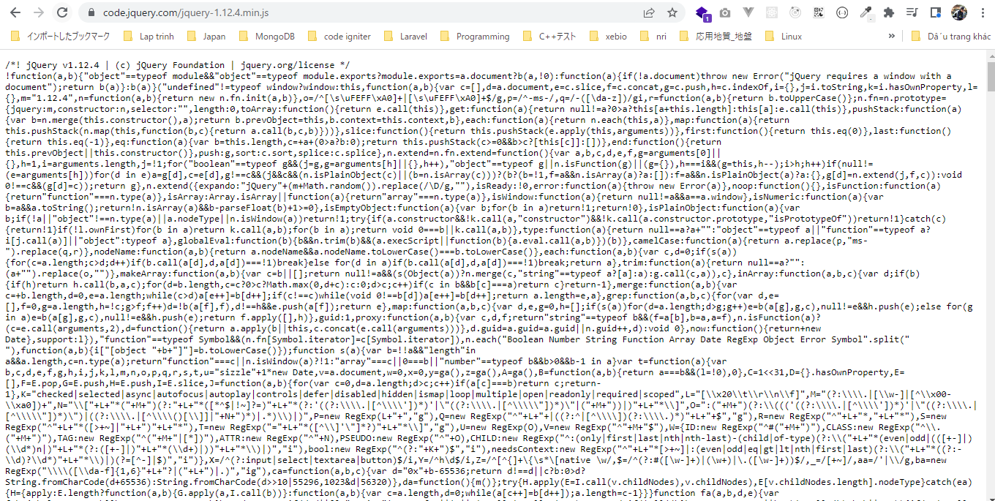

 | Save as jquery-1.12.4.min.js in production/js

 | development/index.html
 | <!doctype html>
 | <html lang="en">
 | <head>
 | <meta charset="utf-8">
 | <meta http-equiv="X-UA-Compatible" content="IE=edge">
 | <meta name="viewport" content="width=device-width, initial-scale=1">
 | <!-- The above 3 meta tags *must* come first in the head; any other head content must come *after* these tags -->
 | <title>Bootstrap 101 Template</title>
 | <!-- Bootstrap -->
 | <link rel="stylesheet" href="./css/bootstrap.min.css"> | → | Sửa thành đường dẫn tương đối đến tập tin
 | <!-- HTML5 shim and Respond.js for IE8 support of HTML5 elements and media queries -->
 | <!-- WARNING: Respond.js doesn't work if you view the page via file:// -->
 | <!--[if lt IE 9]>
 | <script src="https://cdn.jsdelivr.net/npm/html5shiv@3.7.3/dist/html5shiv.min.js"></script>
 | <script src="https://cdn.jsdelivr.net/npm/respond.js@1.4.2/dest/respond.min.js"></script>
 | <![endif]-->
 | </head>
 | <body>
 | <h1>Hello, world!</h1>
 | <!-- jQuery (necessary for Bootstrap's JavaScript plugins) -->
 | <script src="./js/jquery-1.12.4.min.js"></script> | → | Sửa thành đường dẫn tương đối đến tập tin
 | <!-- Include all compiled plugins (below), or include individual files as needed -->
 | <script src="./js/bootstrap.min.js"></script> | → | Sửa thành đường dẫn tương đối đến tập tin
 | </body>
 | </html>

Font Awesome Using CSS
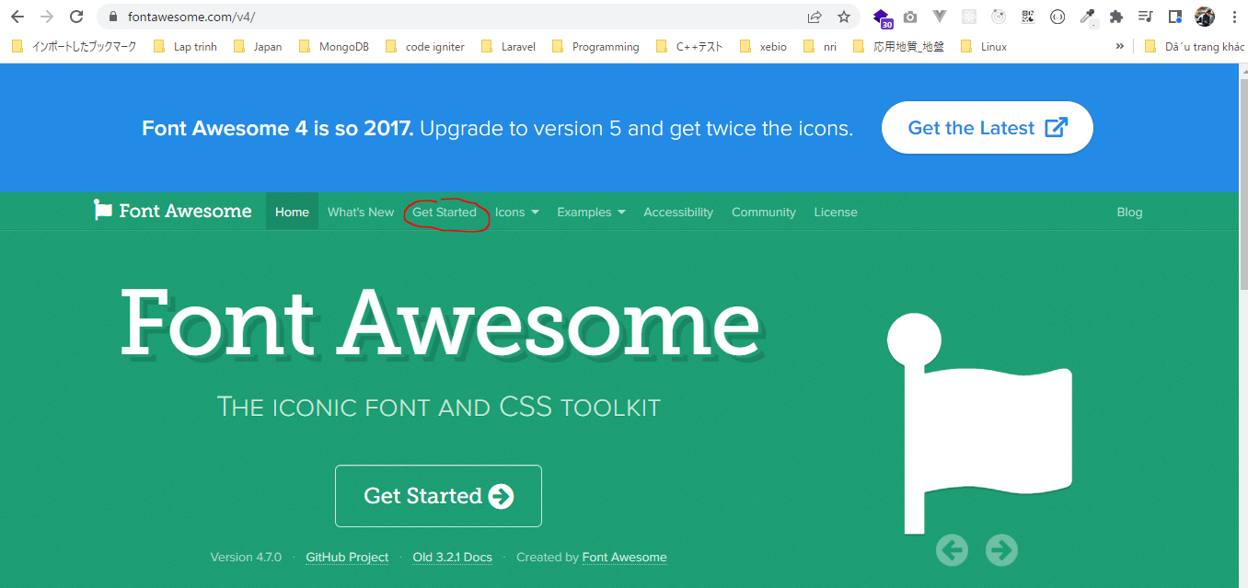

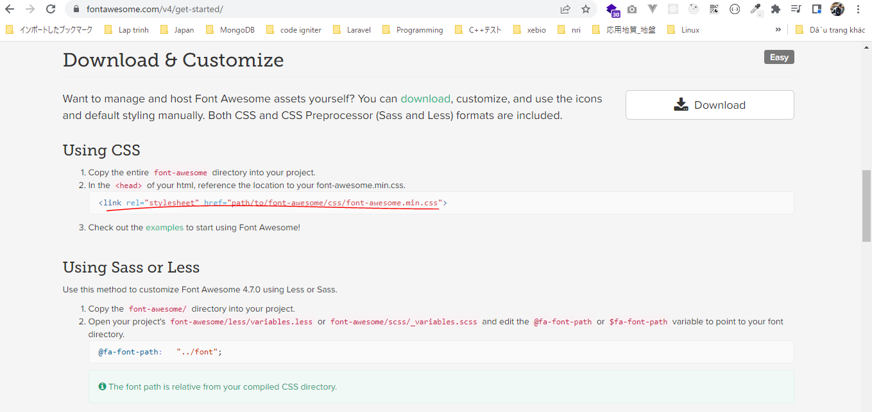

 | development/index.html
 | <!doctype html>
 | <html lang="en">
 | <head>
 | <meta charset="utf-8">
 | <meta http-equiv="X-UA-Compatible" content="IE=edge">
 | <meta name="viewport" content="width=device-width, initial-scale=1">
 | <!-- The above 3 meta tags *must* come first in the head; any other head content must come *after* these tags -->
 | <title>Bootstrap 101 Template</title>
 | <!-- Bootstrap -->
 | <link rel="stylesheet" href="./css/bootstrap.min.css">
 | <link rel="stylesheet" href="./css/font-awesome.min.css"> | → | Kéo font awesome vào
 | <!-- HTML5 shim and Respond.js for IE8 support of HTML5 elements and media queries -->
 | <!-- WARNING: Respond.js doesn't work if you view the page via file:// -->
 | <!--[if lt IE 9]>
 | <script src="https://cdn.jsdelivr.net/npm/html5shiv@3.7.3/dist/html5shiv.min.js"></script>
 | <script src="https://cdn.jsdelivr.net/npm/respond.js@1.4.2/dest/respond.min.js"></script>
 | <![endif]-->
 | </head>
 | <body>
 | <h1>Hello, world!</h1>
 | <!-- jQuery (necessary for Bootstrap's JavaScript plugins) -->
 | <script src="./js/jquery-1.12.4.min.js"></script>
 | <!-- Include all compiled plugins (below), or include individual files as needed -->
 | <script src="./js/bootstrap.min.js"></script>
 | </body>
 | </html>

Kiểm tra font awesome
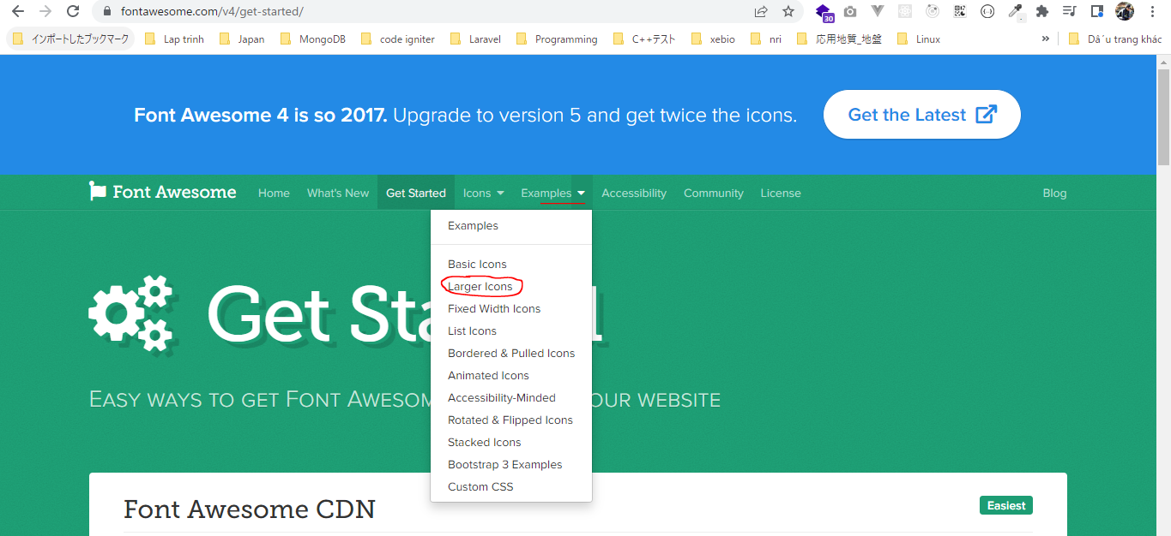

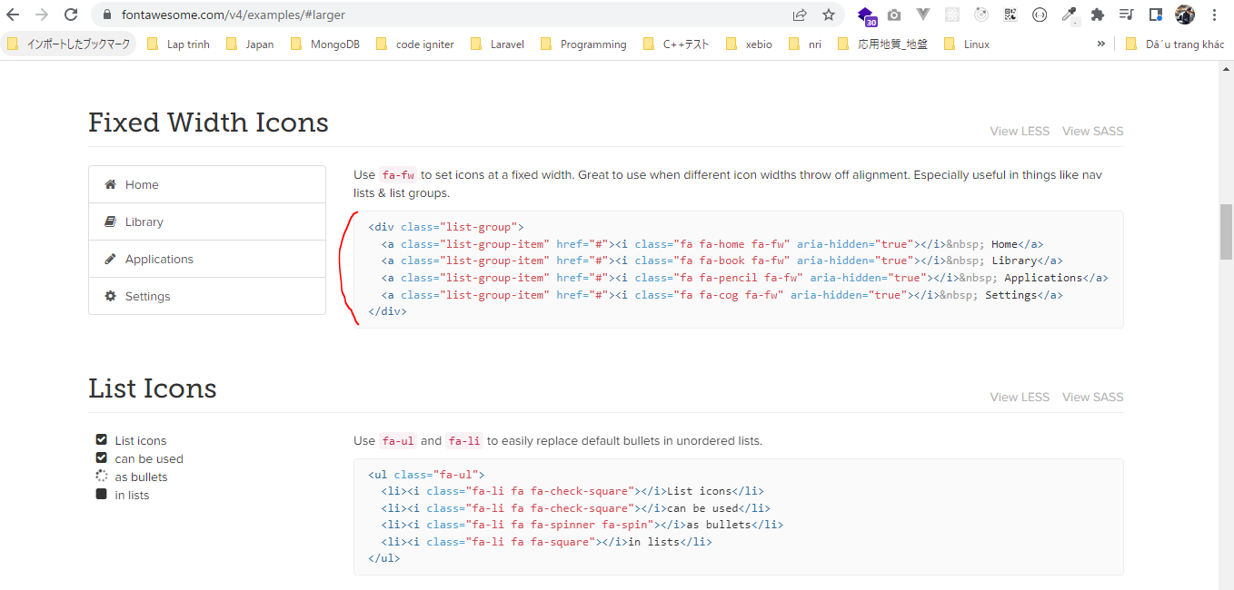

 | development/index.html
 | <!doctype html>
 | <html lang="en">
 | <head>
 | <meta charset="utf-8">
 | <meta http-equiv="X-UA-Compatible" content="IE=edge">
 | <meta name="viewport" content="width=device-width, initial-scale=1">
 | <!-- The above 3 meta tags *must* come first in the head; any other head content must come *after* these tags -->
 | <title>Bootstrap 101 Template</title>
 | <!-- Bootstrap -->
 | <link rel="stylesheet" href="./css/bootstrap.min.css">
 | <link rel="stylesheet" href="./css/font-awesome.min.css">
 | <!-- HTML5 shim and Respond.js for IE8 support of HTML5 elements and media queries -->
 | <!-- WARNING: Respond.js doesn't work if you view the page via file:// -->
 | <!--[if lt IE 9]>
 | <script src="https://cdn.jsdelivr.net/npm/html5shiv@3.7.3/dist/html5shiv.min.js"></script>
 | <script src="https://cdn.jsdelivr.net/npm/respond.js@1.4.2/dest/respond.min.js"></script>
 | <![endif]-->
 | </head>
 | <body>
 | <h1>Hello, world!</h1>

 | <div class="list-group">
 | <a class="list-group-item" href="#"><i class="fa fa-home fa-fw" aria-hidden="true"></i>&nbsp; Home</a>
 | <a class="list-group-item" href="#"><i class="fa fa-book fa-fw" aria-hidden="true"></i>&nbsp; Library</a>
 | <a class="list-group-item" href="#"><i class="fa fa-pencil fa-fw" aria-hidden="true"></i>&nbsp; Applications</a>
 | <a class="list-group-item" href="#"><i class="fa fa-cog fa-fw" aria-hidden="true"></i>&nbsp; Settings</a>
 | </div>

 | <!-- jQuery (necessary for Bootstrap's JavaScript plugins) -->
 | <script src="./js/jquery-1.12.4.min.js"></script>
 | <!-- Include all compiled plugins (below), or include individual files as needed -->
 | <script src="./js/bootstrap.min.js"></script>
 | </body>
 | </html>

Check browser icon được hiển thị

