Arrow Functions 1
構成
 | typescript
 |  | 1.es6
 |  |  | css
 |  |  |  | styles.css
 |  |  | fonts
 |  |  | js
 |  |  | mjs
 |  |  |  | 01-let-01.js
 |  |  |  | 01-let-02.js
 |  |  |  | 02-const.js
 |  |  |  | 03-template-string.js
 |  |  |  | 04-for.js
 |  |  |  | 05-spread.js
 |  |  |  | 06-destructuring.js
 |  |  |  | 07-func-default-param.js
 |  |  |  | 08-func-rest-param.js
 |  |  |  | 09-func-arrow-01.js | → | New
 |  |  | index.html |  | → | Edit

typescript\1.es6\index.html
 | <!DOCTYPE html>
 | <html lang="en">
 | <head>
 | <meta charset="utf-8">
 | <meta http-equiv="X-UA-Compatible" content="IE=edge">
 | <meta name="viewport" content="width=device-width, initial-scale=1">
 | <title>ES6 Training</title>
 | <link href="css/bootstrap.min.css" rel="stylesheet">
 | <link href="css/styles.css" rel="stylesheet">
 | </head>
 | <body>
 | <div class="container">
 | <div class="row">
 | <div class="col-xs-12 col-sm-12 col-md-12 col-lg-12">
 | <h1>ECMAScript 6 <small>ES6 New Features</small></h1>
 | </div>
 | </div>

 | <div class="row">
 | <div class="col-xs-12 col-sm-6 col-md-6 col-lg-6">
 | <!-- ES6 INTRODUCE : START-->
 | <div class="panel panel-primary">
 | <div class="panel-heading"><h1 class="panel-title">01 - Introduce</h1></div>
 | <div class="panel-body">
 | <ol>
 | <li>ES6 - ECMAScript 6 - European Computer Manufacturer's Association Script</li>
 | <li>ES6 do hiệp hội các nhà sản xuất máy tính Châu Âu đề xuất làm tiêu chuẩn của ngôn ngữ Javascript</li>
 | <li>
 | References:
 | <ul>
 | <li><a href="http://es6-features.org/">ES6 Features</a></li>
 | <li><a href="https://kangax.github.io/compat-table/es6/">Compat Tablet</a></li>
 | <li><a href="http://www.webbrowsercompatibility.com/es6/desktop/">ES6 Desktop</a></li>
 | </ul>
 | </li>

 | </ol>
 | </div>
 | </div>
 | <!-- ES6 INTRODUCE : END-->

 | <!-- ES6 SYNTAX : START-->
 | <div class="panel panel-primary">
 | <div class="panel-heading"><h1 class="panel-title">02 - Variable - Template String - Spread - Destructing</h1></div>
 | <div class="panel-body">
 | <ol>
 | <li>let</li>
 | <li>const</li>
 | <li>Template String</li>
 | <li>For</li>
 | <li>Spread</li>
 | <li>Destructuring</li>
 | </ol>
 | </div>
 | </div>
 | <!-- ES6 SYNTAX : END-->

 | <!-- ES6 FUNCTIONS : START-->
 | <div class="panel panel-primary">
 | <div class="panel-heading"><h1 class="panel-title">03 - Functions</h1></div>
 | <div class="panel-body">
 | <ol>
 | <li>Default Param</li>
 | <li>Rest Param</li>
 | </ol>
 | </div>
 | </div>
 | <!-- ES6 FUNCTIONS : END-->

 | </div>

 | <div class="col-xs-12 col-sm-6 col-md-6 col-lg-6">

 | <!-- ARROW FUNCTIONS : START-->
 | <div class="panel panel-primary">
 | <div class="panel-heading"><h1 class="panel-title">04 - Arrow Function</h1></div>
 | <div class="panel-body">
 | <ol>
 | <li>Arrow Function</li>
 | <li>this</li>
 | </ol>
 | </div>
 | </div>
 | <!-- ARROW FUNCTIONS : END-->

 | <!-- ENHANCED OBJECT PROPERTIES : START-->
 | <div class="panel panel-primary">
 | <div class="panel-heading"><h1 class="panel-title">05 - Enhanced</h1></div>
 | <div class="panel-body">
 | <ol>
 | <li>Property Shorthand</li>
 | <li>Computed Property Names</li>
 | <li>Method Properties</li>
 | </ol>
 | </div>
 | </div>
 | <!-- ENHANCED OBJECT PROPERTIES : END-->

 | <!-- OOP : START-->
 | <div class="panel panel-primary">
 | <div class="panel-heading"><h1 class="panel-title">06 - OOP</h1></div>
 | <div class="panel-body">
 | <ol>
 | <li>Class</li>
 | <li>Inheritance</li>
 | </ol>
 | </div>
 | </div>
 | <!-- OOP : END-->
 | </div>

 | <!-- TEST AREA : START -->
 | <div class="col-xs-12 col-sm-12 col-md-12 col-lg-12">
 | <div class="panel panel-default">
 | <div class="panel-heading">
 | <h1 class="panel-title">Test</h1>
 | </div>

 | <div class="panel-body" >
 | <button onclick="drawShape()" type="button" class="btn btn-success">Draw</button>
 | <button onclick="clearShape()" type="button" class="btn btn-danger">Clear</button>
 | <div id="mContent">
 | <!-- MY CONTENT -->
 | </div>
 | </div>
 | </div>
 | </div>
 | <!-- TEST AREA : END -->
 | </div>
 | </div>

 | <script src="js/jquery.min.js"></script>
 | <script src="js/bootstrap.min.js"></script>
 | <script src="mjs/09-func-arrow-01.js"></script>
 | </body>
 | </html>

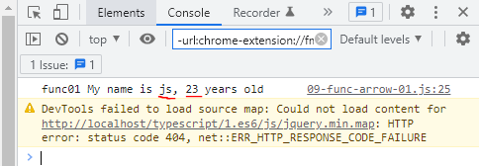

typescript\1.es6\mjs\09-func-arrow-01.js
 | function func01(name, age) {
 | return `func01 My name is ${name}, ${age} years old`;
 | }

 | console.log(func01("js", 23));

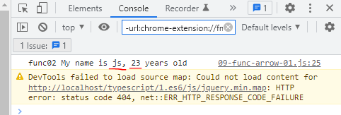

typescript\1.es6\mjs\09-func-arrow-01.js
 | var func02 = function(name, age) {
 | return `func02 My name is ${name}, ${age} years old`;
 | }

 | console.log(func02("js", 23));

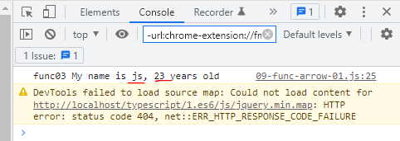
typescript\1.es6\mjs\09-func-arrow-01.js
 | var func03 = (name, age) => { |  |  |  | → | arrow function(ko phải viết function ở đầu)
 | return `func03 My name is ${name}, ${age} years old`;
 | }

 | console.log(func03("js", 23));

typescript\1.es6\mjs\09-func-arrow-01.js
 | var func04 = (name, age) =>
 | `func04 My name is ${name}, ${age} years old`; |  |  |  | → | Ở bên trong arrow function chỉ có 1 dòng(ko cần viết return nhưng vẫn lấy được kết quả) thì có thể bỏ{}
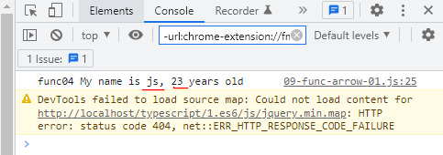
 | //return `func04 My name is ${name}, ${age} years old`;

 | console.log(func04("js", 23));

typescript\1.es6\mjs\09-func-arrow-01.js
 | var func05 = name => { |  |  |  | → | arrow function chỉ có 1 tham số thì có thể bỏ ()
 | return `func05 My name is ${name}`;
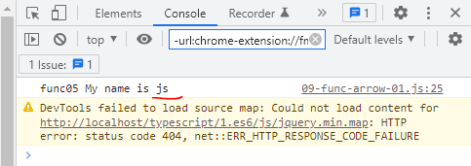
 | }

 | console.log(func05("js"));

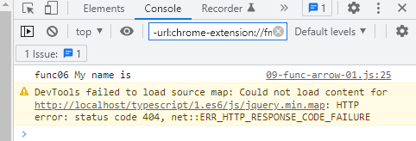
typescript\1.es6\mjs\09-func-arrow-01.js
 | var func06 = () => { |  |  |  | → | arrow function ko có tham số truyền vào
 | return `func06 My name is`;
 | }

 | console.log(func06());

Arrow Functions 2
 | Một số ứng dụng Arrow Functions

構成
 | typescript
 |  | 1.es6
 |  |  | css
 |  |  |  | styles.css
 |  |  | fonts
 |  |  | js
 |  |  | mjs
 |  |  |  | 01-let-01.js
 |  |  |  | 01-let-02.js
 |  |  |  | 02-const.js
 |  |  |  | 03-template-string.js
 |  |  |  | 04-for.js
 |  |  |  | 05-spread.js
 |  |  |  | 06-destructuring.js
 |  |  |  | 07-func-default-param.js
 |  |  |  | 08-func-rest-param.js
 |  |  |  | 09-func-arrow-01.js
 |  |  |  | 09-func-arrow-02.js | → | New
 |  |  | index.html |  | → | Edit

typescript\1.es6\index.html
 | <!DOCTYPE html>
 | <html lang="en">
 | <head>
 | <meta charset="utf-8">
 | <meta http-equiv="X-UA-Compatible" content="IE=edge">
 | <meta name="viewport" content="width=device-width, initial-scale=1">
 | <title>ES6 Training</title>
 | <link href="css/bootstrap.min.css" rel="stylesheet">
 | <link href="css/styles.css" rel="stylesheet">
 | </head>
 | <body>
 | <div class="container">
 | <div class="row">
 | <div class="col-xs-12 col-sm-12 col-md-12 col-lg-12">
 | <h1>ECMAScript 6 <small>ES6 New Features</small></h1>
 | </div>
 | </div>

 | <div class="row">
 | <div class="col-xs-12 col-sm-6 col-md-6 col-lg-6">
 | <!-- ES6 INTRODUCE : START-->
 | <div class="panel panel-primary">
 | <div class="panel-heading"><h1 class="panel-title">01 - Introduce</h1></div>
 | <div class="panel-body">
 | <ol>
 | <li>ES6 - ECMAScript 6 - European Computer Manufacturer's Association Script</li>
 | <li>ES6 do hiệp hội các nhà sản xuất máy tính Châu Âu đề xuất làm tiêu chuẩn của ngôn ngữ Javascript</li>
 | <li>
 | References:
 | <ul>
 | <li><a href="http://es6-features.org/">ES6 Features</a></li>
 | <li><a href="https://kangax.github.io/compat-table/es6/">Compat Tablet</a></li>
 | <li><a href="http://www.webbrowsercompatibility.com/es6/desktop/">ES6 Desktop</a></li>
 | </ul>
 | </li>

 | </ol>
 | </div>
 | </div>
 | <!-- ES6 INTRODUCE : END-->

 | <!-- ES6 SYNTAX : START-->
 | <div class="panel panel-primary">
 | <div class="panel-heading"><h1 class="panel-title">02 - Variable - Template String - Spread - Destructing</h1></div>
 | <div class="panel-body">
 | <ol>
 | <li>let</li>
 | <li>const</li>
 | <li>Template String</li>
 | <li>For</li>
 | <li>Spread</li>
 | <li>Destructuring</li>
 | </ol>
 | </div>
 | </div>
 | <!-- ES6 SYNTAX : END-->

 | <!-- ES6 FUNCTIONS : START-->
 | <div class="panel panel-primary">
 | <div class="panel-heading"><h1 class="panel-title">03 - Functions</h1></div>
 | <div class="panel-body">
 | <ol>
 | <li>Default Param</li>
 | <li>Rest Param</li>
 | </ol>
 | </div>
 | </div>
 | <!-- ES6 FUNCTIONS : END-->

 | </div>

 | <div class="col-xs-12 col-sm-6 col-md-6 col-lg-6">

 | <!-- ARROW FUNCTIONS : START-->
 | <div class="panel panel-primary">
 | <div class="panel-heading"><h1 class="panel-title">04 - Arrow Function</h1></div>
 | <div class="panel-body">
 | <ol>
 | <li>Arrow Function</li>
 | <li>this</li>
 | </ol>
 | </div>
 | </div>
 | <!-- ARROW FUNCTIONS : END-->

 | <!-- ENHANCED OBJECT PROPERTIES : START-->
 | <div class="panel panel-primary">
 | <div class="panel-heading"><h1 class="panel-title">05 - Enhanced</h1></div>
 | <div class="panel-body">
 | <ol>
 | <li>Property Shorthand</li>
 | <li>Computed Property Names</li>
 | <li>Method Properties</li>
 | </ol>
 | </div>
 | </div>
 | <!-- ENHANCED OBJECT PROPERTIES : END-->

 | <!-- OOP : START-->
 | <div class="panel panel-primary">
 | <div class="panel-heading"><h1 class="panel-title">06 - OOP</h1></div>
 | <div class="panel-body">
 | <ol>
 | <li>Class</li>
 | <li>Inheritance</li>
 | </ol>
 | </div>
 | </div>
 | <!-- OOP : END-->
 | </div>

 | <!-- TEST AREA : START -->
 | <div class="col-xs-12 col-sm-12 col-md-12 col-lg-12">
 | <div class="panel panel-default">
 | <div class="panel-heading">
 | <h1 class="panel-title">Test</h1>
 | </div>

 | <div class="panel-body" >
 | <button onclick="drawShape()" type="button" class="btn btn-success">Draw</button>
 | <button onclick="clearShape()" type="button" class="btn btn-danger">Clear</button>
 | <div id="mContent">
 | <!-- MY CONTENT -->
 | </div>
 | </div>
 | </div>
 | </div>
 | <!-- TEST AREA : END -->
 | </div>
 | </div>

 | <script src="js/jquery.min.js"></script>
 | <script src="js/bootstrap.min.js"></script>
 | <script src="mjs/09-func-arrow-02.js"></script>
 | </body>
 | </html>

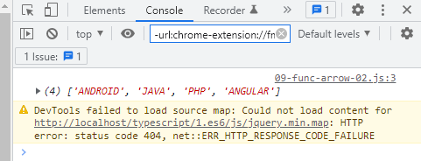

typescript\1.es6\mjs\09-func-arrow-02.js
 | let courses = ["Android", "java", "php", "angular"];

 | console.log(
 | courses.map( course => {
 | return course.toUpperCase(); |  |  |  | → | Chuyển sang chữ hoa
 | })
 | );

typescript\1.es6\mjs\09-func-arrow-02.js
 | let scores = [9, 2, 8, 4, 7, 3, 1, 8];

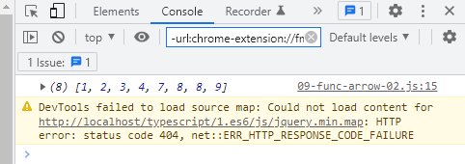
 | scores.sort(
 | (x, y) => x - y |  |  |  | → | Sắp xếp theo thứ tự tăng dần
 | );

 | console.log(scores);

This
構成
 | typescript
 |  | 1.es6
 |  |  | css
 |  |  |  | styles.css
 |  |  | fonts
 |  |  | js
 |  |  | mjs
 |  |  |  | 01-let-01.js
 |  |  |  | 01-let-02.js
 |  |  |  | 02-const.js
 |  |  |  | 03-template-string.js
 |  |  |  | 04-for.js
 |  |  |  | 05-spread.js
 |  |  |  | 06-destructuring.js
 |  |  |  | 07-func-default-param.js
 |  |  |  | 08-func-rest-param.js
 |  |  |  | 09-func-arrow-01.js
 |  |  |  | 09-func-arrow-02.js
 |  |  |  | 10-func-arrow-this.js | → | New
 |  |  | index.html |  | → | Edit

typescript\1.es6\index.html
 | <!DOCTYPE html>
 | <html lang="en">
 | <head>
 | <meta charset="utf-8">
 | <meta http-equiv="X-UA-Compatible" content="IE=edge">
 | <meta name="viewport" content="width=device-width, initial-scale=1">
 | <title>ES6 Training</title>
 | <link href="css/bootstrap.min.css" rel="stylesheet">
 | <link href="css/styles.css" rel="stylesheet">
 | </head>
 | <body>
 | <div class="container">
 | <div class="row">
 | <div class="col-xs-12 col-sm-12 col-md-12 col-lg-12">
 | <h1>ECMAScript 6 <small>ES6 New Features</small></h1>
 | </div>
 | </div>

 | <div class="row">
 | <div class="col-xs-12 col-sm-6 col-md-6 col-lg-6">
 | <!-- ES6 INTRODUCE : START-->
 | <div class="panel panel-primary">
 | <div class="panel-heading"><h1 class="panel-title">01 - Introduce</h1></div>
 | <div class="panel-body">
 | <ol>
 | <li>ES6 - ECMAScript 6 - European Computer Manufacturer's Association Script</li>
 | <li>ES6 do hiệp hội các nhà sản xuất máy tính Châu Âu đề xuất làm tiêu chuẩn của ngôn ngữ Javascript</li>
 | <li>
 | References:
 | <ul>
 | <li><a href="http://es6-features.org/">ES6 Features</a></li>
 | <li><a href="https://kangax.github.io/compat-table/es6/">Compat Tablet</a></li>
 | <li><a href="http://www.webbrowsercompatibility.com/es6/desktop/">ES6 Desktop</a></li>
 | </ul>
 | </li>

 | </ol>
 | </div>
 | </div>
 | <!-- ES6 INTRODUCE : END-->

 | <!-- ES6 SYNTAX : START-->
 | <div class="panel panel-primary">
 | <div class="panel-heading"><h1 class="panel-title">02 - Variable - Template String - Spread - Destructing</h1></div>
 | <div class="panel-body">
 | <ol>
 | <li>let</li>
 | <li>const</li>
 | <li>Template String</li>
 | <li>For</li>
 | <li>Spread</li>
 | <li>Destructuring</li>
 | </ol>
 | </div>
 | </div>
 | <!-- ES6 SYNTAX : END-->

 | <!-- ES6 FUNCTIONS : START-->
 | <div class="panel panel-primary">
 | <div class="panel-heading"><h1 class="panel-title">03 - Functions</h1></div>
 | <div class="panel-body">
 | <ol>
 | <li>Default Param</li>
 | <li>Rest Param</li>
 | </ol>
 | </div>
 | </div>
 | <!-- ES6 FUNCTIONS : END-->

 | </div>

 | <div class="col-xs-12 col-sm-6 col-md-6 col-lg-6">

 | <!-- ARROW FUNCTIONS : START-->
 | <div class="panel panel-primary">
 | <div class="panel-heading"><h1 class="panel-title">04 - Arrow Function</h1></div>
 | <div class="panel-body">
 | <ol>
 | <li>Arrow Function</li>
 | <li>this</li>
 | </ol>
 | </div>
 | </div>
 | <!-- ARROW FUNCTIONS : END-->

 | <!-- ENHANCED OBJECT PROPERTIES : START-->
 | <div class="panel panel-primary">
 | <div class="panel-heading"><h1 class="panel-title">05 - Enhanced</h1></div>
 | <div class="panel-body">
 | <ol>
 | <li>Property Shorthand</li>
 | <li>Computed Property Names</li>
 | <li>Method Properties</li>
 | </ol>
 | </div>
 | </div>
 | <!-- ENHANCED OBJECT PROPERTIES : END-->

 | <!-- OOP : START-->
 | <div class="panel panel-primary">
 | <div class="panel-heading"><h1 class="panel-title">06 - OOP</h1></div>
 | <div class="panel-body">
 | <ol>
 | <li>Class</li>
 | <li>Inheritance</li>
 | </ol>
 | </div>
 | </div>
 | <!-- OOP : END-->
 | </div>

 | <!-- TEST AREA : START -->
 | <div class="col-xs-12 col-sm-12 col-md-12 col-lg-12">
 | <div class="panel panel-default">
 | <div class="panel-heading">
 | <h1 class="panel-title">Test</h1>
 | </div>

 | <div class="panel-body" >
 | <button onclick="drawShape()" type="button" class="btn btn-success">Draw</button>
 | <button onclick="clearShape()" type="button" class="btn btn-danger">Clear</button>
 | <div id="mContent">
 | <!-- MY CONTENT -->
 | </div>
 | </div>
 | </div>
 | </div>
 | <!-- TEST AREA : END -->
 | </div>
 | </div>

 | <script src="js/jquery.min.js"></script>
 | <script src="js/bootstrap.min.js"></script>
 | <script src="mjs/10-func-arrow-this.js"></script>
 | </body>
 | </html>

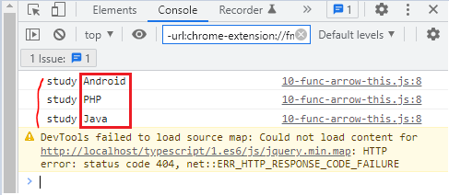
typescript\1.es6\mjs\10-func-arrow-this.js
 | /* ==================== 01 error ==================== */

 | let student = {
 | name: "John",
 | courses: ["Android", "PHP", "Java"],
 | showInfo: function(){
 | this.courses.forEach(function(course){
 | console.log(`${this.name} study ${course}`); |  |  |  |  | → | this.name ko lấy được giá trị name ở bên ngoài
 | })
 | }
 | }

 | student.showInfo();

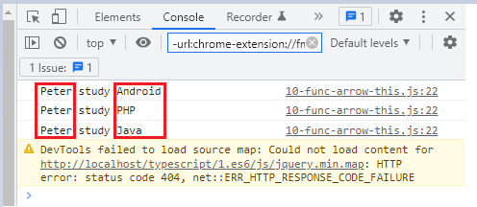
typescript\1.es6\mjs\10-func-arrow-this.js
 | /* ==================== 02 _this ==================== */
 | let student = {
 | name: "Peter",
 | courses: ["Android", "PHP", "Java"],
 | showInfo: function(){
 | var _this = this; |  |  |  |  | → | trước khi gọi đến for earch thì ở phía ngoài gán this vào _this
 | this.courses.forEach(function(course){ |  |  |  |  |  | cách viết này dùng để tham khảo
 | console.log(`${_this.name} study ${course}`);
 | })
 | }
 | }

 | student.showInfo();

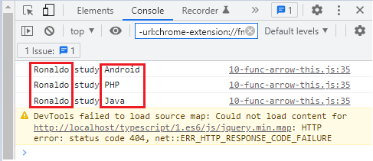
typescript\1.es6\mjs\10-func-arrow-this.js
 | /* ==================== 03 bind ==================== */

 | let student = {
 | name: "Ronaldo",
 | courses: ["Android", "PHP", "Java"],
 | showInfo: function(){
 | this.courses.forEach(function(course){
 | console.log(`${this.name} study ${course}`);
 | }.bind(this)) |  |  |  |  | → | Có thể tham khảo cách viết này
 | }
 | }

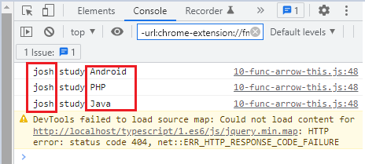
typescript\1.es6\mjs\10-func-arrow-this.js
 | let student = {
 | name: "josh",
 | courses: ["Android", "PHP", "Java"],
 | showInfo: function(){
 | this.courses.forEach(course => console.log(`${this.name} study ${course}`)) |  |  |  |  |  | → | Dùng arrow function nên lấy được giá trị this.name
 | } |  |  |  |  |  |  | bình thường
 | }

 | student.showInfo();

