Let vs var
 | let mang ý nghĩa khai báo 1 biến nào đó sử dụng tạm thời trong 1 block scope nào đó

構成
 | typescript
 |  | 1.es6
 |  |  | css
 |  |  | fonts
 |  |  | js
 |  |  | mjs |  | → | New
 |  |  |  | 01-let-01.js | → | New
 |  |  | index.html

index.html
 | <!DOCTYPE html>
 | <html lang="en">
 | <head>
 | <meta charset="utf-8">
 | <meta http-equiv="X-UA-Compatible" content="IE=edge">
 | <meta name="viewport" content="width=device-width, initial-scale=1">
 | <title>ES6 Training</title>
 | <link href="css/bootstrap.min.css" rel="stylesheet">
 | <link href="css/styles.css" rel="stylesheet">
 | </head>
 | <body>
 | <div class="container">
 | <div class="row">
 | <div class="col-xs-12 col-sm-12 col-md-12 col-lg-12">
 | <h1>ECMAScript 6 <small>ES6 New Features</small></h1>
 | </div>
 | </div>

 | <div class="row">
 | <div class="col-xs-12 col-sm-6 col-md-6 col-lg-6">
 | <!-- ES6 INTRODUCE : START-->
 | <div class="panel panel-primary">
 | <div class="panel-heading"><h1 class="panel-title">01 - Introduce</h1></div>
 | <div class="panel-body">
 | <ol>
 | <li>ES6 - ECMAScript 6 - European Computer Manufacturer's Association Script</li>
 | <li>ES6 do hiệp hội các nhà sản xuất máy tính Châu Âu đề xuất làm tiêu chuẩn của ngôn ngữ Javascript</li>
 | <li>
 | References:
 | <ul>
 | <li><a href="http://es6-features.org/">ES6 Features</a></li>
 | <li><a href="https://kangax.github.io/compat-table/es6/">Compat Tablet</a></li>
 | <li><a href="http://www.webbrowsercompatibility.com/es6/desktop/">ES6 Desktop</a></li>
 | </ul>
 | </li>

 | </ol>
 | </div>
 | </div>
 | <!-- ES6 INTRODUCE : END-->

 | <!-- ES6 SYNTAX : START-->
 | <div class="panel panel-primary">
 | <div class="panel-heading"><h1 class="panel-title">02 - Variable - Template String - Spread - Destructing</h1></div>
 | <div class="panel-body">
 | <ol>
 | <li>let</li>
 | <li>const</li>
 | <li>Template String</li>
 | <li>For</li>
 | <li>Spread</li>
 | <li>Destructuring</li>
 | </ol>
 | </div>
 | </div>
 | <!-- ES6 SYNTAX : END-->

 | <!-- ES6 FUNCTIONS : START-->
 | <div class="panel panel-primary">
 | <div class="panel-heading"><h1 class="panel-title">03 - Functions</h1></div>
 | <div class="panel-body">
 | <ol>
 | <li>Default Param</li>
 | <li>Rest Param</li>
 | </ol>
 | </div>
 | </div>
 | <!-- ES6 FUNCTIONS : END-->

 | </div>

 | <div class="col-xs-12 col-sm-6 col-md-6 col-lg-6">

 | <!-- ARROW FUNCTIONS : START-->
 | <div class="panel panel-primary">
 | <div class="panel-heading"><h1 class="panel-title">04 - Arrow Function</h1></div>
 | <div class="panel-body">
 | <ol>
 | <li>Arrow Function</li>
 | <li>this</li>
 | </ol>
 | </div>
 | </div>
 | <!-- ARROW FUNCTIONS : END-->

 | <!-- ENHANCED OBJECT PROPERTIES : START-->
 | <div class="panel panel-primary">
 | <div class="panel-heading"><h1 class="panel-title">05 - Enhanced</h1></div>
 | <div class="panel-body">
 | <ol>
 | <li>Property Shorthand</li>
 | <li>Computed Property Names</li>
 | <li>Method Properties</li>
 | </ol>
 | </div>
 | </div>
 | <!-- ENHANCED OBJECT PROPERTIES : END-->

 | <!-- OOP : START-->
 | <div class="panel panel-primary">
 | <div class="panel-heading"><h1 class="panel-title">06 - OOP</h1></div>
 | <div class="panel-body">
 | <ol>
 | <li>Class</li>
 | <li>Inheritance</li>
 | </ol>
 | </div>
 | </div>
 | <!-- OOP : END-->
 | </div>

 | <!-- TEST AREA : START -->
 | <div class="col-xs-12 col-sm-12 col-md-12 col-lg-12">
 | <div class="panel panel-default">
 | <div class="panel-heading">
 | <h1 class="panel-title">Test</h1>
 | </div>

 | <div class="panel-body" >
 | <button onclick="drawShape()" type="button" class="btn btn-success">Draw</button>
 | <button onclick="clearShape()" type="button" class="btn btn-danger">Clear</button>
 | <div id="mContent">
 | <!-- MY CONTENT -->
 | </div>
 | </div>
 | </div>
 | </div>
 | <!-- TEST AREA : END -->
 | </div>
 | </div>

 | <script src="js/jquery.min.js"></script>
 | <script src="js/bootstrap.min.js"></script>
 | <script src="mjs/01-let-01.js"></script>
 | </body>
 | </html>

typescript\1.es6\mjs\01-let-01.js
 | /* ==================== BLOCK SCOPE ==================== */
 | /*
 | Block FOR > Block IF > Block WHILE
 |  |  |  |  |  |  |  | BLOCK SCOPE
 | for { |  |  |  |  |  | → | Block FOR
 | if () { |  |  |  |  |  | → | Block IF
 | while() { |  |  |  |  |  | → | Block WHILE

 | }
 | }
 | }
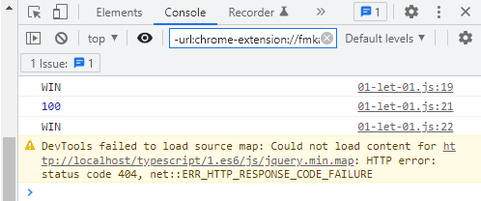
 | */

 | /* ==================== VAR ==================== */

 | var score = 100;
 | if (score > 50) {
 | var msg = "WIN"; |  |  |  |  |  | → | Trong block if msg được khai báo kiểu var
 | console.log(msg);
 | }
 | console.log(score);
 | console.log(msg); |  |  |  |  |  | → | Vẫn lấy được giá trị msg ở ngoài block

typescript\1.es6\mjs\01-let-01.js
 | /* ==================== BLOCK SCOPE ==================== */
 | /*
 | Block FOR > Block IF > Block WHILE

 | for {
 | if () {
 | while() {

 | }
 | }
 | }
 | */

 | /* ==================== VAR ==================== */
 | /*
 | var score = 100;
 | if (score > 50) {
 | var msg = "WIN";
 | console.log(msg);
 | }
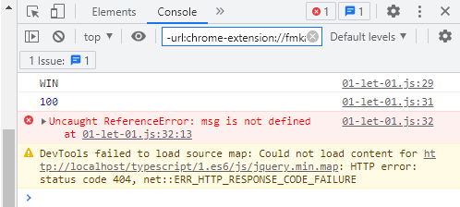
 | console.log(score);
 | console.log(msg);
 | */

 | /* ==================== LET ==================== */
 | let score = 100;
 | if (score > 50) {
 | let msg = "WIN"; |  |  |  |  |  | → | Trong block if msg được khai báo kiểu let
 | console.log(msg);
 | }
 | console.log(score);
 | console.log(msg); |  |  |  |  |  | → | Không lấy được giá trị msg ở ngoài block

typescript\1.es6\mjs\01-let-01.js
 | /* ==================== BLOCK SCOPE ==================== */
 | /*
 | Block FOR > Block IF > Block WHILE

 | for {
 | if () {
 | while() {

 | }
 | }
 | }
 | */

 | /* ==================== VAR ==================== */
 | /*
 | var score = 100;
 | if (score > 50) {
 | var msg = "WIN";
 | console.log(msg);
 | }
 | console.log(score);
 | console.log(msg);
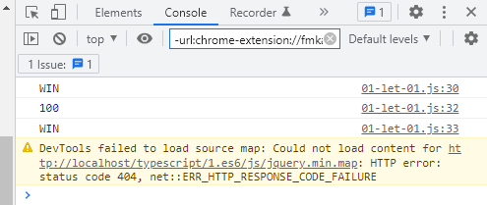
 | */

 | /* ==================== LET ==================== */
 | let score = 100;
 | let msg = ""; |  |  |  |  |  | → | Khai báo kiểu dữ liệu ngoài block scope
 | if (score > 50) {
 | msg = "WIN"; |  |  |  |  |  | → | Gán giá trị cho biến đã khai báo trước đó
 | console.log(msg);
 | }
 | console.log(score);
 | console.log(msg); |  |  |  |  |  | → | Vẫn lấy được giá trị msg

構成
 | typescript
 |  | 1.es6
 |  |  | css
 |  |  |  | styles.css | → | new
 |  |  | fonts
 |  |  | js
 |  |  | mjs
 |  |  |  | 01-let-01.js
 |  |  |  | 01-let-02.js | → | new
 |  |  | index.html |  | → | edit code

typescript\1.es6\index.html
 | <!DOCTYPE html>
 | <html lang="en">
 | <head>
 | <meta charset="utf-8">
 | <meta http-equiv="X-UA-Compatible" content="IE=edge">
 | <meta name="viewport" content="width=device-width, initial-scale=1">
 | <title>ES6 Training</title>
 | <link href="css/bootstrap.min.css" rel="stylesheet">
 | <link href="css/styles.css" rel="stylesheet">
 | </head>
 | <body>
 | <div class="container">
 | <div class="row">
 | <div class="col-xs-12 col-sm-12 col-md-12 col-lg-12">
 | <h1>ECMAScript 6 <small>ES6 New Features</small></h1>
 | </div>
 | </div>

 | <div class="row">
 | <div class="col-xs-12 col-sm-6 col-md-6 col-lg-6">
 | <!-- ES6 INTRODUCE : START-->
 | <div class="panel panel-primary">
 | <div class="panel-heading"><h1 class="panel-title">01 - Introduce</h1></div>
 | <div class="panel-body">
 | <ol>
 | <li>ES6 - ECMAScript 6 - European Computer Manufacturer's Association Script</li>
 | <li>ES6 do hiệp hội các nhà sản xuất máy tính Châu Âu đề xuất làm tiêu chuẩn của ngôn ngữ Javascript</li>
 | <li>
 | References:
 | <ul>
 | <li><a href="http://es6-features.org/">ES6 Features</a></li>
 | <li><a href="https://kangax.github.io/compat-table/es6/">Compat Tablet</a></li>
 | <li><a href="http://www.webbrowsercompatibility.com/es6/desktop/">ES6 Desktop</a></li>
 | </ul>
 | </li>

 | </ol>
 | </div>
 | </div>
 | <!-- ES6 INTRODUCE : END-->

 | <!-- ES6 SYNTAX : START-->
 | <div class="panel panel-primary">
 | <div class="panel-heading"><h1 class="panel-title">02 - Variable - Template String - Spread - Destructing</h1></div>
 | <div class="panel-body">
 | <ol>
 | <li>let</li>
 | <li>const</li>
 | <li>Template String</li>
 | <li>For</li>
 | <li>Spread</li>
 | <li>Destructuring</li>
 | </ol>
 | </div>
 | </div>
 | <!-- ES6 SYNTAX : END-->

 | <!-- ES6 FUNCTIONS : START-->
 | <div class="panel panel-primary">
 | <div class="panel-heading"><h1 class="panel-title">03 - Functions</h1></div>
 | <div class="panel-body">
 | <ol>
 | <li>Default Param</li>
 | <li>Rest Param</li>
 | </ol>
 | </div>
 | </div>
 | <!-- ES6 FUNCTIONS : END-->

 | </div>

 | <div class="col-xs-12 col-sm-6 col-md-6 col-lg-6">

 | <!-- ARROW FUNCTIONS : START-->
 | <div class="panel panel-primary">
 | <div class="panel-heading"><h1 class="panel-title">04 - Arrow Function</h1></div>
 | <div class="panel-body">
 | <ol>
 | <li>Arrow Function</li>
 | <li>this</li>
 | </ol>
 | </div>
 | </div>
 | <!-- ARROW FUNCTIONS : END-->

 | <!-- ENHANCED OBJECT PROPERTIES : START-->
 | <div class="panel panel-primary">
 | <div class="panel-heading"><h1 class="panel-title">05 - Enhanced</h1></div>
 | <div class="panel-body">
 | <ol>
 | <li>Property Shorthand</li>
 | <li>Computed Property Names</li>
 | <li>Method Properties</li>
 | </ol>
 | </div>
 | </div>
 | <!-- ENHANCED OBJECT PROPERTIES : END-->

 | <!-- OOP : START-->
 | <div class="panel panel-primary">
 | <div class="panel-heading"><h1 class="panel-title">06 - OOP</h1></div>
 | <div class="panel-body">
 | <ol>
 | <li>Class</li>
 | <li>Inheritance</li>
 | </ol>
 | </div>
 | </div>
 | <!-- OOP : END-->
 | </div>

 | <!-- TEST AREA : START -->
 | <div class="col-xs-12 col-sm-12 col-md-12 col-lg-12">
 | <div class="panel panel-default">
 | <div class="panel-heading">
 | <h1 class="panel-title">Test</h1>
 | </div>

 | <div class="panel-body" >
 | <button onclick="drawShape()" type="button" class="btn btn-success">Draw</button> |  |  |  |  |  |  |  | → | Click vào button Draw này thì sẽ vẽ ra 10 hình vuông, mỗi hình có 1 con số thứ tự đi kèm. Khi Click vào hình nào thì con số trong hình đó sẽ được hiện bằng Alert
 | <button onclick="clearShape()" type="button" class="btn btn-danger">Clear</button> |  |  |  |  |  |  |  | → | Khi Click vào button Clear thì các hình vuông trên sẽ biến mất
 | <div id="mContent">
 | <!-- MY CONTENT -->
 | </div>
 | </div>
 | </div>
 | </div>
 | <!-- TEST AREA : END -->
 | </div>
 | </div>

 | <script src="js/jquery.min.js"></script>
 | <script src="js/bootstrap.min.js"></script>
 | <script src="mjs/01-let-02.js"></script>
 | </body>
 | </html>

typescript\1.es6\css\styles.css
 | div.row {
 | margin: 20px 0px;
 | }

 | div.panel-body h4 {
 | margin-top: 20px;
 | }

 | div.panel-body ol {
 | padding-left: 20px;
 | }

 | #mContent {
 | margin-top: 20px;
 | }
 | #mContent > p {
 | height: 60px;
 | width: 60px;
 | background-color: #accbe0;
 | display: inline-block;
 | margin: 3px;
 | cursor: pointer;
 | line-height: 60px;
 | text-align: center; |  |  |  |  |  |  |  |  | Click Draw
 | font-weight: bold;
 | font-size: 20px;
 | }

typescript\1.es6\mjs\01-let-02.js
 | /* ==================== drawShape() ==================== */
 | function drawShape(){

 | var mContent = document.getElementById("mContent");
 | mContent.innerHTML = "";

 | for(let i = 1; i<= 10; i++){ |  |  |  |  |  | → | Bắt buộc phải dùng let thì con số hiển thị khi Click mới đúng
 | var elmP = document.createElement("p");
 | elmP.innerHTML = i;
 | // i = 10
 | mContent.appendChild(elmP);

 | elmP.onclick = function(){
 | alert("Selected: #" + i);
 | }
 | }
 | }

 | /* ==================== clearShape() ==================== */
 | function clearShape(){ |  |  |  |  |  |  |  |  | Click số nào hiển thị số đó
 | var mContent = document.getElementById("mContent");
 | mContent.innerHTML = "";
 | }

 | Click button Clear thì các phần tử 1-10 sẽ ẩn đi

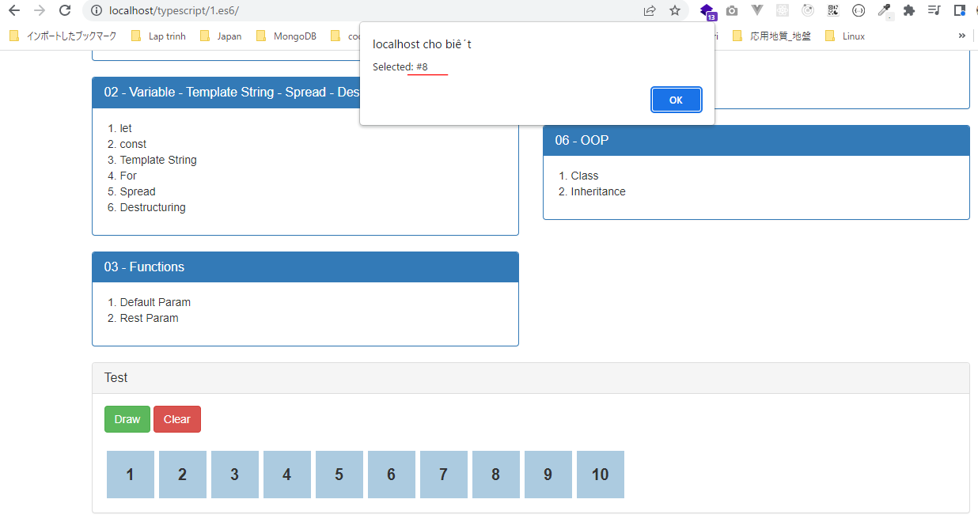

typescript\1.es6\mjs\01-let-02.js |  |  |  |  |  |  |  |  |  | Click số nào cũng chỉ hiển thị số 11 -> Không đúng với yêu cầu ban đầu
 | /* ==================== drawShape() ==================== */
 | function drawShape(){

 | var mContent = document.getElementById("mContent");
 | mContent.innerHTML = "";

 | for(var i = 1; i<= 10; i++){ |  |  |  |  |  | → | Thay let bằng var
 | var elmP = document.createElement("p");
 | elmP.innerHTML = i;
 | // i = 10
 | mContent.appendChild(elmP);

 | elmP.onclick = function(){
 | alert("Selected: #" + i);
 | }
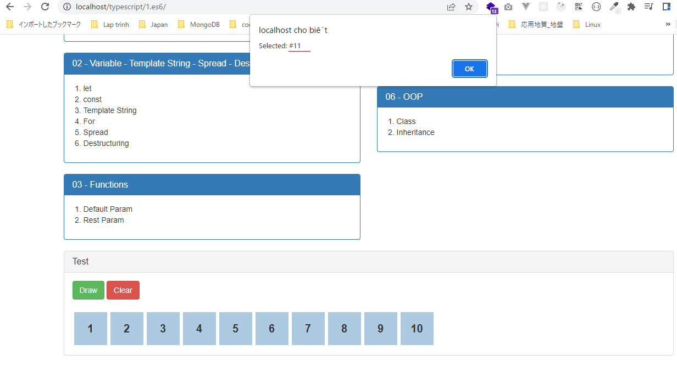
 | }
 | }

 | /* ==================== clearShape() ==================== */
 | function clearShape(){
 | var mContent = document.getElementById("mContent");
 | mContent.innerHTML = "";
 | }

Const
 | Dùng const để định nghĩa các hằng số cố định. Không thay đổi giá trị của nó được

構成
 | typescript
 |  | 1.es6
 |  |  | css
 |  |  |  | styles.css
 |  |  | fonts
 |  |  | js
 |  |  | mjs
 |  |  |  | 01-let-01.js
 |  |  |  | 01-let-02.js
 |  |  |  | 02-const.js | → | New
 |  |  | index.html |  | → | Edit

typescript\1.es6\index.html
 | <!DOCTYPE html>
 | <html lang="en">
 | <head>
 | <meta charset="utf-8">
 | <meta http-equiv="X-UA-Compatible" content="IE=edge">
 | <meta name="viewport" content="width=device-width, initial-scale=1">
 | <title>ES6 Training</title>
 | <link href="css/bootstrap.min.css" rel="stylesheet">
 | <link href="css/styles.css" rel="stylesheet">
 | </head>
 | <body>
 | <div class="container">
 | <div class="row">
 | <div class="col-xs-12 col-sm-12 col-md-12 col-lg-12">
 | <h1>ECMAScript 6 <small>ES6 New Features</small></h1>
 | </div>
 | </div>

 | <div class="row">
 | <div class="col-xs-12 col-sm-6 col-md-6 col-lg-6">
 | <!-- ES6 INTRODUCE : START-->
 | <div class="panel panel-primary">
 | <div class="panel-heading"><h1 class="panel-title">01 - Introduce</h1></div>
 | <div class="panel-body">
 | <ol>
 | <li>ES6 - ECMAScript 6 - European Computer Manufacturer's Association Script</li>
 | <li>ES6 do hiệp hội các nhà sản xuất máy tính Châu Âu đề xuất làm tiêu chuẩn của ngôn ngữ Javascript</li>
 | <li>
 | References:
 | <ul>
 | <li><a href="http://es6-features.org/">ES6 Features</a></li>
 | <li><a href="https://kangax.github.io/compat-table/es6/">Compat Tablet</a></li>
 | <li><a href="http://www.webbrowsercompatibility.com/es6/desktop/">ES6 Desktop</a></li>
 | </ul>
 | </li>

 | </ol>
 | </div>
 | </div>
 | <!-- ES6 INTRODUCE : END-->

 | <!-- ES6 SYNTAX : START-->
 | <div class="panel panel-primary">
 | <div class="panel-heading"><h1 class="panel-title">02 - Variable - Template String - Spread - Destructing</h1></div>
 | <div class="panel-body">
 | <ol>
 | <li>let</li>
 | <li>const</li>
 | <li>Template String</li>
 | <li>For</li>
 | <li>Spread</li>
 | <li>Destructuring</li>
 | </ol>
 | </div>
 | </div>
 | <!-- ES6 SYNTAX : END-->

 | <!-- ES6 FUNCTIONS : START-->
 | <div class="panel panel-primary">
 | <div class="panel-heading"><h1 class="panel-title">03 - Functions</h1></div>
 | <div class="panel-body">
 | <ol>
 | <li>Default Param</li>
 | <li>Rest Param</li>
 | </ol>
 | </div>
 | </div>
 | <!-- ES6 FUNCTIONS : END-->

 | </div>

 | <div class="col-xs-12 col-sm-6 col-md-6 col-lg-6">

 | <!-- ARROW FUNCTIONS : START-->
 | <div class="panel panel-primary">
 | <div class="panel-heading"><h1 class="panel-title">04 - Arrow Function</h1></div>
 | <div class="panel-body">
 | <ol>
 | <li>Arrow Function</li>
 | <li>this</li>
 | </ol>
 | </div>
 | </div>
 | <!-- ARROW FUNCTIONS : END-->

 | <!-- ENHANCED OBJECT PROPERTIES : START-->
 | <div class="panel panel-primary">
 | <div class="panel-heading"><h1 class="panel-title">05 - Enhanced</h1></div>
 | <div class="panel-body">
 | <ol>
 | <li>Property Shorthand</li>
 | <li>Computed Property Names</li>
 | <li>Method Properties</li>
 | </ol>
 | </div>
 | </div>
 | <!-- ENHANCED OBJECT PROPERTIES : END-->

 | <!-- OOP : START-->
 | <div class="panel panel-primary">
 | <div class="panel-heading"><h1 class="panel-title">06 - OOP</h1></div>
 | <div class="panel-body">
 | <ol>
 | <li>Class</li>
 | <li>Inheritance</li>
 | </ol>
 | </div>
 | </div>
 | <!-- OOP : END-->
 | </div>

 | <!-- TEST AREA : START -->
 | <div class="col-xs-12 col-sm-12 col-md-12 col-lg-12">
 | <div class="panel panel-default">
 | <div class="panel-heading">
 | <h1 class="panel-title">Test</h1>
 | </div>

 | <div class="panel-body" >
 | <button onclick="drawShape()" type="button" class="btn btn-success">Draw</button>
 | <button onclick="clearShape()" type="button" class="btn btn-danger">Clear</button>
 | <div id="mContent">
 | <!-- MY CONTENT -->
 | </div>
 | </div>
 | </div>
 | </div>
 | <!-- TEST AREA : END -->
 | </div>
 | </div>

 | <script src="js/jquery.min.js"></script>
 | <script src="js/bootstrap.min.js"></script>
 | <script src="mjs/02-const.js"></script>
 | </body>
 | </html>

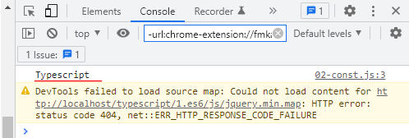
typescript\1.es6\mjs\02-const.js
 | const COURSE_NAME = "Typescript";

 | console.log(COURSE_NAME);

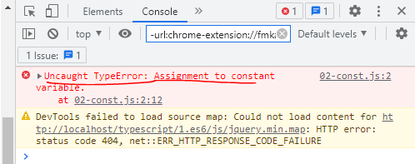
typescript\1.es6\mjs\02-const.js |  |  |  |  |  |  | Không thay đổi được giá trị của hằng số
 | const COURSE_NAME = "Typescript";
 | COURSE_NAME="PHP";
 | console.log(COURSE_NAME);

For
構成
 | typescript
 |  | 1.es6
 |  |  | css
 |  |  |  | styles.css
 |  |  | fonts
 |  |  | js
 |  |  | mjs
 |  |  |  | 01-let-01.js
 |  |  |  | 01-let-02.js
 |  |  |  | 02-const.js
 |  |  |  | 03-template-string.js
 |  |  |  | 04-for.js | → | New
 |  |  | index.html |  | → | Edit

typescript\1.es6\index.html
 | <!DOCTYPE html>
 | <html lang="en">
 | <head>
 | <meta charset="utf-8">
 | <meta http-equiv="X-UA-Compatible" content="IE=edge">
 | <meta name="viewport" content="width=device-width, initial-scale=1">
 | <title>ES6 Training</title>
 | <link href="css/bootstrap.min.css" rel="stylesheet">
 | <link href="css/styles.css" rel="stylesheet">
 | </head>
 | <body>
 | <div class="container">
 | <div class="row">
 | <div class="col-xs-12 col-sm-12 col-md-12 col-lg-12">
 | <h1>ECMAScript 6 <small>ES6 New Features</small></h1>
 | </div>
 | </div>

 | <div class="row">
 | <div class="col-xs-12 col-sm-6 col-md-6 col-lg-6">
 | <!-- ES6 INTRODUCE : START-->
 | <div class="panel panel-primary">
 | <div class="panel-heading"><h1 class="panel-title">01 - Introduce</h1></div>
 | <div class="panel-body">
 | <ol>
 | <li>ES6 - ECMAScript 6 - European Computer Manufacturer's Association Script</li>
 | <li>ES6 do hiệp hội các nhà sản xuất máy tính Châu Âu đề xuất làm tiêu chuẩn của ngôn ngữ Javascript</li>
 | <li>
 | References:
 | <ul>
 | <li><a href="http://es6-features.org/">ES6 Features</a></li>
 | <li><a href="https://kangax.github.io/compat-table/es6/">Compat Tablet</a></li>
 | <li><a href="http://www.webbrowsercompatibility.com/es6/desktop/">ES6 Desktop</a></li>
 | </ul>
 | </li>

 | </ol>
 | </div>
 | </div>
 | <!-- ES6 INTRODUCE : END-->

 | <!-- ES6 SYNTAX : START-->
 | <div class="panel panel-primary">
 | <div class="panel-heading"><h1 class="panel-title">02 - Variable - Template String - Spread - Destructing</h1></div>
 | <div class="panel-body">
 | <ol>
 | <li>let</li>
 | <li>const</li>
 | <li>Template String</li>
 | <li>For</li>
 | <li>Spread</li>
 | <li>Destructuring</li>
 | </ol>
 | </div>
 | </div>
 | <!-- ES6 SYNTAX : END-->

 | <!-- ES6 FUNCTIONS : START-->
 | <div class="panel panel-primary">
 | <div class="panel-heading"><h1 class="panel-title">03 - Functions</h1></div>
 | <div class="panel-body">
 | <ol>
 | <li>Default Param</li>
 | <li>Rest Param</li>
 | </ol>
 | </div>
 | </div>
 | <!-- ES6 FUNCTIONS : END-->

 | </div>

 | <div class="col-xs-12 col-sm-6 col-md-6 col-lg-6">

 | <!-- ARROW FUNCTIONS : START-->
 | <div class="panel panel-primary">
 | <div class="panel-heading"><h1 class="panel-title">04 - Arrow Function</h1></div>
 | <div class="panel-body">
 | <ol>
 | <li>Arrow Function</li>
 | <li>this</li>
 | </ol>
 | </div>
 | </div>
 | <!-- ARROW FUNCTIONS : END-->

 | <!-- ENHANCED OBJECT PROPERTIES : START-->
 | <div class="panel panel-primary">
 | <div class="panel-heading"><h1 class="panel-title">05 - Enhanced</h1></div>
 | <div class="panel-body">
 | <ol>
 | <li>Property Shorthand</li>
 | <li>Computed Property Names</li>
 | <li>Method Properties</li>
 | </ol>
 | </div>
 | </div>
 | <!-- ENHANCED OBJECT PROPERTIES : END-->

 | <!-- OOP : START-->
 | <div class="panel panel-primary">
 | <div class="panel-heading"><h1 class="panel-title">06 - OOP</h1></div>
 | <div class="panel-body">
 | <ol>
 | <li>Class</li>
 | <li>Inheritance</li>
 | </ol>
 | </div>
 | </div>
 | <!-- OOP : END-->
 | </div>

 | <!-- TEST AREA : START -->
 | <div class="col-xs-12 col-sm-12 col-md-12 col-lg-12">
 | <div class="panel panel-default">
 | <div class="panel-heading">
 | <h1 class="panel-title">Test</h1>
 | </div>

 | <div class="panel-body" >
 | <button onclick="drawShape()" type="button" class="btn btn-success">Draw</button>
 | <button onclick="clearShape()" type="button" class="btn btn-danger">Clear</button>
 | <div id="mContent">
 | <!-- MY CONTENT -->
 | </div>
 | </div>
 | </div>
 | </div>
 | <!-- TEST AREA : END -->
 | </div>
 | </div>

 | <script src="js/jquery.min.js"></script>
 | <script src="js/bootstrap.min.js"></script>
 | <script src="mjs/04-for.js"></script>
 | </body>
 | </html>

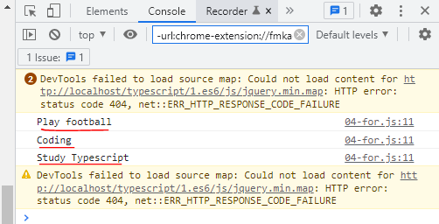
typescript\1.es6\mjs\04-for.js
 | let todoArr = [
 | "Play football",
 | "Coding",
 | "Study Typescript"
 | ];

 | /* ==================== CASE 01 ==================== */

 | let length = todoArr.length;
 | for(let i = 0; i < length; i++){ |  |  |  | → | Đây là cách viết thường hay được
 | console.log(todoArr[i]); |  |  |  |  | sử dụng
 | }

typescript\1.es6\mjs\04-for.js
 | let todoArr = [
 | "Play football",
 | "Coding",
 | "Study Typescript"
 | ];

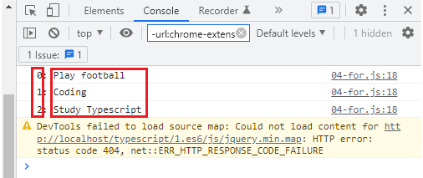
 | /* ==================== CASE 01 ==================== */
 | /*
 | let length = todoArr.length;
 | for(let i = 0; i < length; i++){
 | console.log(todoArr[i]);
 | }
 | */

 | /* ==================== CASE 02 ==================== */

 | for (let index in todoArr) { |  |  |  |  | → | for … in
 | console.log(index + ": " + todoArr[index]);
 | }

typescript\1.es6\mjs\04-for.js
 | let todoArr = [
 | "Play football",
 | "Coding",
 | "Study Typescript"
 | ];

 | /* ==================== CASE 01 ==================== */
 | /*
 | let length = todoArr.length;
 | for(let i = 0; i < length; i++){
 | console.log(todoArr[i]);
 | }
 | */

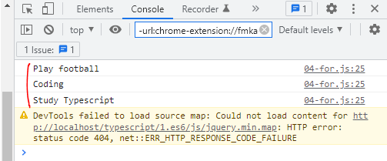
 | /* ==================== CASE 02 ==================== */
 | /*
 | for (let index in todoArr) {
 | console.log(index + ": " + todoArr[index]);
 | }
 | */

 | /* ==================== CASE 03 ==================== */

 | for (let todo of todoArr) { |  |  |  |  | → | for … of
 | console.log(todo);
 | }

typescript\1.es6\mjs\04-for.js
 | let todoArr = [
 | "Play football",
 | "Coding",
 | "Study Typescript"
 | ];

 | /* ==================== CASE 01 ==================== */
 | /*
 | let length = todoArr.length;
 | for(let i = 0; i < length; i++){
 | console.log(todoArr[i]);
 | }
 | */

 | /* ==================== CASE 02 ==================== */
 | /*
 | for (let index in todoArr) {
 | console.log(index + ": " + todoArr[index]);
 | }
 | */

 | /* ==================== CASE 03 ==================== */
 | /*
 | for (let todo of todoArr) {
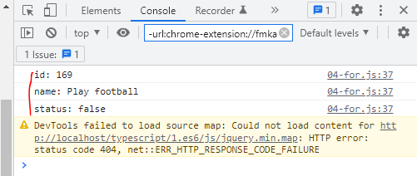
 | console.log(todo);
 | }
 | */

 | /* ==================== CASE 04 ==================== */
 | let todoObj = { |  |  |  | → | Thao tác for đối với đối tượng
 | id: 169,
 | name: "Play football",
 | status: false
 | };

 | for (let index in todoObj) { |  |  |  | → | Thao tác với đối tượng thì phải dùng for...in
 | console.log(index + ": " + todoObj[index]); |  |  |  | → | todoObj[index]: Truy cập giống như là truy cập mảng mà ko truy cập được kiểu todoObj.index
 | }

Destructuring
 | Lấy các giá trị của mảng hoặc đối tượng gán vào các biến

構成
 | typescript
 |  | 1.es6
 |  |  | css
 |  |  |  | styles.css
 |  |  | fonts
 |  |  | js
 |  |  | mjs
 |  |  |  | 01-let-01.js
 |  |  |  | 01-let-02.js
 |  |  |  | 02-const.js
 |  |  |  | 03-template-string.js
 |  |  |  | 04-for.js
 |  |  |  | 05-spread.js
 |  |  |  | 06-destructuring.js | → | New
 |  |  | index.html |  | → | Edit

typescript\1.es6\index.html
 | <!DOCTYPE html>
 | <html lang="en">
 | <head>
 | <meta charset="utf-8">
 | <meta http-equiv="X-UA-Compatible" content="IE=edge">
 | <meta name="viewport" content="width=device-width, initial-scale=1">
 | <title>ES6 Training</title>
 | <link href="css/bootstrap.min.css" rel="stylesheet">
 | <link href="css/styles.css" rel="stylesheet">
 | </head>
 | <body>
 | <div class="container">
 | <div class="row">
 | <div class="col-xs-12 col-sm-12 col-md-12 col-lg-12">
 | <h1>ECMAScript 6 <small>ES6 New Features</small></h1>
 | </div>
 | </div>

 | <div class="row">
 | <div class="col-xs-12 col-sm-6 col-md-6 col-lg-6">
 | <!-- ES6 INTRODUCE : START-->
 | <div class="panel panel-primary">
 | <div class="panel-heading"><h1 class="panel-title">01 - Introduce</h1></div>
 | <div class="panel-body">
 | <ol>
 | <li>ES6 - ECMAScript 6 - European Computer Manufacturer's Association Script</li>
 | <li>ES6 do hiệp hội các nhà sản xuất máy tính Châu Âu đề xuất làm tiêu chuẩn của ngôn ngữ Javascript</li>
 | <li>
 | References:
 | <ul>
 | <li><a href="http://es6-features.org/">ES6 Features</a></li>
 | <li><a href="https://kangax.github.io/compat-table/es6/">Compat Tablet</a></li>
 | <li><a href="http://www.webbrowsercompatibility.com/es6/desktop/">ES6 Desktop</a></li>
 | </ul>
 | </li>

 | </ol>
 | </div>
 | </div>
 | <!-- ES6 INTRODUCE : END-->

 | <!-- ES6 SYNTAX : START-->
 | <div class="panel panel-primary">
 | <div class="panel-heading"><h1 class="panel-title">02 - Variable - Template String - Spread - Destructing</h1></div>
 | <div class="panel-body">
 | <ol>
 | <li>let</li>
 | <li>const</li>
 | <li>Template String</li>
 | <li>For</li>
 | <li>Spread</li>
 | <li>Destructuring</li>
 | </ol>
 | </div>
 | </div>
 | <!-- ES6 SYNTAX : END-->

 | <!-- ES6 FUNCTIONS : START-->
 | <div class="panel panel-primary">
 | <div class="panel-heading"><h1 class="panel-title">03 - Functions</h1></div>
 | <div class="panel-body">
 | <ol>
 | <li>Default Param</li>
 | <li>Rest Param</li>
 | </ol>
 | </div>
 | </div>
 | <!-- ES6 FUNCTIONS : END-->

 | </div>

 | <div class="col-xs-12 col-sm-6 col-md-6 col-lg-6">

 | <!-- ARROW FUNCTIONS : START-->
 | <div class="panel panel-primary">
 | <div class="panel-heading"><h1 class="panel-title">04 - Arrow Function</h1></div>
 | <div class="panel-body">
 | <ol>
 | <li>Arrow Function</li>
 | <li>this</li>
 | </ol>
 | </div>
 | </div>
 | <!-- ARROW FUNCTIONS : END-->

 | <!-- ENHANCED OBJECT PROPERTIES : START-->
 | <div class="panel panel-primary">
 | <div class="panel-heading"><h1 class="panel-title">05 - Enhanced</h1></div>
 | <div class="panel-body">
 | <ol>
 | <li>Property Shorthand</li>
 | <li>Computed Property Names</li>
 | <li>Method Properties</li>
 | </ol>
 | </div>
 | </div>
 | <!-- ENHANCED OBJECT PROPERTIES : END-->

 | <!-- OOP : START-->
 | <div class="panel panel-primary">
 | <div class="panel-heading"><h1 class="panel-title">06 - OOP</h1></div>
 | <div class="panel-body">
 | <ol>
 | <li>Class</li>
 | <li>Inheritance</li>
 | </ol>
 | </div>
 | </div>
 | <!-- OOP : END-->
 | </div>

 | <!-- TEST AREA : START -->
 | <div class="col-xs-12 col-sm-12 col-md-12 col-lg-12">
 | <div class="panel panel-default">
 | <div class="panel-heading">
 | <h1 class="panel-title">Test</h1>
 | </div>

 | <div class="panel-body" >
 | <button onclick="drawShape()" type="button" class="btn btn-success">Draw</button>
 | <button onclick="clearShape()" type="button" class="btn btn-danger">Clear</button>
 | <div id="mContent">
 | <!-- MY CONTENT -->
 | </div>
 | </div>
 | </div>
 | </div>
 | <!-- TEST AREA : END -->
 | </div>
 | </div>

 | <script src="js/jquery.min.js"></script>
 | <script src="js/bootstrap.min.js"></script>
 | <script src="mjs/06-destructuring.js"></script>
 | </body>
 | </html>

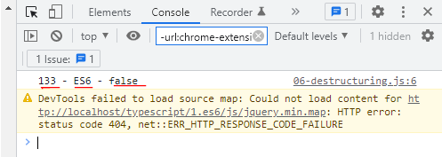

typescript\1.es6\mjs\06-destructuring.js
 | /* ==================== CASE 01 ==================== */

 | let arr = [133, "ES6", false];
 | let [id, name, free] = arr; |  |  |  | → | mảng [id, name, free]

 | console.log(id + " - " + name + " - " + free);

typescript\1.es6\mjs\06-destructuring.js
 | /* ==================== CASE 01 ==================== */
 | /*
 | let arr = [133, "ES6", false];
 | let [id, name, free] = arr;

 | console.log(id + " - " + name + " - " + free);
 | */

 | /* ==================== CASE 02 ==================== */
 | let objCourse = {
 | id: 456,
 | name: "ES6",
 | free: false
 | }

 | let {name, id, free, createdBy = "admin"} = objCourse; |  |  |  |  | → | Khác với mảng thì đối với đối tượng chỉ cần tên đúng còn thứ tự ko quan trọng
 | console.log(id + " - " + name + " - " + free + " - " + createdBy); |  |  |  |  |  | thuộc tính createdBy ko tồn tại trong đối tượng objCourse thì lấy giá trị được truyền vào là admin

typescript\1.es6\mjs\06-destructuring.js
 | /* ==================== CASE 01 ==================== */
 | /*
 | let arr = [133, "ES6", false];
 | let [id, name, free] = arr;

 | console.log(id + " - " + name + " - " + free);
 | */

 | /* ==================== CASE 02 ==================== */
 | let objCourse = {
 | id: 456,
 | name: "ES6",
 | free: false,
 | createdBy: "admin123" |  |  |  |  | → | thuộc tính createdBy tồn tại trong đối tượng objCourse thì lấy giá trị đó
 | }

 | let {name, id, free, createdBy = "admin"} = objCourse;
 | console.log(id + " - " + name + " - " + free + " - " + createdBy);

