phpinfo.php
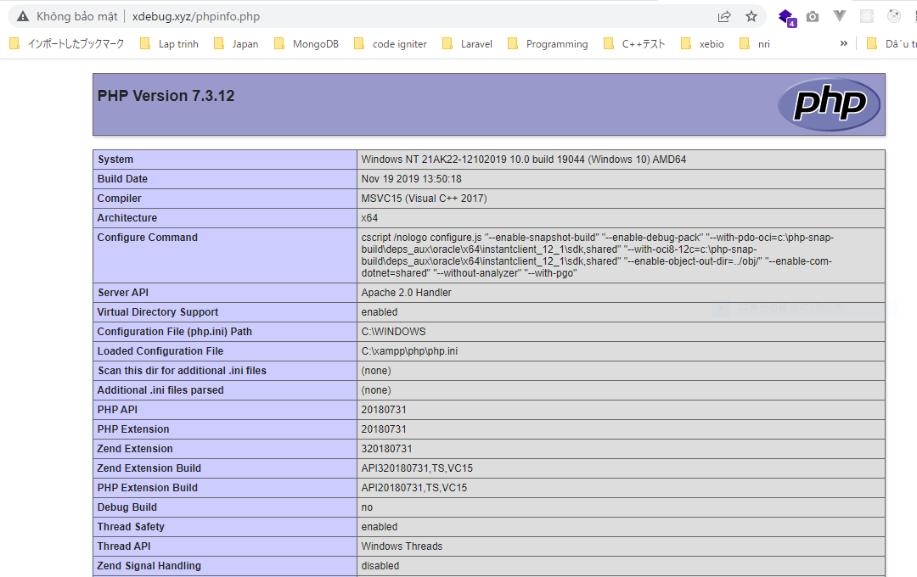
xdebug---phpinfo.php
 | <?php phpinfo(); ?>

