Coupon Calculation
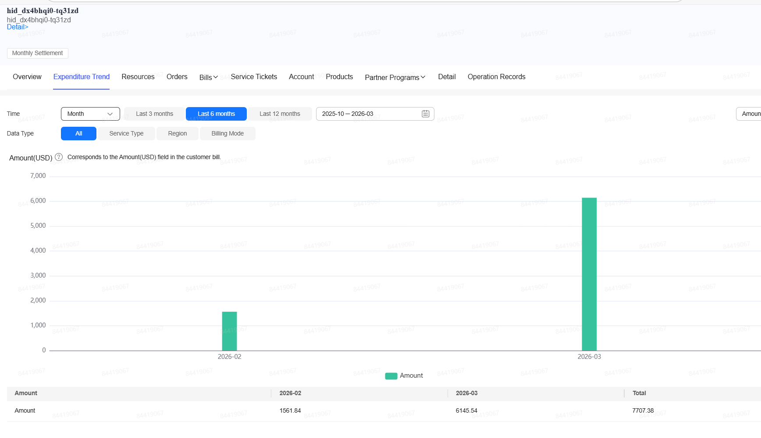
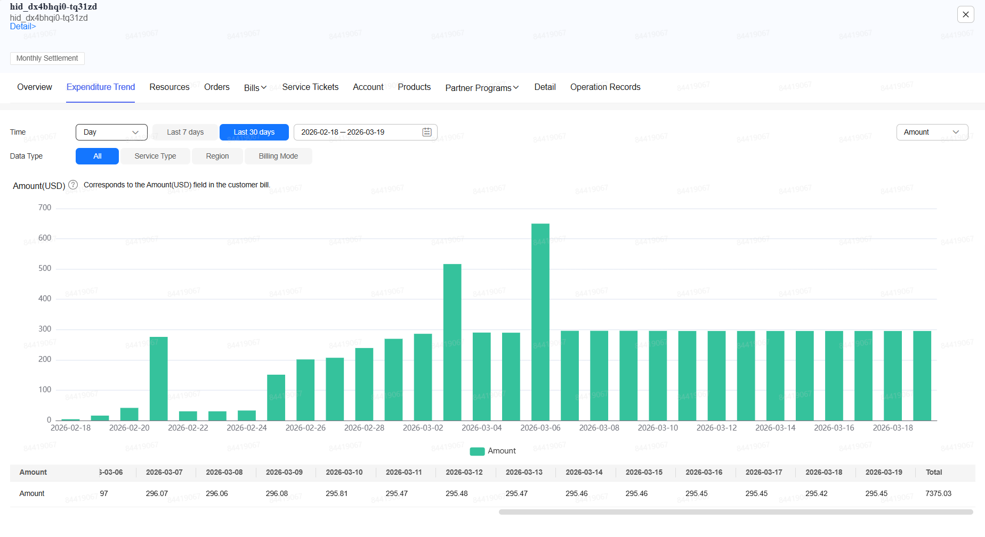

February and March Analysis |  |  |  |  |  | Day (March) | Consumption | Total
 |  |  |  |  |  | 1 | 269.61 | 1,831.45
Partner Budget | 5000 | Ran out on 3.10 |  |  |  | 2 | 286.19 | 2,117.64
 |  |  |  |  |  | 3 | 516.53 | 2,634.17
Feb Consumption | 1,561.84 | CRM data |  |  |  | 4 | 290.22 | 2,924.39
March Consumption (until 3.19) | 6,145.54 | CRM data |  |  |  | 5 | 289.84 | 3,214.23
 | 7,707.38 | Total consumption until 3.19 |  |  |  | 6 | 649.97 | 3,864.20
 |  |  |  |  |  | 7 | 296.07 | 4,160.27
March Estimated Consumption | 9,694.74 | Calculate based on PPU consumption excluding the server to be migrated on April |  |  |  | 8 | 296.06 | 4,456.33
Feb/March Consumption | 11,256.58 |  |  |  |  | 9 | 296.08 | 4,752.41
 |  |  |  |  |  | 10 | 295.81 | 5,048.22 | Budget exceed
Feb/March Coupon Amount | 6,256.58 | Total Feb/Mar Consumption Minus Partner Budget |  |  |  | 11 | 295.47 | 5,343.69
 |  |  |  |  |  | 12 | 295.48 | 5,639.17
 |  |  |  |  |  | 13 | 295.47 | 5,934.64 | 4,984.08
April Analysis |  |  |  |  |  | 14 | 295.46 | 6,230.10
 |  |  |  |  |  | 15 | 295.46 | 6,525.56
Partner Budget | 5,000.00 |  |  |  |  | 16 | 295.45 | 6,821.01
 |  |  |  |  |  | 17 | 295.45 | 7,116.46
Estimated Daily Consumption for April | 410.44 | Including SAP prod server, until cutover |  |  |  | 18 | 295.42 | 7,411.88
Estimated Daily Consumption for April | 241.46 | After buying RI |  |  |  | 19 | 295.65 | 7,707.53

April PPU Consumption | 6,156.55 |  | Estimated migration days in April | 10 | Based on project plan
April RI Consumption | 3,621.91 |  | Buffer days | 5
 | 9,778.46 |  | Total days | 15

April Migration Coupon Amount | 4,778.46

MIGRATION COUPON TOTAL AMOUNT | 11,035.04

