Cover
PRICE SCHEDULE
Har-Per - Clinica Union Medica - Datawarehouse Project
Quotation Provided by: Miguel Matos

Huawei Confidential
 | www.huaweicloud.com
 | 2026 - 08 - 05

Disclaimer
Huawei Confidential

QUOTATION DISCLAIMER

1. By receiving this offer the Partner/Customer expressly accepts and agrees on the following:
­ This offer itself and/or the terms included in it, including but not limited to prices and/or costs quoted in this offer, are valid from the quotation date till 6 months.
­ This offer constitutes mere information and an invitation to the Partner/Customer, not binding for Huawei, to submit to Huawei its petition of Purchase Order.
­ The terms contained in this offer and/or this offer itself shall be valid and enforceable by the Partner/customer and binding for Huawei only in case of Huawei and the Partner/Customer formalizes, according to Huawei contracting processes,a Purchase Order that includes Huawei terms and conditions.
­ The above mentioned Huawei terms and conditions shall be the only terms and conditions applicable to the provision of services described in this offer and therefore they shall govern the provision of the mentioned services.
­ Huawei may, at its sole discretion and without any compensation (including but not limited to indemnification for damages) in favor of the Partner/Customer, accepts or rejects the formalization of a Purchase Order.
­ Any Partner/Customer terms and/or conditions, communicated (orally, in writing or trough any other mean) or not, shall be void and not applicable for the provision of the services described in the present offer.
2. The preceding price is for reference only and may vary from the final price in your bill. Pay as you use.
3. The price in this offer only covers the specific items in the BOQ list, excluding the optional parts.
4. In case that any subsequent legislative regulations including but not limited to tax law in the territory of the Partner/Customer affects the pricing, the pricing should be adjusted accordingly.
5. Huawei shall be entitled to select another supplier if the nominated supplier is no longer qualified or in default of its performance.
6. Nevertheless, Huawei shall be allowed to provide alternative supply solution in case of discontinuation of original product.
2021-11-19

Solution Introduction
Huawei Confidential

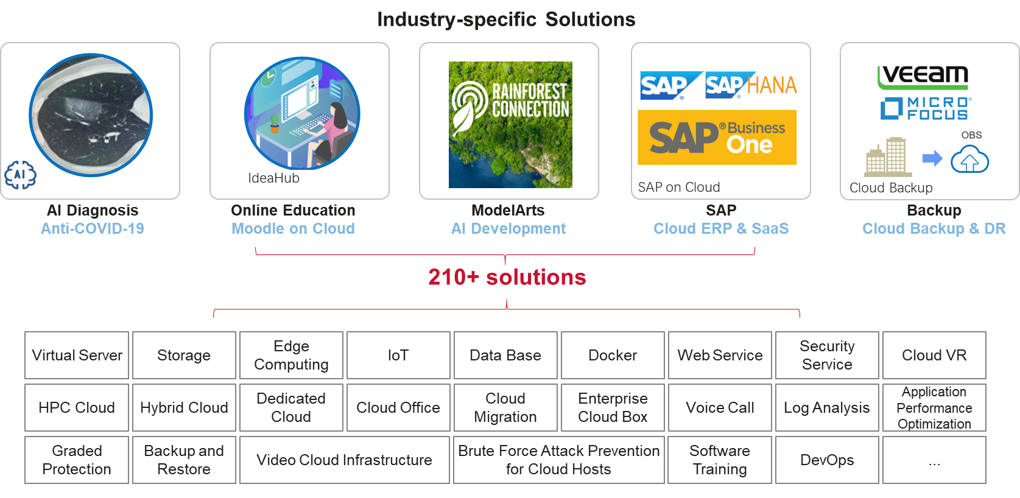

2021-11-19

Price Calculator Summary
Huawei Confidential

Global Summary

 | ITEM | Monthly Price After Discount
 | Compute - PROD | $1,094.26
 | Compute - DEV | $989.92
 | Storage | $343.62
 | Connectivity | $454.19
 | Security | $55.20
 | Support | $300.00

 | Monthly Total | $3,237.19
The preceding price is for reference only and may vary from the final price in your bill

Compute - PROD
Huawei Confidential

CALCULADORA DE SERVICIOS

Price Calculator Aug 05, 2026
Required | Service | Description | Region | AZ | Billing Mode | Purchase Amount | Unit | Quantity | Specifications | Unit Price (USD) | Monthly Price (USD)
Datawarehouse Service (DWS) Cluster | Data Warehouse Service 1 | Data Warehouse Service | LA-Mexico City2 | General AZ | Monthly | 1 | month | 1 | 250 GB * 3 Node; 4U16G.4DPU|Decoupled Storage And Compute|X86|4 vCPUs | 16 GB * 3 Node; 2* 100 GB; | 840.90 | 840.90
Server #1 - Servidor ETL | 8vCPU 64GB RAM | Disk1: 1 TB | Elastic Cloud Server 1 | Servidor ETL | LA-Mexico City2 | General AZ | RI | 1 |  | 1 | Ubuntu | Ubuntu 24.04 server 64bit; x86 | General computing | x0.2u.16g | 2 vCPUs | 16GiB | No Upfront | 1 Year; General Purpose SSD | 500GB; | 77.82 | 77.82
Server #2 - Gateway BI | 4vCPU 32GB RAM | Disk1: 500 GB | Elastic Cloud Server 2 | Gateway BI | LA-Mexico City2 | General AZ | RI | 1 |  | 1 | Ubuntu | Ubuntu 24.04 server 64bit; x86 | General computing | x0.2u.8g | 2 vCPUs | 8GiB | No Upfront | 1 Year; General Purpose SSD | 500GB; | 72.12 | 72.12
Datawarehouse Load Balancer | Elastic Load Balance 1 | Elastic Load Balance | LA-Mexico City2 | General AZ | Pay-per-use | 744 | hours | 1 | General AZ | 20 LCU; | 103.42 | 103.42
Total Price |  |  |  |  |  |  |  |  |  | 1,094.26 | 1,094.26
The preceding price is for reference only and may vary from the final price in your bill

Monthly Price | $1,094.26

Compute - DEV
Huawei Confidential

CALCULADORA DE SERVICIOS

Price Calculator Aug 05, 2026
Required | Service | Description | Region | AZ | Billing Mode | Purchase Amount | Unit | Quantity | Specifications | Unit Price (USD) | Monthly Price (USD)
Datawarehouse Service (DWS) Cluster | Data Warehouse Service 2 | Data Warehouse Service - Dev | LA-Mexico City2 | General AZ | Monthly | 1 | month | 1 | 200 GB * 3 Node; 4U16G.4DPU|Decoupled Storage And Compute|X86|4 vCPUs | 16 GB * 3 Node; 2* 100 GB; | 797.40 | 797.40
Server #1 - Servidor ETL | 4vCPU 32GB RAM | Disk1: 500 GB | Elastic Cloud Server 3 | Servidor ETL - Dev | LA-Mexico City2 | General AZ | Pay-per-use | 220 | hours | 1 | x86 | Memory-optimized | m9.large.8 | 2 vCPUs | 16GiB; Ubuntu | Ubuntu 24.04 server 64bit; General Purpose SSD | 500GB; | 39.34 | 39.34
 | Elastic Volume Service 1 | Elastic Volume Service | LA-Mexico City2 | General AZ | Pay-per-use | 524 | hours | 1 | General Purpose SSD | 500GiB; | 34.06 | 34.06
Server #2 - Gateway BI | 4vCPU 16GB RAM | Disk1: 500 GB | Elastic Cloud Server 4 | Gateway BI - Dev | LA-Mexico City2 | General AZ | Pay-per-use | 220 | hours | 1 | x86 | General computing-plus | c9.large.4 | 2 vCPUs | 8GiB; Ubuntu | Ubuntu 24.04 server 64bit; General Purpose SSD | 500GB; | 33.35 | 33.35
 | Elastic Volume Service 2 | Elastic Volume Service | LA-Mexico City2 | General AZ | Pay-per-use | 524 | hours | 1 | General Purpose SSD | 500GiB; | 34.06 | 34.06
Datawarehouse Load Balancer | Elastic Load Balance 2 | Elastic Load Balance - Dev | LA-Mexico City2 | General AZ | Pay-per-use | 744 | hours | 1 | General AZ | 10 LCU; | 51.71 | 51.71
Total Price |  |  |  |  |  |  |  |  |  | 989.92 | 989.92
The preceding price is for reference only and may vary from the final price in your bill

Monthly Price | $989.92

Storage
Huawei Confidential

CALCULADORA DE SERVICIOS

Price Calculator Aug 05, 2026
Required | Service | Description | Region | AZ | Billing Mode | Purchase Amount | Unit | Quantity | Specifications | Unit Price (USD) | Monthly Price (USD)
Server Backup - PROD | Cloud Backup and Recovery 1 | Cloud Backup and Recovery | LA-Mexico City2 | General AZ | Pay-per-use | 744 | hours | 1 | Server backup vault | 2000GB; | 74.40 | 74.40
Datawarehouse Backup - PROD | Object Storage Service 1 | Datawarehouse Backup | LA-Mexico City2 | General AZ | Pay-per-use | 1 |  | 1 | Standard | 2TB | Single-AZ storage | Object storage | Storage Duration:1month; 0GB; 1000x 10,000 requests; 1000x 10,000 requests; 1000x 1,000 requests; 0GB; 0GB; | 97.41 | 97.41
Server Backup - DEV | Cloud Backup and Recovery 2 | Cloud Backup and Recovery | LA-Mexico City2 | General AZ | Pay-per-use | 744 | hours | 1 | Server backup vault | 2000GB; | 74.40 | 74.40
Datawarehouse Backup - DEV | Object Storage Service 2 | Object Storage Service | LA-Mexico City2 | General AZ | Pay-per-use | 1 |  | 1 | Standard | 2TB | Single-AZ storage | Object storage | Storage Duration:1month; 0GB; 1000x 10,000 requests; 1000x 10,000 requests; 1000x 1,000 requests; 0GB; 0GB; | 97.41 | 97.41
Total Price |  |  |  |  |  |  |  |  |  | 343.62 | 343.62
The preceding price is for reference only and may vary from the final price in your bill

Monthly Price | $343.62

Connectivity
Huawei Confidential

CALCULADORA DE SERVICIOS

Price Calculator Aug 05, 2026
Required | Service | Description | Region | AZ | Billing Mode | Purchase Amount | Unit | Quantity | Specifications | Unit Price (USD) | Monthly Price (USD)
Connectivity | Virtual Private Network 1 | Virtual Private Network | LA-Mexico City2 | General AZ | Monthly | 1 | month | 1 | Professional 1 | 10amountsVPN Connection Groups; | 209.00 | 209.00
 | NAT Gateway 1 | NAT Gateway | LA-Mexico City2 | General AZ | Pay-per-use | 31 | days | 1 | Small; | 75.58 | 75.58
 | Elastic IP 1 | Elastic IP | LA-Mexico City2 | General AZ | Pay-per-use | 744 | hours | 1 | Dedicated | Dynamic BGP | Traffic | 2TB; 1 ; | 169.61 | 169.61
Total Price |  |  |  |  |  |  |  |  |  | 454.19 | 454.19
The preceding price is for reference only and may vary from the final price in your bill

Monthly Price | $454.19

Security
Huawei Confidential

CALCULADORA DE SERVICIOS

Price Calculator Aug 05, 2026
Required | Service | Description | Region | AZ | Billing Mode | Purchase Amount | Unit | Quantity | Specifications | Unit Price (USD) | Monthly Price (USD)
Server Security | Host Security Service 1 | Host Security Service | LA-Mexico City2 | General AZ | Monthly | 1 | month | 4 | Premium; | 13.80 | 55.20
Total Price |  |  |  |  |  |  |  |  |  | 13.80 | 55.20
The preceding price is for reference only and may vary from the final price in your bill

Monthly Price | $55.20

Support
Huawei Confidential

CALCULADORA DE SERVICIOS

Price Calculator Aug 05, 2026
Required | Service | Description | Region | AZ | Billing Mode | Purchase Amount | Unit | Quantity | Specifications | Unit Price (USD) | Monthly Price (USD)
Support Plan | Support Plans 1 | Support Plans | LA-Mexico City2 | General AZ | Monthly | 1 | month | 1 | Business | 3000USD/month; | 300.00 | 300.00
Total Price |  |  |  |  |  |  |  |  |  | 300.00 | 300.00
The preceding price is for reference only and may vary from the final price in your bill

Monthly Price | $300.00

