Setup
Setup
1.Prepare the folder to put shortcuts (anywhere you want)

2.Add the folder path into the "Path" of the environment variables
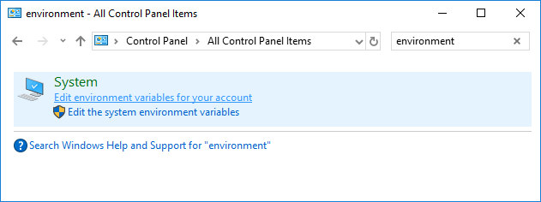

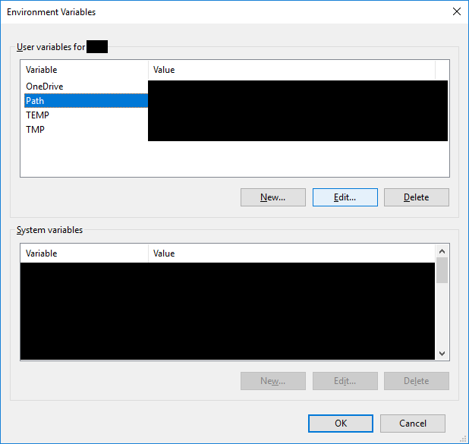

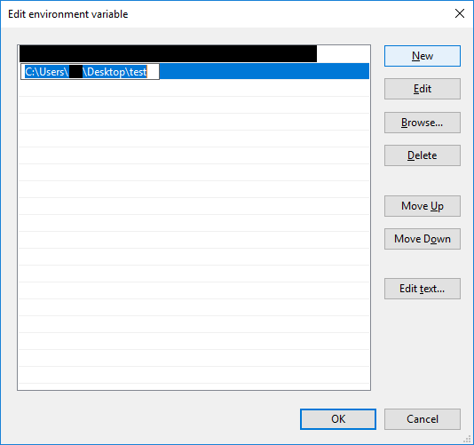

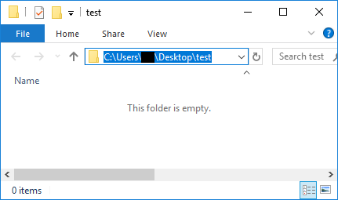

3.Copy the "Setup.vbs" & "neutrino.vbs" to Desktop

4.Run the "Setup.vbs"

5.Select the folder you prepared
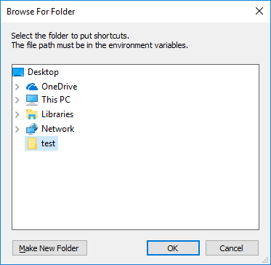

6.Completed
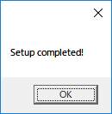

In the selected folder, the program(neutrino.vbs) and the shortcut is created
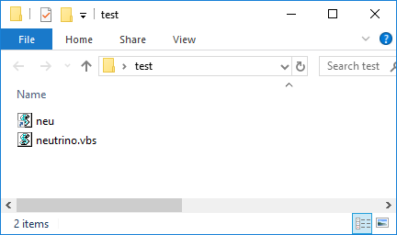

The shortcut is also created in the "SendTo" folder (Enter "shell:sendto" in address bar to see this folder)
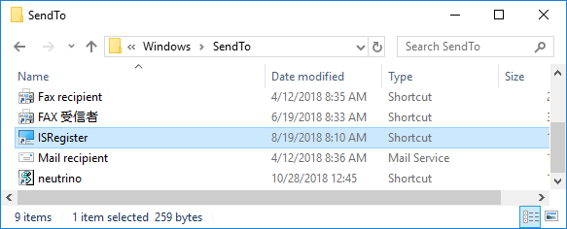

7.Delete setup files
These two files on the Desktop are now unnecessary

→How to use

How to use
How to use
1.Right click on any file you want to make shortcut, and select "neutrino" (Shift+F10 -> N -> N)
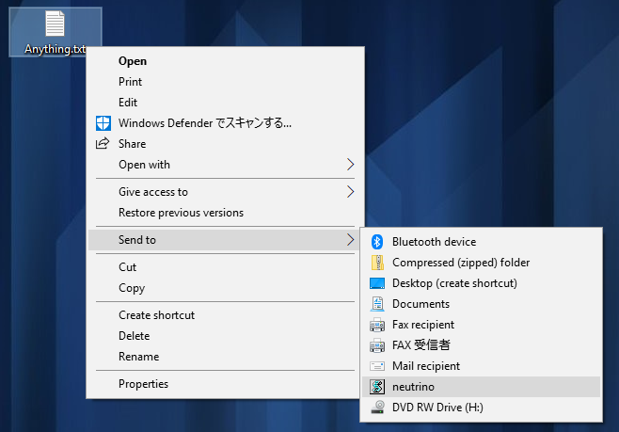

2.Enter the shortcut name
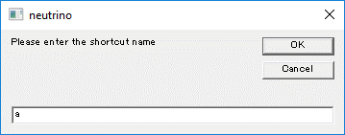

Shortcut is created in the folder you prepared in "Setup"
When you mistyped the shortcut name, you can delete this shortcut and try again (not necessary)
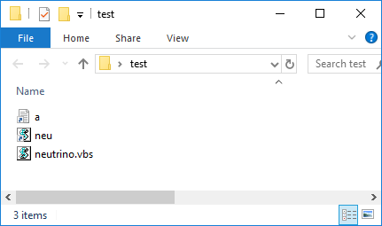

4.Open the Run window(Win+R) and enter the shortcut name
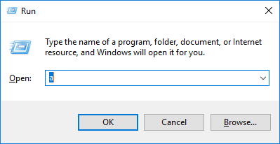

5.The file opend
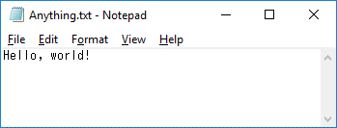

6.Call everything via Win+R!
→Techniques

Techniques
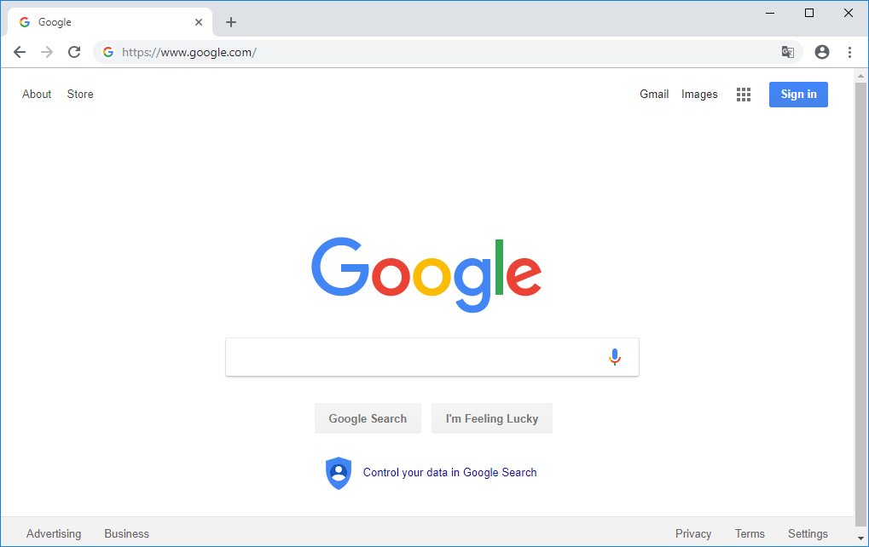
Techniques
1.Create shortcut from clip board
Copy the file/folder/drive path or URL
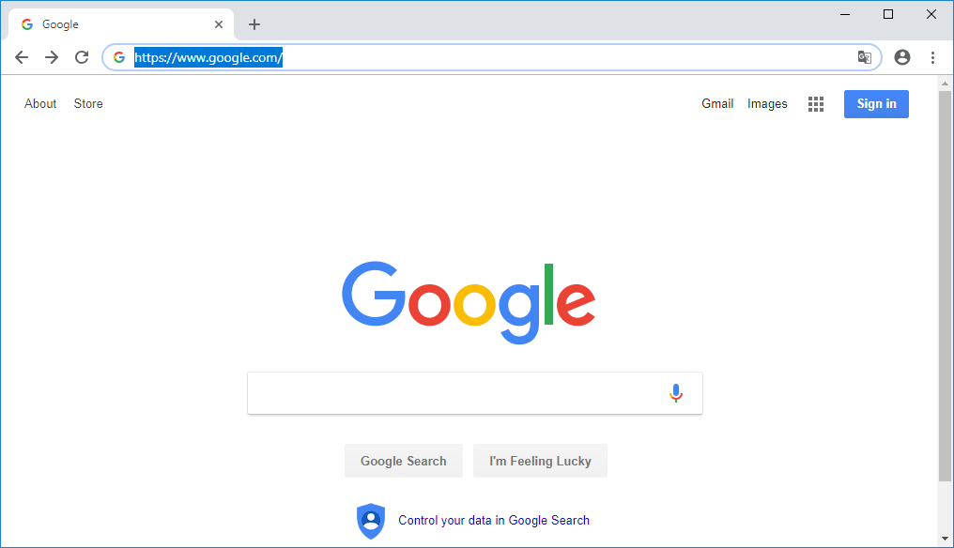

Call the program directly by "neu", and enter the shortcut name
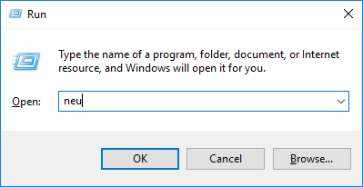
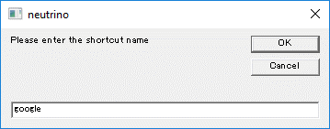

2.Create shortcut by argument
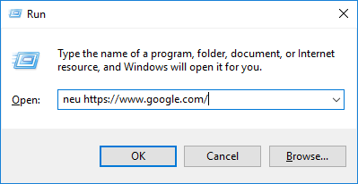

3.Create shortcut of shortcut
You can use exist shortcut name for argument
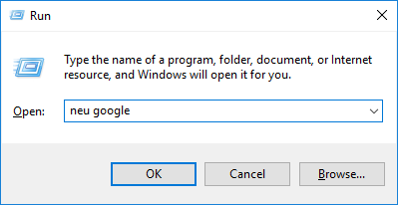


4.Launch multi shortcuts
Write commands like below and change the file name extention to ".bat"

This bat file opens some shortcuts at the same time
Set the shortcut for the bat file itself

