Sheet1
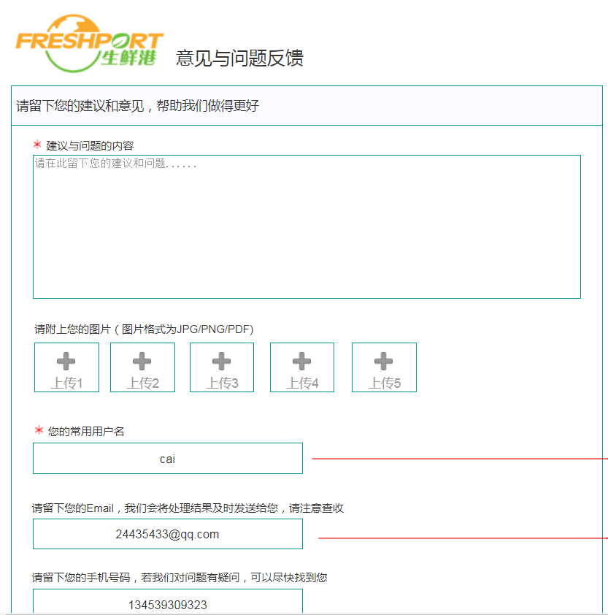

Advice and Feedbacks

Please leave your suggestion to make us do better

Suggestion and questions

Please leave your suggestion and questions here

Please attach your pictures(JPG/PNG/PDF)

Upload 1 | Upload 2

Your common username

Please leave your email so we can send you the result to your problem

Please leave your number so we can contact you for more details

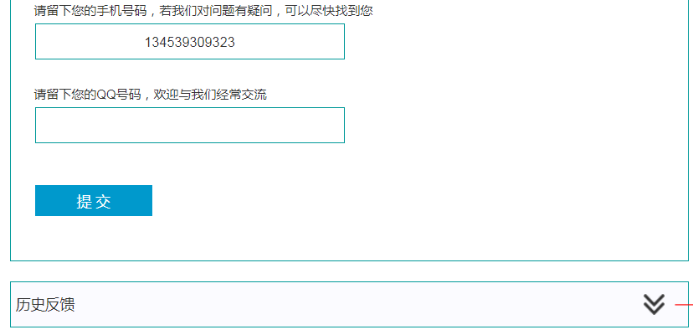

Please leave your social contacts and welcome to more conversation

Submit

See similar feedbacks

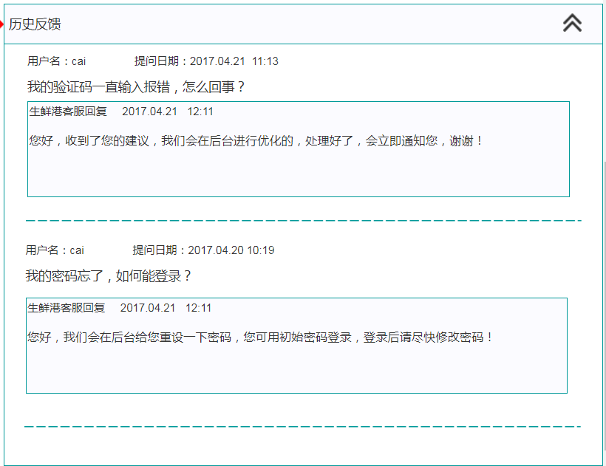

Username |  | Feedback time

The verification code is always an error, what's going on?

FreshPort customer service

Hello, we have received your feedback and we will make some optimization on the background, will inform you once it's done, thank you

Username |  | Feedback time

I have forgot my password, how can I login?

FreshPort customer service

Hello, we have reset your password to the original password, please login and change to a new password

