1. Title Page
Instacart Grocery Basket Analysis

Project Name: Instacart Grocery Basket Analysis
Date: 09/19/2023
Analyst Name: Caleb Hill

Contents:
Population Flow
Consistency checks
Wrangling steps
Column derivations
Visualizations
Recommendations

2. Population Flow
 | Title page

Population flow

Exclusion flag
Condition: max_order < 5
Obervations to be removed: 1,440,295
Final total count of order_products_all: 30,964,564

Orders_products_combined
Orders_products_merged
Orders_products_all

Total: 32,404,859
Total: 32,434,489
Total: 30,964,564
3421083

1.) The grey boxes in the first row of the population flow represent the original data sets as they were when you downloaded them. In the Total fields you need to add the count of the rows when you imported the data set into Jupyter.
2.) The second row of boxes (coloured) represents the data sets after you manipulated them, e.g., removed missing values and duplicates. In the Total fields you need to add the count of the rows after conducting these operations. This offers a visual oveview of how the data flows throughout the data consistency checks.
3.) The third row, where also the arrows are coloured, represents the merges you performed between the datasets. In the Total fields you need to add the count of the rows in the merged datasets, so that you end up with the final dataset (in the red box). Keep in mind the final dataset should be without exclusions (based on the exclusion flag).

3. Consistency checks
 |  |  |  | Title page
Consistency checks

Dataset | Missing values | Missing values treatment | Duplicates
orders | 206,209 missing values found in the days_since_last_order_column | I determined that those values made sense since they were all for the customers first order | N/A
products | 16 missing in product_name column | I removed the 16 rows | 5 duplicate rows found and removed.
orders_products_prior | N/A | N/A | N/A
customers | 11,259 missing values in the first_name column | I put 'Unknown' into the missing values | N/A

 |  |  |  |  | fo9c x0

4. Wrangling steps
 |  |  |  | Title page
Wrangling steps

Columns dropped | Columns renamed | Columns' type changed | Comment/Reason
eval_set |  |  | Not needed for the analysis (orders.csv)
 | order_dow -> orders_day_of_week |  | Renamed for clarity (orders.csv)
 |  | order_id: int64 -> string | Value isn't need as a number type (orders.csv)
 |  | user_id: int64 -> string | Value isn't need as a number type (orders.csv)
 |  | Transposed | Transposed dataset to better suit the column, row structure (departments.csv)
 | index -> departments_id |  | Renamed to merge on the departments_id column with orders_products_merged (departments_wrangled.csv)
 | days_since_prior_order -> days_since_last_order |  | Renamed for clarity (orders.csv)
First Name, Last Name |  |  | First and last name columns were dropped because they are PII (customers.csv)
 | Gender -> gender |  | Column naming consistency (customers.csv)
 | STATE -> state |  | Column naming consistency (customers.csv)
 | Age -> age |  | Column naming consistency (customers.csv)
 | n_dependants -> number_of_dependants |  | Clarity (customers.csv)
 | fam_status -> marital_status |  | Clarity (customers.csv)
 |  | user_id: int64 -> string | Value isn't need as a number type (customers.csv)

5. Column derivations
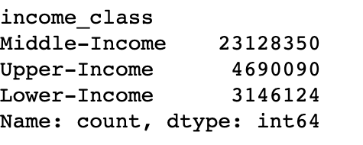
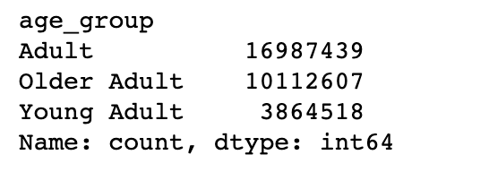
 |  |  |  |  | Title page

Column derivations and aggregations

In this tab you should add tables below that the frequences of flags/label variables that you produced after deriving them. NB: don't do this for continuous variables, only for flags.
 | Dataset | New column | Column/s it was derived from | Conditions
1 | orders_products_merged | price_label | prices | prices<=5: Low-Range Product, prices > 5 & <= 15: Mid-Range Product, prices > 15: High Range
2 | orders_products_merged | busiest_days | orders_day_of_week | Busiest day = Sat, Second Busiest Day = Sun, Regularly Busy Days = Mon, Thur, Fri, Second Slowest day = Tue, Slowest = Wedn
3 | orders_products_merged | busiest_period_of_day | order_hour_of_day | All the hours were sorted by which were busiest and cut into three parts: most_orders, average_orders, least_orders
4 | orders_products_merged | max_order | order_number, user_id | Adds all the users orders to create a total order number value
5 | orders_products_merged | loyalty_flag | max_order | max_order > 40: Loyal Customer, max_order <= 40 & >10: Regular customer, max_order <= 10: New customer
6 | orders_products_merged | average_price | user_id, prices | finds the average price for each user_id
7 | orders_products_merged | spending_flag | average_price | average_price < 10: Low spender, average_price >= 10: High spender
8 | orders_products_merged | median_frequency | user_id, days_since_last_order | finds the median day for each user_id
9 | orders_products_merged | order_frequency_flag | median_frequency | median_frequency > 20: Non-frequent customer, median_frequency > 10 & <= 20: Regular customer, median_frequency <= 10: Frequent customer
10 | orders_products_all | income_class | income | income <= 48,500: Lower-Income, income > 48,500 & <= 145,500: Middle-Income, income > 145,500: Upper-Income
11 | orders_products_all | age_group | age | age <= 25: Young Adult, age > 25 & < 61: Adult, age > 60: Older Adult
12 | orders_products_all | profile | gender, number_of_dependants, marital_status | number_of_dependants = 0 & marital status is single & gender is female/male: Single Female/ Single Male, number_of_dependants > 0 & marital status is single & gender is female/male: Single Mom/ Single Dad, number_of_dependants > 0 & marital status is Married & gender is female/male: Married Mom/ Married Dad
13
14

 | Row 1 |  | Row 5
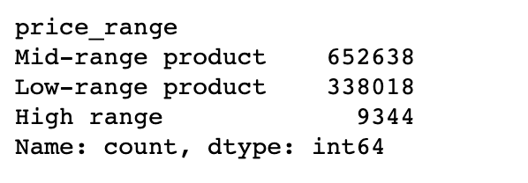
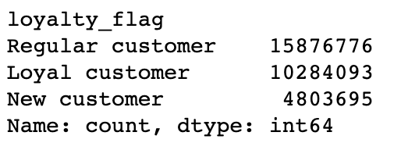

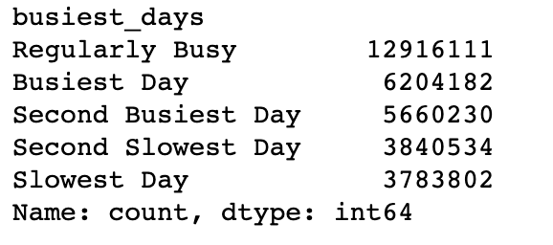
 | Row 2
 |  |  | Row 7

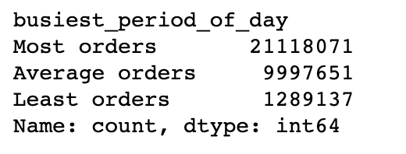
 | Row 3 |  | Row 9
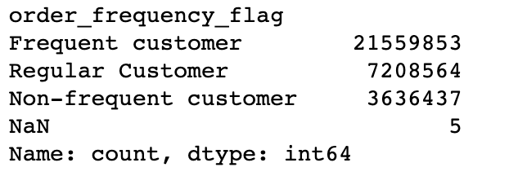

 | Row 10 |  | Row 11

6. Visualizations
 | Title page

Visualisations

In this tab you should include all the visualtions from Exercises 4.9 and 4.10, alongside the questions from the project brief that they answer. Include any commentary on the relationship between different variables.


Figure 1
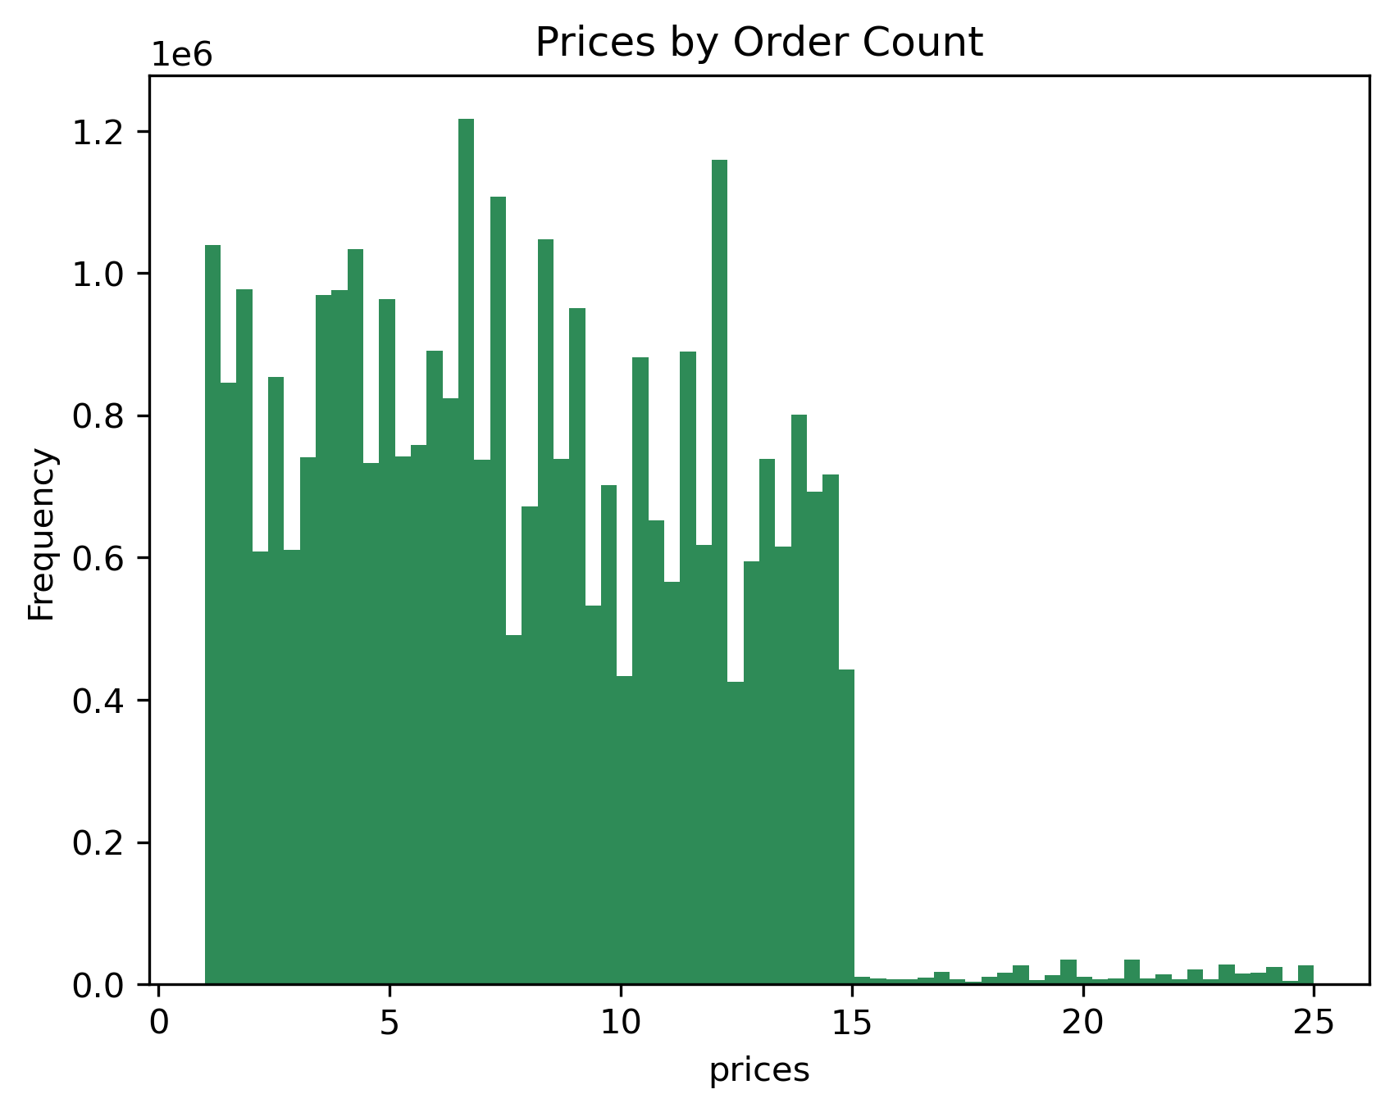
Figure 2
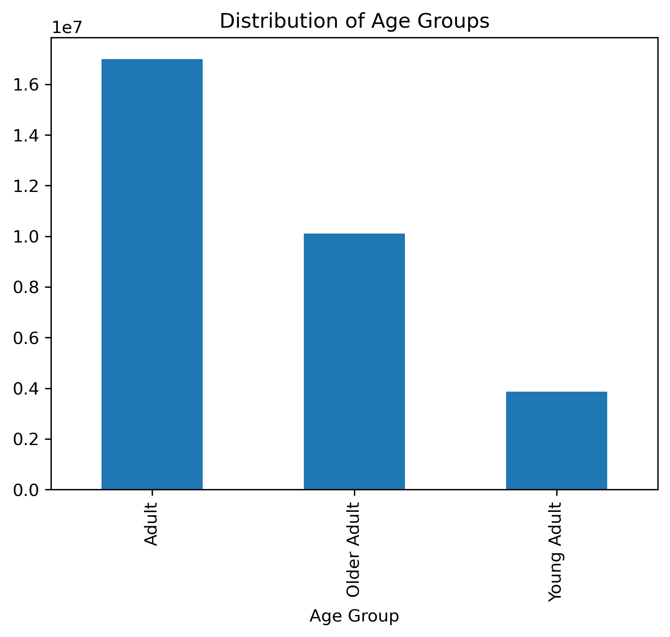
Figure 3
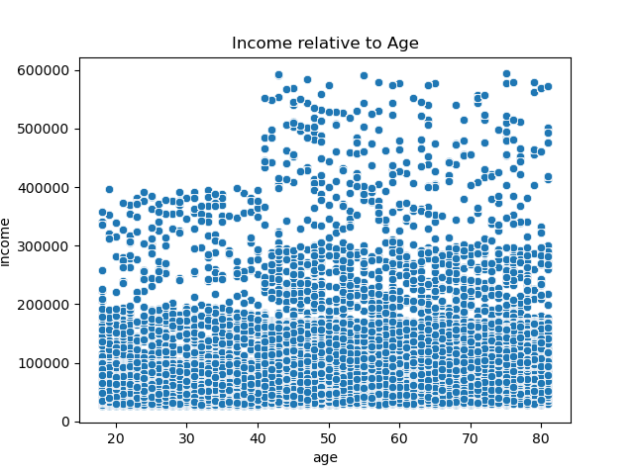
Figure 4
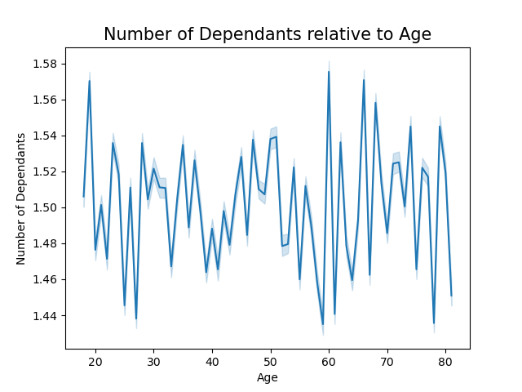
Figure 5
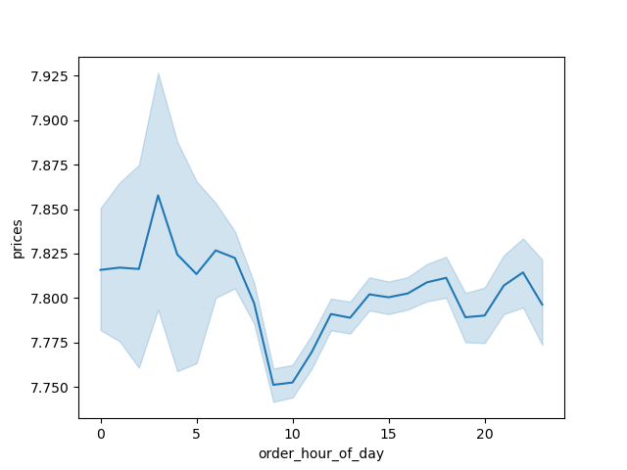
Figure 6

Products for $15 and below are purchased more frequently than products more than $15 with $25 being the highest item price.
Question 2
The most popular order days of the week are Sat, Sun, & Fri
Question 1
The disributon of age groups is:
Adult: 54.9%
Older Adult: 32.7%
Young Adult: 12.5%
Question 6
The table below has the percentages for the age groups relative to income.
•Younger adults only make up 0.8% of all upper-income customers,
• Adults/ Older Adults both make up 49.6% the upper-income customers.
• Adults have the highest percentage in each income class
Question 9
There is not direct correlation between age and the number of dependents
(caregivers are not included in the data set)
Question 6
3am-5am is the highest expenditure with 11am-10am having the lowest
Question 2

 |  |  |  |  | Age Group | Lower-Income | Middle-Income | Upper-Income
 |  |  |  |  | Adult | 57.7% | 55.5% | 49.6%
 |  |  |  |  | Older Adult | 24.4% | 30.3% | 49.6%
 |  |  |  |  | Young Adult | 17.9% | 14.1% | 0.8%

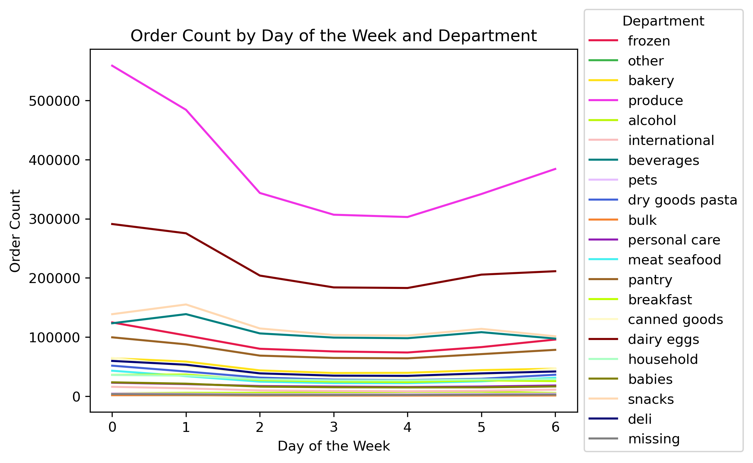
Figure 7
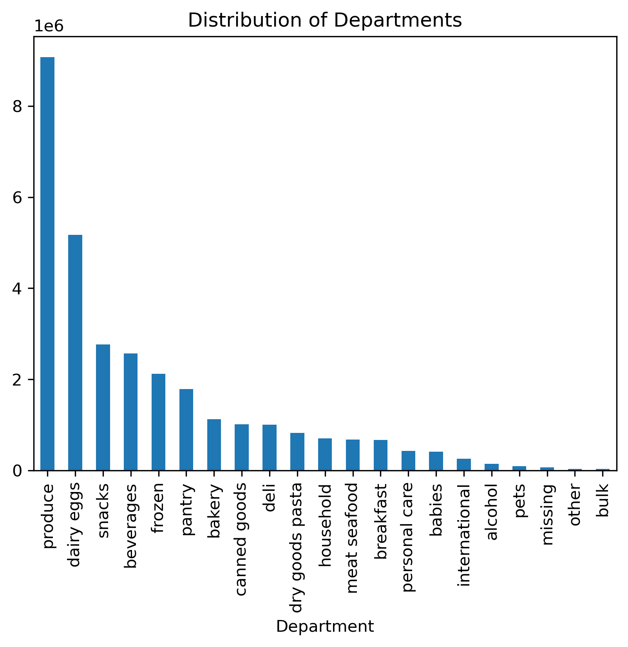
Figure 8
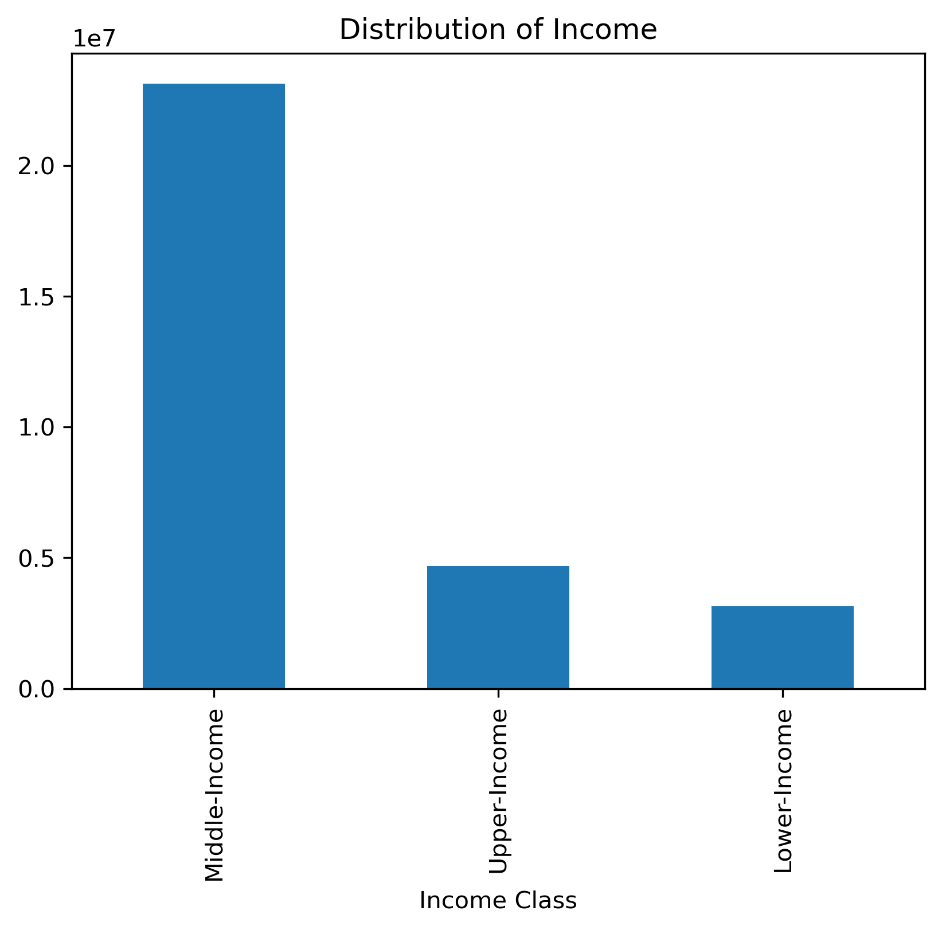
Figiure 9
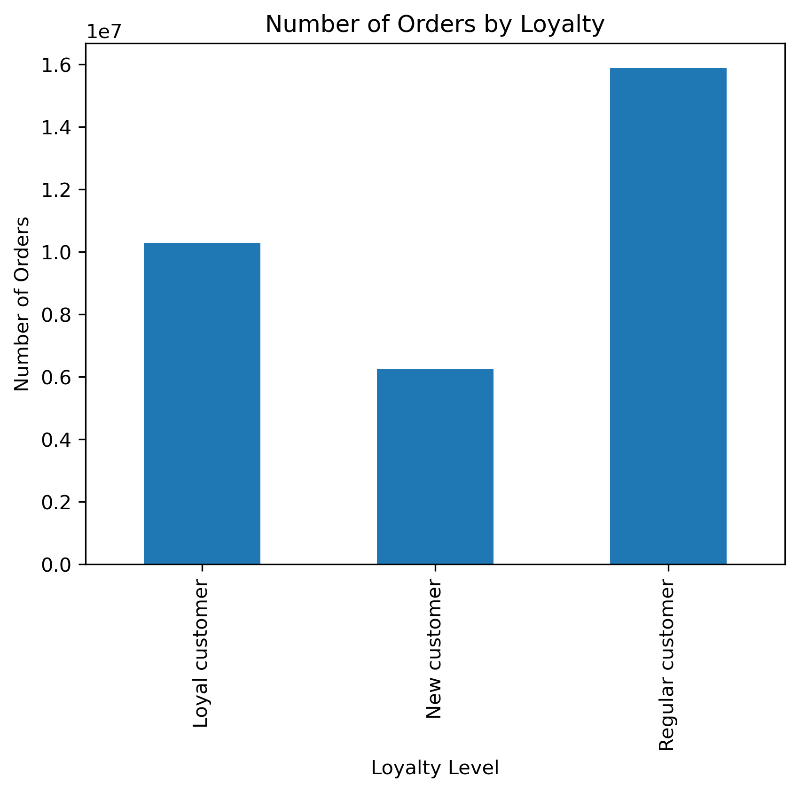
Figure 10
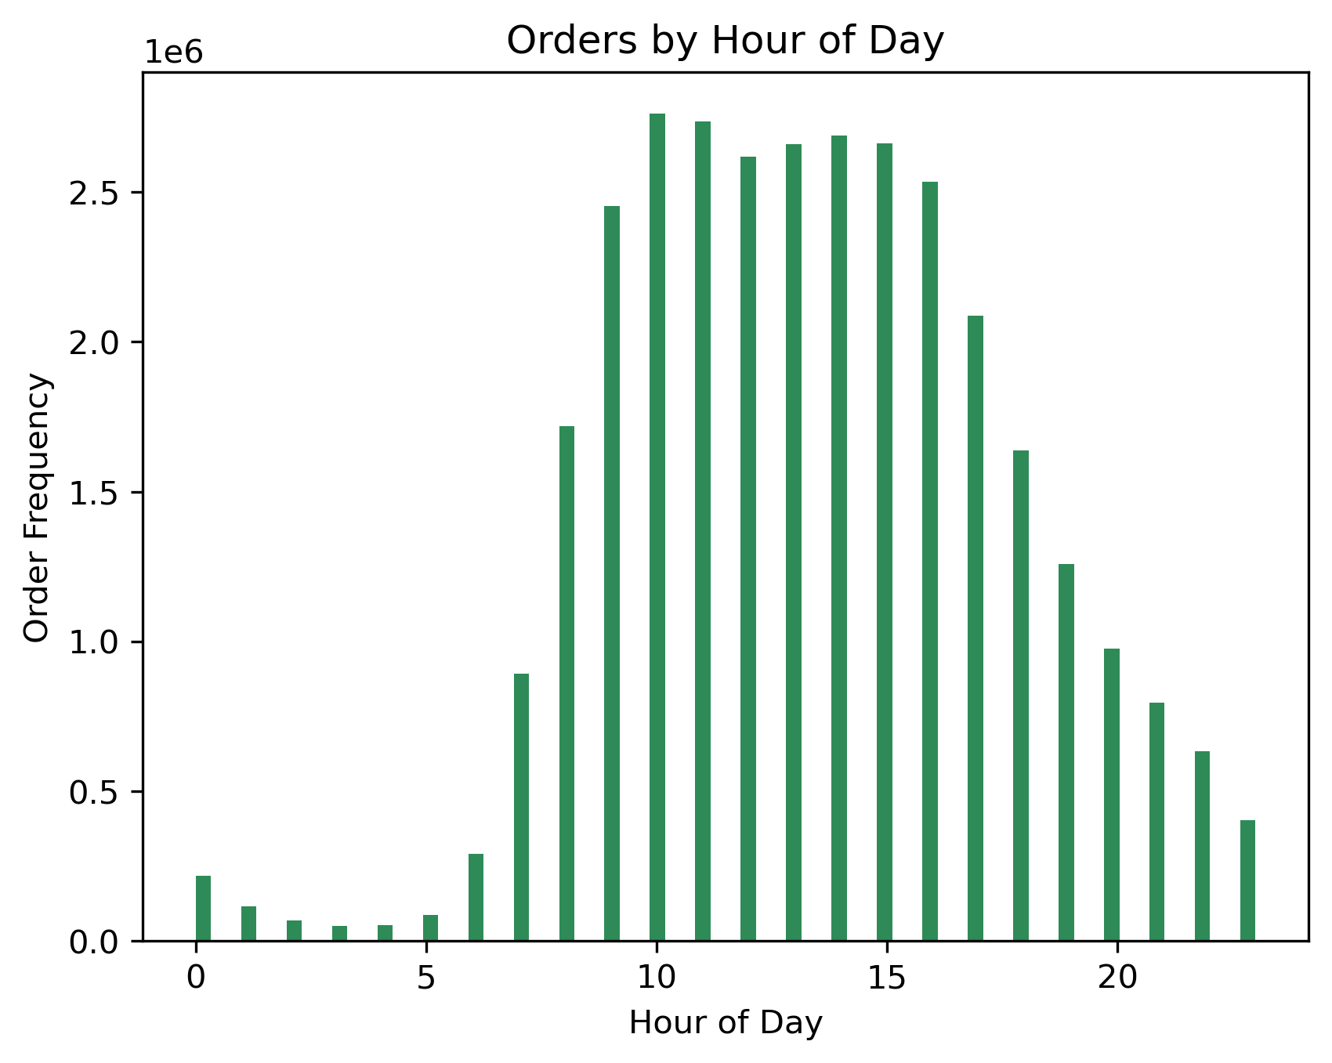
Figure 11
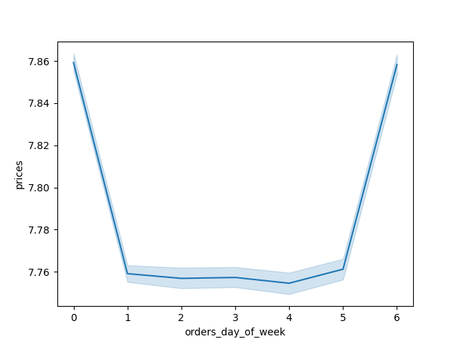
Figure 12

The most popular hours of the day are from 10am-2pm
Question 1
The highest expenditure days are Sat & Fri
Question 2

Produce, dairy eggs, beverages & snacks have the most orders on Sat & Sun
Question 7
The disributon of Income Class is:
Middle: 74.7%
Upper: 15.1%
Lower: 10.2%
Question 9
The disributon of Income Class is:
Regular: 51%
Loyal: 33%
New: 16%
Question 5
•Produce, dairy eggs, snacks, beverages and frozen are the 5 most popular departments
•Bulk, other, missing, pets and alcohol are the 5 least popular departments
Question 4

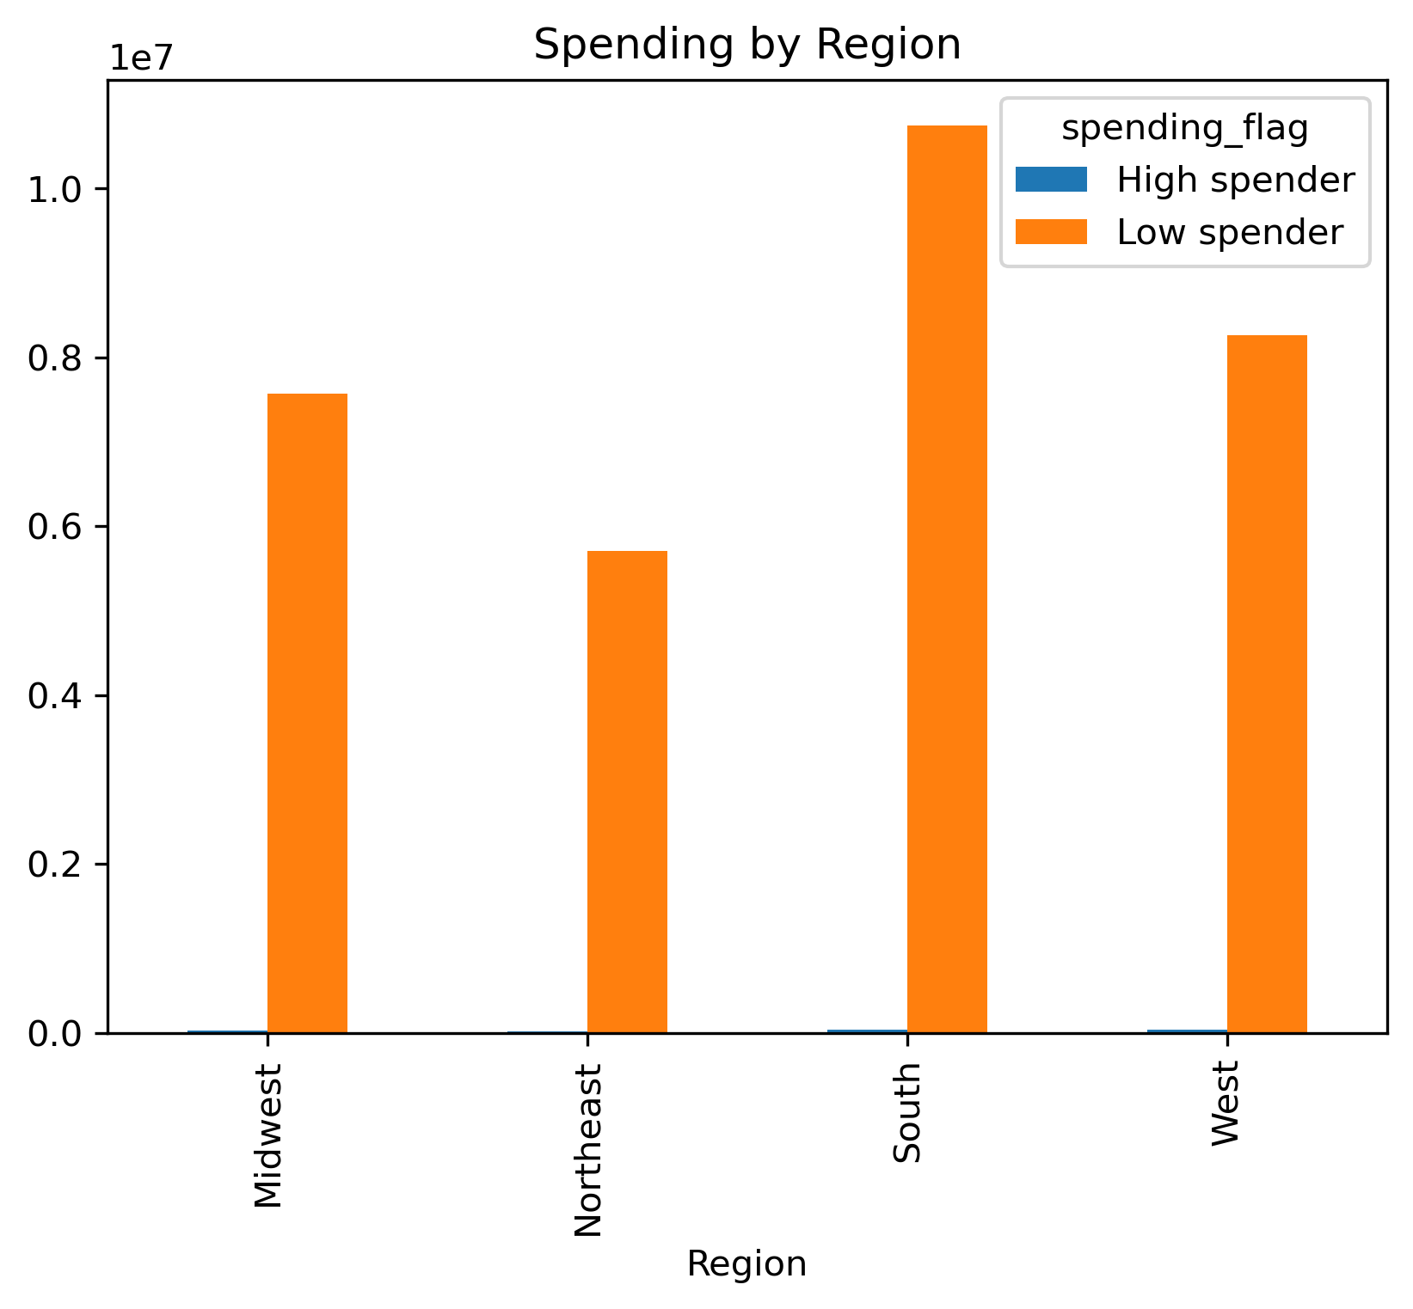
Figure 13
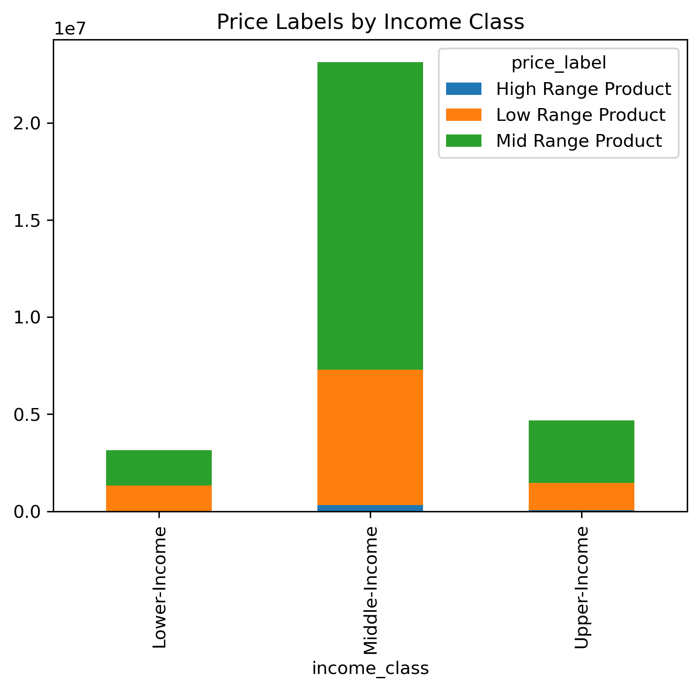
Figure 14
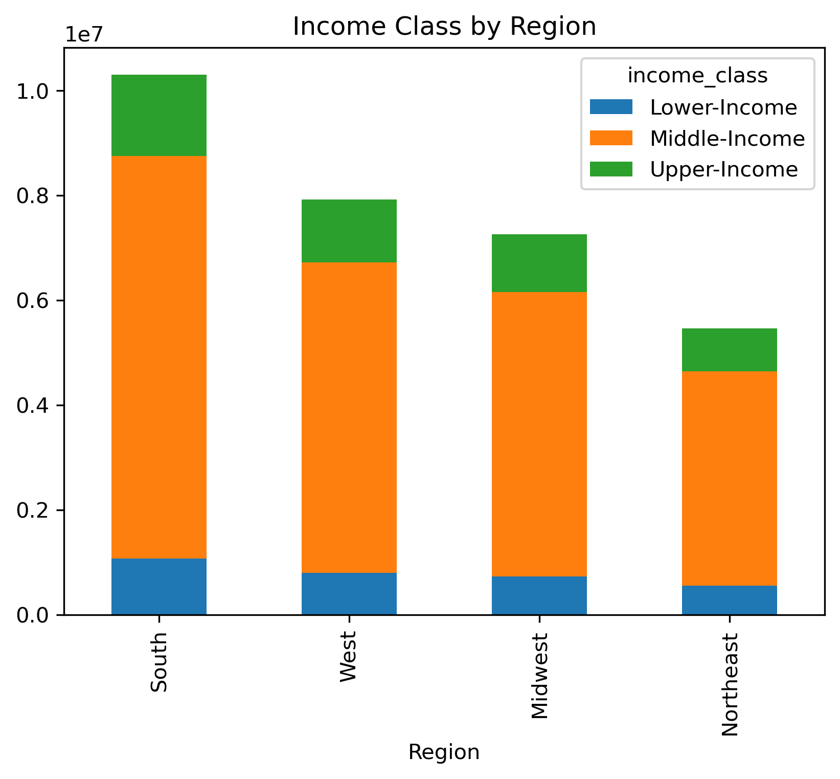
Figure 15
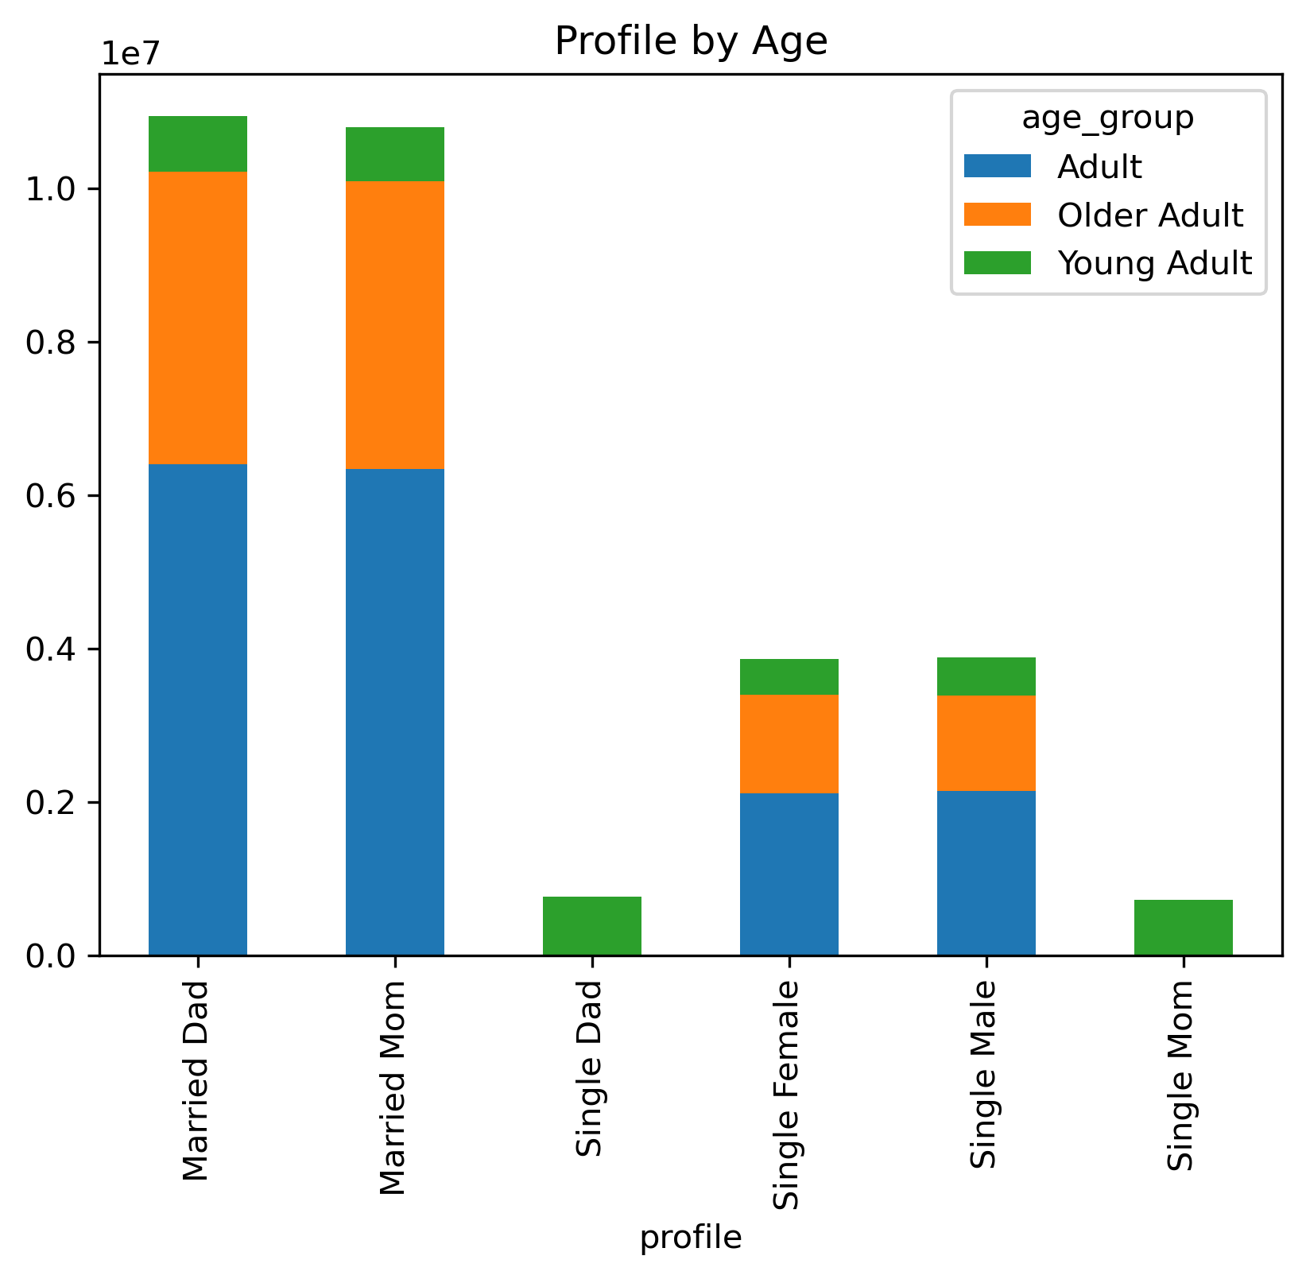
Figure 16

All regions follow similar trends between high and low spenders with low being the majority and
high being a very small portion of all customers.
Question 8
Each region follows similar trends when it comes to customer income
Question 8
• Married couples make up the majority of all customers; made up of mostly adults,
than older adults with young adults being the smallest group
• Single people are the second largest with a similar age grouping as married couples
• Single parents are the smallest group and is made up of only young adults
Question 6

•Middlie-income customers are the majority buying mostly mid-range products and
the most high-range products of any other income-class.
• Upper-income customers are the second most popular also buying mostly mid-range
& low-range products and a very small amount of high-range.
Question 9

 |  |  |  | profile | Adult | Older Adult | Young Adult
 |  |  |  | Married Dad | 58% | 35% | 7%
 |  |  |  | Married Mom | 59% | 35% | 6%
 |  |  |  | Single Female | 55% | 33% | 12%
 |  |  |  | Single Male | 55% | 32% | 13%
 |  |  |  | Single Mom | 0% | 0% | 100%
 |  |  |  | Single Dad | 0% | 0% | 100%

 |  | •

•

 |  |  | s

7. Recommendations
 |  |  |  |  |  |  |  |  |  |  |  |  |  | Title page

Recommendations

In this tab you should include any recommendations you would made to Instcart in terms of their marketing strategy based on the questions posed in the brief. Every key question has been covered in the Tasks of the Exercises - here you need to add an item - a visualisation or table/crosstable that is showing the answer in the data, acompanied by a comment from you. Please, list the questions below and add the answer underneath.

Questions

1) The sales team needs to know what the busiest days of the week and hours of the day are (i.e., the days and times with the most orders in order to schedule ads at times when there are fewer orders.)
Answer:
The most popular order days are the weekends in the following order: Sat, Sun, Fri (figure 1)
The most popular order times are: 10am - 2pm (figure 11)
Recommendations:
• Run advertisements on Fri, Sat and Sun from 9am-1pm that have more expensive products displayed with discounts.
• Have specials for weekend products such as alcohol and burgers to further boost weekend sales.

2) They also want to know whether there are particular times of the day when people spend the most money, as this might inform the type of products they advertise at these times.
Answer:
• The days of the week people buy the highest priced items are Fri & Sat (figure 12)
• The most popular times for high priced orders during the day are: 4am-6pm (figures 6)
• The most common order prices are below $15 (figure 2)
Recommendation:
• Advertise the high range products on the weekends from 3am-5am

3) Instacart has a lot of products with different price tags. Marketing and sales want to use simpler price range groupings to help direct their efforts.
Answer:
 |  | Price Label | mean | max | min
 |  | High Range | 20.613752557 | 25 | 15.1
 |  | Low Range | 3.0238329626 | 5 | 1
 |  | Mid Range | 9.7567776375 | 15 | 5.1
Recommendation:
• Use these price ranges in order to customize marketing around company goals for how many product sales in each range are needed to maximize ad spend.

Top 5 Departments
Bottom 5 Departments
4) Are there certain types of products that are more popular than others? The marketing and sales teams want to know which departments have the highest frequency of product orders.
Answer: (figure 8)

department | count |  | department | count
produce | 9079273 |  | alcohol | 144627
dairy eggs | 5177182 |  | pets | 93060
snacks | 2766406 |  | missing | 64768
beverages | 2571901 |  | other | 34411
frozen | 2121731 |  | bulk | 33451

Recommendation:
•The top 5 item categories are also essentials for most US households, creating a marketing strategy
that focuses on creating need for non-essentials like alcohol and pet toys would be beneficial in driving those lower sales

5) What’s the distribution among users in regards to their brand loyalty (i.e., how often do they return to Instacart)?
Answer: (figure 10)
 |  | Regular | Loyal | New | Total
 |  | 15876776 | 10284093 | 4803695 | 30964564
 |  | 51% | 33% | 16% | 100%
Recommendation:
• Creating a subscription based service (i.e. customers getting to choose products that are delivered weekly until the subscription is cancelled),
might prove beneficial in converting regular customers into loyal ones.
• Have a "new customer discount" that rewards customers for placing their first few orders with increased discounts or benefits (like free shipping) on the next order.
This might prove beneficial in creating regular customers.

6) Is there a connection between age groups and customer profiles? |  |  |  |  |  |  |  |  |  | profile | Adult | Older Adult | Young Adult
Answer: |  |  |  |  |  |  |  |  |  | Married Dad | 58% | 35% | 7%
• Married parents are placing the majority of orders, while single parents are placing the least. (figure 16) |  |  |  |  |  |  |  |  |  | Married Mom | 59% | 35% | 6%
• The majority of married people are middle-aged adults, |  |  |  |  |  |  |  |  |  | Single Female | 55% | 33% | 12%
and middle-aged adults are placing the most orders. (figures 3 & 16, table on the right) |  |  |  |  |  |  |  |  |  | Single Male | 55% | 32% | 13%
• Singe parents are placing the least amount of orders. (figure 16) |  |  |  |  |  |  |  |  |  | Single Mom | 0% | 0% | 100%
• Single parents are all young adults. (see table on the right) |  |  |  |  |  |  |  |  |  | Single Dad | 0% | 0% | 100%
• There is no apparent connection between age and number of dependents. (figure 5)
Recommendation:
• Create a marketing plan that shows young, single parents discounts for children essentials like diapers and backpacks,
this should provide a much needed sales boost to the single parent demographic.
• Market high-range family products like pantry or meat items to married parents in order to help drive up sales for high-range products.

7) Is there any correlation between the days of the week and product types ordered?
Answer:
• Produce, snacks, dairy eggs and beverages are most frequently ordered on Sat & Sun. (figure 7)
Recommendation:
• Because people seem to prefer to stock up on basics for the next week on Sat & Sun;
having weekend discounts for basic items would encourage people to stock up on even more items for the following week.

8) Whats the distributon for the regions? Is there any connection between region and income? Age? Spending?
Answer:
 | region | Percent |  | Age Group | Midwest | Northeast | South | West
 | South | 33% |  | Adult | 55.2% | 54.5% | 54.6% | 55.1%
 | West | 26% |  | Older Adult | 32.5% | 33.1% | 32.6% | 32.6%
 | Midwest | 23% |  | Young Adult | 12.4% | 12.4% | 12.8% | 12.3%
 | Northeast | 18%
• Each region follows similar trends when it comes to income class. (figure 15)
• All regions follow similar spending patterns with the high majority of customers being low spenders. (figure 13)
• All regions have a similar distribution of age groups. (see above right table)
Recommendation:
• Because there is no clear pattern in any of the comparisons more regional customer data is needed in order to provide an analysis.

9) Whats the distribution for income class? Is there a connection with age? Price label? Department?
Answer: (figure 9)
 | Income Class | Count |  | Age Group | Lower-Income | Middle-Income | Upper-Income |  | Lower-Income | Middle-Income | Upper-Income
 | Middle-Income | 74.7% |  | Adult | 57.7% | 55.5% | 49.6% | 1 | Produce | Produce | Produce
 | Upper-Income | 15.1% |  | Older Adult | 24.4% | 30.3% | 49.6% | 2 | Snacks | Dairy Eggs | Dairy Eggs
 | Lower-Income | 10.2% |  | Young Adult | 17.9% | 14.1% | 0.8% | 3 | Dairy Eggs | Snacks | Beverages
• Almost no young adults are upper-income. (figure 4 & see above middle table) |  |  |  |  |  |  |  | 4 | Beverages | Beverages | Snacks
• Upper income is split between middle-aged and older adults. (figure 4 & see above middle table) |  |  |  |  |  |  |  | 5 | Fozen | Frozen | Frozen
• Middle income customers have purchased more high-range products than upper-income. (figure 14)
• Low-income customers buy slightly more mid-range products than low-range but they are almost 50/50. (figure 14)
Recommendation:
• Middle-income and Upper-income customers prefer Dairy eggs over snacks; targeting those groups with advertising for more expensive, organic egg options could boost sales.
• Targeting lower-income customers with mid-range snack options could also boost sales
• Because the majority of the orders are from middle-income customers, and they also make up the majority of our high-range
product orders; having more high-range product options and marketing them would boost high-range product sales for both middle and upper-income customers.

