esdm
 |  | 2021 |  | capacity (MW) |  |  |  |  |  |  |  |  | efficiency
lat | lon | bus | region | biomass | coal | gas | geothermal | hydro | oil | solar | tidal | import | biomass | coal | gas | geothermal | hydro | oil | solar | tidal | wind
0.8642 | 108.9092 | 1,2,3,4 | W1 | 0.00 | 250.00 | 0.00 | 0.00 | 0.00 | 24.56 | 0.08 | 0.00 |  | 0.29 | 0.29 | 0.56 | 1.00 | 0.33 | 0.25 | 1.00 | 1.00 | 1.00
0.0453 | 109.2397 | 5, | W2 | 10.00 | 0.00 | 0.00 | 0.00 | 0.00 | 134.65 | 0.00 | 0.00 |  | 0.29 | 0.29 | 0.56 | 1.00 | 0.33 | 0.25 | 1.00 | 1.00 | 1.00
1.1174 | 109.5584 | 0,11,12 | W3 | 0.00 | 110.00 | 0.00 | 0.00 | 0.00 | 7.64 | 0.04 | 0.00 | 230.00 | 0.29 | 0.29 | 0.56 | 1.00 | 0.33 | 0.25 | 1.00 | 1.00 | 1.00
0.1775 | 110.0471 | 10, | W4 | 5.00 | 27.00 | 34.00 | 0.00 | 0.00 | 70.36 | 0.06 | 0.00 |  | 0.29 | 0.29 | 0.56 | 1.00 | 0.33 | 0.25 | 1.00 | 1.00 | 1.00
0.0639 | 110.9555 | 6,7,8 | W5 | 0.00 | 0.00 | 0.00 | 0.00 | 3.97 | 166.50 | 0.00 | 0.00 |  | 0.29 | 0.29 | 0.56 | 1.00 | 0.33 | 0.25 | 1.00 | 1.00 | 1.00
-1.7742 | 110.0303 | 9,65,66,67 | W6 | 3.50 | 49.00 | 0.00 | 0.00 | 0.30 | 97.69 | 0.00 | 0.00 |  | 0.29 | 0.29 | 0.56 | 1.00 | 0.33 | 0.25 | 1.00 | 1.00 | 1.00
-2.6152 | 111.7037 | 13, | C1 | 13.00 | 0.00 | 0.00 | 0.00 | 0.00 | 79.39 | 0.00 | 0.00 |  | 0.29 | 0.29 | 0.56 | 1.00 | 0.33 | 0.25 | 1.00 | 1.00 | 1.00
-2.6221 | 112.9154 | 14,15 | C2 | 4.40 | 0.00 | 0.00 | 0.00 | 0.00 | 17.07 | 0.00 | 0.00 |  | 0.29 | 0.29 | 0.56 | 1.00 | 0.33 | 0.25 | 1.00 | 1.00 | 1.00
-2.1166 | 113.7459 | 16,17,18 | C3 | 0.00 | 230.07 | 0.00 | 0.00 | 0.00 | 58.91 | 0.00 | 0.00 |  | 0.29 | 0.29 | 0.56 | 1.00 | 0.33 | 0.25 | 1.00 | 1.00 | 1.00
-2.8550 | 114.2790 | 19,20,21 | C4 | 0.00 | 120.00 | 0.00 | 0.00 | 0.00 | 25.50 | 0.00 | 0.00 |  | 0.29 | 0.29 | 0.56 | 1.00 | 0.33 | 0.25 | 1.00 | 1.00 | 1.00
-0.7442 | 115.0022 | 36,37,38 | C5 | 0.00 | 7.00 | 156.30 | 0.00 | 0.00 | 11.56 | 0.00 | 0.00 |  | 0.29 | 0.29 | 0.56 | 1.00 | 0.33 | 0.25 | 1.00 | 1.00 | 1.00
-3.4291 | 114.7738 | 22,23,24,28,29,33 | S1 | 2.40 | 103.20 | 0.00 | 0.00 | 30.00 | 97.71 | 0.00 | 0.00 |  | 0.29 | 0.29 | 0.56 | 1.00 | 0.33 | 0.25 | 1.00 | 1.00 | 1.00
-2.2607 | 115.2630 | 32,34,35 | S2 | 0.00 | 290.00 | 0.00 | 0.00 | 0.00 | 26.78 | 0.00 | 0.00 |  | 0.29 | 0.29 | 0.56 | 1.00 | 0.33 | 0.25 | 1.00 | 1.00 | 1.00
-3.5975 | 115.7526 | 25,26,27,30,31 | S3 | 0.00 | 281.00 | 0.00 | 0.00 | 0.00 | 18.67 | 0.00 | 0.00 |  | 0.29 | 0.29 | 0.56 | 1.00 | 0.33 | 0.25 | 1.00 | 1.00 | 1.00
-1.7614 | 116.1132 | 39,40,41,42 | E1 | 0.00 | 0.00 | 0.00 | 0.00 | 0.00 | 22.73 | 0.00 | 0.00 |  | 0.29 | 0.29 | 0.56 | 1.00 | 0.33 | 0.25 | 1.00 | 1.00 | 1.00
-1.1904 | 116.8778 | 43,44,45,46,47,48 | E2 | 0.00 | 265.00 | 125.55 | 0.00 | 0.00 | 117.69 | 0.00 | 0.00 |  | 0.29 | 0.29 | 0.56 | 1.00 | 0.33 | 0.25 | 1.00 | 1.00 | 1.00
-0.4847 | 117.0814 | 49,50,51,52,53,54,55,56,57 | E3 | 2.00 | 422.50 | 9.60 | 0.00 | 0.00 | 398.81 | 0.00 | 0.00 |  | 0.29 | 0.29 | 0.56 | 1.00 | 0.33 | 0.25 | 1.00 | 1.00 | 1.00
0.3158 | 117.5022 | 58, | E4 | 0.00 | 259.00 | 61.06 | 0.00 | 0.00 | 35.12 | 0.00 | 0.00 |  | 0.29 | 0.29 | 0.56 | 1.00 | 0.33 | 0.25 | 1.00 | 1.00 | 1.00
1.0533 | 116.9215 | 59,62 | E5 | 0.81 | 57.63 | 0.00 | 0.00 | 0.00 | 38.46 | 0.00 | 0.00 |  | 0.29 | 0.29 | 0.56 | 1.00 | 0.33 | 0.25 | 1.00 | 1.00 | 1.00
3.2988 | 116.9458 | 60,61,63 | N1 | 0.00 | 14.50 | 123.72 | 0.00 | 0.24 | 122.75 | 1.04 | 0.00 |  | 0.29 | 0.29 | 0.56 | 1.00 | 0.33 | 0.25 | 1.00 | 1.00 | 1.00
 |  | Total | 4,645.49 | 41.11 | 2,485.90 | 510.24 | 0.00 | 34.51 | 1,572.52 | 1.22 | 0.00 | 230.00
 |  |  | 1,825.06 |  |  |  |  |  | 227.99 |  |  | 12.60
 |  |  | 1,424.30 |  |  |  |  |  | 0.14 |  |  | 6.82
 |  |  |  |  |  |  |  |  | -1,344.53
 |  | west | 1,224.33 | 18.50 | 436.00 | 34.00 | 0.00 | 4.27 | 501.39 | 0.18 | 0.00 | 230.00
 |  | south,central | 1,572.95 | 19.80 | 1,031.27 | 156.30 | 0.00 | 30.00 | 335.58 | 0.00 | 0.00 | 0.00
 |  | east,north | 2,078.21 | 2.81 | 1,018.63 | 319.93 | 0.00 | 0.24 | 735.56 | 1.04 | 0.00 | 0.00
source
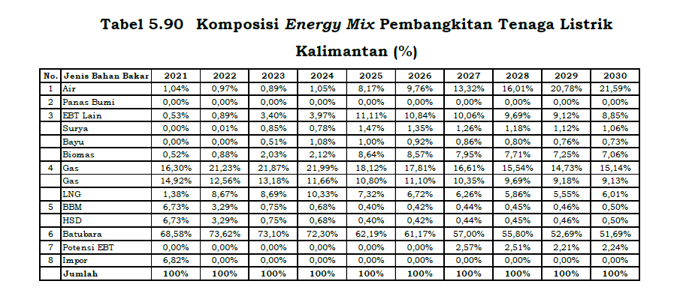
RUPTL 2021-30

LCOE Capacity full report

