Sheet2
 |  | Company Logo:-
 Enter Costumer Details |  | Property Address/ Project Name:

Property Information
Feature Name | Quantity | Unit | Unit Cost | Sub Total
Line | xyz( | LF (Length Feet) Default unit | X | (xyz) * X
 |  | inc (Inch)
 |  | mt (Meter
Points | xyz | EA (Each) | X | (xyz) * X
Polygons | xyz | SF (Square Feet) Default unit | X | (xyz) * X
 |  | SM (Square Meter)
 |  | AC (Acre)
 |  | HA (Hectare)

Material Cost
Name | Quantity | Unit | Unit Cost | Sub Total
Annual-4" pot | X | EA (Each) | Y | X * Y
Annual-6" pot | X | EA (Each) | Y | X * Y
Bed pre-emergent | X | SF (Square Feet) Default unit | Y | X * Y
Brick | X | SF (Square Feet) Default unit | Y | X * Y
Dicing Material | X | SF (Square Feet) Default unit | Y | X * Y
Flat Display | X | SF (Square Feet) Default unit | Y | X * Y
Glyphosate | X | SF (Square Feet) Default unit | Y | X * Y
Mulch | X | SF (Square Feet) Default unit | Y | X * Y
Planting soil mix | X | SF (Square Feet) Default unit | Y | X * Y
SOD | X | SF (Square Feet) Default unit | Y | X * Y
Stone | X | SF (Square Feet) Default unit | Y | X * Y
Triplet | X | SF (Square Feet) Default unit | Y | X * Y
Wood | X | SF (Square Feet) Default unit | Y | X * Y

Equpiments Cost
Name | Quantity | Hours | Cost per Hour/Qut | Sub Total
Asphalt Pavers | X | Y | Z | X * Y *Z
Asphalt Recycler | X | Y | Z | X * Y *Z
Bitumen Sprayer | X | Y | Z | X * Y *Z
Hedge Trimmer | X | Y | Z | X * Y *Z
Lawn Aerator | X | Y | Z | X * Y *Z
Lawn Spreader | X | Y | Z | X * Y *Z
Leaf Blower | X | Y | Z | X * Y *Z
Line Striping Machine | X | Y | Z | X * Y *Z
Mover 21" | X | Y | Z | X * Y *Z
Mover 36" | X | Y | Z | X * Y *Z
Mover 48" | X | Y | Z | X * Y *Z
Mover 52" | X | Y | Z | X * Y *Z
Mover 60" | X | Y | Z | X * Y *Z
Mover 72" | X | Y | Z | X * Y *Z
Pole Saw | X | Y | Z | X * Y *Z
Post Hole Auger | X | Y | Z | X * Y *Z
Send Spreader | X | Y | Z | X * Y *Z
Skid Steer | X | Y | Z | X * Y *Z
Sprayer | X | Y | Z | X * Y *Z
Squeegee Machine | X | Y | Z | X * Y *Z
String Trimmer | X | Y | Z | X * Y *Z

Labor Cost
Name | Quantity | Hours | Cost per Hour/Qut | Sub Total
General Labor | X | Y | Z | X * Y *Z
Chemical Spraying | X | Y | Z | X * Y *Z
Weeding Service | X | Y | Z | X * Y *Z
Mower Operator | X | Y | Z | X * Y *Z
Flat Trim | X | Y | Z | X * Y *Z
Truck Plowing | X | Y | Z | X * Y *Z
Deicing | X | Y | Z | X * Y *Z
Blowing | X | Y | Z | X * Y *Z
Snow Clearing | X | Y | Z | X * Y *Z
Bed Prep | X | Y | Z | X * Y *Z
Planting Labor | X | Y | Z | X * Y *Z

Total Job Cost
Description |  |  |  | Total Cost
Property Information |  |  |  | A
Material Cost |  |  |  | B
Equpiments Cost |  |  |  | C
Labor Cost |  |  |  | D

Total Estimate Cost |  |  |  | A+B+C+D

Additional Note
* This estimate is based on the information provided and may be subject to change upon further assessment of the project. |  |  | 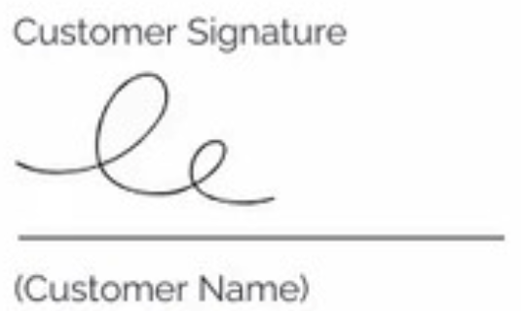
* Payment terms: 50% upfront, 50% upon project completion.
* Estimate cost are exclusive of taxes, which will be applied as per regulations.

