PANEUR
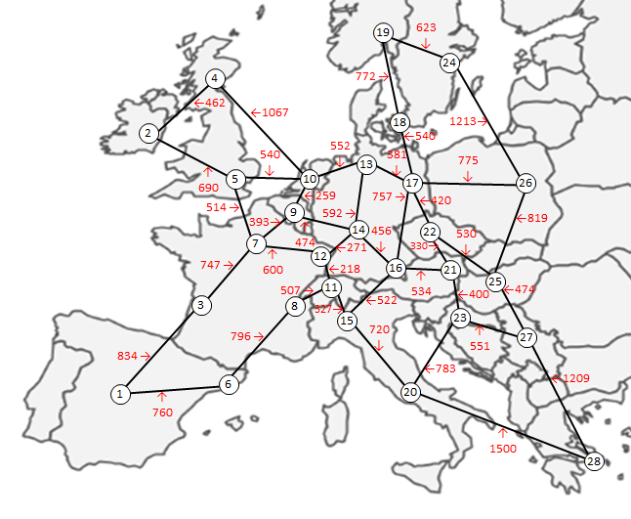
NODES |  |  | LINKS
# | City | Country | In-node | Out-node | Distance (km)
1 | Madrid | Spain | Madrid | Bordeaux | 834
2 | Dublin | Ireland | Madrid | Barcelona | 760
3 | Bordeaux | France | Dublin | Glasgow | 462
4 | Glasgow | United Kingdon | Dublin | London | 690
5 | London | United Kingdon | Bordeaux | Madrid | 834
6 | Barcelona | Spain | Bordeaux | Paris | 747
7 | Paris | France | Glasgow | Dublin | 462
8 | Lyon | France | Glasgow | Amsterdam | 1067
9 | Brussels | Belgium | London | Dublin | 690
10 | Amsterdam | The Netherlands | London | Paris | 514
11 | Zurich | Switzerland | London | Amsterdam | 540
12 | Strasbourg | France | Barcelona | Madrid | 760
13 | Hamburg | Germany | Barcelona | Lyon | 796
14 | Frankfurt | Germany | Paris | Bordeaux | 747
15 | Milan | Italy | Paris | London | 514
16 | Munich | Germany | Paris | Brussels | 393
17 | Berlin | Germany | Paris | Strasbourg | 600
18 | Copenhagen | Denmark | Lyon | Barcelona | 796
19 | Oslo | Norway | Lyon | Zurich | 507
20 | Rome | Italy | Brussels | Paris | 393
21 | Vienna | Austria | Brussels | Amsterdam | 259
22 | Prague | Czech Republic | Brussels | Frankfurt | 474
23 | Zagreb | Croatia | Amsterdam | Glasgow | 1067
24 | Stockholm | Sweden | Amsterdam | London | 540
25 | Budapest | Hungary | Amsterdam | Brussels | 259
26 | Warsaw | Poland | Amsterdam | Hamburg | 552
27 | Belgrade | Serbia | Zurich | Lyon | 507
28 | Athens | Greece | Zurich | Strasbourg | 218
 |  |  | Zurich | Milan | 327
 |  |  | Strasbourg | Paris | 600
 |  |  | Strasbourg | Zurich | 218
 |  |  | Strasbourg | Frankfurt | 271
 |  |  | Hamburg | Amsterdam | 552
 |  |  | Hamburg | Frankfurt | 592
 |  |  | Hamburg | Berlin | 381
 |  |  | Frankfurt | Brussels | 474
 |  |  | Frankfurt | Strasbourg | 271
 |  |  | Frankfurt | Hamburg | 592
 |  |  | Frankfurt | Munich | 456
 |  |  | Milan | Zurich | 327
 |  |  | Milan | Munich | 522
 |  |  | Milan | Rome | 720
 |  |  | Munich | Frankfurt | 456
 |  |  | Munich | Milan | 522
 |  |  | Munich | Berlin | 757
 |  |  | Munich | Vienna | 534
 |  |  | Berlin | Hamburg | 381
 |  |  | Berlin | Munich | 757
 |  |  | Berlin | Copenhagen | 540
 |  |  | Berlin | Prague | 420
 |  |  | Berlin | Warsaw | 775

