Question
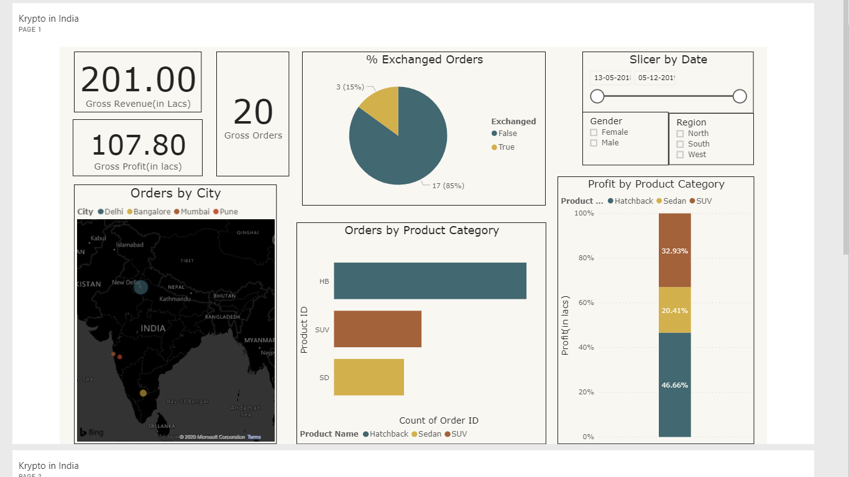
Tables
'Assigned Tasks' Table has a list of assigned tasks to all task owners.
'Dispositions Master' table has the meaning of all dispositions
'Task Master' Table has the meaning of all tasks

Context
A Task owner is assigned a lot of tasks for any action date. He/She has to call a customer (related to order ID), & perform a task within deadline. He/she then marks one of the available dispositions in the dropdown & closes the task.

Question
Create an Excel dashboard for the head of Task owner. The head wants an overall picture of how well are assigned tasks performed. There should be 5-10 graphs/metrics in the dashboard. You can include the following in the dashboard: Numbers Tables Graphs Sample dashboard shown on the right.

Submission
Create a copy of this sheet, play around & create your dashboard.
On LinkedIn -- Share screeenshot of the dashboard as an image & attach the google sheets link.

Sheet1
Count of Status | Column Labels
Row Labels | Completed | Pending | Grand Total
Dainika | 71 | 757 | 828
Janvi | 187 | 690 | 877
Monika | 118 | 1007 | 1125
Grand Total | 376 | 2454 | 2830

Row Labels | Count of Order ID
Completed | 376
Pending | 2454
Grand Total | 2830

Task Status By Orders
Row Labels | Count of Order ID
Book slot for 1st doc call & Package intro | 99
1 | 99
Book slot for diet call | 206
7 | 206
Book slot for doc FU call | 245
5 | 245
Book slot for only Consultation order | 101
2 | 101
Book slot for therapy call | 172
6 | 172
Doc 1st Call Not Attended | 10
9 | 10
Doc 1st Subjective Feedback | 251
3 | 251
Doc FU Call Not Attended | 5
10 | 5
Total Orders BY Task Category
Doc FU Negative Feedbacks | 10
13 | 10
Relationship engagement call | 1707
8 | 1707
Upsell Call | 24
4 | 24
Grand Total | 2830

Row Labels | Count of Order ID
1 | 81 | Row Labels | Count of Order ID
RNR_busy_1 | 81 | 1 | 81
2 | 18 | 2 | 18
RNR_busy_2 | 18 | 3 | 5
3 | 5 | 6 | 46
RNR_busy_3 | 5 | 15 | 6
6 | 46 | 20 | 58
Available_beyond_slot_dates | 46 | 21 | 3
15 | 6 | 22 | 1
Language_mismatch | 6 | 25 | 4
20 | 58 | 28 | 9
Not_Interested | 58 | 29 | 15
21 | 3 | 30 | 4
Other | 3 | 33 | 270
22 | 1 | (blank) | 2310
Overall_bad_Doc_not_exp_Audio_average | 1 | Grand Total | 2830
25 | 4
Overall_bad_Less_time_with_doc_Audio_average | 4
28 | 9
Overall_good_All_doubts_answered_Audio_ok | 9
29 | 15
Overall_good_All_doubts_answered_Audio_very_good | 15
30 | 4
Overall_good_Some_doubts_not_answered_Audio_ok | 4
33 | 270
Scheduled | 270
(blank) | 2310
#N/A | 2310
Grand Total | 2830
Total Orders by Priority rank

Row Labels | Count of Order ID
1 | 200
2 | 251
3 | 24
4 | 245
5 | 172
6 | 206
7 | 1707
8 | 10
9 | 5
12 | 10
Grand Total | 2830

Dashboard
Analysis By Pivot Table, OF Assigned Task to Task Owners

 | Completed | Pending
Dainika | 71 | 757
Janvi | 187 | 690
Monika | 118 | 1007
Task Status By Orders
 | Total
Completed | 376
Pending | 2454

Total Orders BY Task Category
 | Total
1 | 99
7 | 206
5 | 245
2 | 101
6 | 172
9 | 10
3 | 251
10 | 5
13 | 10
8 | 1707
4 | 24

 | Total
Dainika Book slot for 1st doc call & Package intro | 21
Dainika Book slot for diet call | 39
Dainika Book slot for doc FU call | 32
Dainika Book slot for only Consultation order | 29
Dainika Book slot for therapy call | 27
Dainika Doc 1st Call Not Attended | 3
Dainika Doc 1st Subjective Feedback | 56
Dainika Relationship engagement call | 621
Janvi Book slot for 1st doc call & Package intro | 20
Janvi Book slot for diet call | 54
Janvi Book slot for doc FU call | 150
Janvi Book slot for only Consultation order | 27
Janvi Book slot for therapy call | 74
Janvi Doc 1st Call Not Attended | 2
Janvi Doc 1st Subjective Feedback | 59
Janvi Doc FU Call Not Attended | 4
Janvi Doc FU Negative Feedbacks | 4
Janvi Relationship engagement call | 463
Janvi Upsell Call | 20
Monika Book slot for 1st doc call & Package intro | 58
Monika Book slot for diet call | 113
Monika Book slot for doc FU call | 63
Monika Book slot for only Consultation order | 45
Monika Book slot for therapy call | 71
Monika Doc 1st Call Not Attended | 5
Monika Doc 1st Subjective Feedback | 136
Monika Doc FU Call Not Attended | 1
Monika Doc FU Negative Feedbacks | 6
Monika Relationship engagement call | 623
Monika Upsell Call | 4

 | Total
1 | 81
2 | 18
3 | 5
6 | 46
15 | 6
20 | 58
21 | 3
22 | 1
25 | 4
28 | 9
29 | 15
30 | 4
33 | 270
(blank) | 2310

Total Orders by Priority rank
 | Total
1 | 200
2 | 251
3 | 24
4 | 245
5 | 172
6 | 206
7 | 1707
8 | 10
9 | 5
12 | 10

