Home
 |  |  | 65 |  | TEAM NAME | TOP 12 | TOTAL | RANK | Team | Points Gained Today | Team | Avg Increase
 |  |  |  |  | Himanshu Warriors | 9002 | 10097 | 1 | HW | +104 | HW | +138
 |  |  |  |  | Onkar Legends | 8341 | 8882 | 2 | MC | +134 | MC | +96
 |  |  |  |  | Abhishek Strikers | 8155 | 8775 | 3 | OL | +161 | OL | +128
 |  |  |  |  | Pranav Astra | 7,919 | 8,142 | 4 | AS | +30 | AS | +125
 |  |  |  |  | Mehul Challengers | 6245 | 6579 | 5 | PA | +160 | PA | +122

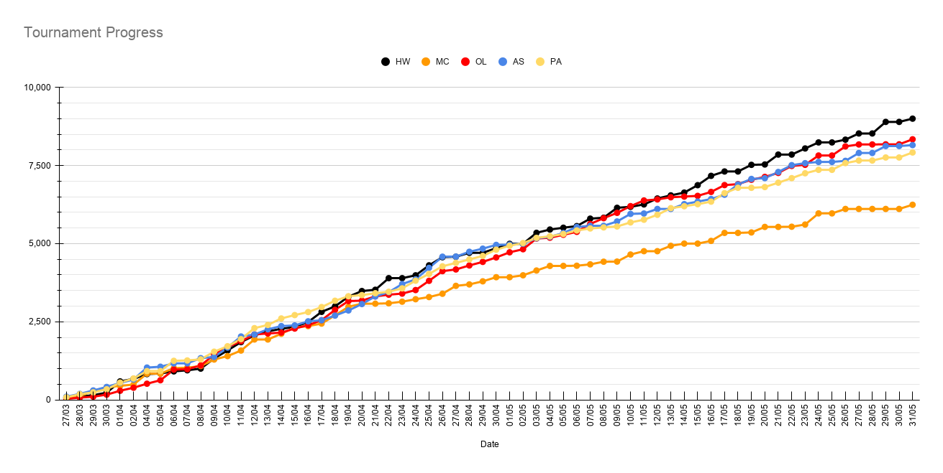
IPL - Crayons x S2 . |  |  | Days Completed |  | Himanshu Warriors Dominance: Himanshu Warriors finished at the top of the table with 9,002 points. Their success was driven by top performers like Shubman Gill (1,178 points) and KR (1,109 points). Steady Growth for Runners-up: Onkar Legends and Abhishek Strikers had a competitive run, finishing with 8,341 and 8,155 points respectively. Notably, Vaibhav Suryavanshi from Abhishek Strikers was one of the highest individual scorers with 1,211 points. Performance Gap: Mehul Challengers trailed the group, finishing with 6,245 points, despite a strong individual performance from Bhuvneshwar Kumar (1,051 points).
Rules for Auction
Player Selection Rules:
 | • | Minimum Players: Each team must buy a minimum of 15 players during the auction.
 | • | Overseas Players: Each team must have at least 3 overseas players. | Bowlers | 3
 | • | Uncapped Players: Each team must include at least 3 uncapped players. | Batters | 3
 | • | Special Rules: | All-rounders | 2
 |  | Bowlers: Minimum 3 bowlers. | Wicketkeeper | 1
 |  | Batters: Minimum 3 batters. | Overseas | 3
 |  | All-rounders: Minimum 2 all-rounders. | Uncapped | 3
 |  | Wicketkeeper: Minimum 1 wicketkeeper. | May 31
 | • | Player List Submission: After the auction, each team must submit a final list of 15 players, adhering to the above rules. This list will be used for point calculation during the IPL tournament. Top 12 will be considered!
Auction Participation:
 | • | Entry Fee: Each participant must pay an entry fee of ₹1000 to join the auction.
 | • | Winning Amount: The total collected entry fees will be distributed among the winners:
 | • | 1st Position: Team with the highest points at the end of the IPL tournament. (Winning amount: Rs.3000)
 | • | Runner-Up: Team with the second-highest points.(Winning amount: Rs.2000)
Points Calculation and Winner:
 | • | Points will be calculated based on the performance of the selected players throughout the IPL tournament.
 | • | The team with the highest cumulative points will win 1st position, and the second-highest scorer will be declared the runner-up.
Replacement Rules:
 | • | Each team must pre-select three players as potential replacements.
 | • | A capped player can be replaced only by another capped player.
 | • | An uncapped player can be replaced only by another uncapped player.
 | • | Any replacement must not violate the original team-composition rules, which remain unchanged
 | • | Replacement points will be calculated from the day Replacement happened. Past player points will not be replaced. (past player pt + replaced player pt)
 | • | Only one replacement allowed for 1 team per season
 | In short: replacements are like-for-like, and the team balance stays exactly as defined.
General Guidelines:
 | • | Ensure all team selections meet the mandatory player composition.
 | • | Be strategic in picking players to maximize points.
 | • | Happy Bidding and may the best team win!
Note:
 | In the event of an injury or if a player is ruled out, they can be replaced (without trade) before the IPL starts, i.e., before March 23rd.
Tournament Timeline Phase 1: Early Race (27 Mar – 2 Apr) 27 Mar Abhishek Strikers started strongly and led the table, followed by Pranav Astra and Himanshu Warriors. 28–30 Mar Abhishek Strikers maintained control, but Mehul Challengers surged dramatically and moved into second place by 30 Mar. 1 Apr: A major shift occurred. Himanshu Warriors exploded with a huge points jump and briefly moved to the top. 2 Apr Pranav Astra responded immediately and claimed the lead, showing early consistency and becoming the first serious challenger to Abhishek Strikers. Leaderboard Trend 27 Mar – 30 Mar: Abhishek Strikers 1 Apr: Himanshu Warriors 2 Apr: Pranav Astra Phase 2: Abhishek Strikers' Dominance (4 Apr – 11 Apr) On 4 Apr, Abhishek Strikers produced a massive jump and reclaimed first place. From 4 Apr to 11 Apr They controlled the tournament comfortably. Mehul Challengers and Himanshu Warriors stayed competitive, while Onkar Legends gradually climbed from the lower half. Pranav Astra remained close enough to threaten but could not overtake. Leaderboard Trend 4 Apr – 11 Apr Abhishek Strikers held a 8-day reign. Phase 3: Rise of Pranav Astra (12 Apr – 20 Apr) 12 Apr became the first major turning point. Pranav Astra overtook Abhishek Strikers and took control of the tournament. From 12 Apr onward, Pranav Astra consistently expanded their lead. Himanshu Warriors and Onkar Legends also accelerated. Mehul Challengers started falling behind the leading pack. Key Moments 18–19 Apr Himanshu Warriors and Onkar Legends both crossed 3,000-point territory and began closing on Pranav Astra. Despite pressure, Pranav Astra defended first place for over a week. Leaderboard Trend 12 Apr – 20 Apr Pranav Astra led for 9 consecutive days. Phase 4: The Four-Team Battle (21 Apr – 2 May) The tournament entered its most competitive phase. 21 Apr Abhishek Strikers and Onkar Legends became tied on points. The top

HW



Price
 | Number
Khaleel Ahmed + Rabada | 175.00
Tristan Stubbs | 325.00
Kuldeep Yadav | 375.00
Shubman Gill | 1,550.00
Mohammad Siraj | 325.00
Angkrish Raghuvanshi | 555.00
Mitchell Marsh | 700.00
Nicholas Pooran | 1,000.00
Marcus Stoinis | 200.00
Prabhsimran Singh | 550.00
Shashank Singh | 300.00
Jitesh Sharma | 250.00
Jofra Archer | 600.00
Ravindra Jadeja | 950.00
Mohammed Shami | 200.00
Sr no. | Name | Type | Overseas | Wicketkeeper | Capped/Uncapped | Bid Taken(cr) | Points | IPL | Number | Value | Compare | Diff
1 | Khaleel Ahmed + Rabada | Bowler |  |  |  | ₹1.75 | 1048 | CSK + GT | 175.00 | 873 | 1048 | 0
2 | Tristan Stubbs | Batter | Yes | Yes |  | ₹3.25 | 459 | DC | 325.00 | 134 | 459 | 0 |  | 
3 | Kuldeep Yadav | Bowler |  |  |  | ₹3.75 | 388 | DC | 375.00 | 13 | 388 | 0
4 | Shubman Gill | Batter |  |  |  | ₹15.50 | 1178 | GT | 1,550.00 | -372 | 1178 | 0
5 | Mohammad Siraj | Bowler |  |  |  | ₹3.25 | 775 | GT | 325.00 | 450 | 775 | 0
7 | Angkrish Raghuvanshi | Batter |  |  | Uncapped | ₹5.55 | 676 | KKR | 555.00 | 121 | 676 | 0
8 | Mitchell Marsh | All-Rounder | Yes |  |  | ₹7.00 | 854 | LSG | 700.00 | 154 | 854 | 0
9 | Nicholas Pooran | Batter | Yes | Yes |  | ₹10.00 | 425 | LSG | 1,000.00 | -575 | 425 | 0
13 | Marcus Stoinis | All-Rounder | Yes |  |  | ₹2.00 | 415 | PBSK | 200.00 | 215 | 415 | 0
11 | Prabhsimran Singh | Batter |  | Yes | Uncapped | ₹5.50 | 831 | PBSK | 550.00 | 281 | 831 | 0
12 | Shashank Singh | Batter |  |  | Uncapped | ₹3.00 | 350 | PBSK | 300.00 | 50 | 350 | 0
14 | Jitesh Sharma | Batter |  | Yes |  | ₹2.50 | 357 | RCB | 250.00 | 107 | 357 | 0
6 | Jofra Archer | Bowler | Yes |  |  | ₹6.00 | 1083 | RR | 600.00 | 483 | 1083 | 0
15 | Ravindra Jadeja | All-Rounder |  |  |  | ₹9.50 | 715 | RR | 950.00 | -235 | 715 | 0
Not Counted
 | Points
Shashank Singh | 350
Jitesh Sharma | 357
Kuldeep Yadav | 388
10 | Mohammed Shami | Bowler |  |  |  | ₹2.00 | 543 | LSG | 200.00 | 343 | 543 | 0

 |  |  |  |  |  | TOP 12 | 9002 | 9002
 |  |  |  |  |  | Total | 10097
 |  |  |  |  |  | Missed Top 12 Combo | 9600 | Diffrence | 598
Sr no. | Name | Type | Overseas | Wicketkeeper | Capped/Uncapped | Bid Taken(cr) | Points | IPL | Number | Value
1 | Kagiso Rabada | Bowler | Yes |  |  | ₹2.00 | 935 | GT | 200.00 | 735
2 | Rinku Singh | Batter |  |  |  | ₹1.25 | 536 | KKR | 125.00 | 411
3 | Kartik Sharma | Batter |  | Yes | Uncapped | ₹0.55 | 439 | CSK | 55.00 | 384
 | KA |  |  |  |  |  | 113
 | KR |  |  |  |  |  | 1109
Points
 | Points | Points
Khaleel Ahmed + Rabada | 1048 | 1048
Tristan Stubbs | 459 | 459
Kuldeep Yadav | 388 | 388
Shubman Gill | 1178 | 1178
Mohammad Siraj | 775 | 775
Angkrish Raghuvanshi | 676 | 676
Mitchell Marsh | 854 | 854
Nicholas Pooran | 425 | 425
Marcus Stoinis | 415 | 415
Prabhsimran Singh | 831 | 831
Shashank Singh | 350 | 350
Jitesh Sharma | 357 | 357
Jofra Archer | 1083 | 1083
Ravindra Jadeja | 715 | 715
Mohammed Shami | 543 | 543
 |  |  |  |  |  |  |  |  |  |  |  |  | Himanshu Warriors
 |  |  |  |  |  |  |  |  |  |  |  |  | Slow start but explosive growth from April onward.
 |  |  |  |  |  |  |  |  |  |  |  |  | Took first place on 1 Apr.
 |  |  |  |  |  |  |  |  |  |  |  |  | Regained the lead permanently on 28 Apr.
 |  |  |  |  |  |  |  |  |  |  |  |  | Recorded the highest final score.
 |  |  |  |  |  |  |  |  |  |  |  |  | Strongest late-tournament performer.

 |  |  |  |  |  |  |  |  |  |  |  |  | Story: The ultimate comeback champions. And also one and only Defending champoin.

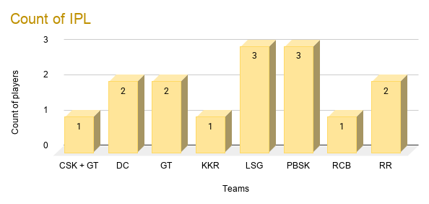

Sr no. | Name | Type | Overseas | Wicketkeeper | Capped/Uncapped | Bid Taken(cr) | Points | IPL | Number | Value
1 | Ashutosh Sharma | All-Rounder |  |  | Uncapped | ₹0.30 | 286 | DC | 30.00 | 256
2 | Ben Duckett | Batter | Yes | Yes |  | ₹2.00 | 0 | DC | 200.00 | -200
3 | Corbin Bosch | All-Rounder | Yes |  |  | ₹1.50 | 507 | MI | 150.00 | 357
4 | Tim David | All-Rounder | Yes |  |  | ₹4.00 | 510 | RCB | 400.00 | 110
5 | Cooper Connolly | All-Rounder | Yes |  |  | ₹2.00 | 790 | PBSK | 200.00 | 590
6 | Liam Livingstone | All-Rounder | Yes |  |  | ₹2.00 | 57 | SRH | 200.00 | -143
7 | Vyshak Vijaykumar | Bowler |  |  | Uncapped | ₹0.30 | 267 | PBSK | 30.00 | 237
8 | Suyash Sharma | Bowler |  |  | Uncapped | ₹0.30 | 350 | RCB | 30.00 | 320
9 | David Miller | Batter | Yes |  |  | ₹2.00 | 384 | DC | 200.00 | 184

AS

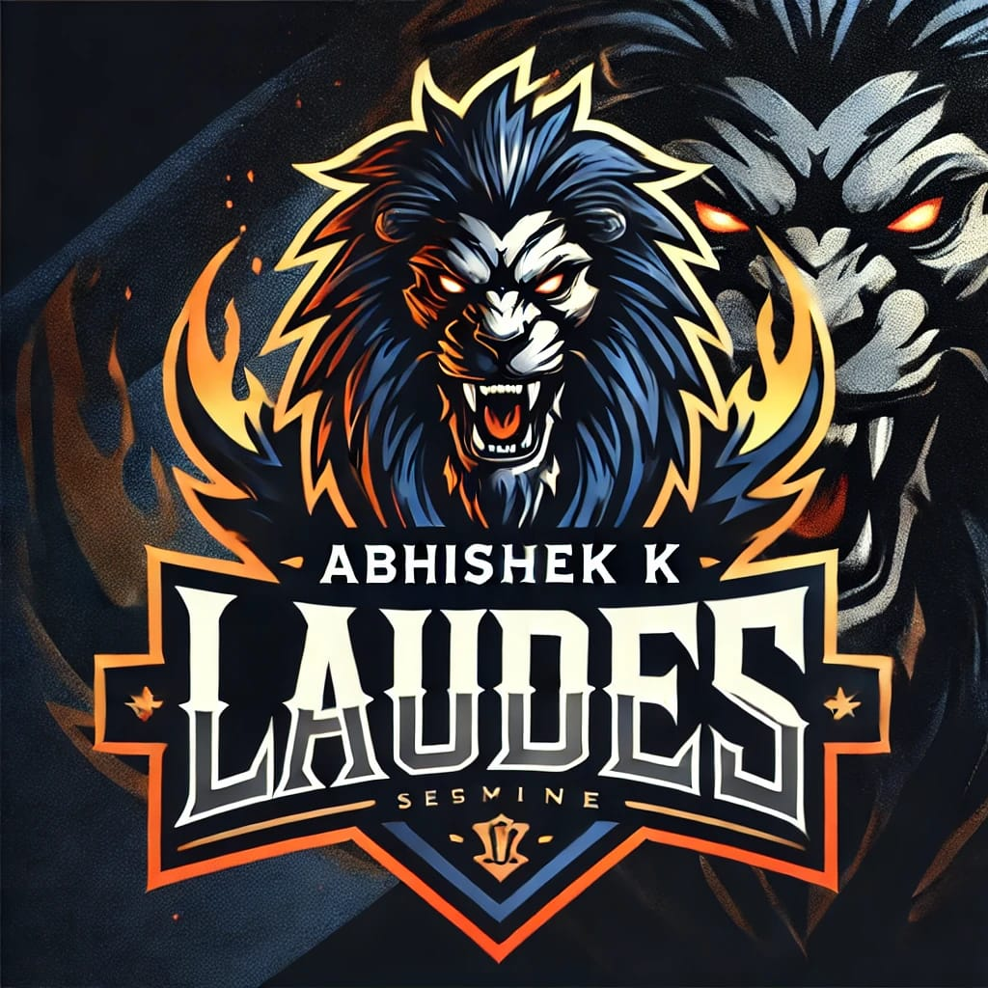
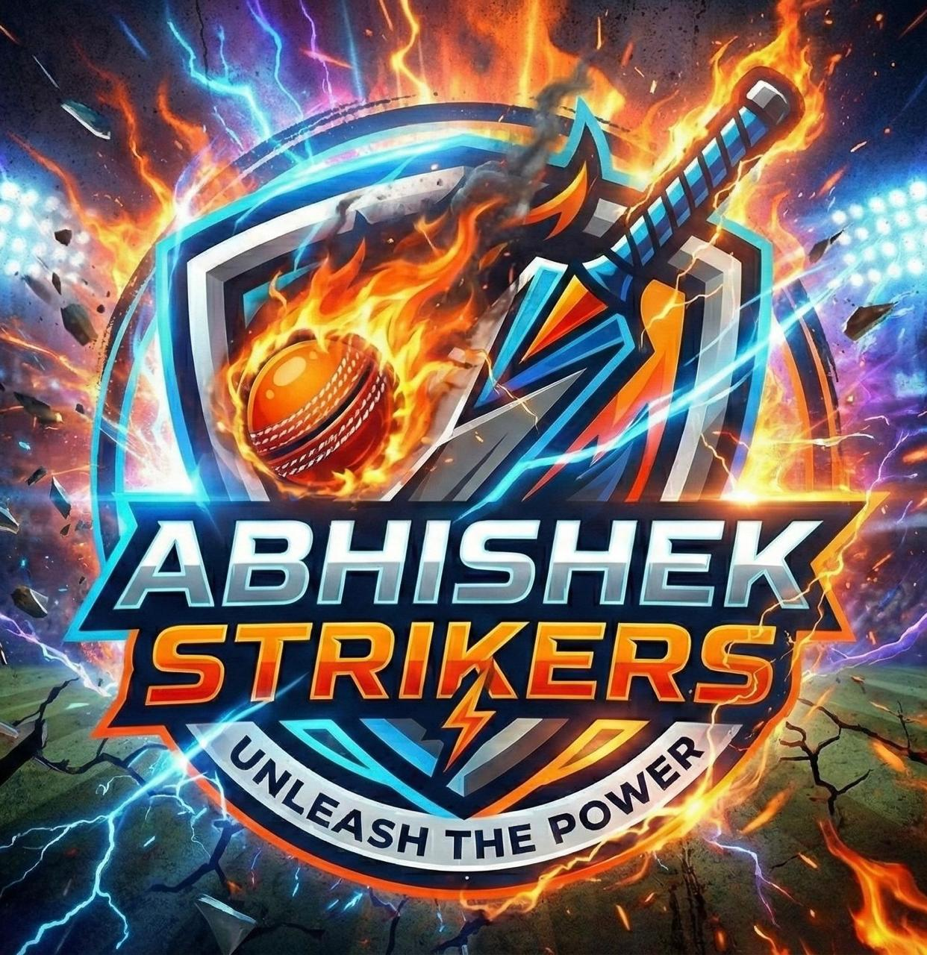
Sr no. | Name | Type | Overseas | Wicketkeeper | Capped/Uncapped | Bid Taken | Points | IPL | Number | Value | Compare | diff
2 | Shivam Dube | All-Rounder |  |  |  | ₹3.25 | 471 | CSK | 325.00 | 146.00 | 471 | 0
12 | Sanju Samson | Batter |  | Yes |  | ₹6.00 | 770 | CSK | 600.00 | 170.00 | 770 | 0 |  | 
3 | Sai Sudharsan | Batter |  |  |  | ₹6.50 | 1089 | GT | 650.00 | 439.00 | 1089 | 0
4 | Mohsin Khan | Bowler |  |  | Uncapped | ₹0.30 | 444 | LSG | 30.00 | 414.00 | 444 | 0
5 | Tilak Varma | Batter |  |  |  | ₹5.50 | 629 | MI | 550.00 | 79.00 | 629 | 0
6 | Quinton de Kock | Batter | Yes |  |  | ₹3.00 | 221 | MI | 300.00 | -79.00 | 221 | 0
10 | Jasprit Bumrah | Bowler |  |  |  | ₹11.00 | 301 | MI | 1,100.00 | -799.00 | 301 | 0
1 | Harpreet Brar | All-Rounder |  |  | Uncapped | ₹0.30 | 98 | PBSK | 30.00 | 68.00 | 98 | 0
9 | Yuzvendra Chahal | Bowler |  |  |  | ₹8.50 | 433 | PBSK | 850.00 | -417.00 | 433 | 0
11 | Romario Shepherd | All-Rounder | Yes |  |  | ₹2.50 | 399 | RCB | 250.00 | 149.00 | 399 | 0
14 | Vaibhav Suryavanshi | All-Rounder |  |  | Uncapped | ₹7.55 | 1211 | RR | 755.00 | 456.00 | 1211 | 0
8 | Ravi Bishnoi | Bowler |  |  |  | ₹6.00 | 401 | RR | 600.00 | -199.00 | 401 | 0
15 | Abhishek Sharma | All-Rounder |  |  |  | ₹12.50 | 955 | SRH | 1,250.00 | -295.00 | 955 | 0
13 | Ishan Kishan | Batter |  | Yes |  | ₹10.50 | 996 | SRH | 1,050.00 | -54.00 | 996 | 0
3 | Pat Cummins | All-Rounder | Yes |  |  | ₹6.00 | 357 | SRH | 600.00 | -243 | 357 | 0
 |  |  |  |  |  | TOP 12 | 8155
 |  |  |  |  |  | TOTAL | 8775

 |  |  |  |  |  | Missed Top 12 Combo | 8402 | Diffrence | 247 |  |  |  | Abhishek Strikers
 |  |  |  |  |  |  |  |  |  |  |  |  | Tournament leader at the start.
Sr no. | Name | Type | Overseas | Wicketkeeper | Capped/Uncapped | Bid Taken(cr) | Points | IPL | Number | Value |  |  | Dominated early April.
1 | Rasikh Dar | Bowler |  |  | Uncapped | ₹0.30 | 604 | RCB | 30.00 | 574 |  |  | Lost the lead to Pranav Astra.
2 | Matheesha Pathirana | Bowler |  |  | Capped | ₹7.00 | 8 | KKR | 700.00 | -692 |  |  | Mounted several comebacks and briefly returned to first in late April.
7 | Nathan Ellis | Bowler |  |  |  | ₹3.00 | 0 | CSK | 450 | -450 |  |  | Finished third.

Points
 |  |  |  |  |  |  |  |  |  |  |  |  | Story: Early king who fought until the very end.

Not Counted
 | Points
Harpreet Brar | 98
Quinton de Kock | 221
Jasprit Bumrah | 301

Sr no. | Name | Type | Overseas | Wicketkeeper | Capped/Uncapped | Bid Taken(cr) | Points | IPL | Number | Value
1 | Yudhvir Singh | All-Rounder |  |  | Uncapped | ₹0.30 | 0 | RR | 30.00 | -30

PA


Sr no. | Name | Type | Overseas | Wicketkeeper | Capped/Uncapped | Bid Taken | Points | IPL | Number | Value | Compare | Diff
4 | Dewald Brevis | Batter | Overseas |  | Capped | ₹5.50 | 357 | CSK | 550.00 | -193 | 357 | 0
8 | Noor Ahmad | Bowler | Overseas |  | Capped | ₹5.00 | 520 | CSK | 500.00 | 20 | 520 | 0 | 
3 | Auqib Nabi | All-Rounder |  |  | Uncapped | ₹0.30 | 56 | DC | 30.00 | 26 | 56 | 0
6 | Jos Buttler | Batter | Overseas | Wicketkeeper | Capped | ₹11.50 | 1,037 | GT | 1,150.00 | -113 | 1037 | 0
10 | Prasidh Krishna | Bowler |  |  | Capped | ₹4.75 | 572 | GT | 475.00 | 97 | 572 | 0
2 | Vaibhav Arora | Bowler |  |  | Uncapped | ₹4.05 | 405 | KKR | 405.00 | 0 | 405 | 0
12 | Aiden Markram | All-Rounder | Overseas |  | Capped | ₹4.25 | 431 | LSG | 425.00 | 6 | 431 | 0
13 | Will Jacks | All-Rounder | Overseas |  | Capped | ₹5.50 | 307 | MI | 550.00 | -243 | 307 | 0
1 | Nehal Wadhera | Batter |  |  | Uncapped | ₹7.05 | 127 | PBSK | 705.00 | -578 | 127 | 0
7 | Shreyas Iyer | Batter |  |  | Capped | ₹8.50 | 815 | PBSK | 850.00 | -35 | 815 | 0
9 | Devdutt Padikkal | Batter |  |  | Capped | ₹2.00 | 835 | RCB | 200.00 | 635 | 835 | 0
11 | Virat Kohli | Batter |  |  | Capped | ₹17.00 | 1,060 | RCB | 1,700.00 | -640 | 1060 | 0
5 | Riyan Parag | All-Rounder |  |  | Capped | ₹2.50 | 564 | RR | 250.00 | 314 | 564 | 0
14 | Harshal Patel | All-Rounder |  |  | Capped | ₹2.00 | 40 | SRH | 200.00 | -160 | 40 | 0
15 | Heinrich Klaasen | Batter | Overseas | Wicketkeeper | Capped | ₹6.50 | 1,016 | SRH | 650.00 | 366 | 1016 | 0
 |  |  |  |  |  | TOP 12 | 7,919
 |  |  |  |  |  | TOTAL | 8,142
 |  |  |  |  |  | Missed Top 12 Combo | 8,038 | Diffrence | 119

 |  |  |  |  |  |  |  |  |  |  |  | Pranav Astra
Sr no. | Name | Type | Overseas | Wicketkeeper | Capped/Uncapped | Bid Taken(cr) | Points | IPL | Number | Value |  | One of the most consistent teams.
1 | Nitish Rana | All-Rounder |  |  | Capped | ₹2.00 | 381 | DC | 200.00 | 181 |  | Dominated mid-April.
2 | Trent Boult | Bowler |  |  | Capped | ₹7.00 | 109 | MI | 700.00 | -591 |  | Led for the longest uninterrupted stretch.
3 | Venkatesh Iyer | All-Rounder |  |  | capped | ₹5.50 | 332 | RCB | 550.00 | -218 |  | Stayed in the title race deep into the tournament.
 |  |  |  |  |  |  |  |  |  |  |  | Eventually overtaken by faster-growing rivals.
Points
 |  |  |  |  |  |  |  |  |  |  |  | Story: The mid-season powerhouse.

Not Counted
 | Points
Harshal Patel | 40
Auqib Nabi | 56
Nehal Wadhera | 127

Sr no. | Name | Type | Overseas | Wicketkeeper | Capped/Uncapped | Bid Taken(cr) | Points | IPL | Number | Value
1 | yash Dayal | Bowler |  |  | Uncapped | ₹5.50 | 0 | RCB | 550.00 | -550
2 | Shardul Thakur | All-Rounder |  |  | Capped | ₹0.75 | 402 | MI | 75.00 | 327
3 | Rahul Chahar | Bowler |  |  | Capped | ₹1.75 | 12 | CSK | 175.00 | -163

MC


Sr no. | Name | Type | Overseas | Wicketkeeper | Capped/Uncapped | Bid Taken | Points | IPL | Number | Value | Compare | Diff
1 | Ayush Mhatre + Sandeep Sharma | Batter |  |  | Uncapped | ₹6.55 | 312 | CSK + RR | 500 | -188 | 311 | 1
9 | MS Dhoni | Batter |  | YES | Uncapped | ₹2.00 | 0 | CSK | 1100 | -1100 | 0 | 0 | 
7 | Mitchell Starc | Bowler | YES |  |  | ₹5.50 | 404 | DC | 250 | 154 | 404 | 0
4 | Glenn Phillips | Batter | YES |  |  | ₹1.50 | 165 | GT | 30 | 135 | 165 | 0
10 | Sunil Narine | All-Rounder | YES |  |  | ₹7.50 | 688 | KKR | 600 | 88 | 688 | 0
12 | Ajinkya Rahane | Batter |  |  |  | ₹4.75 | 550 | KKR | 700 | -150 | 550 | 0
3 | Ayush Badoni | All-Rounder |  |  | Uncapped | ₹3.00 | 348 | LSG | 450 | -102 | 348 | 0
6 | Hardik Pandya | All-Rounder |  |  |  | ₹15.00 | 462 | MI | 800 | -338 | 462 | 0
5 | Suryakumar Yadav | Batter |  |  |  | ₹16.50 | 432 | MI | 850 | -418 | 432 | 0
8 | Rohit Sharma | Batter |  |  |  | ₹5.50 | 422 | MI | 1100 | -678 | 422 | 0
2 | Priyansh Arya | All-Rounder |  |  | Uncapped | ₹7.05 | 585 | PBSK | 300 | 285 | 585 | 0
13 | Phil Salt | Batter | YES | YES |  | ₹6.50 | 348 | RCB | 1000 | -652 | 348 | 0
11 | Bhuvneshwar Kumar | Bowler |  |  |  | ₹3.00 | 1051 | RCB | 850 | 201 | 1051 | 0
14 | Josh Hazlewood | Bowler | YES |  |  | ₹4.00 | 643 | RCB | 750 | -107 | 643 | 0
15 | Shimron Hetmyer | Batter | YES |  |  | ₹0.75 | 169 | RR | 250 | -81 | 169 | 0
 |  |  |  |  |  | TOP 12 | 6245
 |  |  |  |  |  | TOTAL | 6579
 |  |  |  |  |  | Missed Top 12 Combo | 6,406 | Diffrence | 161 |  |  | Mehul Challengers
 |  |  |  |  |  |  |  |  |  |  |  | Excellent early momentum.
 |  |  |  |  |  |  |  |  |  |  |  | Reached second place during the opening weeks.
Sr no. | Name | Type | Overseas | Wicketkeeper | Capped/Uncapped | Bid Taken(cr) | Points | IPL | Number | Value |  | Could not sustain the pace set by the leading teams.
1 | Sandeep Sharma | Bowler |  |  |  | ₹2.50 | 193 | RR | ₹250.00 | -₹57.00 |  | Continued steady growth but gradually fell behind.
2 | Marco Jansen | All-Rounder |  |  |  | ₹8.00 | 473 | PBSK | ₹800.00 | -₹327.00
 |  |  |  |  |  |  |  |  |  |  |  | Story: Fast starter, steady finisher.
Points

Not Counted
 | Points
MS Dhoni | 0
Glenn Phillips | 165
Shimron Hetmyer | 169

OL

Sr no. | Name | Type | Overseas | Wicketkeeper | Capped/Uncapped | Bid Taken | Points | IPL | Number | Value | Compare | Diff
1 | Prashant Veer | All-Rounder |  |  | Uncapped | ₹3.05 | 139 | CSK | 305.00 | -166 | 139 | 0
4 | Ruturaj Gaikwad | Batter |  |  | Capped | ₹12.00 | 532 | CSK | 1,200.00 | -668 | 532 | 0 | 
6 | Axar Patel | All-Rounder |  |  | Capped | ₹8.00 | 724 | DC | 800.00 | -76 | 724 | 0
3 | Abhishek Porel | Batter |  | yes | Uncapped | ₹0.80 | 157 | DC | 80.00 | 77 | 157 | 0
13 | KL Rahul | Batter |  | yes | Capped | ₹9.50 | 903 | DC | 950.00 | -47 | 903 | 0
5 | Rashid Khan | Bowler | yes |  | Capped | ₹5.50 | 874 | GT | 550.00 | 324 | 874 | 0
11 | Cameron Green | Batter | yes |  | Capped | ₹7.00 | 752 | KKR | 700.00 | 52 | 752 | 0
7 | Varun Chakaravarthy | Bowler |  |  | Capped | ₹4.75 | 433 | KKR | 475.00 | -42 | 433 | 0
2 | Digvesh Singh | Bowler |  |  | Uncapped | ₹0.30 | 245 | LSG | 30.00 | 215 | 245 | 0
9 | Rishabh Pant | Batter |  | yes | Capped | ₹8.50 | 560 | LSG | 850.00 | -290 | 560 | 0
12 | Arshdeep Singh | Bowler |  |  | Capped | ₹5.00 | 536 | PBSK | 500.00 | 36 | 536 | 0
15 | Krunal Pandya | All-Rounder |  |  | Capped | ₹2.50 | 836 | RCB | 250.00 | 586 | 836 | 0
8 | Rajat Patidar | Batter |  |  | Capped | ₹3.75 | 845 | RCB | 375.00 | 470 | 845 | 0
10 | Yashaswi Jaiswal | Batter |  |  | Capped | ₹11.50 | 693 | RR | 1,150.00 | -457 | 693 | 0
14 | Travis Head | Batter | yes |  | Capped | ₹8.00 | 653 | SRH | 800.00 | -147 | 653 | 0
 |  |  |  |  |  | TOP 12 | 8341
 |  |  |  |  |  | TOTAL | 8882
 |  |  |  |  |  | Missed Top 12 Combo | 8,960 | Diffrence | 619 |  |  | Onkar Legends
 |  |  |  |  |  |  |  |  |  |  |  | Began near the bottom.
Sr no. | Name | Type | Overseas | Wicketkeeper | Capped/Uncapped | Bid Taken(cr) | Points | IPL | Number | Value |  | Consistently climbed throughout April.
1 | Nitish Kumar Reddy | Batter |  |  | Capped | ₹1.25 | 798 | SRH | 125.00 | 673 |  | Never truly dominated the lead but became stronger every week.
2 | Naman Dhir | Batter |  |  | Uncapped | ₹2.80 | 553 | MI | 280.00 | 273 |  | Finished second after one of the tournament's best long-term growth curves.
3 | Finn Allen | Batter |  | yes | Capped | ₹2.00 | 552 | KKR | 200.00 | 352
 |  |  |  |  |  |  |  |  |  |  |  | Story: The tournament's biggest climber.

Points

Not Counted
 | Points
Prashant Veer | 139
Abhishek Porel | 157
Digvesh Singh | 245

Sr no. | Name | Type | Overseas | Wicketkeeper | Capped/Uncapped | Bid Taken(cr) | Points | IPL | Number | Value
1 | Rahul Tewatia | All-Rounder |  |  | Uncapped | ₹0.75 | 320 | GT | 75.00 | 245
2 | Jason Holder | All-Rounder |  |  | Capped | ₹2.25 | 769 | GT | 225.00 | 544
 |  |  |  |  |  |  |  |  | 0.00 | 0

STATS
Sr.No. | Team Name | TOP 12 | TOTAL | Ranking
2 | Himanshu Warriors | 9002 | 10097 | 1 |  | 1 |  | 5 |  |  | 2 |  | 3 |  |  | 4
4 | Onkar Legends | 8341 | 8882 | 2
1 | Abhishek Strikers | 8155 | 8775 | 3
3 | Pranav Astra | 7,919 | 8,142 | 4
5 | Mehul Challengers | 6245 | 6579 | 5

---- TOP PERFORMER ---- |  |  |  |  | ---- TOP BATTER ---- |  |  |  |  | ---- TOP BOWLER ---- |  |  |  |  | ---- TOP ALL-ROUNDER ----
Sr.No. | Name | Team | IPL | Points | Sr.No. | Name | Team | IPL | Points | Sr.No. | Name | Team | IPL | Points | Sr.No. | Name | Team | IPL | Points
1 | Vaibhav Suryavanshi | AS | RR | 1,211 | 1 | Shubman Gill | HW | GT | 1,178 | 1 | Jofra Archer | HW | RR | 1,083 | 1 | Vaibhav Suryavanshi | AS | RR | 1,211
2 | Shubman Gill | HW | GT | 1,178 | 2 | Sai Sudharsan | AS | GT | 1,089 | 2 | Bhuvneshwar Kumar | MC | RCB | 1,051 | 2 | Abhishek Sharma | AS | SRH | 955
3 | Sai Sudharsan | AS | GT | 1,089 | 3 | Virat Kohli | PA | RCB | 1,060 | 3 | Khaleel + Rabada | HW | CSK/GT | 1,048 | 3 | Mitchell Marsh | HW | LSG | 854
4 | Jofra Archer | HW | RR | 1,083 | 4 | Jos Buttler | PA | GT | 1,037 | 4 | Rashid Khan | OL | GT | 874 | 4 | Krunal Pandya | OL | RCB | 836
5 | Virat Kohli | PA | RCB | 1,060 | 5 | Heinrich Klaasen | PA | SRH | 1,016 | 5 | Mohammad Siraj | HW | GT | 775 | 5 | Axar Patel | OL | DC | 724

---- Team Wise: TOP 1 PERFORMER ---- |  |  |  |  | ---- Team Wise: TOP 1 BATTER---- |  |  |  |  | ---- Team Wise: TOP 1 BOWLER---- |  |  |  |  | ---- Team Wise: TOP 1 ALL-ROUNDER ----
Team | Name | Type | IPL | Points | Team | Name | Type | IPL | Points | Team | Name | Type | IPL | Points | Team | Name | Type | IPL | Points
HW | Shubman Gill | Batter | GT | 1178 | HW | Shubman Gill | Batter | GT | 1178 | HW | Jofra Archer | Bowler | RR | 1083 | HW | Mitchell Marsh | All-Rounder | LSG | 854
PA | Virat Kohli | Batter | RCB | 1,060 | PA | Virat Kohli | Batter | RCB | 1,060 | PA | Prasidh Krishna | Bowler | GT | 572 | PA | Riyan Parag | All-Rounder | RR | 564
MC | Bhuvneshwar Kumar | Bowler | RCB | 1,051 | MC | Ajinkya Rahane | Batter | KKR | 550 | MC | Bhuvneshwar Kumar | Bowler | RCB | 1,051 | MC | Sunil Narine | All-Rounder | KKR | 688
AS | Vaibhav Suryavanshi | All-Rounder | RR | 1211 | AS | Sai Sudharsan | Batter | GT | 1089 | AS | Rasikh Dar | Bowler | RCB | 604 | AS | Vaibhav Suryavanshi | All-Rounder | RR | 1211
OL | KL Rahul | Batter | DC | 903 | OL | KL Rahul | Batter | DC | 903 | OL | Rashid Khan | Bowler | GT | 874 | OL | Krunal Pandya | All-Rounder | RCB | 836

---- TOP VALUE FOR MONEY ---- |  |  |  |  | ---- TOP BATTER: VFM ---- |  |  |  |  | ---- TOP BOWLER: VFM ---- |  |  |  |  | ---- TOP ALL-ROUNDER: VFM ----
Sr.No. | Name | Team | IPL | Points | Sr.No. | Name | Team | IPL | Points | Sr.No. | Name | Team | IPL | Points | Sr.No. | Name | Team | IPL | Points
1 | Mohsin Khan | AS | LSG | 444 | 1 | Glenn Phillips | MC | GT | 165 | 1 | Mohsin Khan | AS | LSG | 444 | 1 | Krunal Pandya | OL | RCB | 836
2 | Digvesh Singh | OL | LSG | 245 | 2 | Devdutt Padikkal | PA | RCB | 835 | 2 | Digvesh Singh | OL | LSG | 245 | 2 | Harpreet Brar | AS | PBSK | 98
3 | Khaleel + Rabada | HW | CSK/GT | 1,048 | 3 | Rajat Patidar | OL | RCB | 845 | 3 | Khaleel + Rabada | HW | CSK/GT | 1,048 | 3 | Riyan Parag | PA | RR | 564
4 | Glenn Phillips | MC | GT | 165 | 4 | Abhishek Porel | OL | DC | 157 | 4 | Mohammed Shami | HW | LSG | 543 | 4 | Marcus Stoinis | HW | PBSK | 415
5 | Devdutt Padikkal | PA | RCB | 835 | 5 | Sai Sudharsan | AS | GT | 1,089 | 5 | Mohammad Siraj | HW | GT | 775 | 5 | Priyansh Arya | MC | PBSK | 585

---- HW: Uncapped Players ---- |  |  |  |  | ---- PA: Uncapped Players ---- |  |  |  |  | ---- MC: Uncapped Players ---- |  |  |  |  | ---- AS: Uncapped Players ----
Sr.No. | Name | Type | IPL | Points | Sr.No. | Name | Type | IPL | Points | Sr.No. | Name | Type | IPL | Points | Sr.No. | Name | Type | IPL | Points
1 | Prabhsimran Singh | Batter | PBSK | 831 | 1 | Vaibhav Arora | Bowler | KKR | 405 | 1 | Priyansh Arya | All-Rounder | PBSK | 585 | 1 | Vaibhav Suryavanshi | All-Rounder | RR | 1211
2 | Angkrish Raghuvanshi | Batter | KKR | 676 | 2 | Nehal Wadhera | Batter | PBSK | 127 | 2 | Ayush Badoni | All-Rounder | LSG | 348 | 2 | Rasikh Dar | Bowler | RCB | 604
3 | Shashank Singh | Batter | PBSK | 350 | 3 | Auqib Nabi | All-Rounder | DC | 56 | 3 | Ayush Mhatre + Sandeep Sharma | Batter | CSK + RR | 312 | 3 | Mohsin Khan | Bowler | LSG | 444

---- OL: Uncapped Players ---- |  |  |  |  | ---- HW: Not Counted Players ---- |  |  |  |  | ---- PA: Not Counted Players ---- |  |  |  |  | ---- MC: Not Counted Players ----
Sr.No. | Name | Type | IPL | Points | Sr.No. | Name | Type | IPL | Points | Sr.No. | Name | Type | IPL | Points | Sr.No. | Name | Type | IPL | Points
1 | Digvesh Singh | Bowler | LSG | 245 | 1 | Shashank Singh | Batter | PBSK | 350 | 1 | Harshal Patel | All-Rounder | SRH | 40 | 1 | MS Dhoni | Batter | CSK | 0
2 | Abhishek Porel | Batter | DC | 157 | 2 | Jitesh Sharma | Batter | RCB | 357 | 2 | Auqib Nabi | All-Rounder | DC | 56 | 2 | Glenn Phillips | Batter | GT | 165
3 | Prashant Veer | All-Rounder | CSK | 139 | 3 | Kuldeep Yadav | Bowler | DC | 388 | 3 | Nehal Wadhera | Batter | PBSK | 127 | 3 | Shimron Hetmyer | Batter | RR | 169

---- AS: Not Counted Players ---- |  |  |  |  | ---- OL: Not Counted Players ---- |  |  |  |  | ---- Top Performing Extras ---- |  |  |  |  |  | MS Dhoni | Batter | CSK | 0
Sr.No. | Name | Type | IPL | Points | Sr.No. | Name | Type | IPL | Points | Sr.No. | Player Name | IPL | Pts |  |  | Crayon Dream Team | 12,627
1 | Harpreet Brar | All-Rounder | PBSK | 98 | 1 | Prashant Veer | All-Rounder | CSK | 139 | 1 | Cooper Connolly | PBSK | 790
2 | Quinton de Kock | Batter | MI | 221 | 2 | Abhishek Porel | Batter | DC | 157 | 2 | Jason Holder | GT | 769 |  |  | Crayon Uncapped Team | 6168
3 | Jasprit Bumrah | Bowler | MI | 301 | 3 | Digvesh Singh | Bowler | LSG | 245 | 3 | Tim David | RCB | 510 |  |  | *Above datais are according to players sold in auction
 |  |  |  |  |  |  |  |  |  |  |  |  |  |  |  | This game may be habit-forming or financially risky. Play responsibly.
 |  |  | Tournament Story The tournament began under the banner of Abhishek Strikers, who stormed out of the gates and controlled the early standings. For nearly two weeks, they looked unstoppable, fending off challenges from Mehul Challengers and a steadily improving Pranav Astra. Then came the first shock. On 1 April, Himanshu Warriors unleashed a massive scoring surge and briefly captured first place. But the battle was only beginning. Abhishek Strikers fought back, reclaiming control before Pranav Astra launched their own assault on 12 April and seized the crown. For the next nine days, Pranav Astra ruled the leaderboard. Their consistency made them look like clear favorites, while Himanshu Warriors, Onkar Legends, and Abhishek Strikers fought fiercely behind them. Every week brought new twists, and the gap between the contenders continued to shrink. Late April changed everything. Abhishek Strikers mounted a remarkable comeback and briefly returned to the summit on 26 April. Yet their celebration was short-lived. Just two days later, Himanshu Warriors surged ahead once more—and this time they never looked back. Meanwhile, Onkar Legends quietly produced the tournament's most impressive rise. Starting near the bottom, they climbed relentlessly, overtaking rivals one by one until they became the closest challenger to the leaders. As May unfolded, the championship became a three-way fight between Himanshu Warriors, Onkar Legends, and Abhishek Strikers. Pranav Astra remained dangerous, but the momentum had shifted. Every scoring update seemed to tighten the race before Himanshu Warriors delivered one final push. When the tournament ended on 31 May, Himanshu Warriors stood atop the mountain with 9,002 points. Onkar Legends completed an extraordinary climb to second, Abhishek Strikers secured third after their long battle at the front, and Pranav Astra's dominant mid-season run became one of the defining chapters of an unforgettable competition.

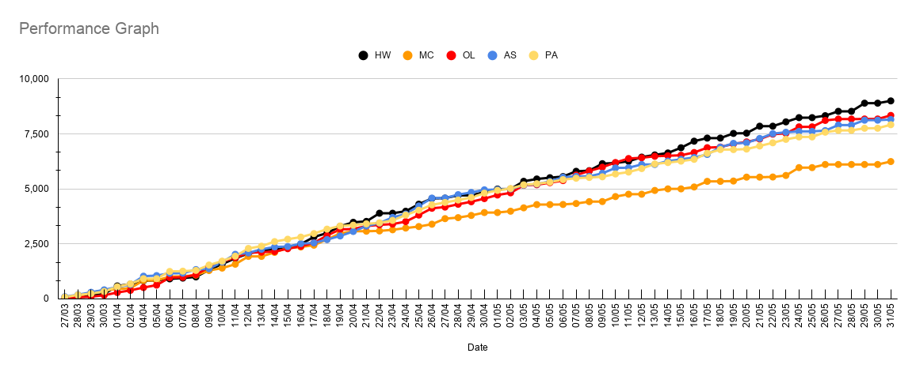
Team | Missed Top 12 Points | Diff |  |  |  |  |  |  |  |  |  |  |  |  | Team | Points Gained Today Overall
HW | 9600 | 598 |  |  |  |  |  |  |  |  |  |  |  |  | HW | +140
MC | 6,406 | 161 |  |  |  |  |  |  |  |  |  |  |  |  | MC | +134
OL | 8,960 | 619 |  |  |  |  |  |  |  |  |  |  |  |  | OL | +161
AS | 8402 | 247 |  |  |  |  |  |  |  |  |  |  |  |  | AS | +30
PA | 8,038 | 119 |  |  |  |  |  |  |  |  |  |  |  |  | PA | +160

 |  |  |  |  |  |  |  |  |  |  |  |  |  |  | Team | Points Gained Today Top12
 |  |  |  |  |  |  |  |  |  |  |  |  |  |  | HW | +104
 |  |  |  |  |  |  |  |  |  |  |  |  |  |  | MC | +134
 |  |  |  |  |  |  |  |  |  |  |  |  |  |  | OL | +161
 |  |  |  |  |  |  |  |  |  |  |  |  |  |  | AS | +30
 |  |  |  |  |  |  |  |  |  |  |  |  |  |  | PA | +160

HW
 | Points | Points
Khaleel Ahmed + Rabada | 1048 | 1048
Tristan Stubbs | 459 | 459
Kuldeep Yadav | 388 | 388
Shubman Gill | 1178 | 1178
Mohammad Siraj | 775 | 775
Angkrish Raghuvanshi | 676 | 676
Mitchell Marsh | 854 | 854
Nicholas Pooran | 425 | 425
Marcus Stoinis | 415 | 415
Prabhsimran Singh | 831 | 831
Shashank Singh | 350 | 350
Jitesh Sharma | 357 | 357
Jofra Archer | 1083 | 1083
Ravindra Jadeja | 715 | 715
Mohammed Shami | 543 | 543

AS
 | Points | Points
Shivam Dube | 471 | 471
Sanju Samson | 770 | 770
Sai Sudharsan | 1089 | 1089
Mohsin Khan | 444 | 444
Tilak Varma | 629 | 629
Quinton de Kock | 221 | 221
Jasprit Bumrah | 301 | 301
Harpreet Brar | 98 | 98
Yuzvendra Chahal | 433 | 433
Romario Shepherd | 399 | 399
Vaibhav Suryavanshi | 1211 | 1211
Ravi Bishnoi | 401 | 401
Abhishek Sharma | 955 | 955
Ishan Kishan | 996 | 996
Pat Cummins | 357 | 357

PA
 | Points | Points
Dewald Brevis | 357 | 357
Noor Ahmad | 520 | 520
Auqib Nabi | 56 | 56
Jos Buttler | 1,037 | 1,037
Prasidh Krishna | 572 | 572
Vaibhav Arora | 405 | 405
Aiden Markram | 431 | 431
Will Jacks | 307 | 307
Nehal Wadhera | 127 | 127
Shreyas Iyer | 815 | 815
Devdutt Padikkal | 835 | 835
Virat Kohli | 1,060 | 1,060
Riyan Parag | 564 | 564
Harshal Patel | 40 | 40
Heinrich Klaasen | 1,016 | 1,016

MC
 | Points | Points
Ayush Mhatre + Sandeep Sharma | 312 | 312
MS Dhoni | 0 | 0
Mitchell Starc | 404 | 404
Glenn Phillips | 165 | 165
Sunil Narine | 688 | 688
Ajinkya Rahane | 550 | 550
Ayush Badoni | 348 | 348
Hardik Pandya | 462 | 462
Suryakumar Yadav | 432 | 432
Rohit Sharma | 422 | 422
Priyansh Arya | 585 | 585
Phil Salt | 348 | 348
Bhuvneshwar Kumar | 1051 | 1051
Josh Hazlewood | 643 | 643
Shimron Hetmyer | 169 | 169

OL
 | Points | Points
Prashant Veer | 139 | 139
Ruturaj Gaikwad | 532 | 532
Axar Patel | 724 | 724
Abhishek Porel | 157 | 157
KL Rahul | 903 | 903
Rashid Khan | 874 | 874
Cameron Green | 752 | 752
Varun Chakaravarthy | 433 | 433
Digvesh Singh | 245 | 245
Rishabh Pant | 560 | 560
Arshdeep Singh | 536 | 536
Krunal Pandya | 836 | 836
Rajat Patidar | 845 | 845
Yashaswi Jaiswal | 693 | 693
Travis Head | 653 | 653

 |  |  |  |  |  |  | Copyright © IPL 2026 All Rights Reserved.

Extra
Extras

Sr. No | Player Name | Old Pts | Match Pts | Pts | IPL
1 | Ashutosh Sharma | 286 | 0 | 286 | DC
2 | Ben Duckett | 0 | 0 | 0 | DC
3 | Corbin Bosch | 507 | 0 | 507 | MI
4 | Tim David | 475 | 35 | 510 | RCB
5 | Cooper Connolly | 790 | 0 | 790 | PBSK
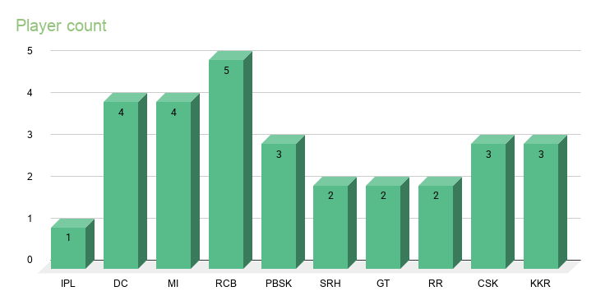
6 | Liam Livingstone | 57 | 0 | 57 | SRH
7 | Vijaykumar Vyshak | 267 | 0 | 267 | PBSK
8 | Suyash Sharma | 350 | 0 | 350 | RCB
9 | David Miller | 384 | 0 | 384 | DC
10 | Rahul Tewatia | 308 | 12 | 320 | GT
11 | Jason Holder | 752 | 17 | 769 | GT
12 | Yudhvir Singh | 0 | 0 | 0 | RR
13 | Yash Dayal | 0 | 0 | 0 | RCB
14 | Shardul Thakur | 402 | 0 | 402 | MI
15 | Rahul Chahar | 12 | 0 | 12 | CSK
16 | Nitish Rana | 381 | 0 | 381 | DC
18 | Marco Jansen | 473 | 0 | 473 | PBSK
19 | Kartik Sharma | 439 | 0 | 439 | CSK
20 | Nathan Ellis | 0 | 0 | 0 | CSK
21 | Rasikh Salam | 511 | 93 | 604 | RCB
22 | Venkatesh Iyer | 278 | 54 | 332 | RCB
23 | Sandeep Sharma | 1 | 192 | 1 | RR
24 | Rinku Singh | 536 | 0 | 536 | KKR
25 | Finn Allen | 552 | 0 | 552 | KKR
26 | Matheesha Pathirana | 8 | 0 | 8 | KKR
27 | Nitish Kumar Reddy | 798 | 0 | 798 | SRH
28 | Naman Dhir | 553 | 0 | 553 | MI
29 | Trent Boult | 40 | 0 | 40 | MI

