Erd
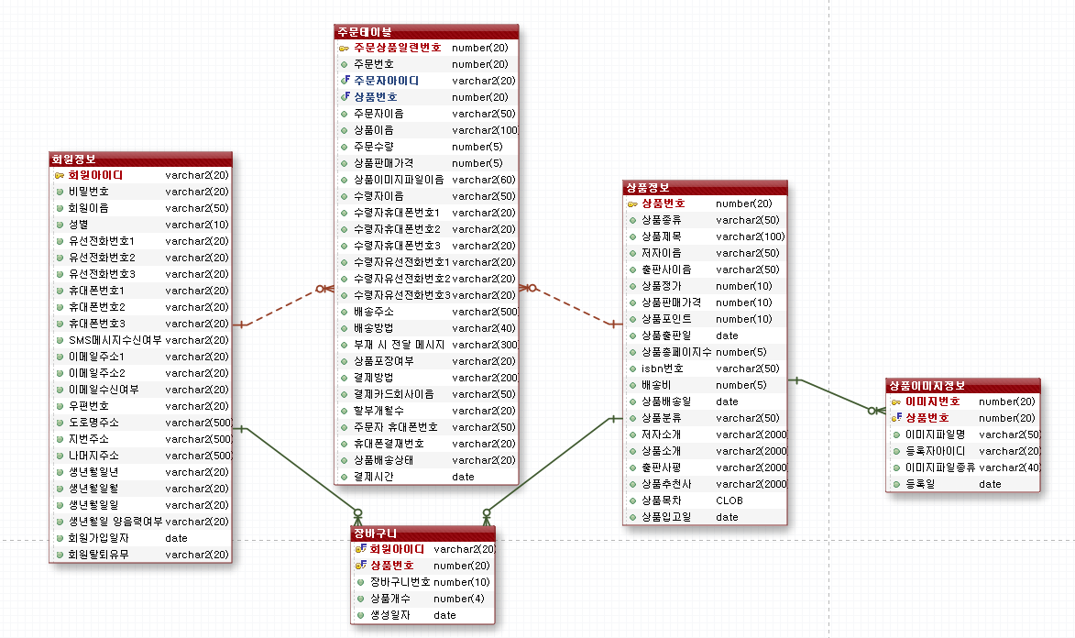
T_GOODS_DETAIL_IMAGE |  | T_SHOPPING_GOODS |  |  | T_SHOPPING_CART
CREATE TABLE "T_GOODS_DETAIL_IMAGE" |  | CREATE TABLE "T_SHOPPING_GOODS" |  |  | CREATE TABLE "T_SHOPPING_CART"
( | IMAGE_ID NUMBER(20,0) primary key, | ( | GOODS_ID NUMBER(20,0) primary key, |  | ( | CART_ID NUMBER(10,0) primary key,
 | GOODS_ID NUMBER(20,0), |  | GOODS_SORT VARCHAR2(50 BYTE), |  |  | GOODS_ID NUMBER(20,0),
 | FILENAME VARCHAR2(50 BYTE), |  | GOODS_TITLE VARCHAR2(100 BYTE), |  |  | MEMBER_ID VARCHAR2(20 BYTE),
 | REG_ID VARCHAR2(20 BYTE), |  | GOODS_WRITER VARCHAR2(50 BYTE), |  |  | DEL_YN VARCHAR2(20 BYTE) DEFAULT 'N',
 | FILETYPE VARCHAR2(40 BYTE), |  | GOODS_PUBLISHER VARCHAR2(50 BYTE), |  |  | CREDATE DATE DEFAULT sysdate,
 | CREDATE DATE DEFAULT sysdate |  | GOODS_PRICE NUMBER(10,0), |  |  | CART_GOODS_QTY NUMBER(4,0) DEFAULT 1
) ; |  |  | GOODS_SALES_PRICE NUMBER(10,0), |  | ) ;
 |  |  | GOODS_POINT NUMBER(10,0),
 |  |  | GOODS_PUBLISHED_DATE DATE,
 |  |  | GOODS_TOTAL_PAGE NUMBER(5,0),
 |  |  | GOODS_ISBN VARCHAR2(50 BYTE),
 |  |  | GOODS_DELIVERY_PRICE NUMBER(10,0),
 |  |  | GOODS_DELIVERY_DATE DATE,
 |  |  | GOODS_STATUS VARCHAR2(50 BYTE),
 |  |  | GOODS_INTRO VARCHAR2(2000 BYTE),
 |  |  | GOODS_WRITER_INTRO VARCHAR2(2000 BYTE),
 |  |  | GOODS_PUBLISHER_COMMENT VARCHAR2(2000 BYTE),
 |  |  | GOODS_RECOMMENDATION VARCHAR2(2000 BYTE),
 |  |  | GOODS_CONTENTS_ORDER CLOB,
 |  |  | GOODS_CREDATE DATE DEFAULT sysdate
 |  | ) ;

T_SHOPPING_MEMBER |  |  | T_SHOPPING_ORDER
CREATE TABLE "T_SHOPPING_MEMBER" |  |  | CREATE TABLE "T_SHOPPING_ORDER"
( | MEMBER_ID VARCHAR2(20 BYTE) primary key, |  | ( | ORDER_SEQ_NUM NUMBER(20,0) primary key,
 | MEMBER_PW VARCHAR2(30 BYTE), |  |  | ORDER_ID NUMBER(20,0),
 | MEMBER_NAME VARCHAR2(50 BYTE), |  |  | MEMBER_ID VARCHAR2(20 BYTE),
 | MEMBER_GENDER VARCHAR2(10 BYTE), |  |  | GOODS_ID NUMBER(20,0),
 | TEL1 VARCHAR2(20 BYTE), |  |  | ORDERER_NAME VARCHAR2(50 BYTE),
 | TEL2 VARCHAR2(20 BYTE), |  |  | GOODS_TITLE VARCHAR2(100 BYTE),
 | TEL3 VARCHAR2(20 BYTE), |  |  | ORDER_GOODS_QTY NUMBER(5,0),
 | HP1 VARCHAR2(20 BYTE), |  |  | GOODS_SALES_PRICE NUMBER(5,0),
 | HP2 VARCHAR2(20 BYTE), |  |  | GOODS_FILENAME VARCHAR2(60 BYTE),
 | HP3 VARCHAR2(20 BYTE), |  |  | RECEIVER_NAME VARCHAR2(50 BYTE),
 | SMSSTS_YN VARCHAR2(20 BYTE), |  |  | RECEIVER_HP1 VARCHAR2(20 BYTE),
 | EMAIL1 VARCHAR2(20 BYTE), |  |  | RECEIVER_HP2 VARCHAR2(20 BYTE),
 | EMAIL2 VARCHAR2(20 BYTE), |  |  | RECEIVER_HP3 VARCHAR2(20 BYTE),
 | EMAILSTS_YN VARCHAR2(20 BYTE), |  |  | RECEIVER_TEL1 VARCHAR2(20 BYTE),
 | ZIPCODE VARCHAR2(20 BYTE), |  |  | RECEIVER_TEL2 VARCHAR2(20 BYTE),
 | ROADADDRESS VARCHAR2(500 BYTE), |  |  | RECEIVER_TEL3 VARCHAR2(20 BYTE),
 | JIBUNADDRESS VARCHAR2(500 BYTE), |  |  | DELIVERY_ADDRESS VARCHAR2(500 BYTE),
 | NAMUJIADDRESS VARCHAR2(500 BYTE), |  |  | DELIVERY_METHOD VARCHAR2(40 BYTE),
 | MEMBER_BIRTH_Y VARCHAR2(20 BYTE), |  |  | DELIVERY_MESSAGE VARCHAR2(300 BYTE),
 | MEMBER_BIRTH_M VARCHAR2(20 BYTE), |  |  | GIFT_WRAPPING VARCHAR2(20 BYTE),
 | MEMBER_BIRTH_D VARCHAR2(20 BYTE), |  |  | PAY_METHOD VARCHAR2(200 BYTE),
 | MEMBER_BIRTH_GN VARCHAR2(20 BYTE), |  |  | CARD_COM_NAME VARCHAR2(50 BYTE),
 | JOINDATE DATE DEFAULT sysdate, |  |  | CARD_PAY_MONTH VARCHAR2(20 BYTE),
 | DEL_YN VARCHAR2(20 BYTE) DEFAULT 'N' |  |  | PAY_ORDERER_HP_NUM VARCHAR2(20 BYTE),
) ; |  |  |  | DELIVERY_STATE VARCHAR2(20 BYTE) DEFAULT 'delivery_prepared',
 |  |  |  | PAY_ORDER_TIME DATE DEFAULT sysdate,
 |  |  |  | ORDERER_HP VARCHAR2(50 BYTE)
 |  |  | ) ;

화면설계
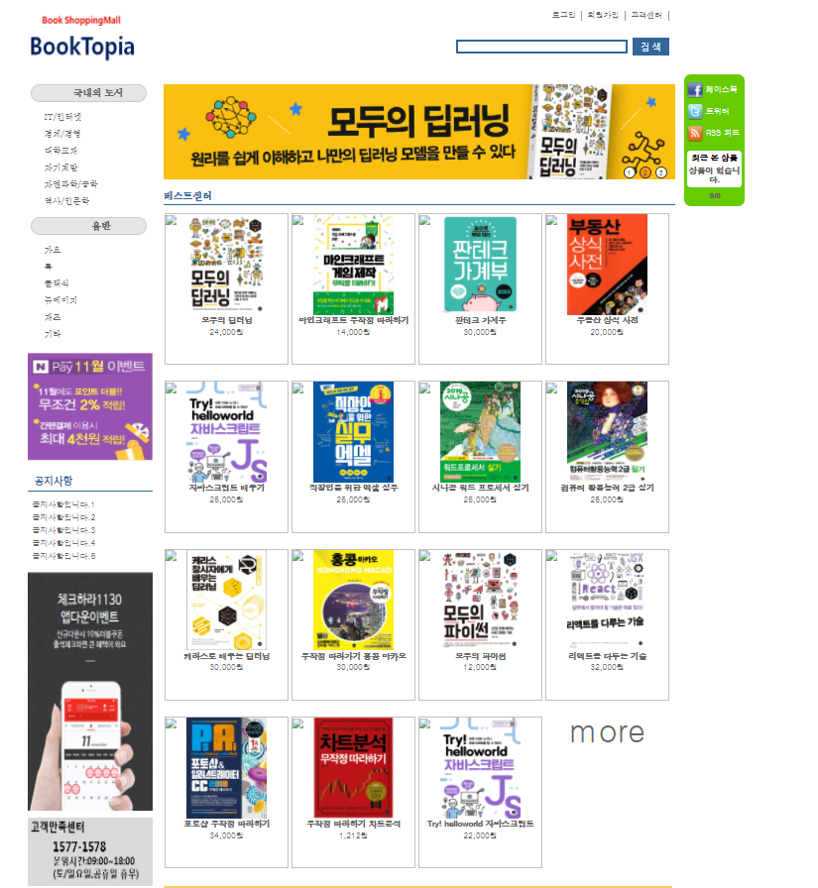

search
quick
Menu

side
Menu1
side
Menu2
header

Goods1
Goods2
Goods3

Goods4
Goods5
Goods6

main
banner1
main
banner2

Goods7
Goods8
Goods9

