Front
Financial Analysis project

Hindustan Unilever Limited

Mukesh Kumar

Intro
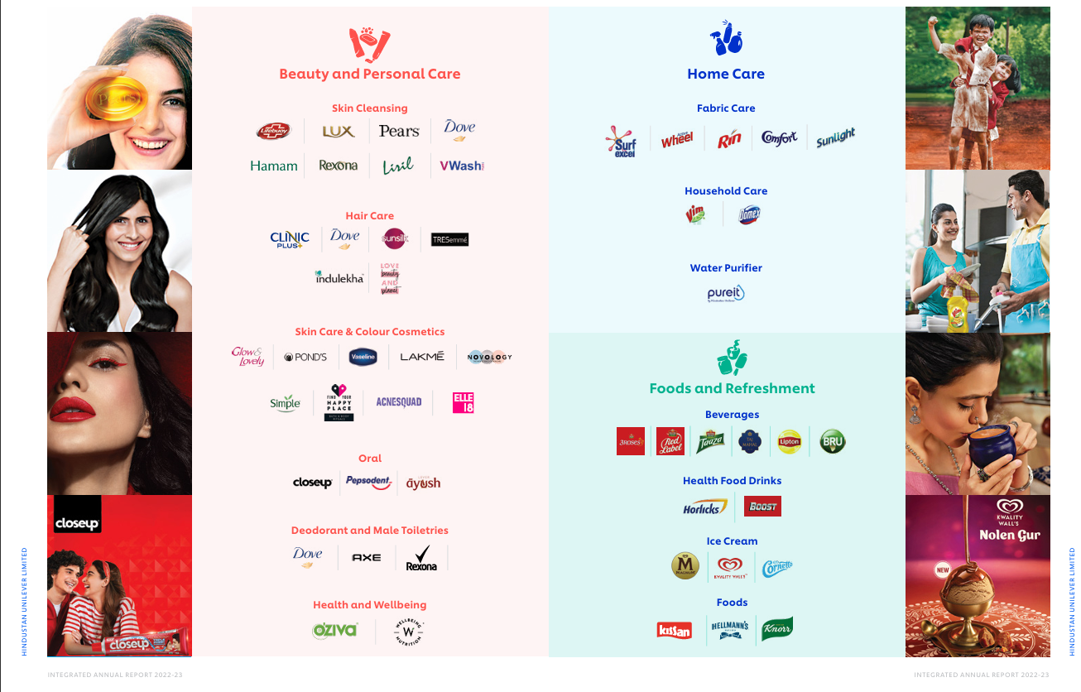
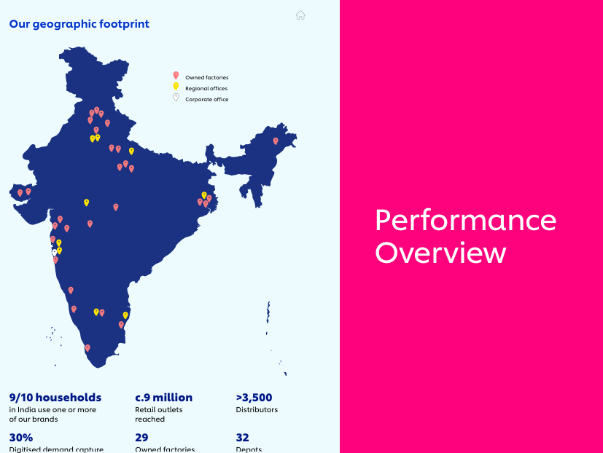
Hindustan Unilever Limited
Hindustan Unilever Limited (HUL) is India's largest fast-moving consumer goods (FMCG) company and a subsidiary of the British-Dutch multinational Unilever. Established in 1933, HUL has grown to become one of India's most trusted and valuable companies, with a presence in virtually every Indian household.
The company operates across multiple categories including home care, personal care, foods, and refreshments. Its extensive portfolio features over 50 well-known brands such as Dove, Surf Excel, Lifebuoy, Lux, Rin, Fair & Lovely (now Glow & Lovely), Vim, Knorr, Bru, and Horlicks. These brands cater to diverse consumer needs across various price segments, making HUL products accessible to millions of Indians.
HUL's business model is characterized by strong distribution networks reaching over 8 million retail outlets across India, from urban centers to remote rural areas. The company employs thousands of people directly and supports millions more through its extensive supply chain and distribution system.
From a financial perspective, HUL is listed on both the Bombay Stock Exchange (BSE) and National Stock Exchange (NSE), with consistent revenue growth and strong profitability margins. The company is known for its robust governance practices, sustainable business operations, and commitment to social responsibility initiatives.

Ratio analysis
Ratio Analysis
Name of the Ratio | Numerator | Denominator | FY. 2020-21 | FY. 2021-22 | FY. 2022-23 | FY. 2023-24 | FY. 2024-25 | Trend
Current Ratio (in times) | Current assets | Current liabilities | 1.3 | 1.3 | 1.4 | 1.3 | 1.6
Debt - Equity Ratio (in times) | Total debt | Equity | 0 | 0 | 0 | 0 | 0
Debt Service coverage ratio* (in times) | Earnings available for debt service | Total debt service | 20.2 | 21.4 | 21.8 | 20.5 | 23.6
Return on equity (in %) | Net profit - preferred dividends | Average shareholder equity | 17.00% | 18.30% | 20.10% | 21.30% | 20.20%
Inventory Turnover Ratio (in times) | Sales | Average inventory | 14 | 13.8 | 14.7 | 15.2 | 15.2
Trade receivables turnover ratio (in times) | Sales | Average accounts receivables | 30.2 | 28.1 | 24.9 | 19.8 | 22
Trade payables turnover ratio (in times) | Net purchases | Average trade payables | 4 | 4.1 | 4.7 | 4.4 | 4.3
Net capital turnover ratio (in times) | Sales | Working Capital | 16.2 | 13.6 | 13 | 11.6 | 7.6
Net profit ratio (in %) | Net profit | Sales | 17.60% | 17.50% | 17.10% | 17.50% | 17.00%
Return on capital employed (in %) | Earning before interest and taxes | Capital employed | 113.00% | 107.80% | 101.90% | 108.20% | 96.30%
Return on investment (in %) | Profit | Investment | 4.4 | 3.50% | 5.50% | 7.40% | 7.60%

Interpretation:-
Liquidity Position
Current Ratio (1.3 → 1.6 times)
The company maintains healthy short-term liquidity throughout the period. The ratio improved from 1.3x in FY21 to 1.6x in FY25, indicating strengthening ability to meet short-term obligations. The upward trend, particularly the jump to 1.6x in FY25, suggests improved working capital management and financial stability.
Leverage & Solvency
Debt-Equity Ratio (0.0 consistently)
The company operates with zero debt across all five years, indicating either complete equity financing or that it's generating sufficient internal cash flows. This is an exceptionally conservative capital structure with no financial risk from leverage.
Debt Service Coverage Ratio (20.2 → 23.6 times)
Despite having no debt, this ratio shows earnings are 20-23 times the debt service obligations (possibly interest on short-term borrowings). The improvement to 23.6x in FY25 demonstrates very strong cash generation capabilities.

Profitability Metrics
Return on Equity (17.0% → 20.2%)
ROE improved consistently from 17% to a peak of 21.3% in FY24, before a slight dip to 20.2% in FY25. This indicates the company is generating excellent returns for shareholders, with roughly ₹20-21 profit for every ₹100 of equity in recent years.
Net Profit Ratio (17.6% → 17.0%)
The company maintains remarkably stable and high profit margins between 17-17.6% throughout the period. This consistency suggests strong pricing power and cost control. The slight compression to 17% in FY25 warrants monitoring.
Return on Capital Employed (113.0% → 96.3%)
This exceptionally high ratio (starting at 113%!) shows outstanding capital efficiency, though it's declining over the period. The decrease from 113% to 96.3% suggests either increasing capital base or moderating operating profits. Even at 96.3%, this remains extraordinarily high, indicating the business requires minimal capital investment to generate profits.
Return on Investment (4.4% → 7.6%)
ROI has improved significantly from 4.4% in FY21 to 7.6% in FY25, showing better investment performance and more efficient deployment of surplus funds.

Efficiency Ratios
Inventory Turnover (14.0 → 15.2 times)
Inventory is turning over approximately every 24 days, improving from 14x to 15.2x. This indicates efficient inventory management with minimal capital tied up in stock.
Trade Receivables Turnover (30.2 → 22.0 times)
This ratio declined from 30.2x to 22x, meaning collection period increased from ~12 days to ~17 days. While still excellent, the slowing collections suggest either extended credit terms to customers or collection challenges that should be monitored.
Trade Payables Turnover (4.0 → 4.3 times)
The company takes approximately 85-90 days to pay suppliers, remaining stable across the period. This provides beneficial cash flow timing as they collect from customers much faster than paying suppliers.
Net Capital Turnover (16.2 → 7.6 times)
This significant decline from 16.2x to 7.6x indicates that working capital is growing faster than sales. This could mean either sales growth is slowing or the company is maintaining higher working capital buffers, reducing capital efficiency.

Decisionssuggestionsopinions
Decisions/suggestions/opinions
FOR STOCK MARKET INVESTORS :-
My Advice: Keep Your Shares, Don't Buy More Right Now
Good News:
Company is making good profits - every ₹100 invested by shareholders is earning ₹21.65
Making consistent money every year
Very low chance of going bankrupt (company is very safe)
Profit margins are stable around 17% (for every ₹100 sale, ₹17 is profit)
Earnings per share grew from ₹33.85 to ₹45.29 in 5 years
Bad News:
Company's savings decreased by ₹1,820 crores last year (maybe paid too much dividend)
Financial health score dropped from 7/9 to 5/9 (getting weaker)
Less cash available for daily operations
Taking more loans than before
Not using assets efficiently - sales not growing as fast as investments
What Should You Do:
If you own shares - keep them but watch carefully
If you want to buy - wait for better signs
Good for people who want regular dividends
Not great for people looking for big growth right now
FOR SUPPLIERS & VENDORS :-
My Advice: Safe to Do Business, But Watch Payment Times
Why It's Safe:
Company has excellent ability to pay bills (23.6 times more cash than needed)
Zero risk of company shutting down
Always has money coming in from operations
Things to Watch:
Company takes about 85 days to pay suppliers (almost 3 months!)
Amount owed to suppliers increased by ₹850 crores
Company is using supplier money to run business (delaying payments)
What Should You Do:
Safe to supply goods - they will pay eventually
Negotiate clear payment terms upfront
Offer small discounts for early payment
Keep supplying but don't give unlimited credit

FOR BANKS :-
My Advice: Excellent Customer - Give Them Loans
Why They're Great Borrowers:
Almost no existing loans (debt is nearly zero)
Can easily pay interest - earning ₹15,466 crores, paying only ₹364 crores interest (42 times more earnings!)
Total assets worth ₹78,313 crores
Financial safety score is excellent
Loan Opportunities:
Company wants to grow - taking slightly more loans now
Can offer working capital loans of ₹3,000-5,000 crores
Can finance new projects and expansions
Very low risk customer
Loan Terms:
Give competitive (low) interest rates
Standard safety conditions
They should maintain ability to pay interest at least 2 times

FOR COMPANY MANAGEMENT :-
Critical Problems to Fix:
1. Cash Flow Problem (URGENT)
Problem: Short-term bills increased by 26%, but money in hand grew only 3%
Simple terms: Bills are piling up faster than money is coming in
Fix: Collect money from customers faster, reduce excess stock
2. Customers Paying Late
Problem: Customers are taking longer to pay (from 18 days to 22 days)
Fix: Tighten credit rules, remind customers to pay on time, use automated collection
3. Paying Too Much Dividend?
Problem: Company savings decreased even though profits were good
Fix: Balance giving money to shareholders vs. keeping money for business growth
4. Increasing Loan Costs
Problem: Interest payment increased by 20%
Fix: Make sure borrowed money is earning more than interest cost
5. Assets Not Working Hard Enough
Problem: Bought more machines/assets but sales didn't grow equally
Fix: Use existing assets better, sell unused assets, improve efficiency

 | Risk Table
 | Who are You ? | My Opinion | Risk Level
 | Share Investor | Keep shares, don't buy more now | Medium
 | Want to Invest | Wait for better signs | Medium
 | Supplier | Safe to supply, watch payment time | Low
 | Bank | Give them loans confidently | Very Low
 | Job Seeker | Good company to join | Low
 | Employee | Job is safe, improve skills | Low

