Sheet1
Problem Statement | most interesting use cases | Most complex problem | NFR | Tyep of System | APIs | Estimation | DB Model | Which DB to be used | High Level components | System Diagram | Sequence Diagram | References

TinyUrl | .- Generate short URL - Give option to provide self short URL - URL to be valid for specific duration | Distributed solution to keep on generating unique short URLs | .- High Availability - Real time, minimum latency | Read Heavy |  | Read to write ratio : 100:1 | URL Mapping : short url , main url | .-For caching most used short URLs: Redis, - For storing the mapping between short rul and main url. This data can be eventually consistent, but should be highly available : Cassandra | .-URL Encoding service - Zookeeper - Load Balancer - Redis cache - Cassandra DB | 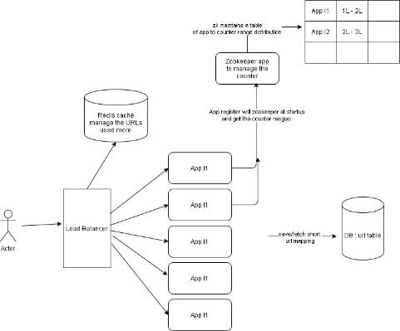 |  | https://www.youtube.com/watch?v=JQDHz72OA3c https://www.educative.io/courses/grokking-the-system-design-interview/m2ygV4E81AR : Designing a URL Shortening service like TinyURL https://github.com/himkak/library/blob/master/system%20design/GrokkingTheSystemDesign_Educative_Designing%20a%20URL%20Shortening%20service%20like%20TinyURL.pdf
PasteBin
Rate Limiter

Instagram
Twitter

BookMyShow
Amazon Grocery

Swiggy
Zomato

Netflix
Youtube
Tiktok

Web Crawler
Google Search

Dropbox

Whatsapp
Facebook Messenger

TypeAhead Suggestion

Uber Taxi Booking

