Sheet4
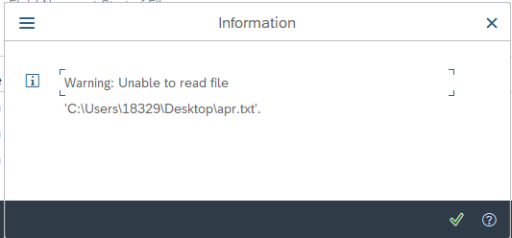
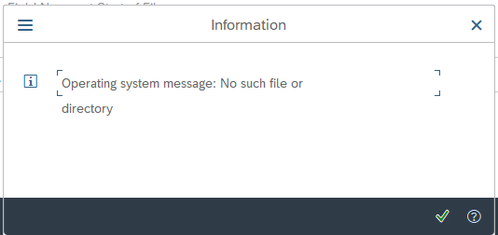
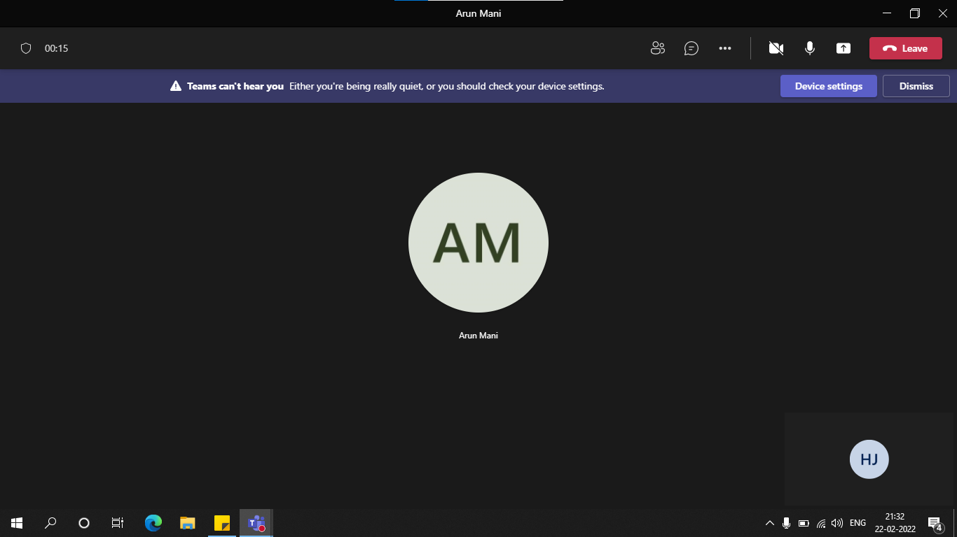
Recording VENDOR VENDOR RECORDINGS
|
--- FK01 Create Vendor (Accounting)
| | LIFNR | BUKRS | KTOKK | NAME1 | LAND1 | AKONT | ZUAWA | ZTERM | TOGRU | REPRF | ZWELS
|-- SAPMF02K 0105 | VENDOR ACCOUNT NUMBER | COMPANY CODE | VENDOR ACCOUNT GROUP | Name1 | Country Key | Reconciliation Account in General Ledger | Key for sorting according to assignment numbers | Terms of Payment Key | Tolerance group for the business partner/G/L account | Check Flag for Double Invoices or Credit Memos | List of the Payment Methods to be Considered
| |
| |-----BDC_CURSOR RF02K-LIFNR
| |-----BDC_OKCODE /00
| |-----RF02K-LIFNR 8111111118 LIFNR Vendor Account Number
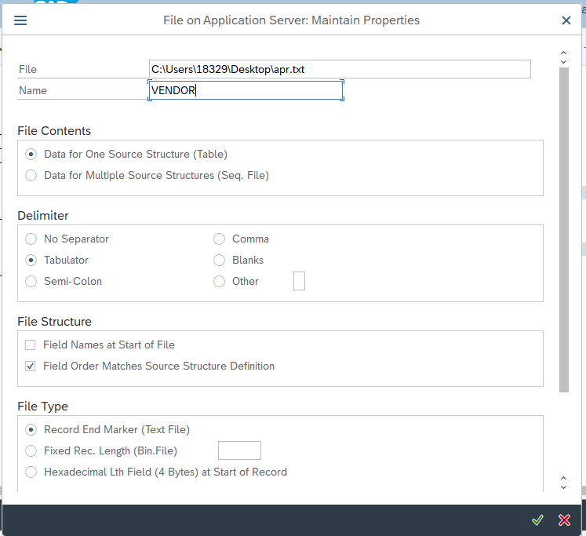
| |-----RF02K-BUKRS PAY1 BUKRS Company Code
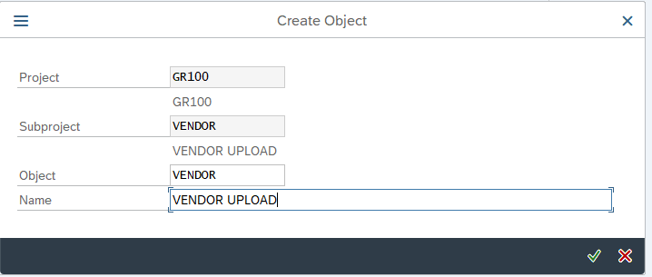
| ------RF02K-KTOKK PAY1 KTOKK Vendor account group
|
|-- SAPMF02K 0110
| |
| |-----BDC_CURSOR LFA1-LAND1
| |-----BDC_OKCODE /00
| |-----LFA1-NAME1 ARTHUR NAME1 Name 1
| ------LFA1-LAND1 IN LAND1 Country Key
|
|-- SAPMF02K 0120
| |
| |-----BDC_CURSOR LFA1-KUNNR
| |-----BDC_OKCODE /00
| |-----BDC_SUBSCR SAPMF02K
| |-----BDC_SUBSCR SAPMF02K
| |-----BDC_SUBSCR SAPMF02K
| |-----BDC_SUBSCR SAPMF02K
| |-----BDC_SUBSCR SAPMF02K
| |-----BDC_SUBSCR SAPMF02K
| ------BDC_SUBSCR SAPMF02K
|
|-- SAPMF02K 0130
| |
| |-----BDC_CURSOR LFBK-BANKS(01)
| ------BDC_OKCODE =ENTR | Reconciliation Account in General Ledger
| | Key for sorting according to assignment numbers
|-- SAPMF02K 0380

