Rayleigh criterion
Main!A1
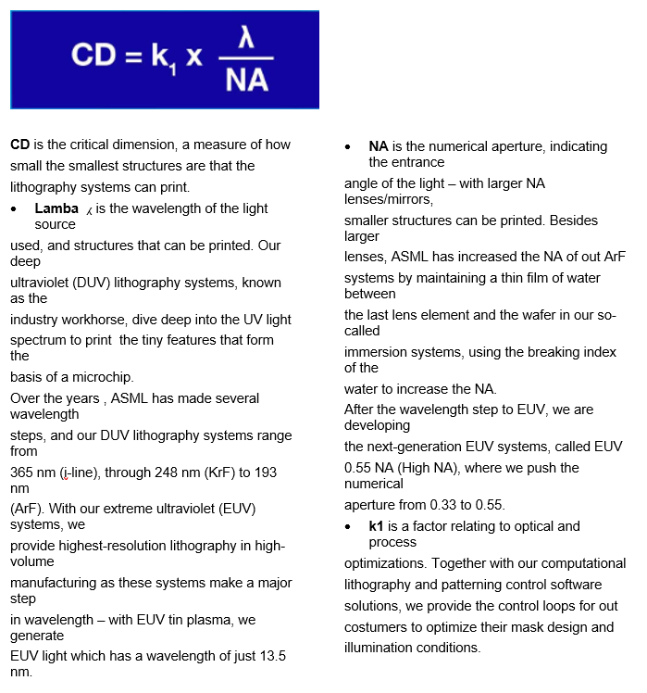

 | Moore's law the observation that the number of transitors in an integrated circuit (IC) doubles every two years for more than 30 years.

