1 พัดลม

 |  |  |  |  |  | Software version : | Rel. 1.0.1.0
 |  |  |  |  |  | Date : | 18-Apr-2024
 |  |  |  |  |  | Project :
 |  |  |  |  |  | Quotation :

Air Cooler |  | Technical specifications ‐ Model : |  |  |  | KA-4001-9EB
Series : | KA
Capacity Information
Refrigerant |  |  | R404A |  | Surface |  | 10.66 | m2
Capacity |  |  | 4.7 | KW | Tube Volume |  | 4.2 | L
Room Temp |  |  | 10.0 | °C | Fin Pitch |  | 9 | mm
Evaporation temp |  |  | 0.0 | °C | Test Pressure |  | 30 | Bar
Superheating |  |  | 5.0 | K
Condensation temp |  |  | 45.0 | °C
Suction gas temp |  |  | 20.0 | °C
Subcooling |  |  | 0.0 | K

Fan Specification
Air Flow |  |  | 3,520 | m3/h | Voltage |  | 220V/1PH
Air Throw (approx) |  |  | 10 | m | Fan Speed |  | 1430 | rpm
Fan Diameter |  |  | 400 | mm | Power |  | 160 | W
Number of Fan |  |  | 1 |  | Current |  | 0.7 | Amp
 |  |  |  |  | Noise Level 3 m |  | 77 | dBA

Tube Material |  |  | Copper |  | Inlet connection |  | 1/2" | inch
Fin Material |  |  | Aluminum |  | Outlet connection |  | 1-1/8" | inch
Casing Material |  |  | Powder-coated |  | Dry weight |  | 37.0 | kg

Dimension : |  | 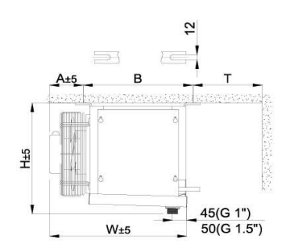 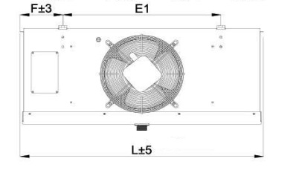
L : | 1024 mm
E1 : | 779 mm
H : | 532 mm
W : | 346 mm
B : | 412 mm

Defrost
Electric Defrost for Coil |  |  | 3x690 | W |  | Drainage | G 1"
Electric Defrost for Tray |  |  | 1X690 | W |  | Price | 28,000
Total |  |  | 2,760 | W

2 พัดลม
 |  |  |  |  |  | Software version : | Rel. 1.0.1.0
 |  |  |  |  |  | Date : | 18-Apr-2024
 |  |  |  |  |  | Project :
 |  |  |  |  |  | Quotation :

Air Cooler |  | Technical specifications ‐ Model : |  |  |  | KA-5002-9EB
Series : | KA
Capacity Information
Refrigerant |  |  | R404A |  | Surface |  | 37.8 | m2
Capacity |  |  | 12.54 | KW | Tube Volume |  | 14.3 | L
Room Temp |  |  | -18.0 | °C | Fin Pitch |  | 9 | mm
Evaporation temp |  |  | -25.0 | °C | Test Pressure |  | 30 | Bar
Superheating |  |  | 5.0 | K
Condensation temp |  |  | 45.0 | °C
Suction gas temp |  |  | 20.0 | °C
Subcooling |  |  | 0.0 | K

Fan Specification
Air Flow |  |  | 15,100 | m3/h | Voltage |  | 380V/3PH
Air Throw (approx) |  |  | 23 | m | Fan Speed |  | 1325 | rpm
Fan Diameter |  |  | 500 | mm | Power |  | 820 | W
Number of Fan |  |  | 2 |  | Current |  | 1.59 | Amp
 |  |  |  |  | Noise Level 3 m |  | 86 | dBA

Tube Material |  |  | Copper |  | Inlet connection |  | 7/8" | inch
Fin Material |  |  | Aluminum |  | Outlet connection |  | 1-3/8" | inch
Casing Material |  |  | Powder-coated |  | Dry weight |  | 102.5 | kg

Dimension : |  | 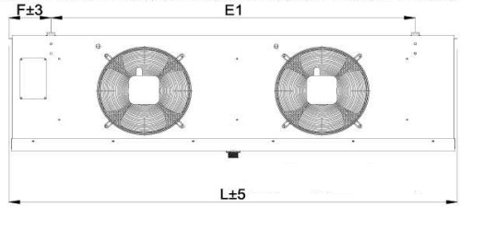
L : | 2295 mm
E1 : | 2030 mm
H : | 680 mm
W : | 594 mm
B : | 425 mm

Defrost
Electric Defrost for Coil |  |  | 4x1685 | W |  | Drainage | G1.5"
Electric Defrost for Tray |  |  | 1X1685 | W |  | Price | 84,000
Total |  |  | 8,425 | W

3 พัดลม
 |  |  |  |  |  | Software version : | Rel. 1.0.1.0
 |  |  |  |  |  | Date : | 18-Apr-2024
 |  |  |  |  |  | Project :
 |  |  |  |  |  | Quotation :

Air Cooler |  | Technical specifications ‐ Model : |  |  |  | KA-5003-7EB
Series : | KA
Capacity Information
Refrigerant |  |  | R404A |  | Surface |  | 69 | m2
Capacity |  |  | 40.66 | KW | Tube Volume |  | 21.3 | L
Room Temp |  |  | 18.0 | °C | Fin Pitch |  | 7 | mm
Evaporation temp |  |  | 6.0 | °C | Test Pressure |  | 30 | Bar
Superheating |  |  | 5.0 | K
Condensation temp |  |  | 45.0 | °C
Suction gas temp |  |  | 20.0 | °C
Subcooling |  |  | 0.0 | K

Fan Specification
Air Flow |  |  | 21,750 | m3/h | Voltage |  | 380V/3PH | V
Air Throw (approx) |  |  | 27 | m | Fan Speed |  | 1430 | rpm
Fan Diameter |  |  | 500 | mm | Power |  | 820 | W
Number of Fan |  |  | 3 |  | Current |  | 1.59 | Amp
 |  |  |  |  | Noise Level 3 m |  | 88 | dBA

Tube Material |  |  | Copper |  | Inlet connection |  | 7/8" | inch
Fin Material |  |  | Aluminum |  | Outlet connection |  | 1-5/8" | inch
Casing Material |  |  | Powder-coated |  | Dry weight |  | 151.5 | kg

Dimension : |  | 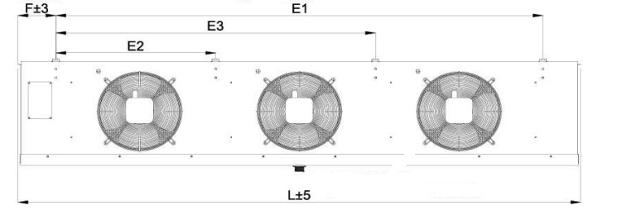
L : | 3275 mm
E1 : | 3030 mm
E2 : | 1000 mm
E3 : | 2000 mm
H : | 680 mm
W : | 594 mm
B : | 425 mm

Defrost
Electric Defrost for Coil |  |  | 4x2300 | W |  | Drainage | G1.5"
Electric Defrost for Tray |  |  | 1X2300 | W |  | Price | 125,000
Total |  |  | 11,500 | W

4 พัดลม
 |  |  |  |  |  | Software version : | Rel. 1.0.1.0
 |  |  |  |  |  | Date : | 18-Apr-2024
 |  |  |  |  |  | Project :
 |  |  |  |  |  | Quotation :

Air Cooler |  | Technical specifications ‐ Model : |  |  |  | KA-5004-9EC
Series : | KA
Capacity Information
Refrigerant |  |  | R404A
Capacity |  |  | 37.65 | Kw | Surface |  | 112.6 | m2
Room Temp |  |  | 0.0 | °C | Tube Volume |  | 41 | L
Evaporation temp |  |  | -8 | °C | Fin Pitch |  | 9 | mm
Superheating |  |  | 5.0 | K | Test Pressure |  | 30 | Bar
Condensation temp |  |  | 45.0 | °C
Suction gas temp |  |  | 20.0 | °C
Subcooling |  |  | 0.0 | K

Fan Specification
Air Flow |  |  | 28,040 | m3/h | Voltage |  | 380V/3PH
Air Throw (approx) |  |  | 28 | m | Fan Speed |  | 1325 | rpm
Fan Diameter |  |  | 500 | mm | Power |  | 820 | W
Number of Fan |  |  | 4 |  | Current |  | 1.59 | Amp
 |  |  |  |  | Noise Level 3 m |  | 89 | dBA

Tube Material |  |  | Copper |  | Inlet connection |  | 1-1/8" | inch
Fin Material |  |  | Aluminum |  | Outlet connection |  | 2-1/8" | inch
Casing Material |  |  | Powder-coated |  | Dry weight |  | 228.0 | kg

Dimension : |  | 
L : | 4274 mm
E1 : | 4030 mm
E2 : | 1000 mm
E3 : | 2000 mm
E4 : | 3000 mm
H : | 680 mm
W : | 594 mm
B : | 491 mm

Defrost
Electric Defrost for Coil |  |  | 6x3180 | W |  | Drainage | G1.5"
Electric Defrost for Tray |  |  | 2X3180 | W |  | Price | 204,000
Total |  |  | 25,440 | W

