Blad1
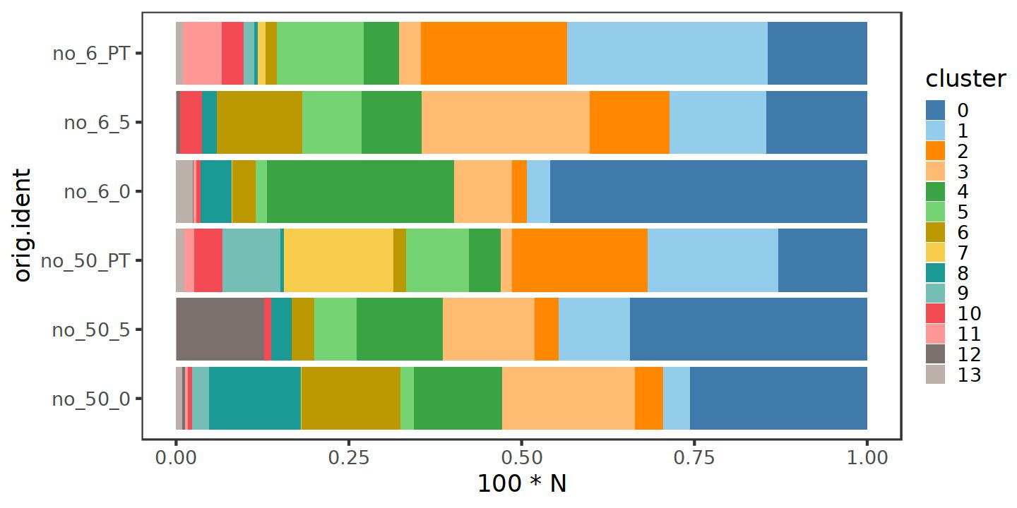
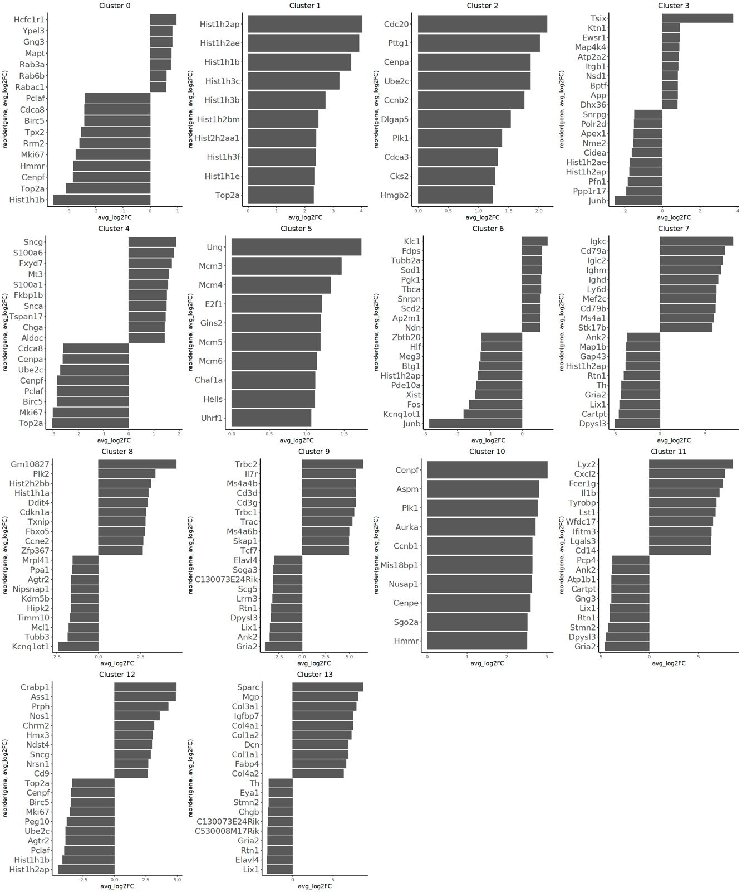
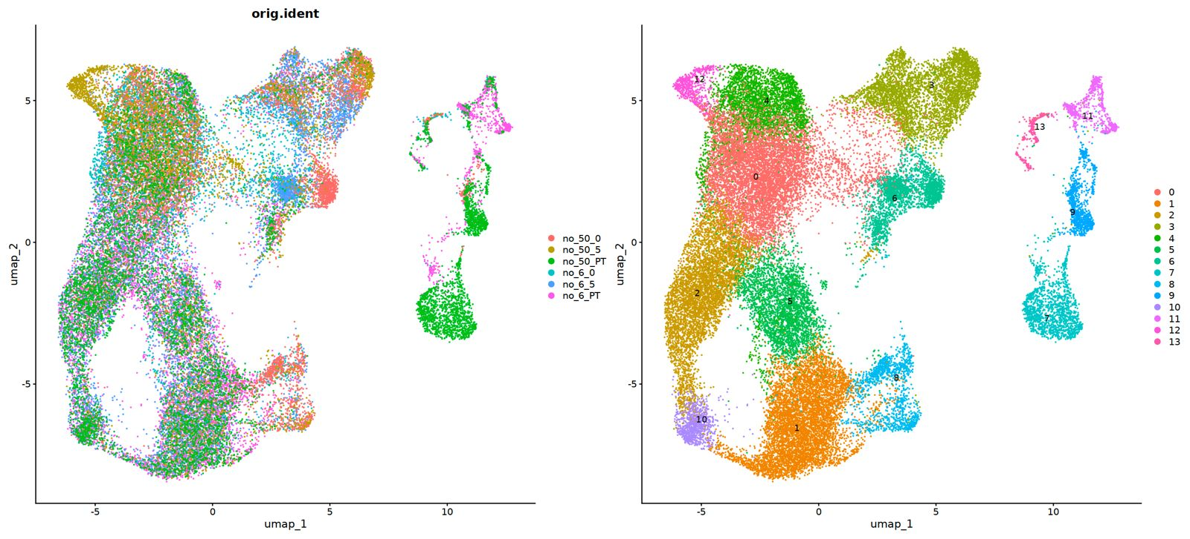
Cluster_Number | Annotation | Gene
0 | G1 phase Sympathoblasts | Nefl
1 | S phase Sympathoblasts | Hist1h1b
2 | G2-M phase Sympathoblasts | Cdc20
3 | Synaptic signaling | Tsix
4 | Chromaffin | Chga
5 | G1-S phase Sympathoblasts | Mcm3
6 | Neurite outgrowth | Klc1
7 | B cells | Igkc
8 | Stress-like hypoxia state | Txnip
9 | T cells | Cd3d
10 | M phase Sympathoblasts | Aspm
11 | Myeloid | Fcer1g
12 | Neuronal Differentiation | Crabp1
13 | Mesenchymal | Mgp

