Blad1
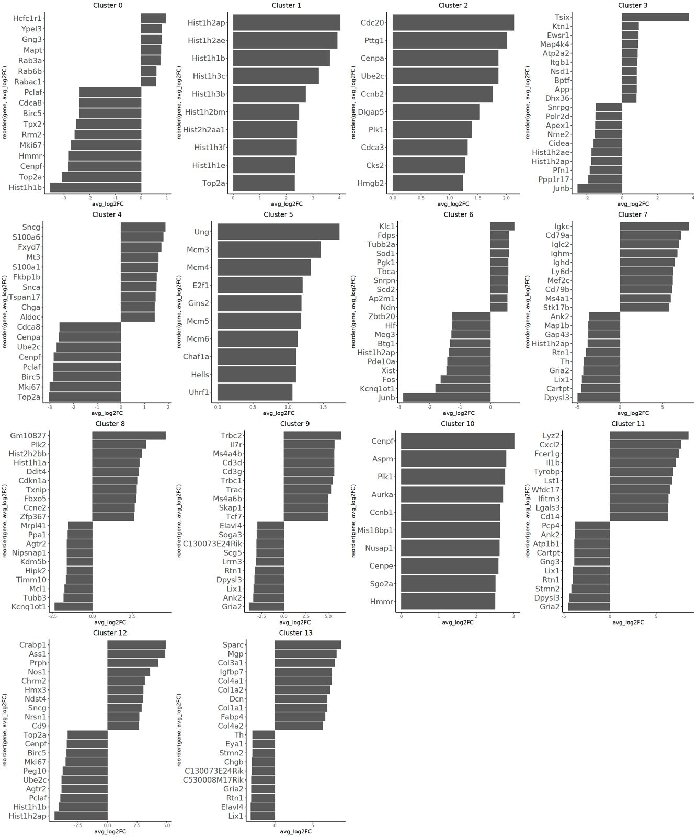
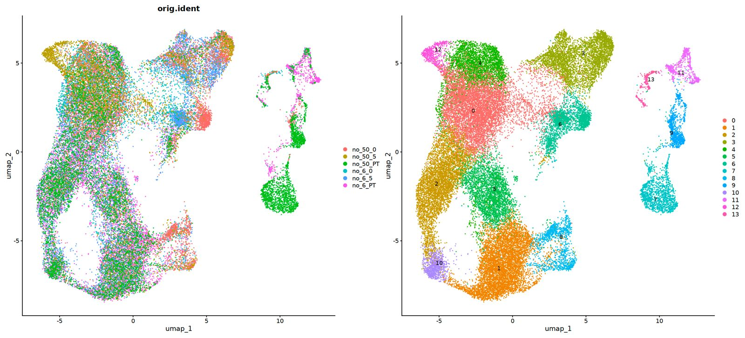
Cluster_Number | Annotation | Mouse Gene | Human Gene
3 | Synaptic signaling | Tsix | TSIX
3 | Synaptic signaling | Ktn1 | KTN1
3 | Synaptic signaling | Nsd1 | NSD1
3 | Synaptic signaling | Dhx36 | DHX36
6 | Neurite outgrowth | Fdps | FDPS
6 | Neurite outgrowth | Sod1 | SOD1
6 | Neurite outgrowth | Pgk1 | PGK1
6 | Neurite outgrowth | Tbca | TBCA
8 | S phase Sympathoblasts | Baiap2 | BAIAP2
8 | S phase Sympathoblasts | Fbxo5 | FBXO5
8 | S phase Sympathoblasts | Ccne1 | CCNE1
8 | S phase Sympathoblasts | Ddit4 | DDIT4
8 | S phase Sympathoblasts | Cdkn1a | CDKN1A
12 | Neuronal Differentiation | Crabp1 | CRABP1
12 | Neuronal Differentiation | Ass1 | ASS1
12 | Neuronal Differentiation | Nos1 | NOS1
12 | Neuronal Differentiation | Hmx3 | HMX3

