Price Charts
AAPL - Price & Volume Charts

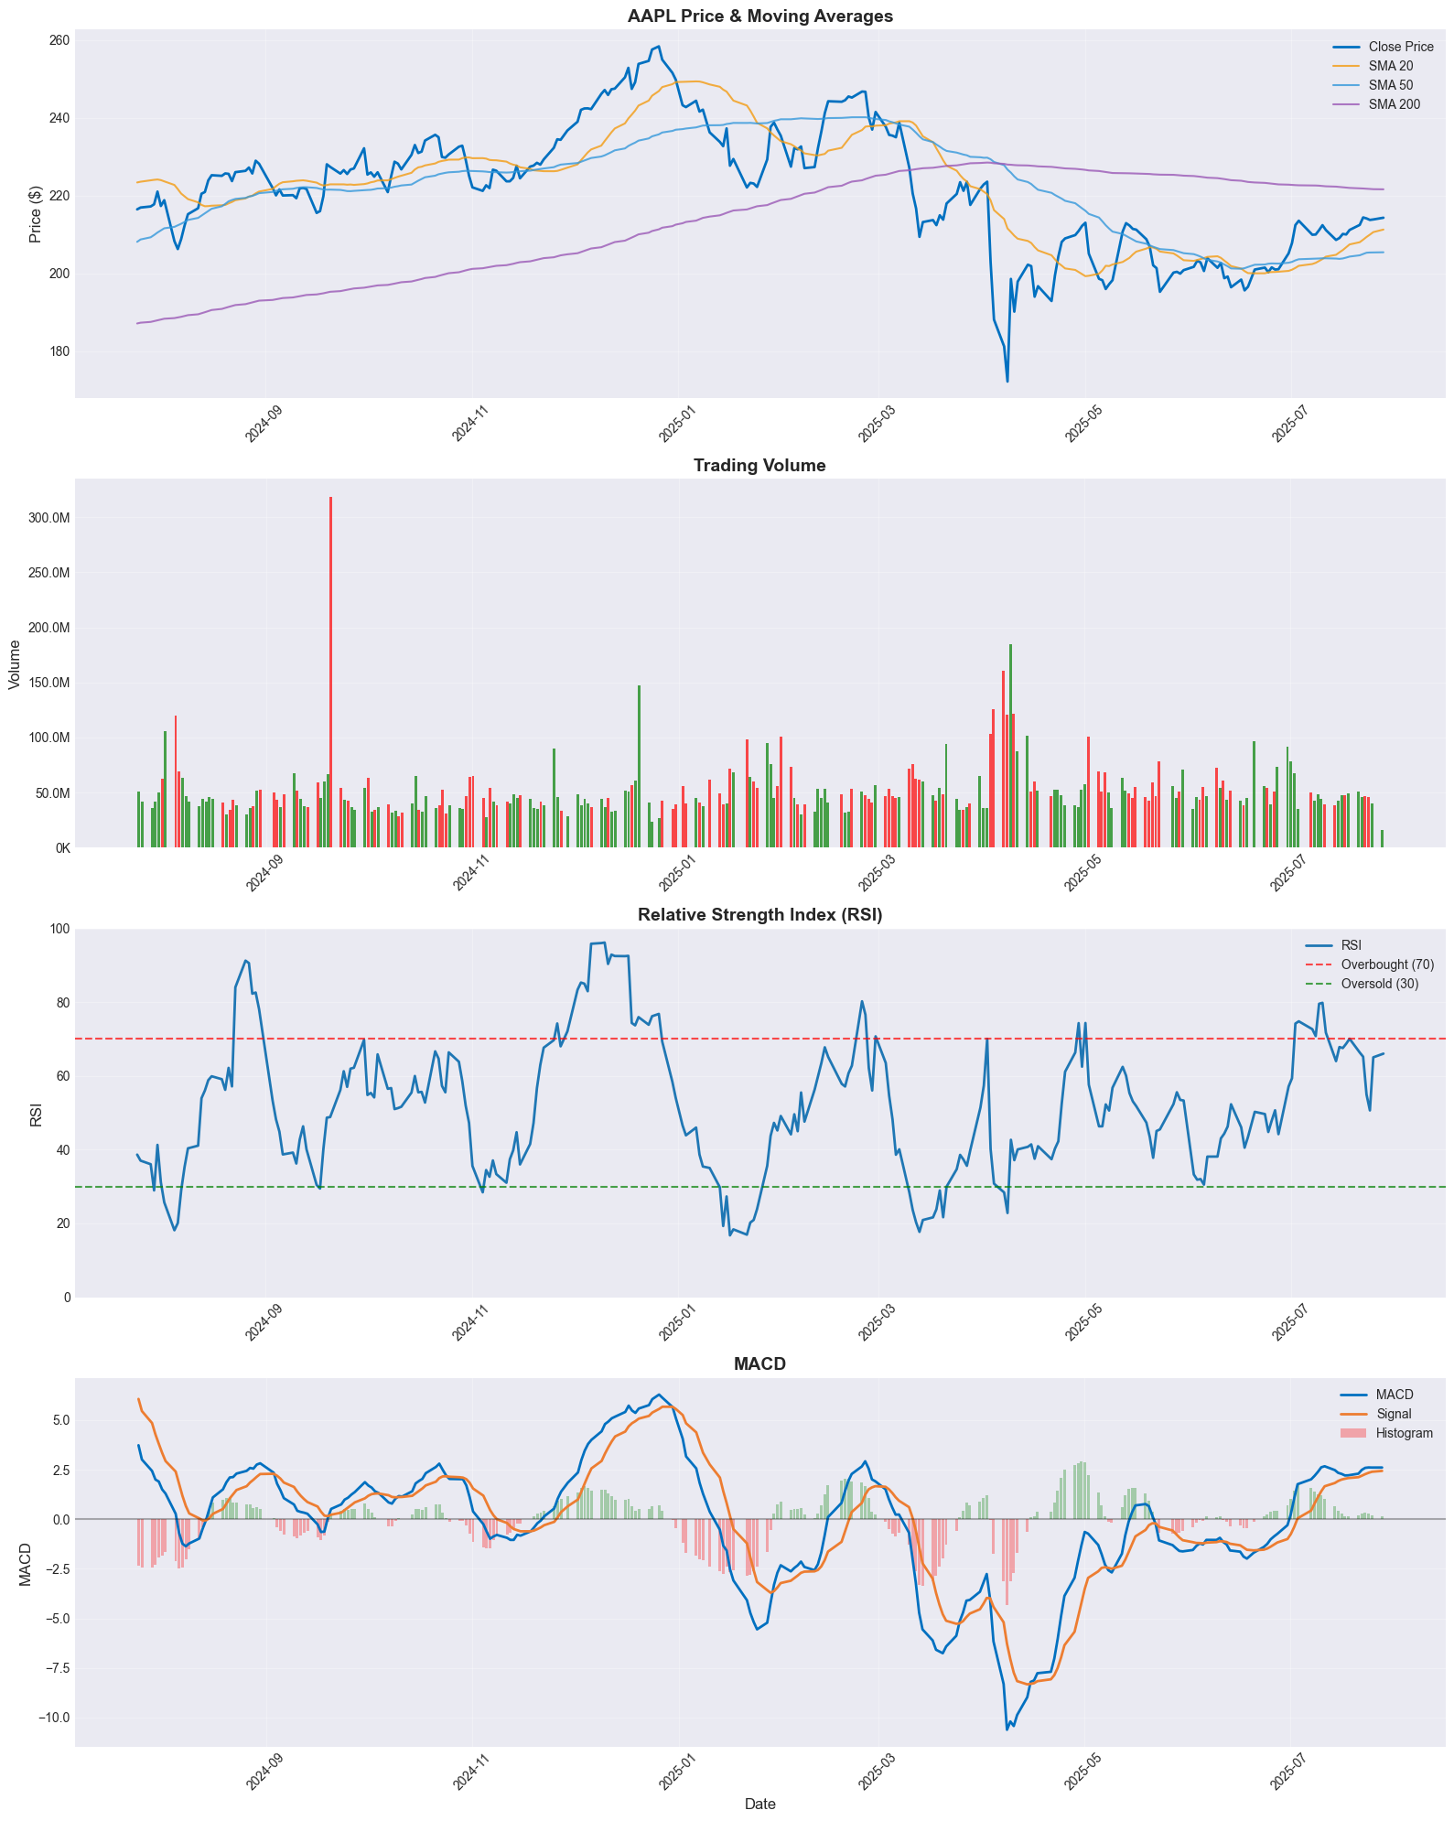

Note: Charts are generated as images for better compatibility and reliability.
Data range: 2024-07-25 to 2025-07-28

