table list
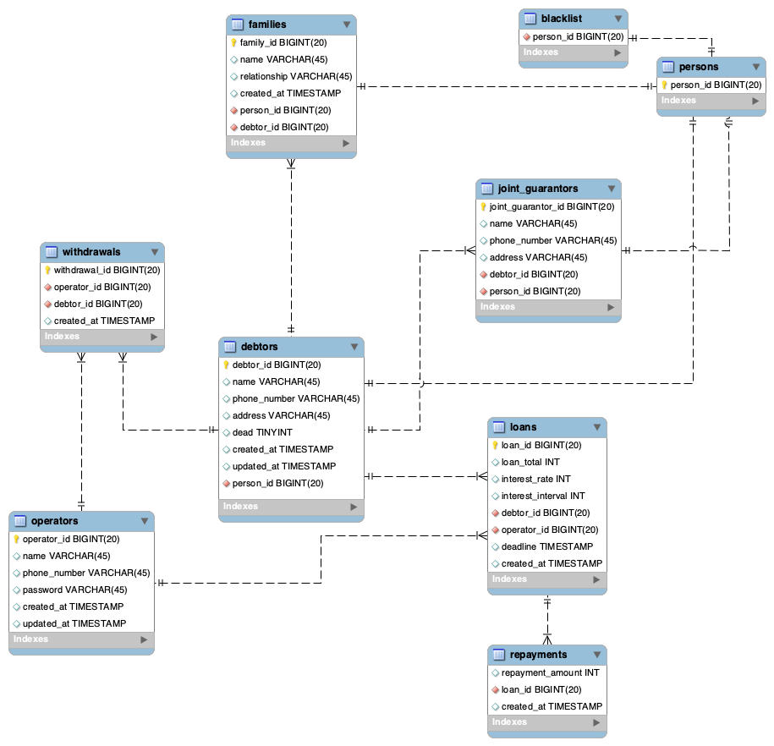
data type | table list
bigint | persons
bigserial | debtors
bit | families
varbit | joint_guarantors
boolean | blacklist
box | loans
bytea | repayments
char | withdrawals
varchar | operators
cidr
circle
date
double precision
inet
integer
interval
json
jsonb
line
lseg
macaddr
money
numeric
path
pg_lsn
point
polygon
real
smallint
smallserial
serial
text
time
time
timestamp
timestamp
tsquery
tsvector
txid_snapshot
uuid
xml
serial

