Sheet2
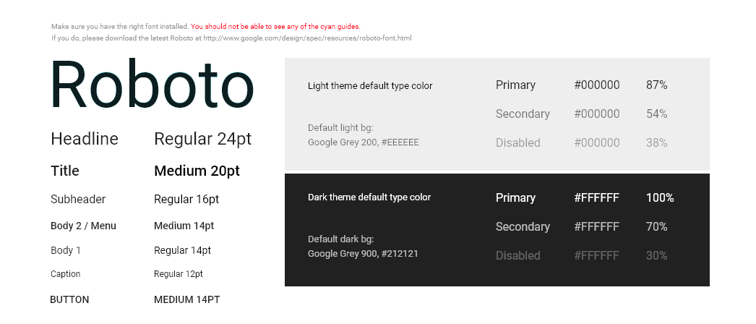
D:\develop\excel\imgs\Bottom Navigation - Mobile – landscape.png
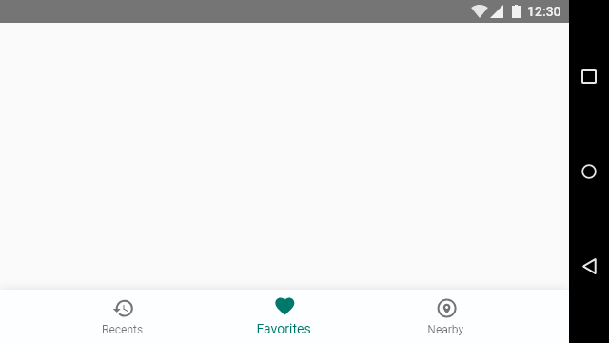

D:\develop\excel\imgs\Bottom Navigation - Mobile.png


D:\develop\excel\imgs\Bottom Navigation - Tablet.png
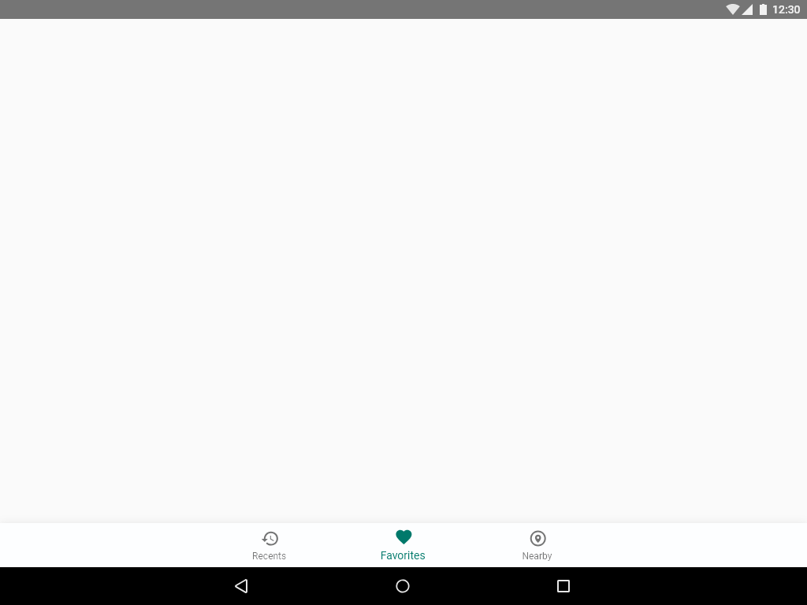

D:\develop\excel\imgs\Bottom Sheet.png
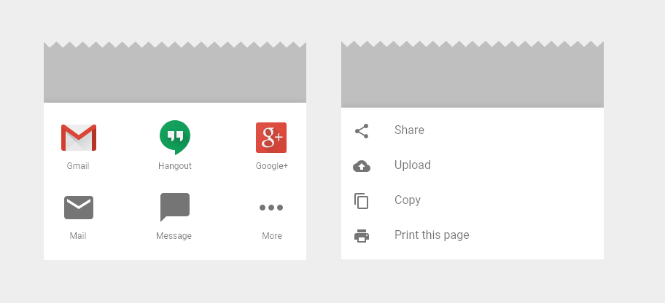

D:\develop\excel\imgs\Bottom Toolbar.png
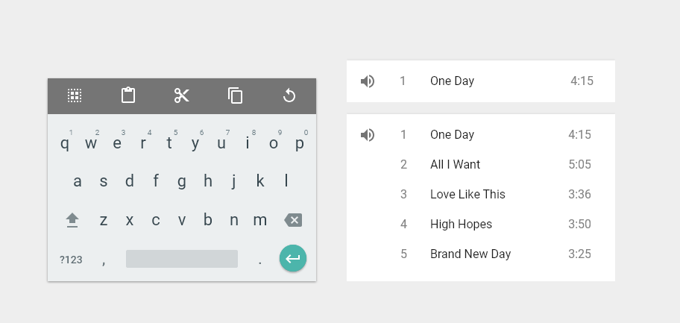

D:\develop\excel\imgs\Buttons.png
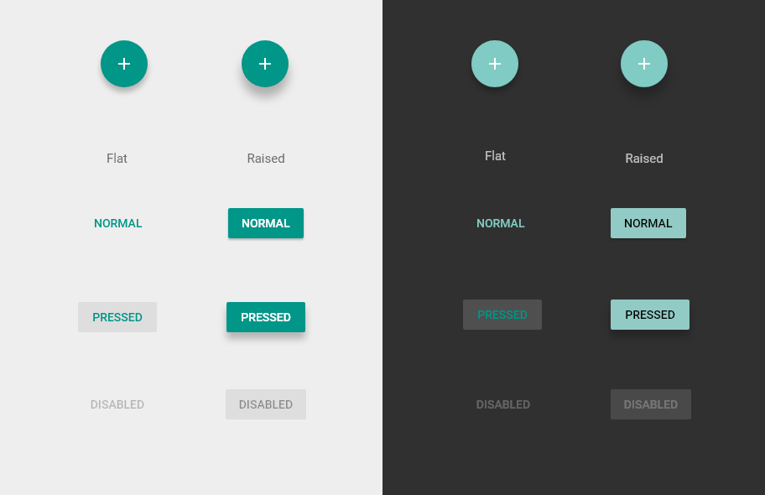

D:\develop\excel\imgs\Cards.png
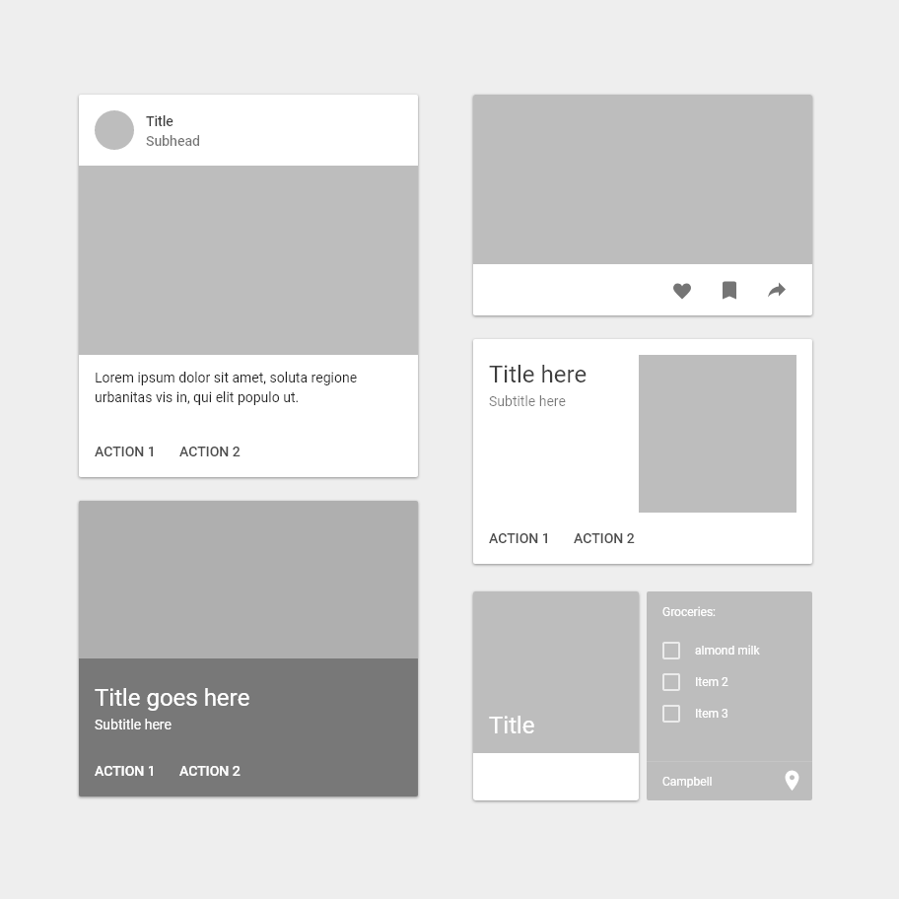

D:\develop\excel\imgs\Character Count.png
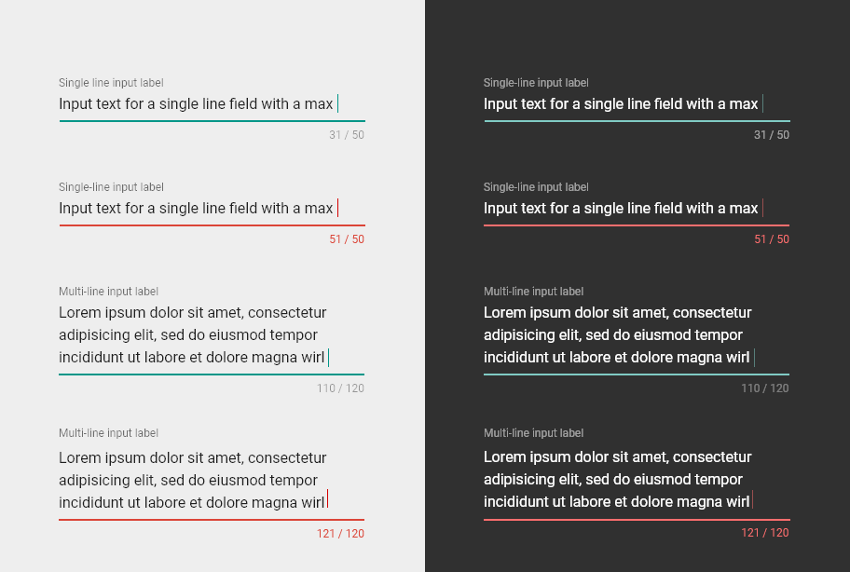

D:\develop\excel\imgs\Chips.png
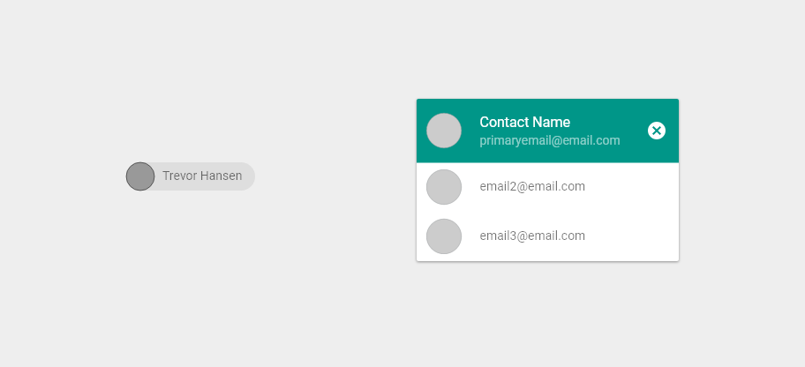

D:\develop\excel\imgs\Dark Theme.png
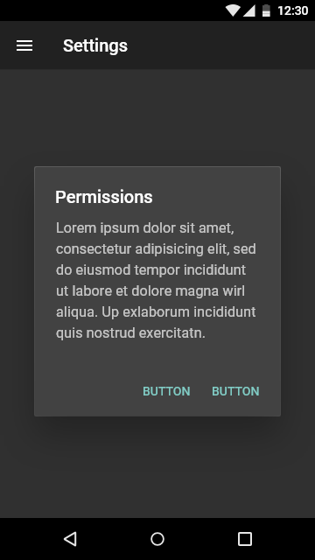

D:\develop\excel\imgs\Desktop - Dark.png


D:\develop\excel\imgs\Desktop - Light.png
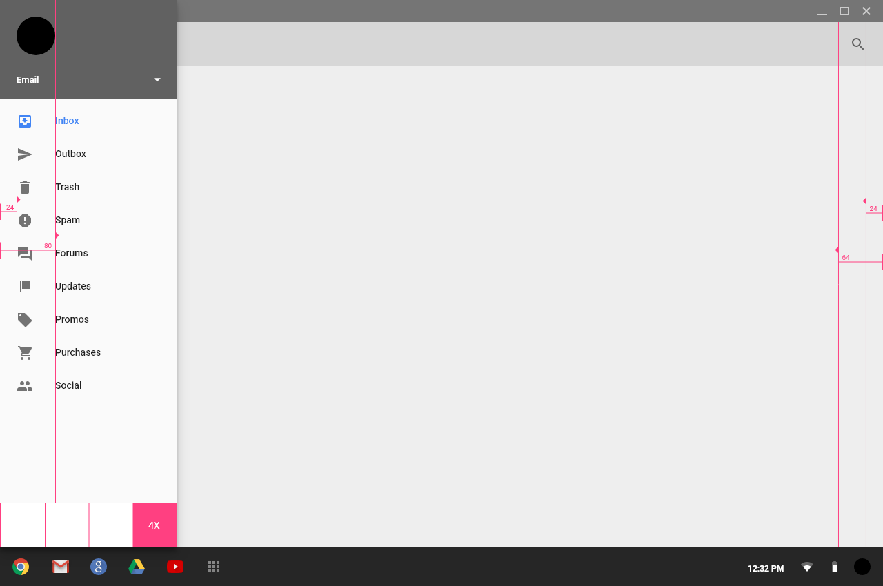

D:\develop\excel\imgs\Dialogs.png
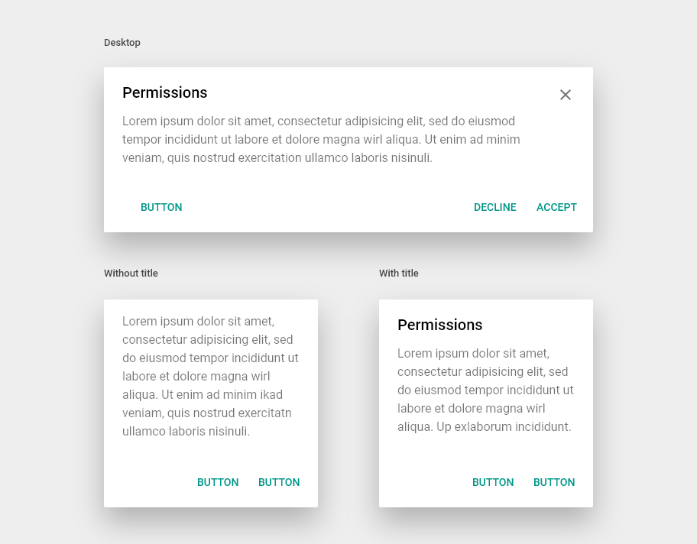

D:\develop\excel\imgs\Grid.png
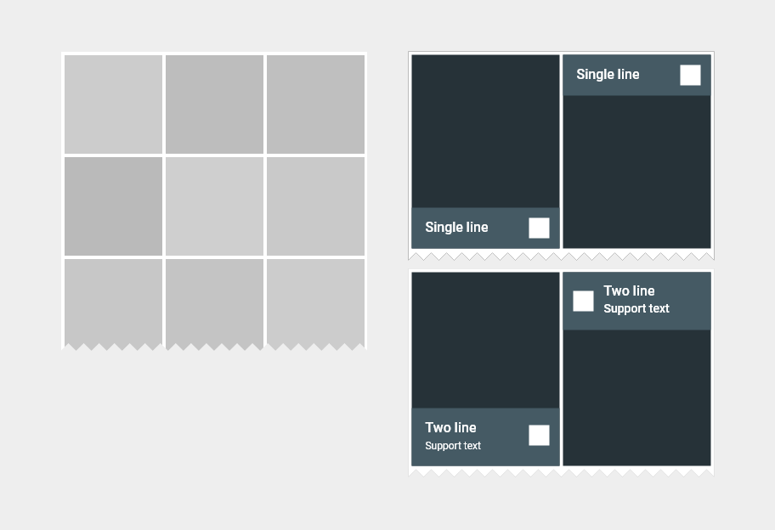

D:\develop\excel\imgs\Index Scroller.png
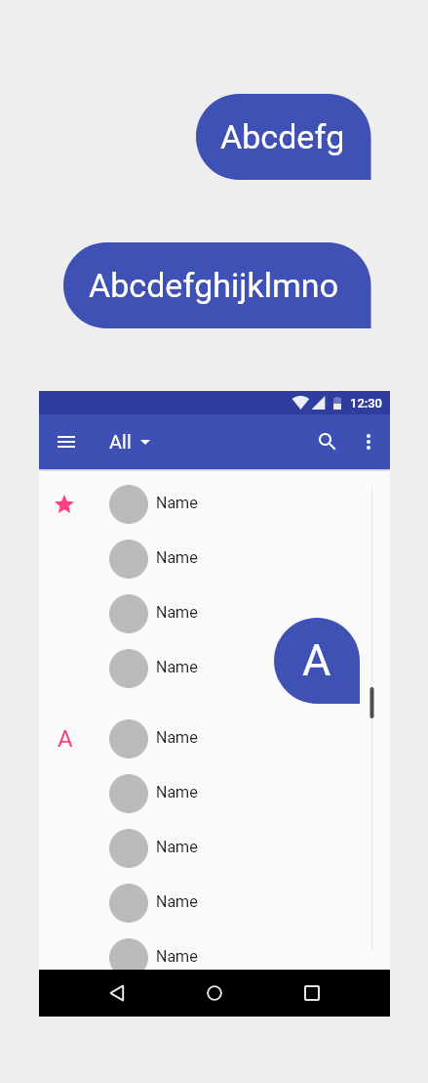

D:\develop\excel\imgs\Keyboards.png
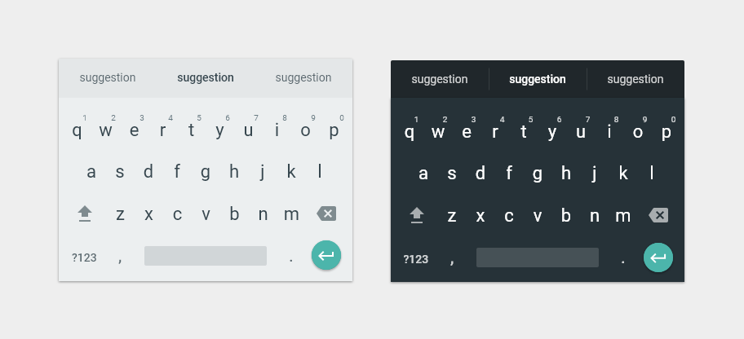

D:\develop\excel\imgs\Light Theme.png
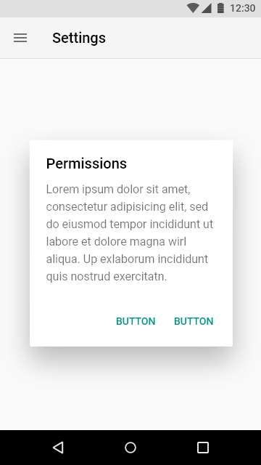

D:\develop\excel\imgs\Lists.png
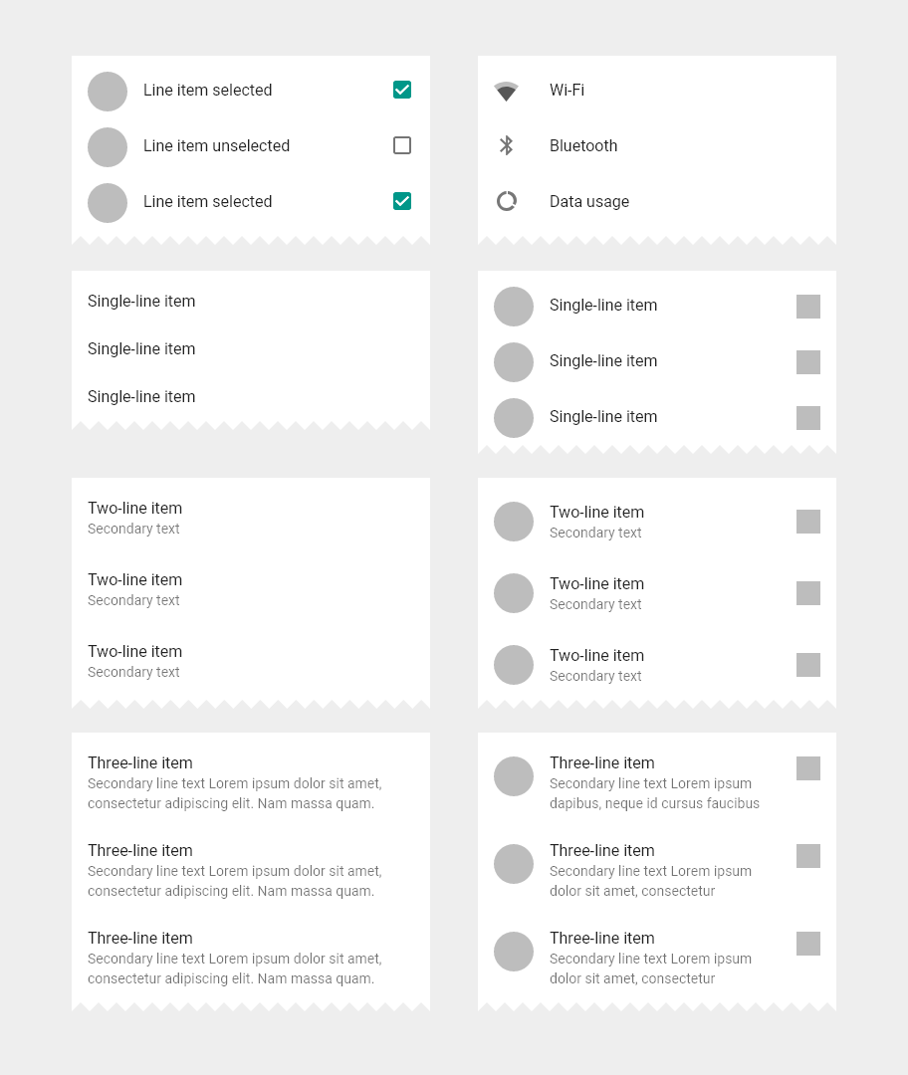

D:\develop\excel\imgs\Menu.png
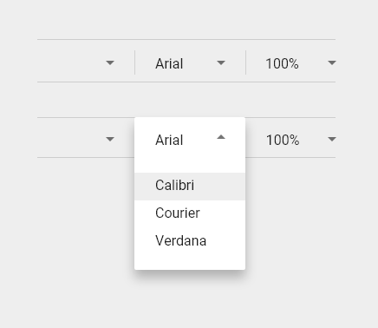

D:\develop\excel\imgs\Mobile - Dark.png
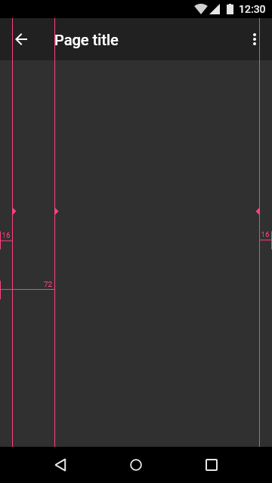

D:\develop\excel\imgs\Mobile - Light.png
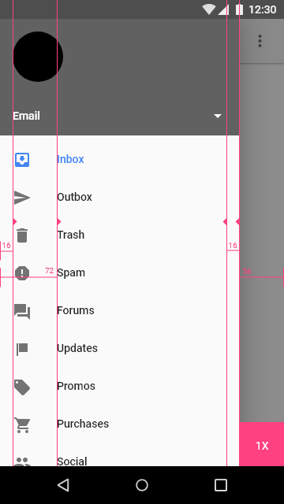

D:\develop\excel\imgs\Notifications.png

D:\develop\excel\imgs\Pickers.png
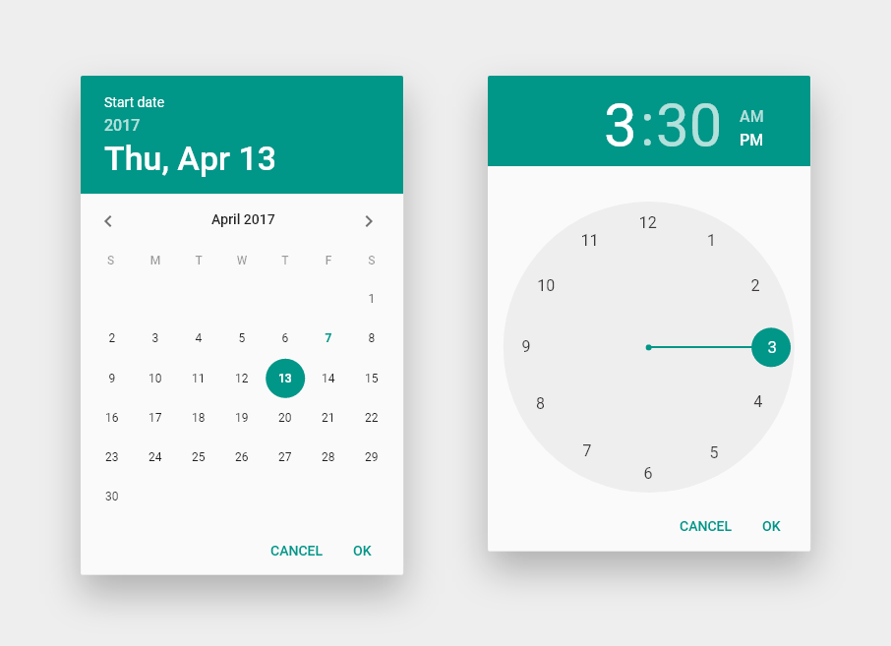

D:\develop\excel\imgs\Screen Guides.png
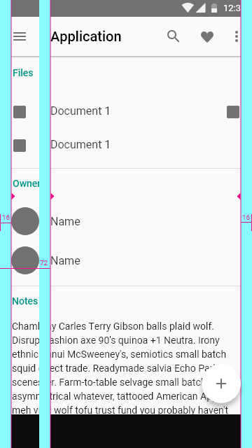

D:\develop\excel\imgs\Screen Ratio Keylines.png
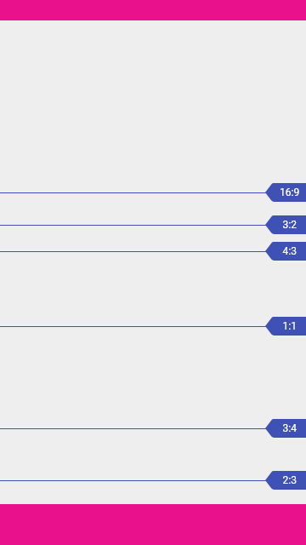

D:\develop\excel\imgs\Switches and Sliders.png
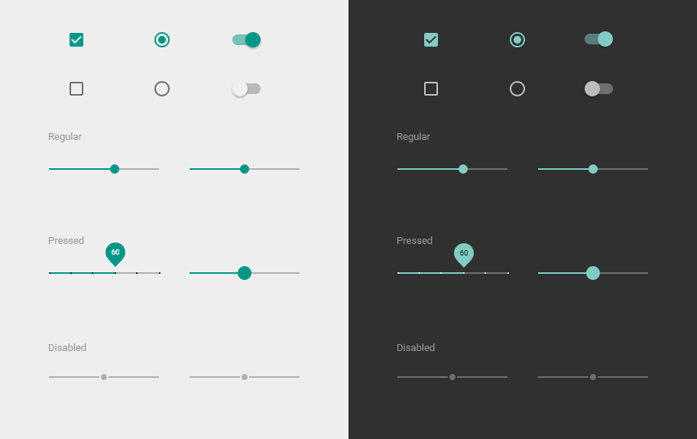

D:\develop\excel\imgs\System Icons - Navigation.png

D:\develop\excel\imgs\Tablet 7” - Dark.png
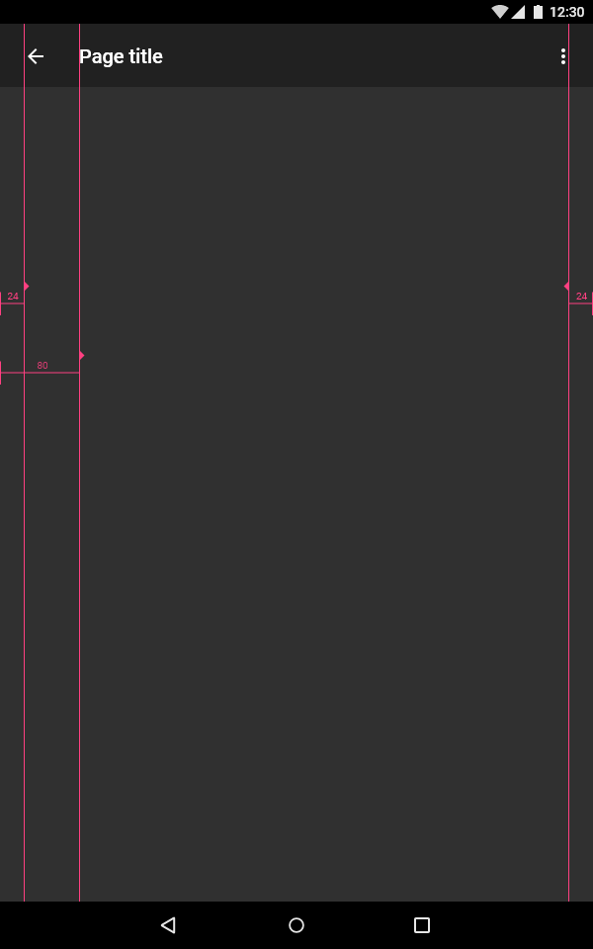

D:\develop\excel\imgs\Tablet 7” - Light.png
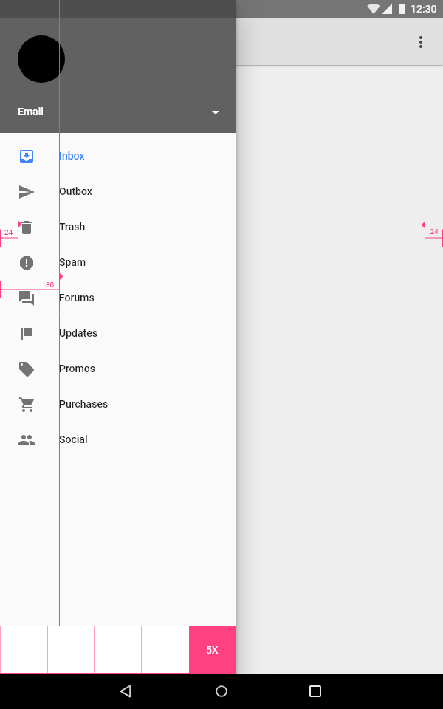

D:\develop\excel\imgs\Tablet 9” - Dark.png
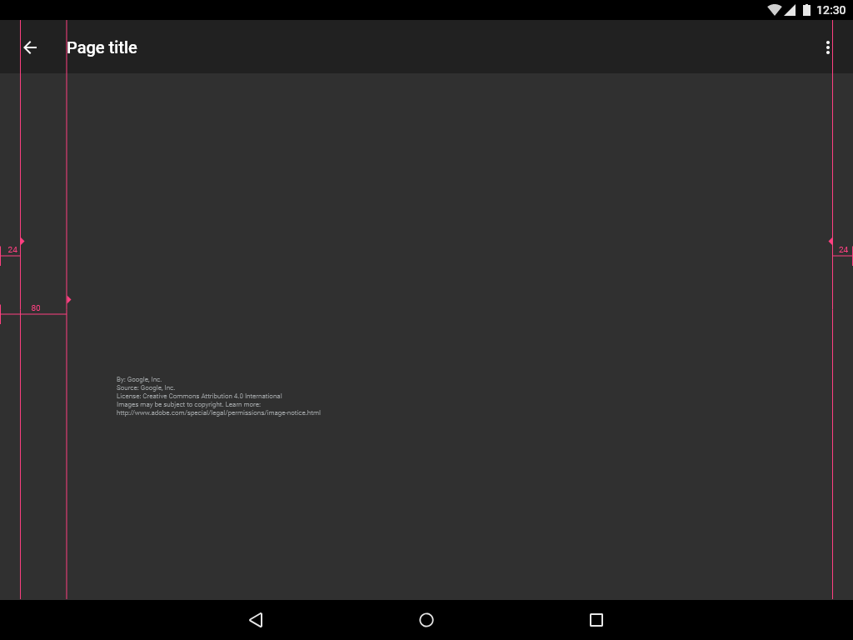

D:\develop\excel\imgs\Tablet 9” - Light.png
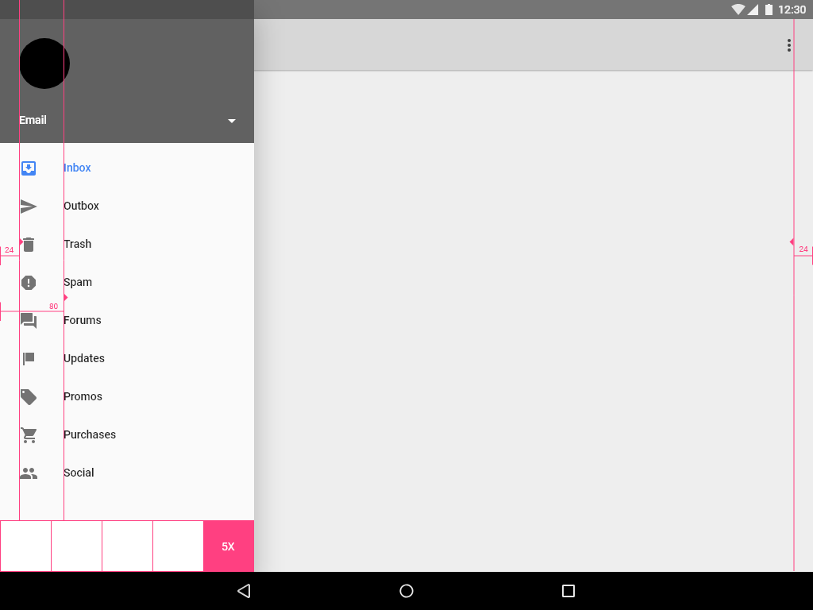

D:\develop\excel\imgs\Tabs.png
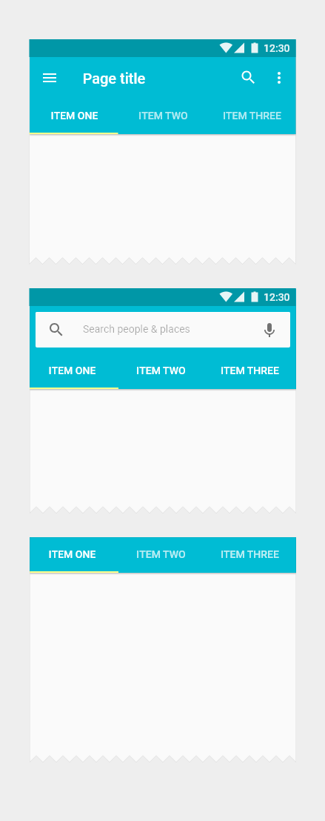

D:\develop\excel\imgs\Text Fields.png
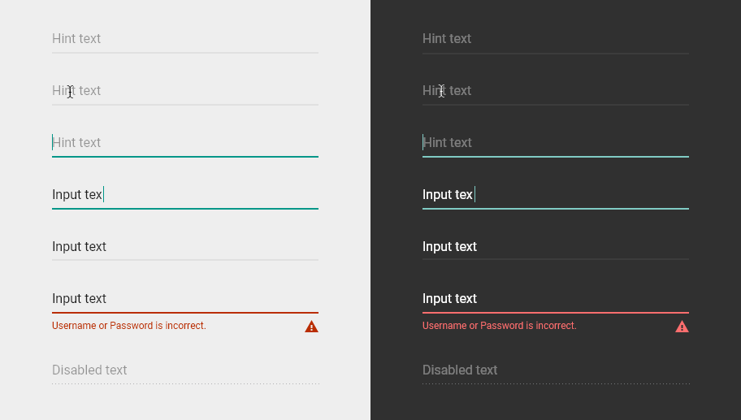

D:\develop\excel\imgs\Toasts.png
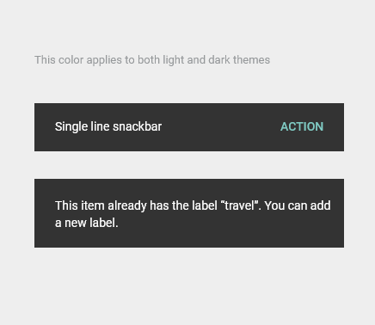

D:\develop\excel\imgs\Tooltip.png

D:\develop\excel\imgs\Typography.png

