Typography.png
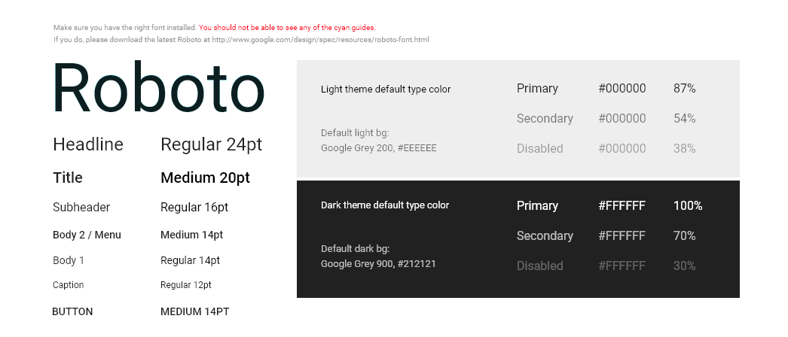
Typography.png

Toasts.png
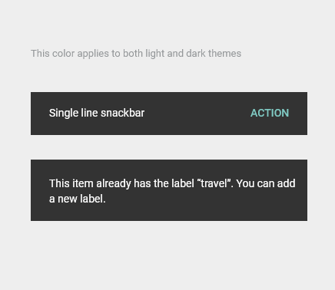
Toasts.png

Text Fields.png
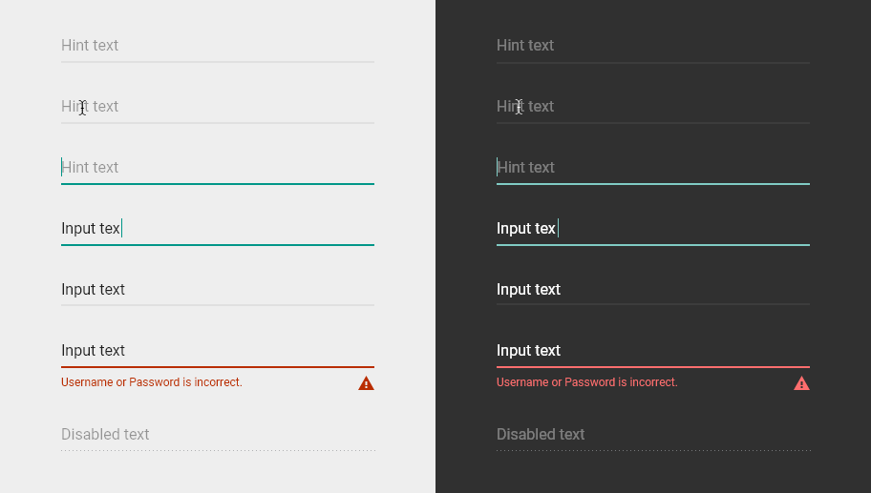
Text Fields.png

Tabs.png
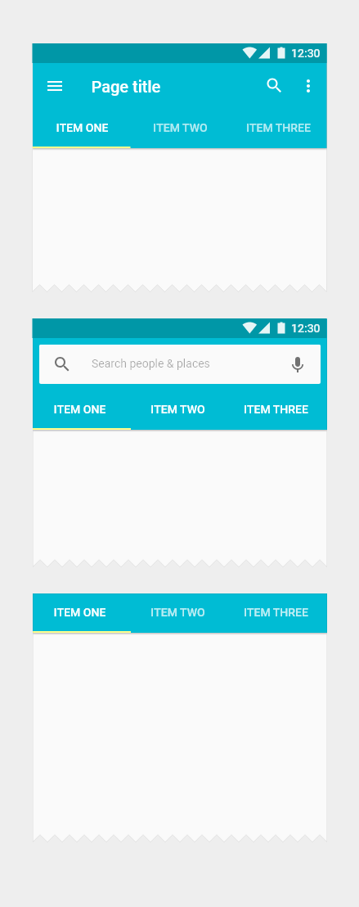
Tabs.png

Tablet 9” - Light.png
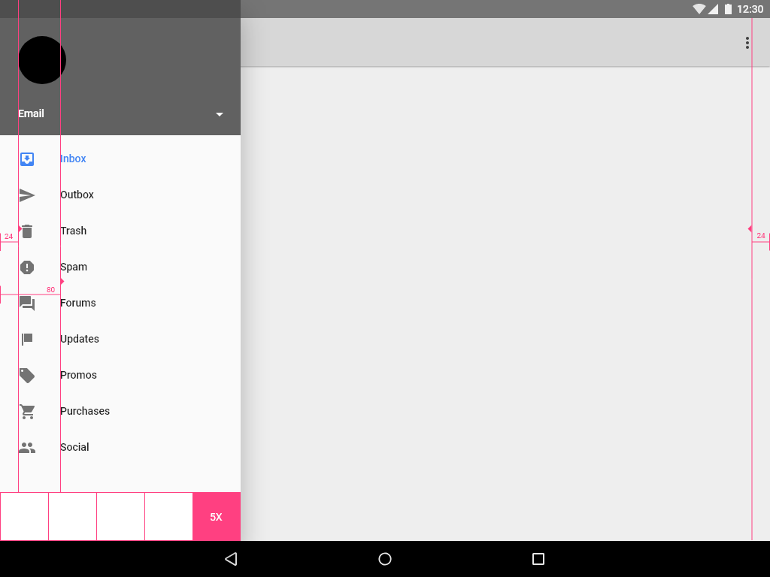
Tablet 9” - Light.png

Tablet 9” - Dark.png
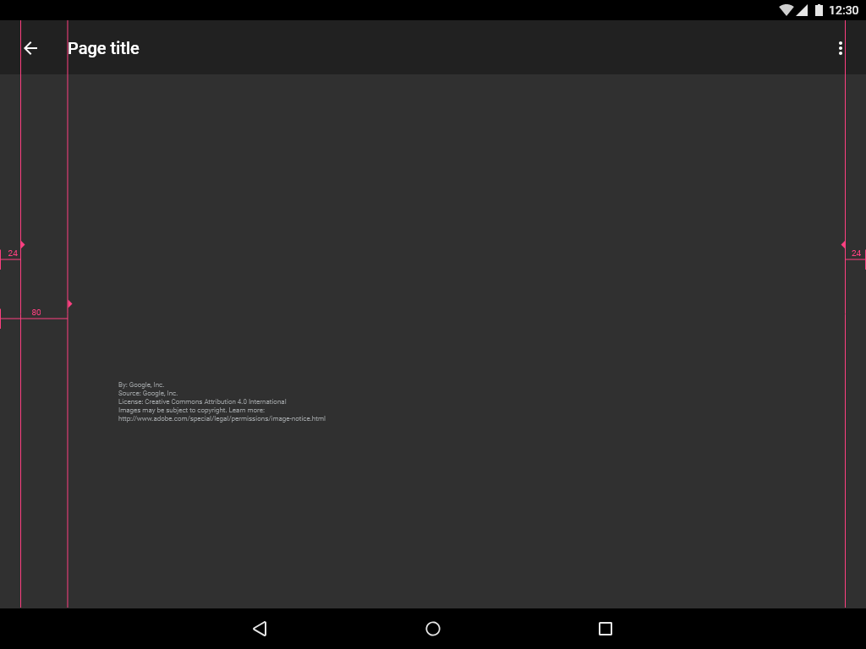
Tablet 9” - Dark.png

Tablet 7” - Light.png
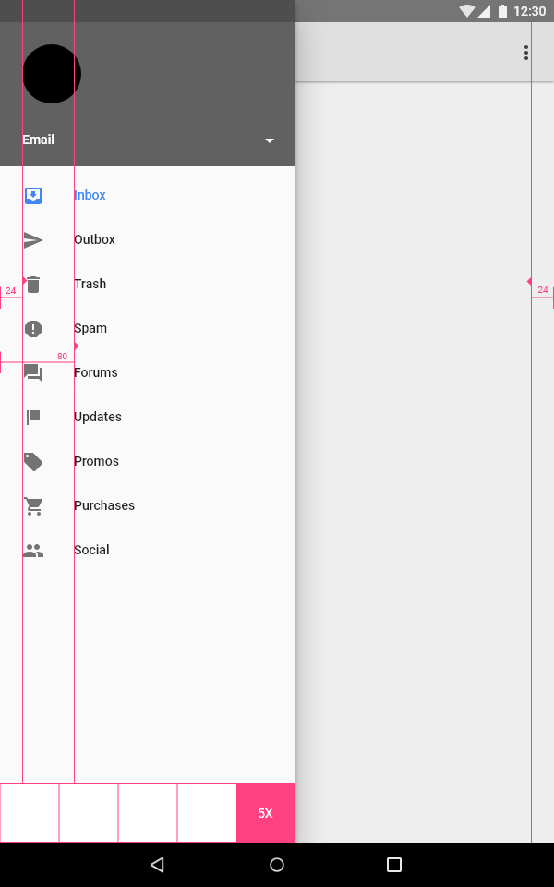
Tablet 7” - Light.png

Tablet 7” - Dark.png
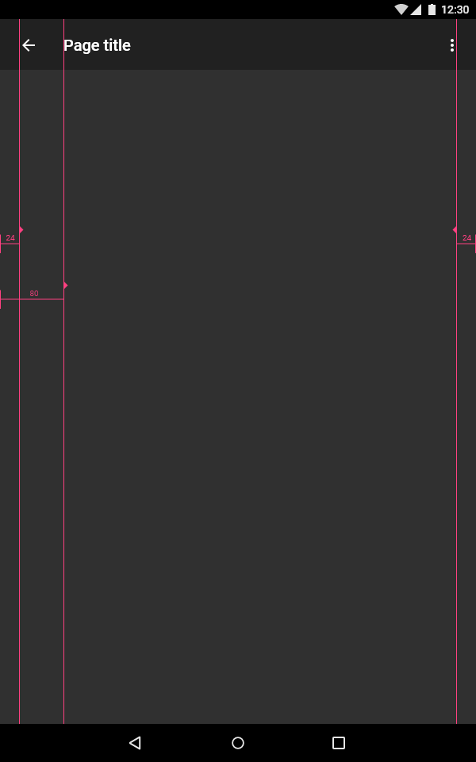
Tablet 7” - Dark.png

Switches and Sliders.png
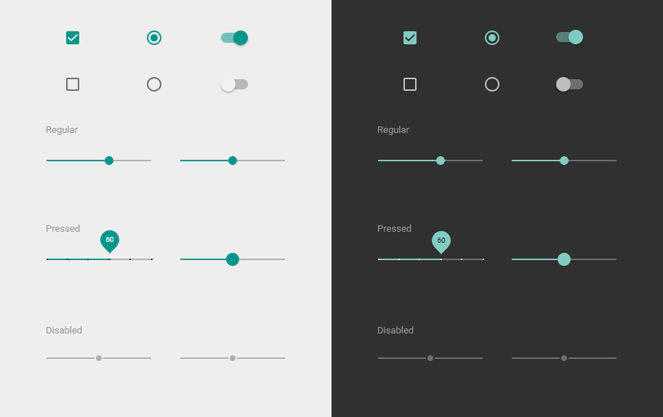
Switches and Sliders.png

Screen Ratio Keylines.png
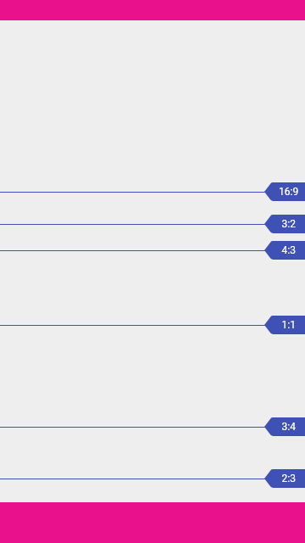
Screen Ratio Keylines.png

Screen Guides.png
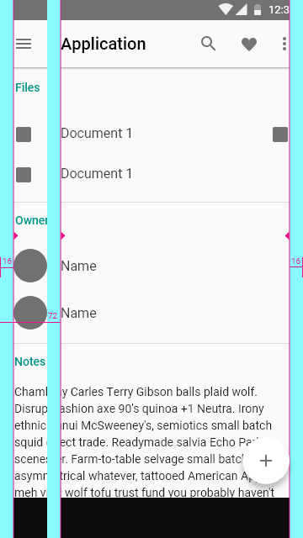
Screen Guides.png

Pickers.png
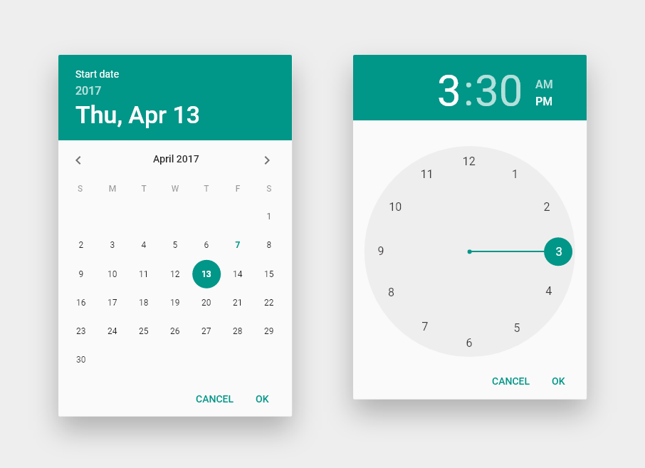
Pickers.png

Mobile - Light.png
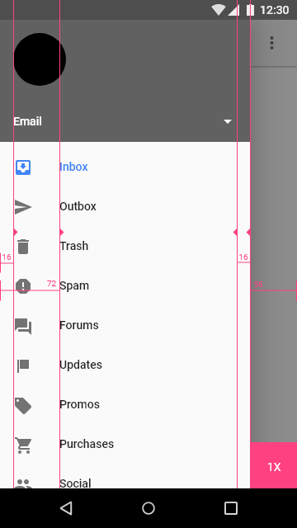
Mobile - Light.png

Mobile - Dark.png
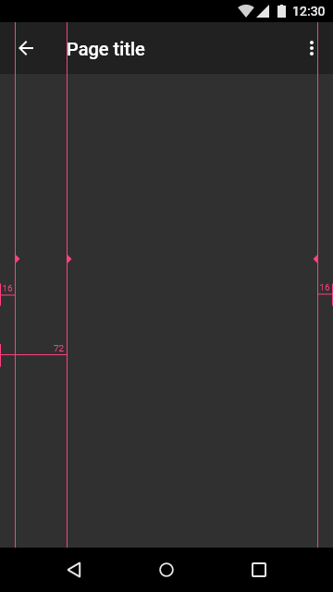
Mobile - Dark.png

Menu.png
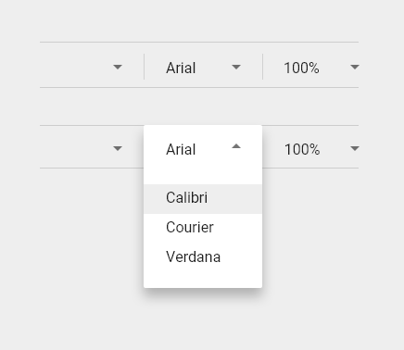
Menu.png

Lists.png
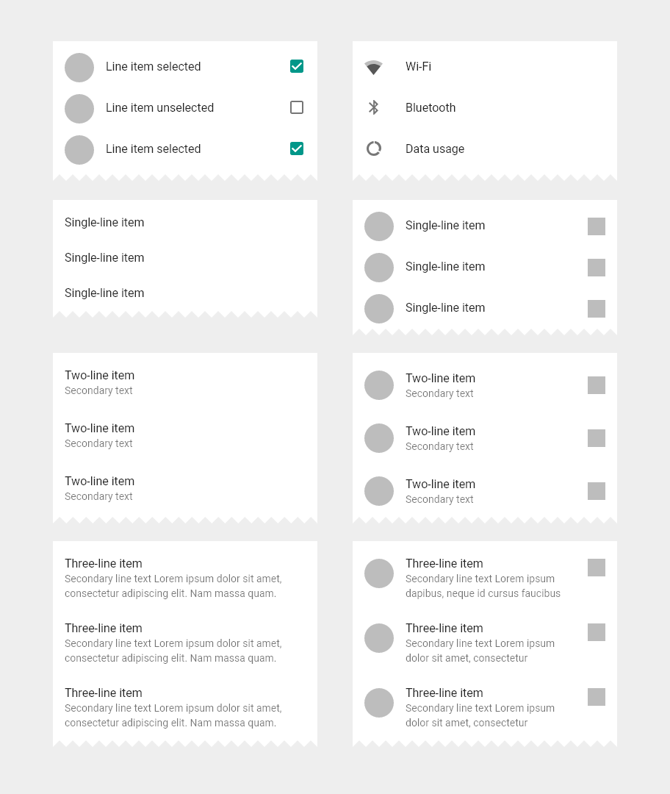
Lists.png

Light Theme.png
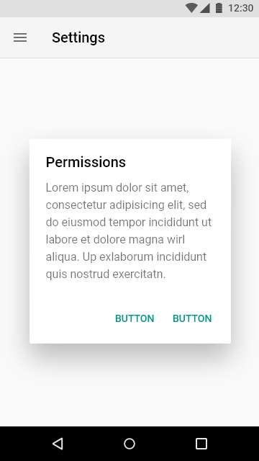
Light Theme.png

Keyboards.png
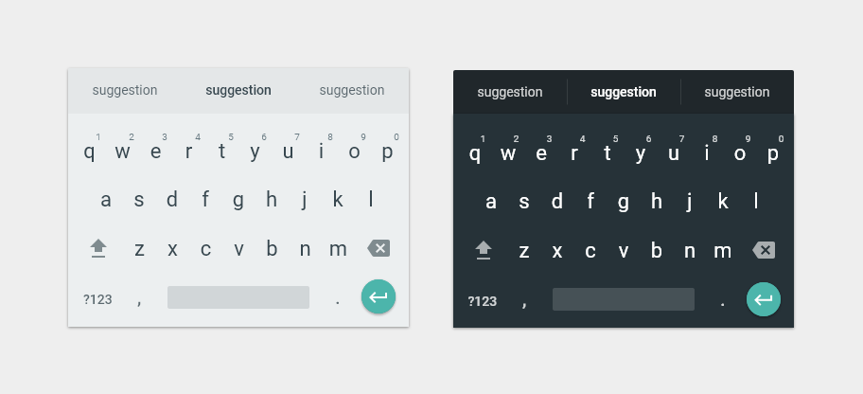
Keyboards.png

Index Scroller.png
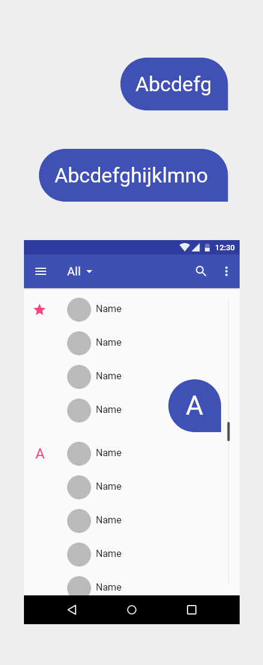
Index Scroller.png

Grid.png
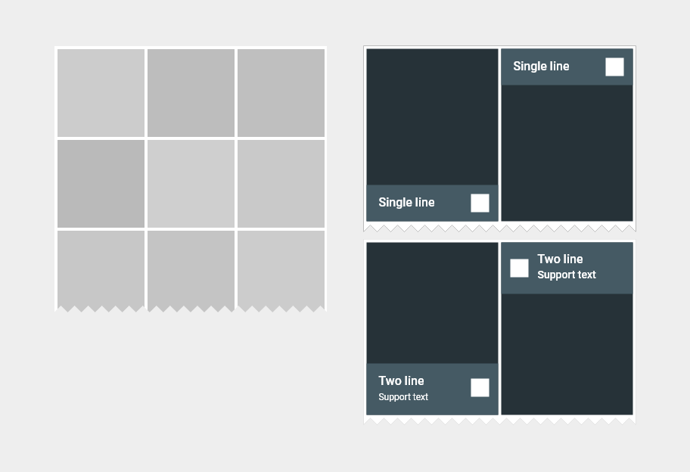
Grid.png

Dialogs.png
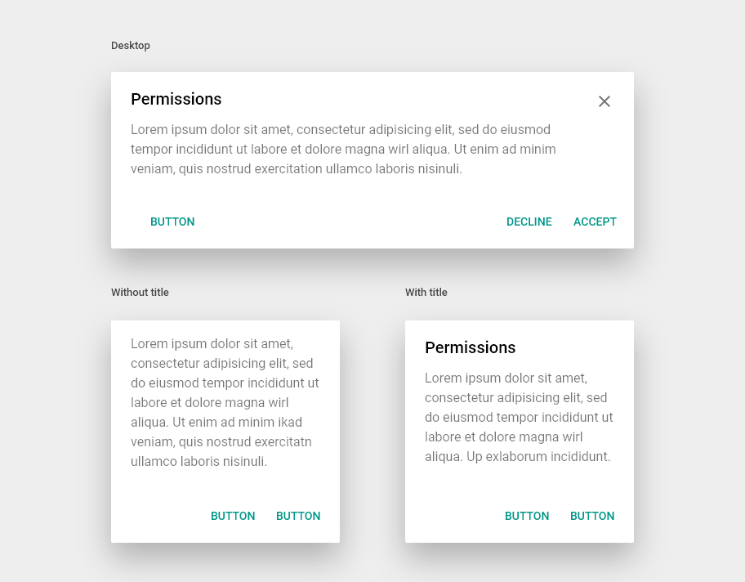
Dialogs.png

Desktop - Light.png
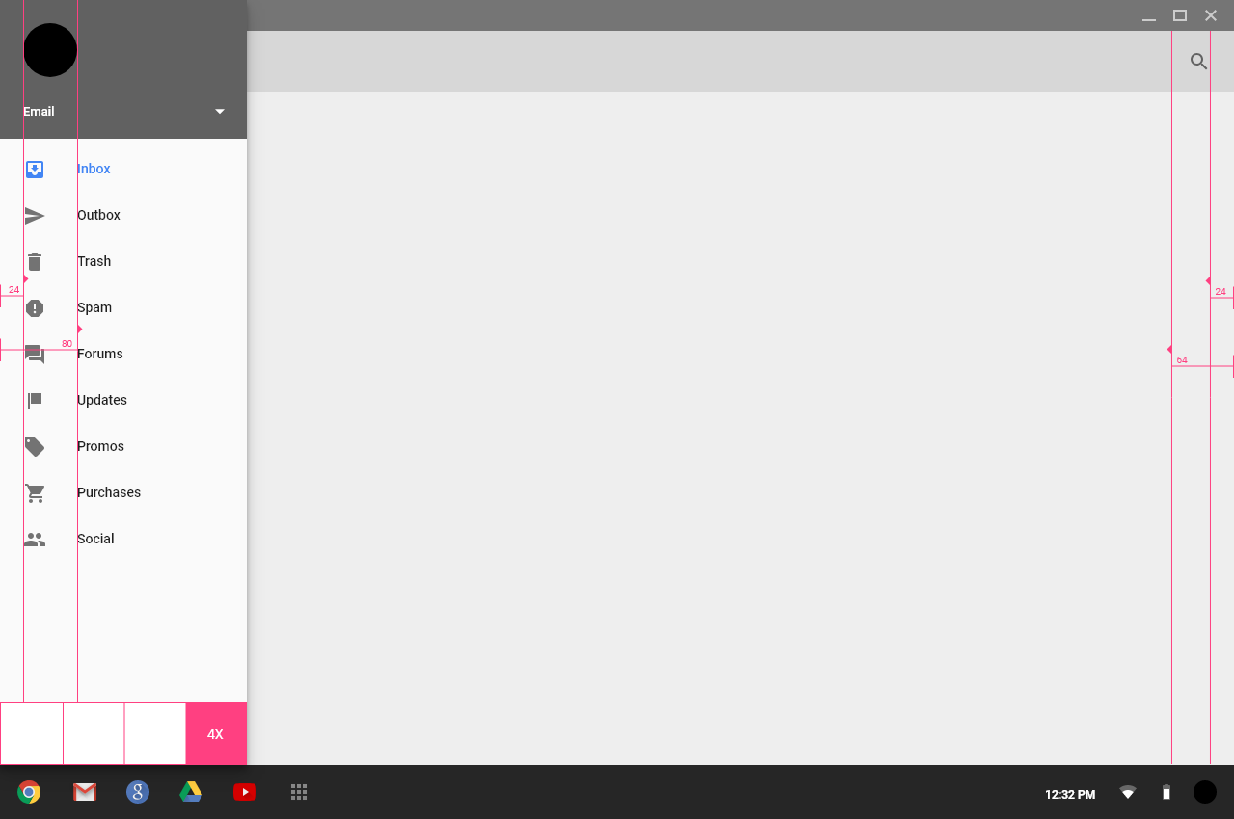
Desktop - Light.png

Desktop - Dark.png

Desktop - Dark.png

Dark Theme.png
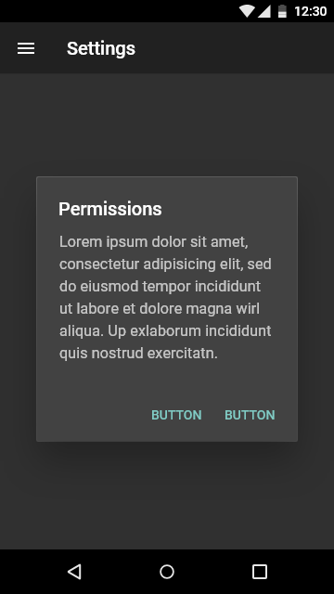
Dark Theme.png

Chips.png
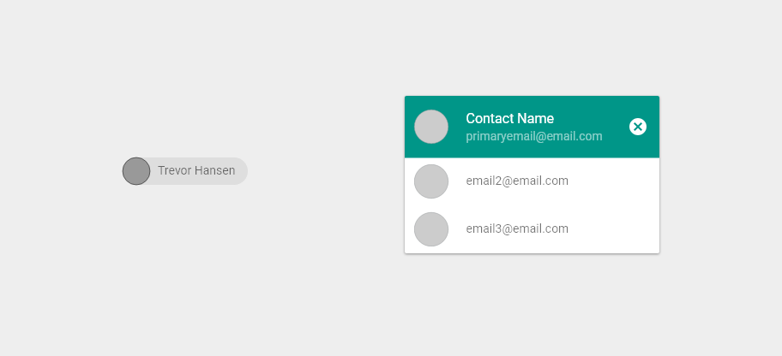
Chips.png

Character Count.png
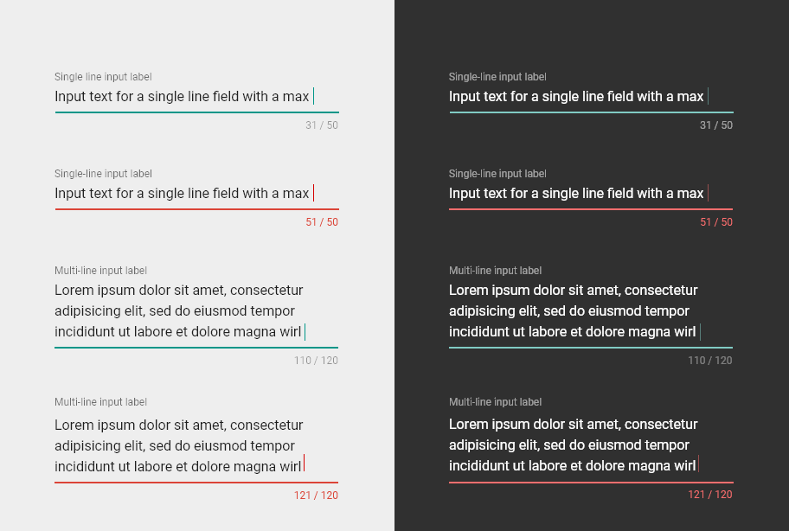
Character Count.png

Cards.png
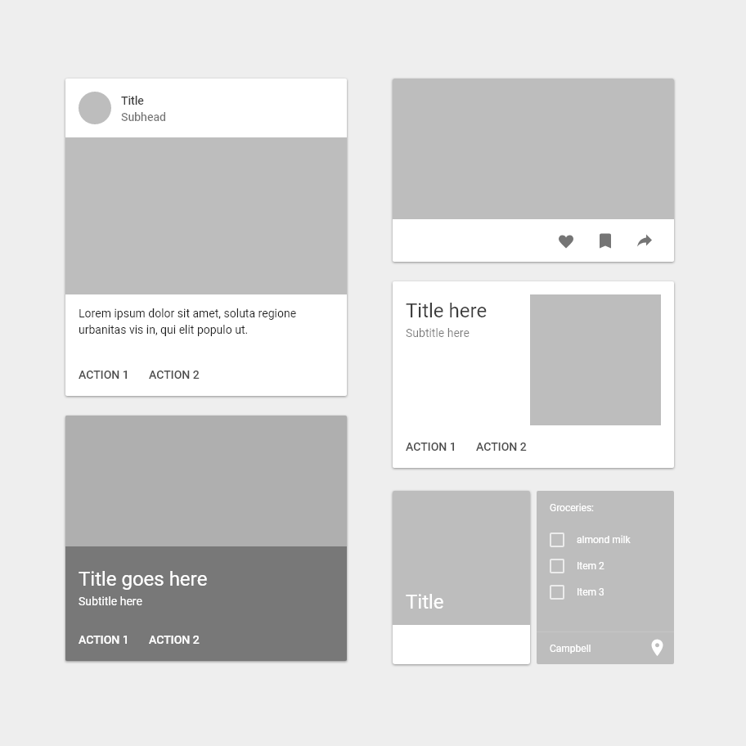
Cards.png

Buttons.png
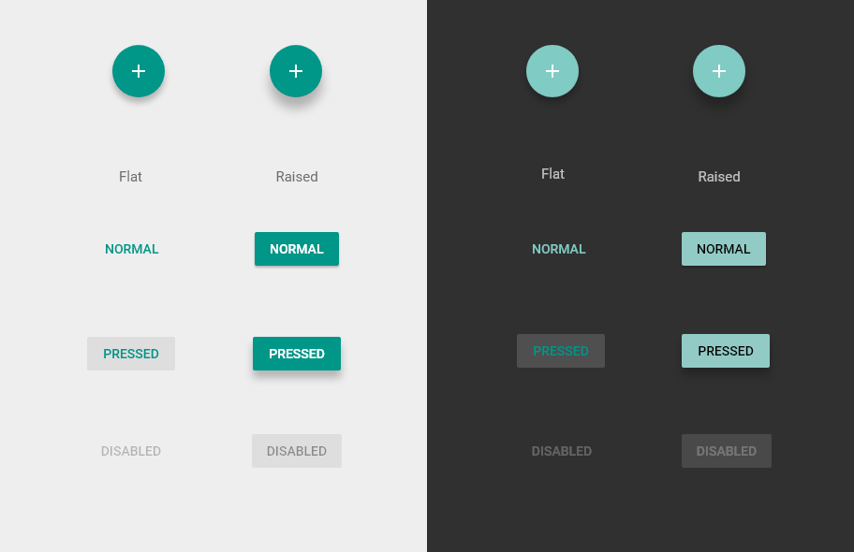
Buttons.png

Bottom Toolbar.png
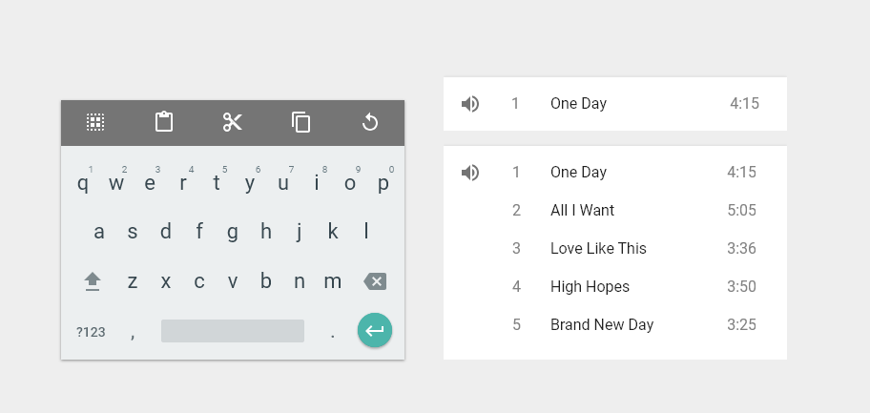
Bottom Toolbar.png

Bottom Sheet.png
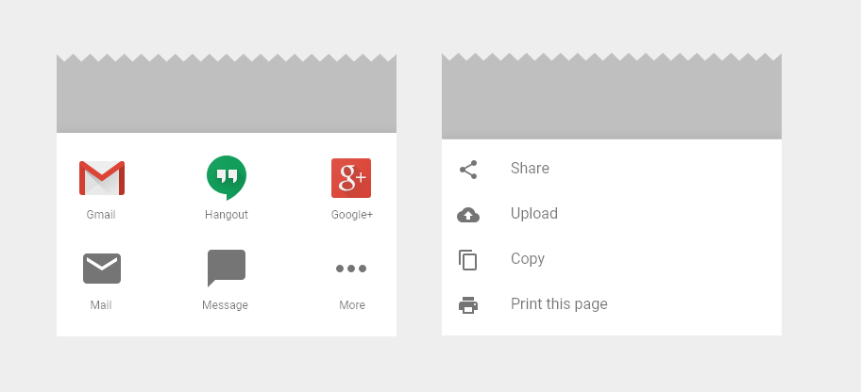
Bottom Sheet.png

Bottom Navigation - Tablet.png
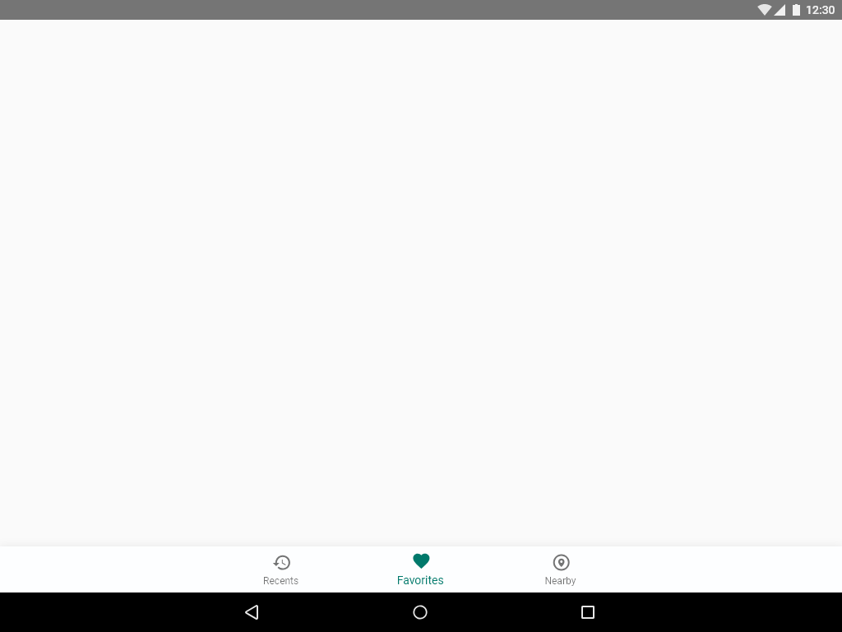
Bottom Navigation - Tablet.png

Bottom Navigation - Mobile.png

Bottom Navigation - Mobile.png

Bottom Navigation - Mobile – la
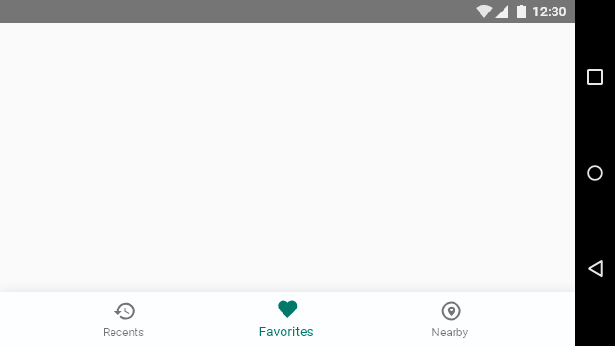
Bottom Navigation - Mobile – landscape.png

