Table 1
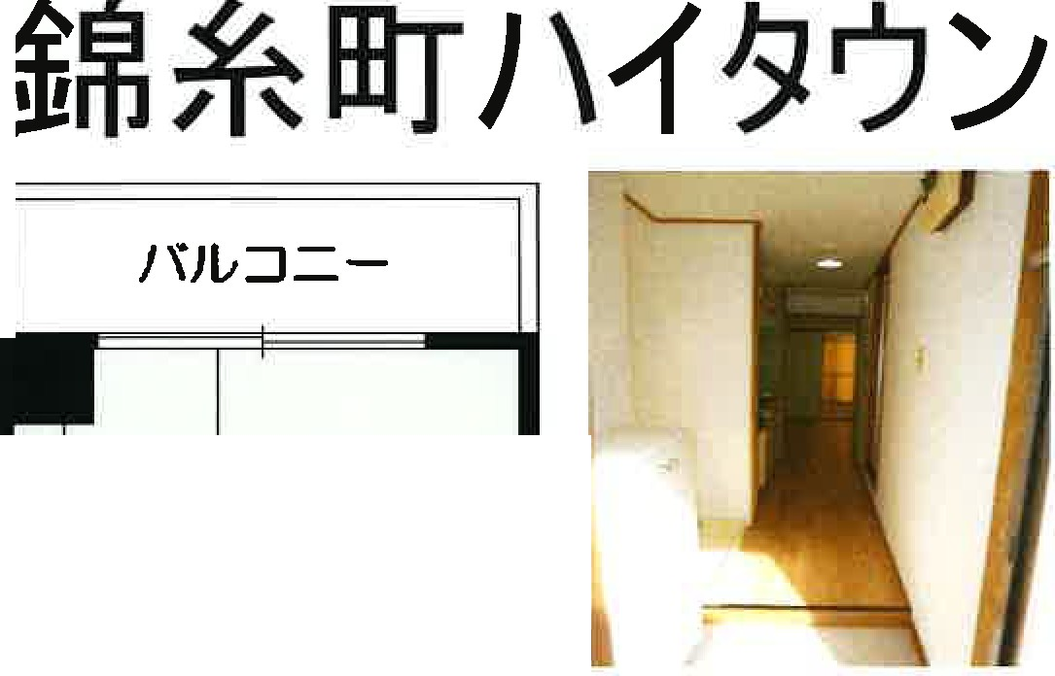
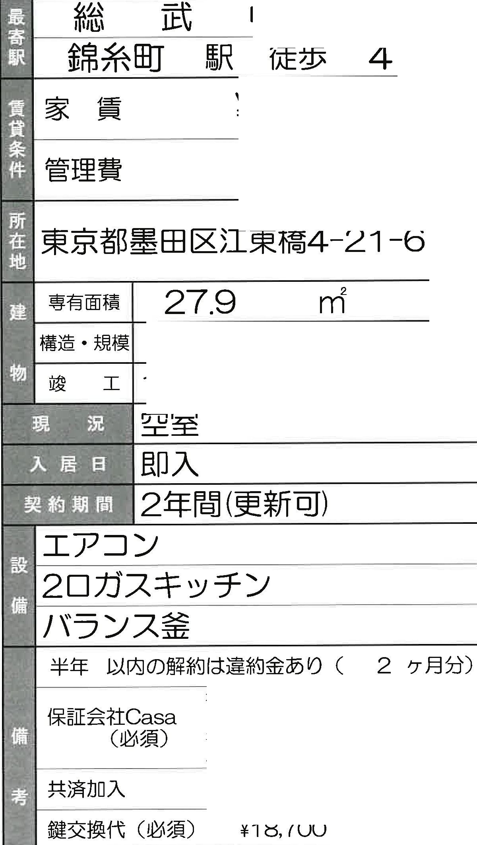
 | FOR |  |  |  | RENT
 |  |  |  |  |  |  |  |  |  |  |  |  |  | :

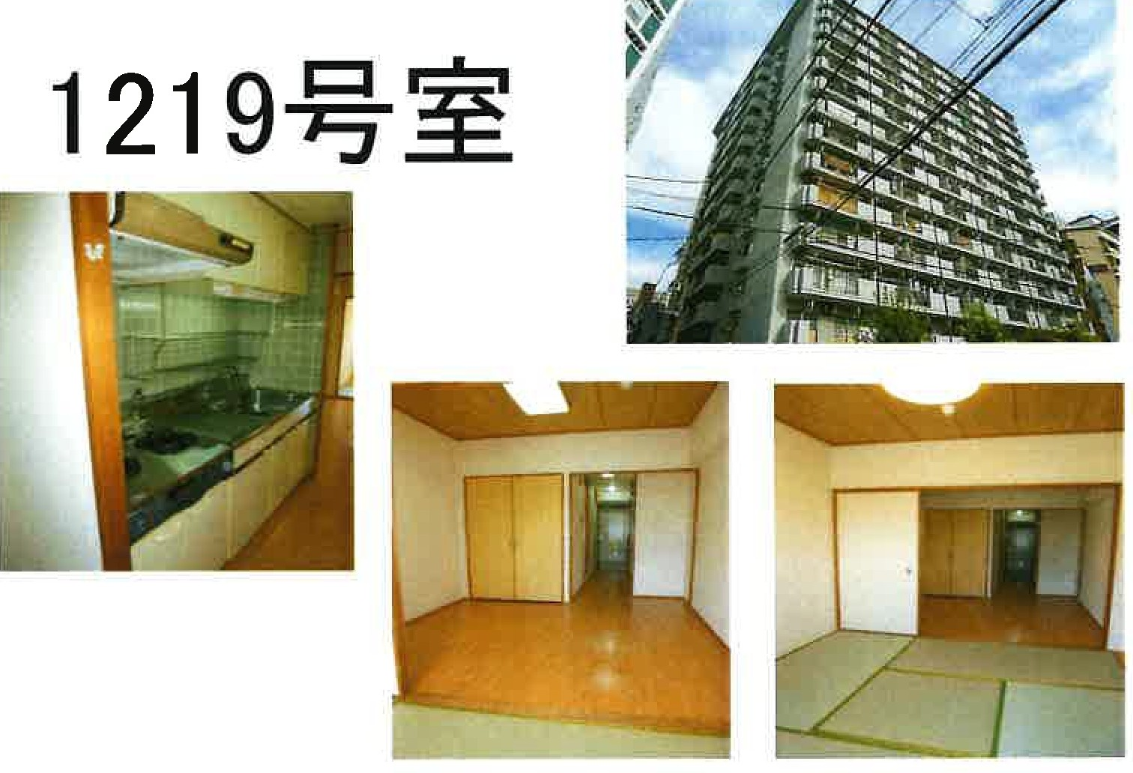
 |  |  |  |  |  |  |  |  |  |  | c::p
 |  |  |  |  |  |  |  |  |  |  | ¥72,000
 |  |  |  |  |  |  |  |  |  |  | ¥4,000

 |  | ;f□
 |  |  |  | 4.5

 |  |  |  |  |  |  |  | *•@· Jui s R C@±t!rF1 tftl14 tm 1978.10
,51--( =::; * 4.8$6 CF
 |  |  |  |  |  | * ]® ffijo J mn Thffi @6:s [}@ g * D [§@ D lb @aill @llg 6:s2V fuJ @) s J
O |  |  | K
0 ,'SJ3.4 -0 w-= =- 0 0
 |  |  |  |  |  |  |  |  |  | 1JJ[Q]i* IE -l 0)50% ( i i*fil i 20,000P3) 1:j:f::i i*fil :10,000P3(11:j:C'c:) ; Jti:J= :F.IlissoP3 cm ) --- ¥20,000 C 21:1: * )

 |  |  |  |  |  |  | 0 ,( 9-::j"...•yt,. 0 '7-:iJl,;TV

 |  |  |  |  |  |  |  |  | 1 | 0 |  | 1 | 100% 11 100%

