examtopics.com Q1
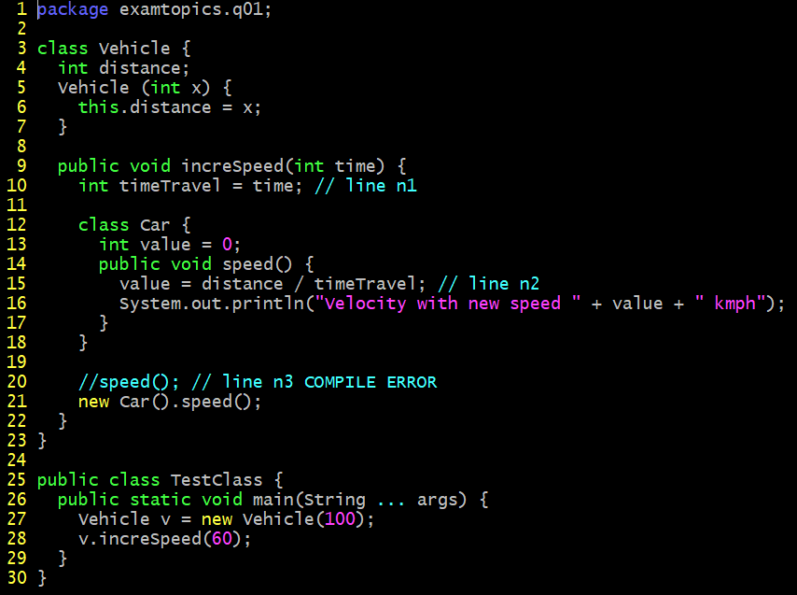
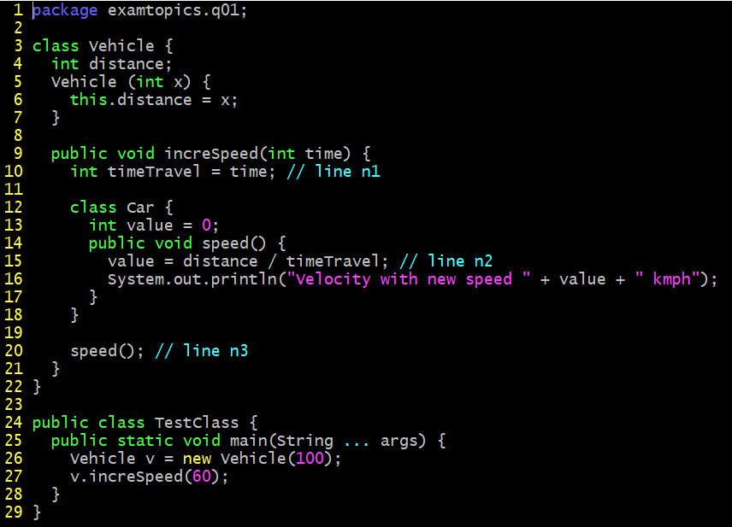

A. Velocity with new speed 1 kmph
B. A compilation error occurs at line n1.
C. A compilation error occurs at line n2.
D. A compilation error occurs at line n3.

examtopis.com Q2
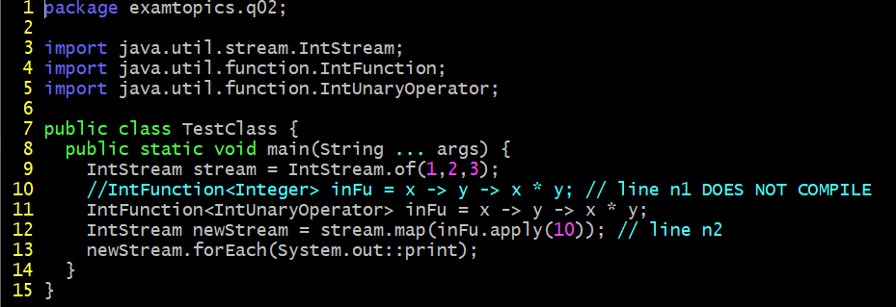
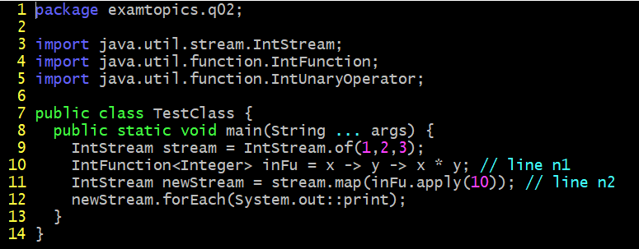

A. Replace line n1 with: IntFunction<UnaryOperator> inFu = x -> y -> x*y;
B. Replace line n1 with: IntFunction<IntUnaryOperator> inFu = x -> y -> x*y;
C. Replace line n1 with: BiFunction<IntUnaryOperator> inFu = x -> y -> x*y;
D. Replace line n2 with: IntStream newStream = stream.map(inFu.applyAsInt (10));

examtopics.com Q4
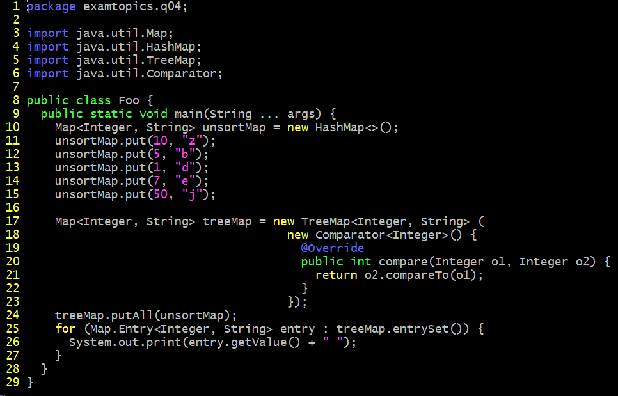

What is the result?
A. A compilation error occurs.
B. d b e z j
C. j z e b d
D. z b d e j

examtopics.com Q6
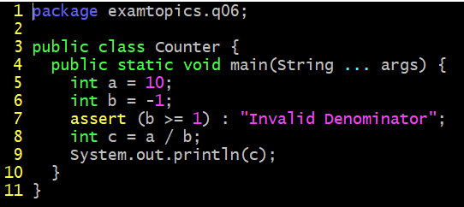

What is the result of running the code with the -ea option?
A. -10
B. 0
C. An AssertionError is thrown.
D. A compilation error occurs.

examtopics.com Q7
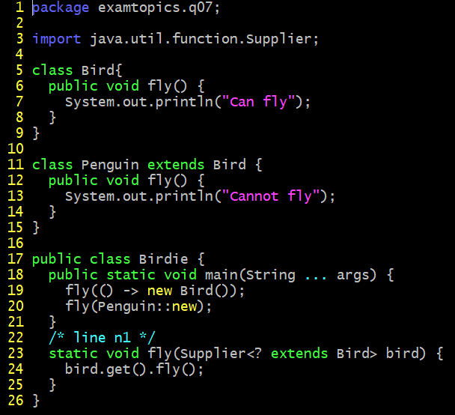
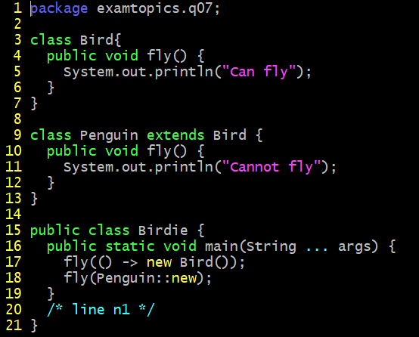

Which code fragment, when inserted at line n1, enables the Birdie class to compile?
A. static void fly (Consumer<Bird> bird) { bird :: fly (); }
B. static void fly (Consumer<? extends Bird> bird) { bird.accept( ) fly (); }
C. static void fly (Supplier<Bird> bird) { bird.get( ) fly (); }
D. static void fly (Supplier<? extends Bird> bird) { bird::fly(); }

