examtopics.com Q1
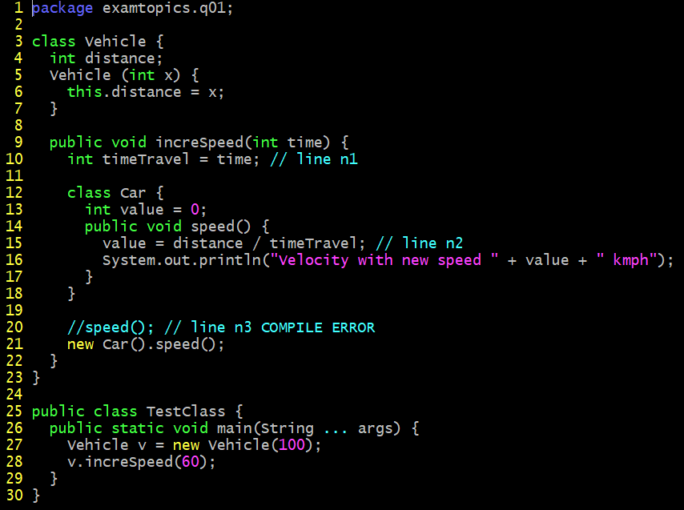
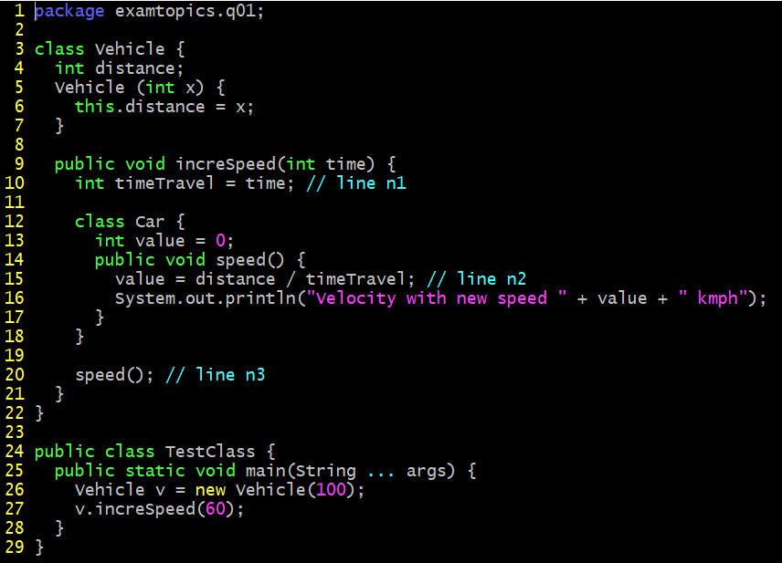

A. Velocity with new speed 1 kmph
B. A compilation error occurs at line n1.
C. A compilation error occurs at line n2.
D. A compilation error occurs at line n3.

examtopis.com Q2
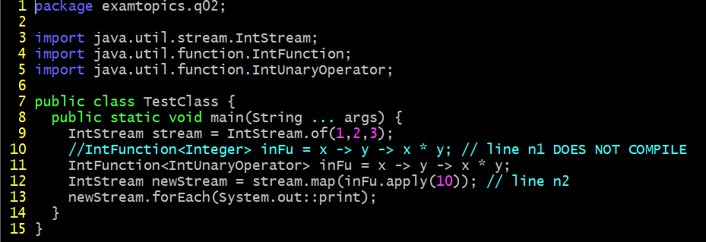
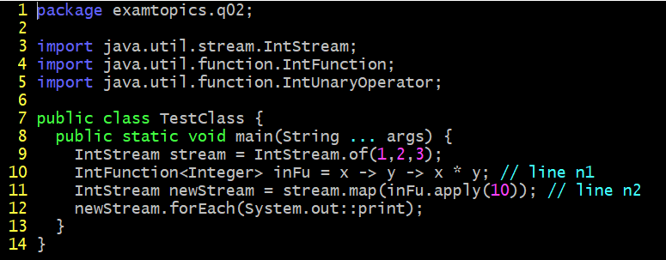

A. Replace line n1 with: IntFunction<UnaryOperator> inFu = x -> y -> x*y;
B. Replace line n1 with: IntFunction<IntUnaryOperator> inFu = x -> y -> x*y;
C. Replace line n1 with: BiFunction<IntUnaryOperator> inFu = x -> y -> x*y;
D. Replace line n2 with: IntStream newStream = stream.map(inFu.applyAsInt (10));

