examtopics.com Q1
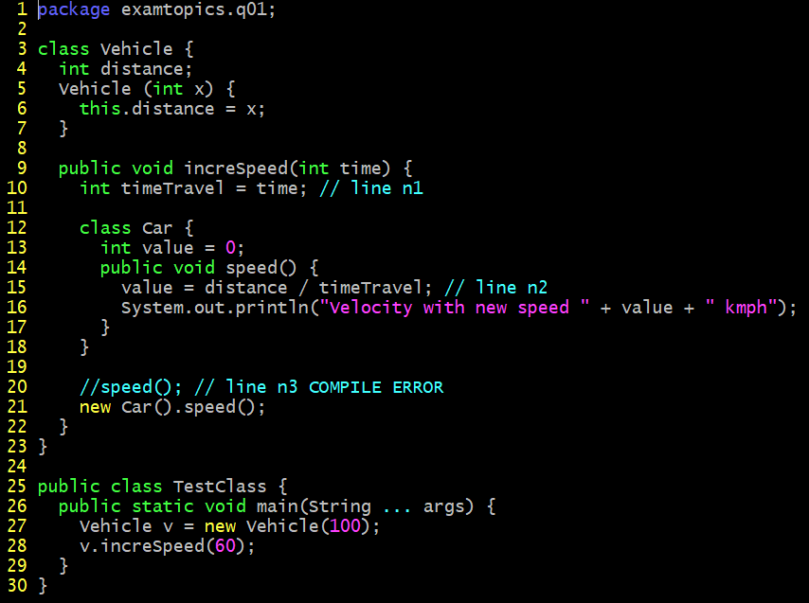
back
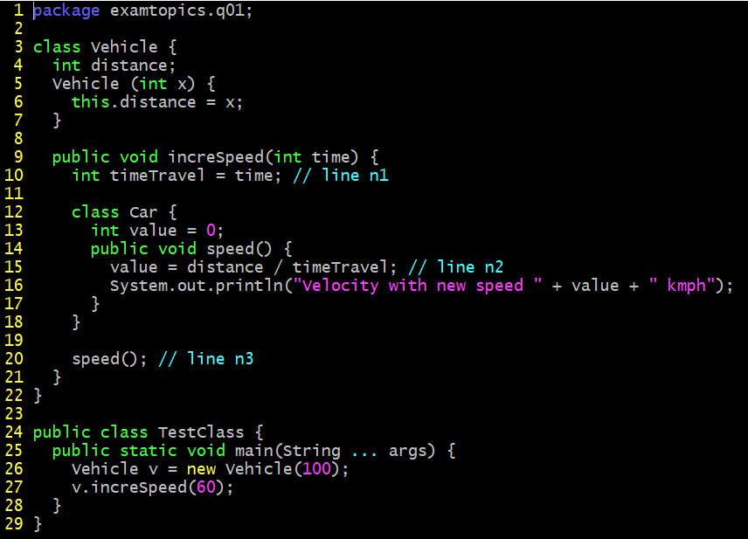

A. Velocity with new speed 1 kmph
B. A compilation error occurs at line n1.
C. A compilation error occurs at line n2.
D. A compilation error occurs at line n3.

examtopis.com Q2
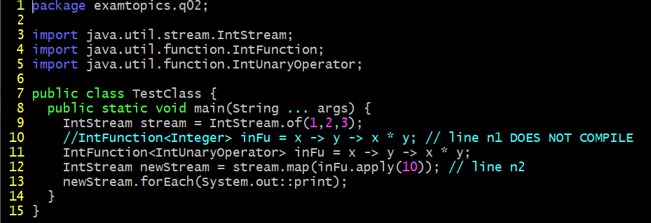
back

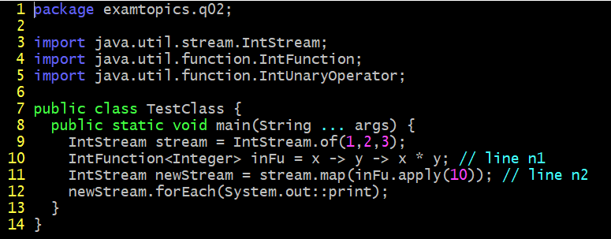

A. Replace line n1 with: IntFunction<UnaryOperator> inFu = x -> y -> x*y;
B. Replace line n1 with: IntFunction<IntUnaryOperator> inFu = x -> y -> x*y;
C. Replace line n1 with: BiFunction<IntUnaryOperator> inFu = x -> y -> x*y;
D. Replace line n2 with: IntStream newStream = stream.map(inFu.applyAsInt (10));

examtopics.com Q4
back
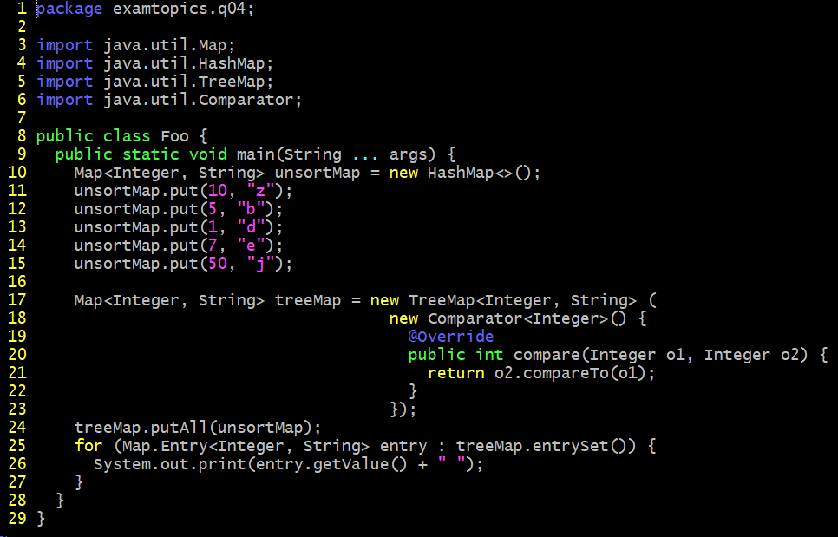

What is the result?
A. A compilation error occurs.
B. d b e z j
C. j z e b d
D. z b d e j

examtopics.com Q6
back
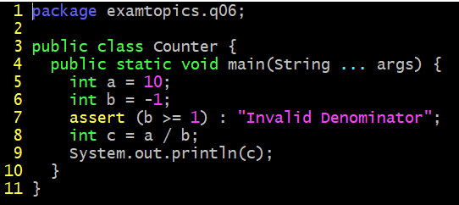

What is the result of running the code with the -ea option?
A. -10
B. 0
C. An AssertionError is thrown.
D. A compilation error occurs.

examtopics.com Q7
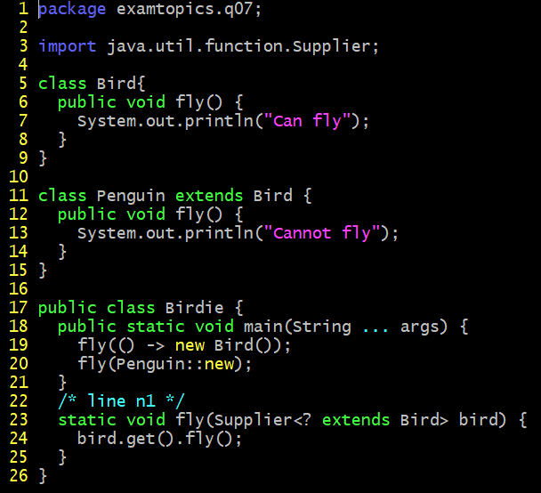
back
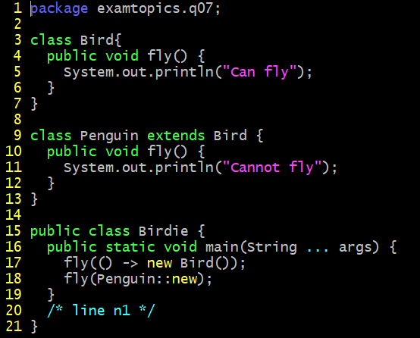

Which code fragment, when inserted at line n1, enables the Birdie class to compile?
A. static void fly (Consumer<Bird> bird) { bird :: fly (); }
B. static void fly (Consumer<? extends Bird> bird) { bird.accept( ) fly (); }
C. static void fly (Supplier<Bird> bird) { bird.get( ) fly (); }
D. static void fly (Supplier<? extends Bird> bird) { bird::fly(); }

examtopics.com Q8
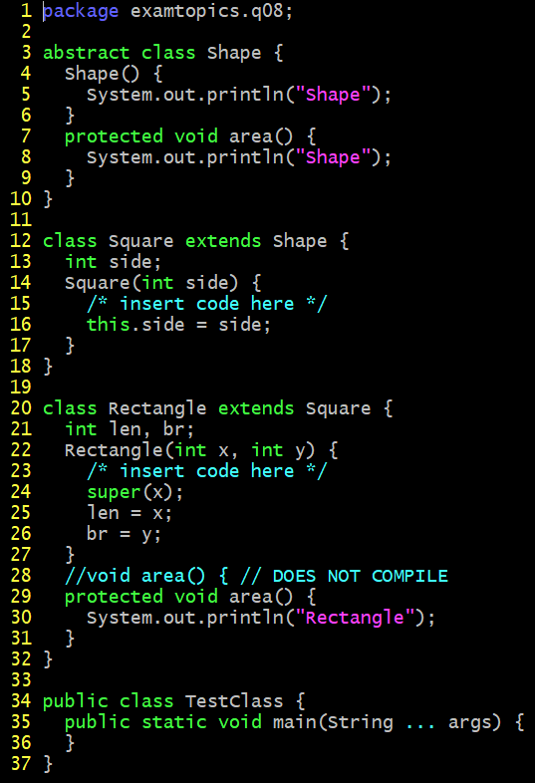
back
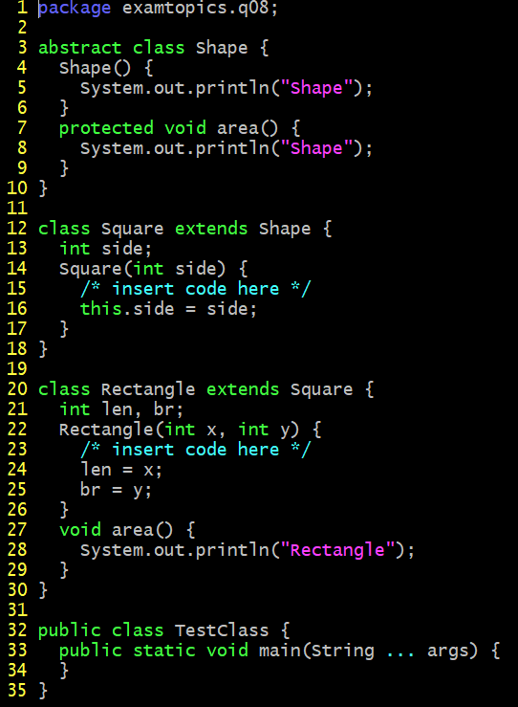

Which two modifications enable the code to compile? (Choose two.)
A. At line 1, remove abstract
B. At line 9, insert super ( );
C. At line 12, remove public
D. At line 17, insert super (x);
E. At line 17, insert super (); super.side = x;
F. At line 20, use public void area ( ) {

examtopics.com Q9
back
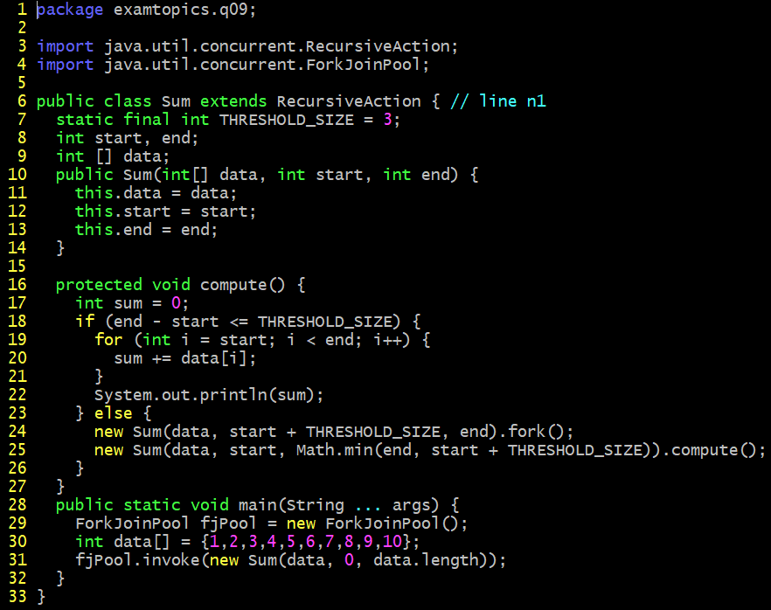

Which statement is true?
A. The program prints several values that total 55.
B. The program prints 55.
C. A compilation error occurs at line n1.
D. The program prints nothing.

examtopics.com Q10
back
 | Operator.java

 | EngineOperator.java
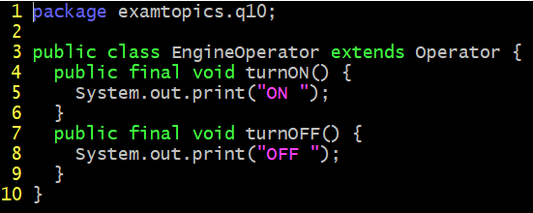

 | Engine.java
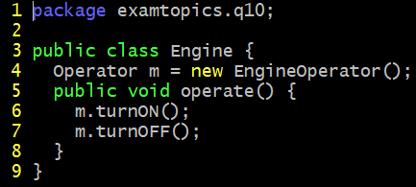

 | TestClass.java
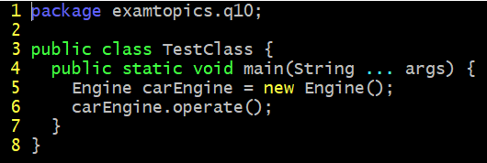

What is the result?
A. The Engine.java file fails to compile.
B. The EngineOperator.java file fails to compile.
C. The Operator.java file fails to compile.
D. ON OFF

examtopics.com Q11
back
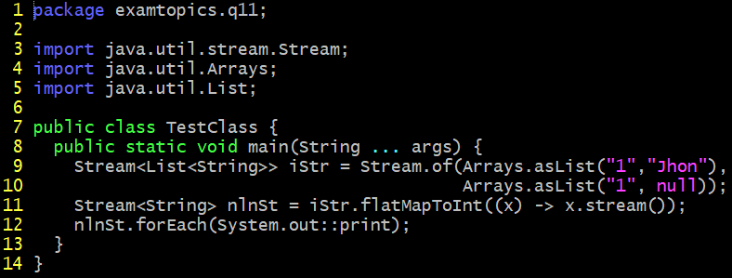

What is the result?
A. 1John2null
B. 12
C. A NullPointerException is thrown at run time.
D. A compilation error occurs.

examtopics.com Q12
back
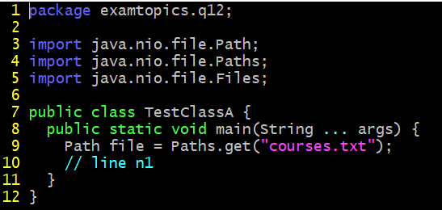

Assume the courses.txt is accessible. Which code fragment can be inserted at line n1 to enable the code to print the content of the courses.txt file?
A. List<String> fc = Files.list(file);
fc.stream().forEach (s - > System.out.println(s));
B. Stream<String> fc = Files.readAllLines (file);
fc.forEach (s - > System.out.println(s));
C. List<String> fc = readAllLines(file);
fc.stream().forEach (s - > System.out.println(s));
D. Stream<String> fc = Files.lines (file);
fc.forEach (s - > System.out.println(s));

examtopics.com Q13
back
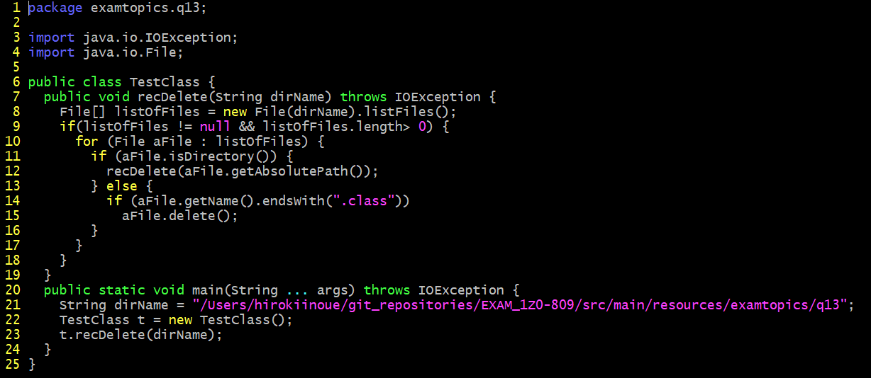

Assume that Projects contains subdirectories that contain .class files and is passed as an argument to the recDelete () method when it is invoked. What is the result?
A. The method deletes all the .class files in the Projects directory and its subdirectories.
B. The method deletes the .class files of the Projects directory only.
C. The method executes and does not make any changes to the Projects directory.
D. The method throws an IOException.

examtopics.com Q14
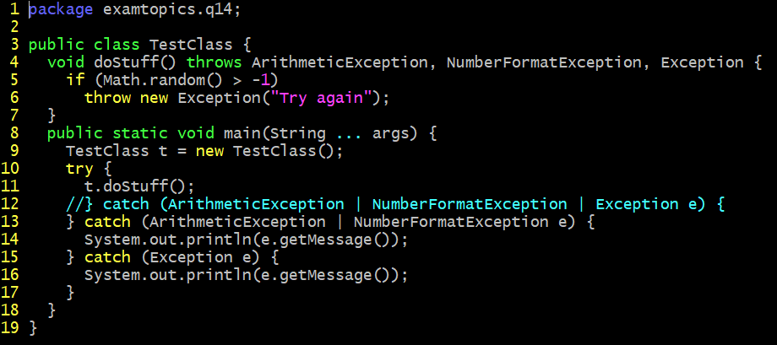
back
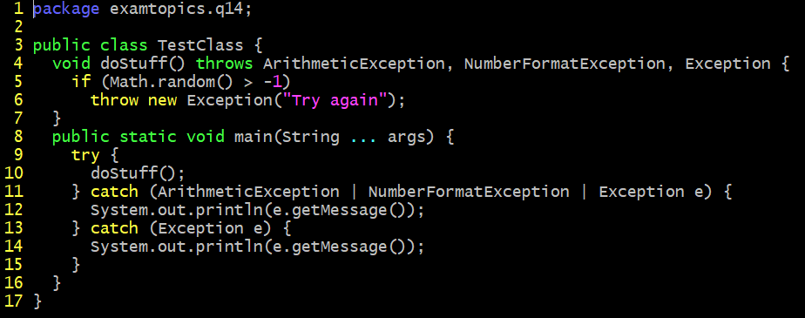

Which modification enables the code to print Try again?
A. Comment the lines 28, 29 and 30.
B. Replace line 26 with: } catch (Exception | ArithmeticException | NumberFormatException e) {
C. Replace line 26 with: } catch (ArithmeticException | NumberFormatException e) {
D. Replace line 27 with: throw e;

examtopics.com Q15
back
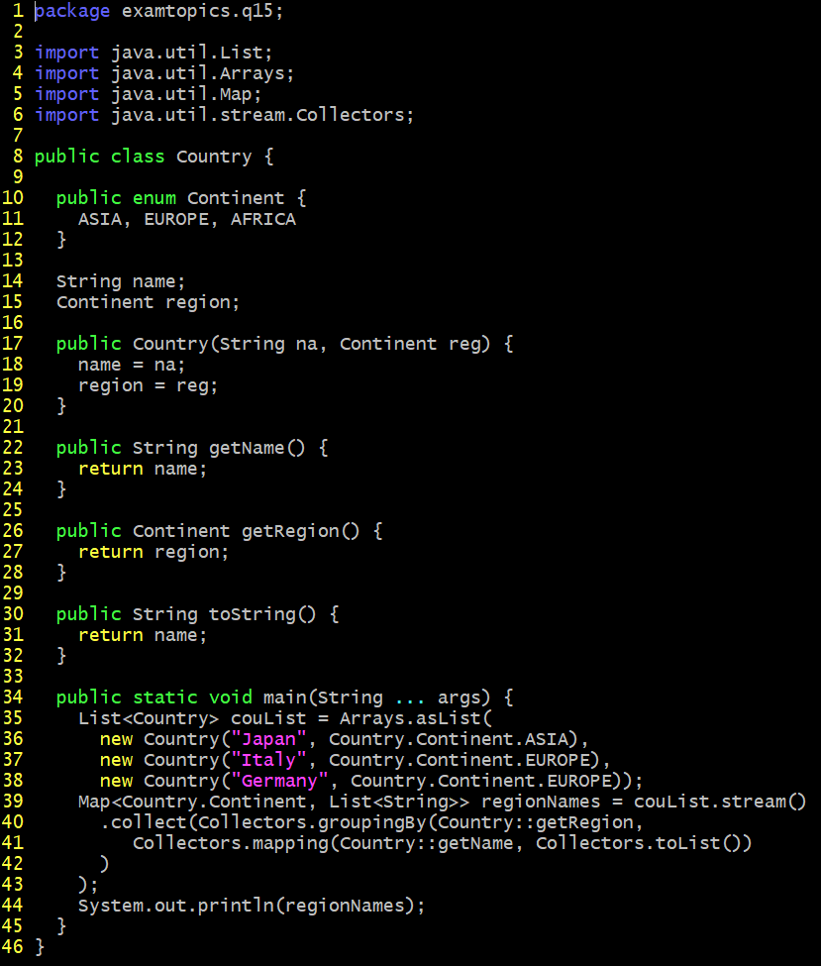

A. {EUROPE = [Italy, Germany], ASIA = [Japan]}
B. {ASIA = [Japan], EUROPE = [Italy, Germany]}
C. {EUROPE = [Germany, Italy], ASIA = [Japan]}
D. {EUROPE = [Germany], EUROPE = [Italy], ASIA = [Japan]}

 | Il risultato dell'esecuzione del codice era "A" ma non sono convinto perché la class HashMap non garantisce l'ordine pertanto la risposta corretta dovrebbe essere "The output cannot be determined ahead of time"

 | Ho fatto una domanda sul CodeRanch:
 | https://coderanch.com/t/776426/certification/HashMap-guarantees-order#3549422

examtopics.com Q16
back
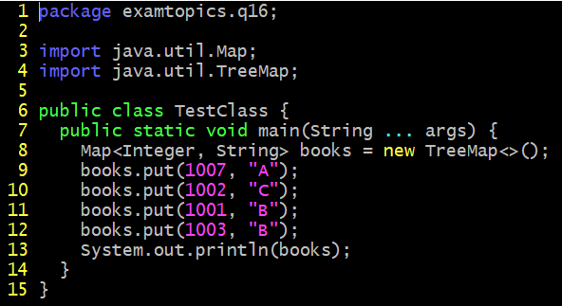

A. {1007 = A, 1002 = C, 1001 = B, 1003 = B}
B. {1001 = B, 1002 = C, 1003 = B, 1007 = A}
C. {1002 = C, 1003 = B, 1007 = A}
D. {1007 = A, 1001 = B, 1003 = B, 1002 = C}

examtopics.com Q17
back
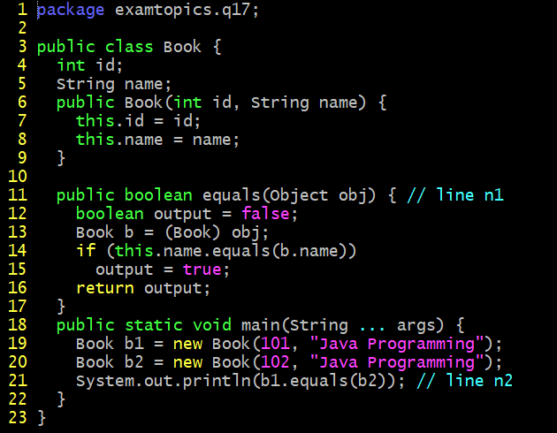

A. The program prints true.
B. The program prints false.
C. A compilation error occurs. To ensure successful compilation, replace line n1 with: boolean equals (Book obj) {
D. A compilation error occurs. To ensure successful compilation, replace line n2 with: System.out.println (b1.equals((Object) b2));

examtopics.com Q18
back

A. Good day! Test followed by an Exception stack trace
B. Good day! followed by an Exception stack trace
C. Good day! Test null
D. A compilation error occurs at line n1.

examtopics.com Q19
back
Which action can be used to load a database driver by using JDBC3.0?
A. Add the driver class to the META-INF/services folder of the JAR file.
B. Include the JDBC driver class in a jdbc.properties file.
C. Use the java.lang.Class.forName method to load the driver class.
D. Use the DriverManager.getDriver method to load the driver class.

examtopics.com Q20
back

Assume that the Pics directory does NOT exist. What is the result?
A. An exception is thrown at run time.
B. 2:MyPic.jpeg: MyPic.jpeg
C. 3:.:MyPic.jpeg
D. 2:Pics: MyPic.jpeg

examtopics.com Q21
back
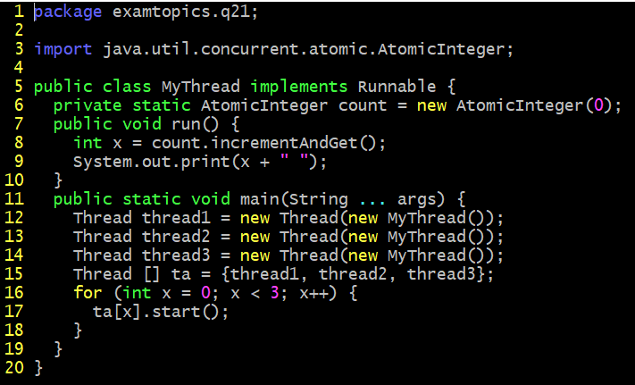

Which statement is true?
A. The program prints 1 2 3 and the order is unpredictable.
B. The program prints 1 2 3.
C. The program prints 1 1 1.
D. A compilation error occurs.

examtopics.com Q22
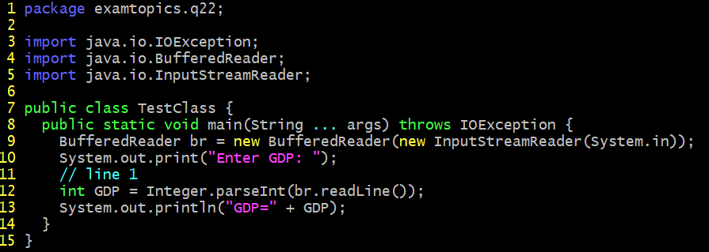
back

Which code fragment, when inserted at line 1, enables the code to read the GDP from the user?
A. int GDP = Integer.parseInt (br.readline());
B. int GDP = br.read();
C. int GDP = br.nextInt();
D. int GDP = Integer.parseInt (br.next());

examtopics.com Q23
back

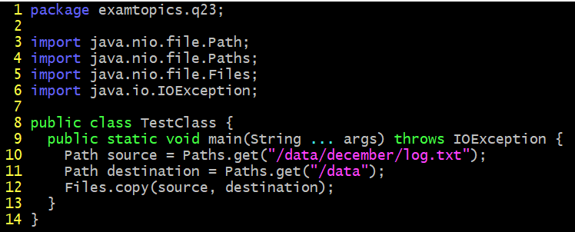

A. A file with the name log.txt is created in the /data directory and the content of the /data/december/log.txt file is copied to it.
B. The program executes successfully and does NOT change the file system.
C. A FileNotFoundException is thrown at run time.
D. A NoSuchFileException is thrown at run time.

examtopics.com Q24
back
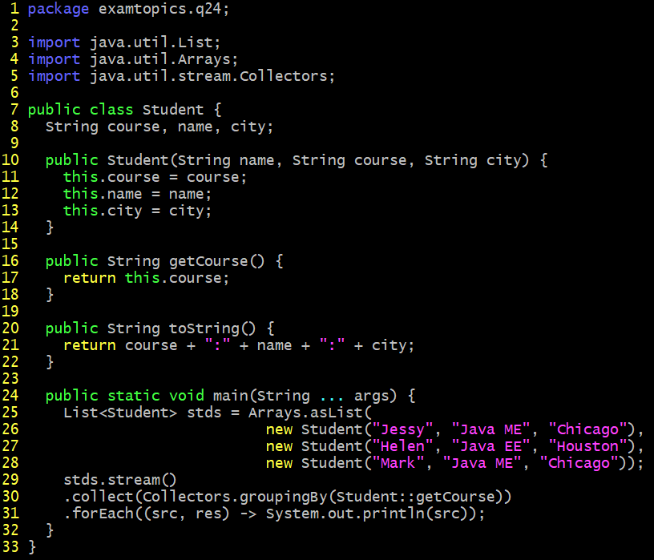

A. [Java EE: Helen:Houston] [Java ME: Jessy:Chicago, Java ME: Mark:Chicago]
B. Java EE Java ME
C. [Java ME: Jessy:Chicago, Java ME: Mark:Chicago] [Java EE: Helen:Houston]
D. A compilation error occurs.

examtopics.com Q25
back

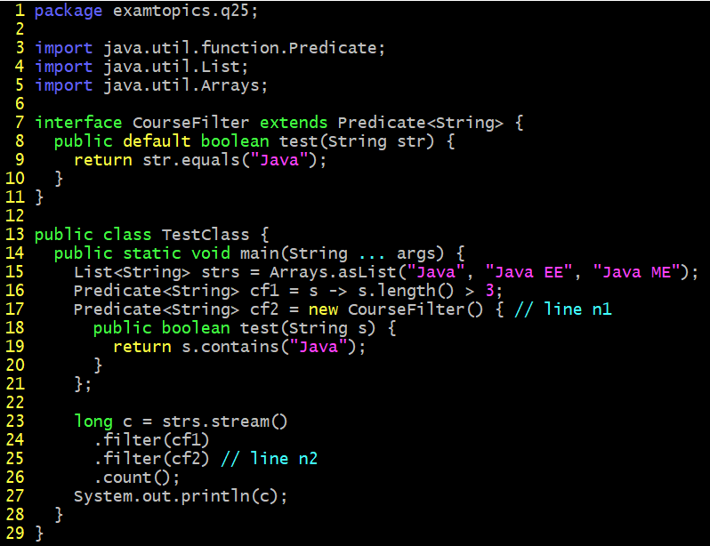

A. 2
B. 3
C. A compilation error occurs at line n1.
D. A compilation error occurs at line n2.

