FPS
FeliCa Plug Service

 | FeliCa Plugをつないでみよう。
 | 図にしてみてわかったが、これだったら直接スマホ同士でNFCなりBluetoothなりで通信すればいいやん。
 | まあ、練習だから深く考えるのはやめよう。

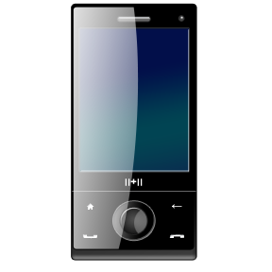
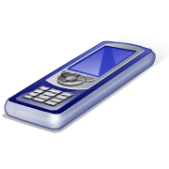
nRF51822
FeliCa
Plug
NFC
BLE

 |  | 搬送波検知で動作するのは、やめよう。
 |  | Read w/o EncされたときにNotifyするだけにする。
 |  | データは単にATTで持てば良いだろう。
 |  | NDEF形式にして、読ませたいデータはBLEで書き込む。

概要
Characteristic
Server
Client
nRF51822
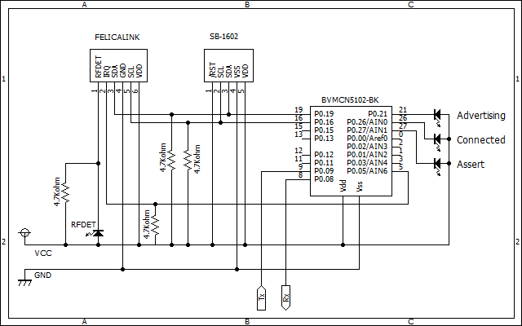
read w/o res.
FPS_NDEF
FeliCa Plug
read
notify NFC read

FPS_xxx

Service

FPS_NDEF

value

CCCD(notify)

FPS_xxx

value

ATTテーブル
Generic Access Service
base UUID |  |  | common | 0000xxxx-0000-1000-8000-00805F9B34FB
概要 |  |  | UUID | Perm |  | Value
 |  |  |  | R | W
Primary Service |  |  | 0x2800 | ○ | - | 0x1800
 | Characteristic |  | 0x2803 | ○ | -
 |  | Device Name | 0x2A00 | ○ | ○ | "FelicaLinkDev"
 | Characteristic |  | 0x2803 | ○ | -
7つ
 |  | Appearance | 0x2A01 | ○ | -
 | Characteristic |  | 0x2803 | ○ | -
[F1:78:92:42:17:BF][LE]> connect F1:78:92:42:17:BF random
Attempting to connect to F1:78:92:42:17:BF
Connection successful
[F1:78:92:42:17:BF][LE]> primary
attr handle: 0x0001, end grp handle: 0x0007 uuid: 00001800-0000-1000-8000-00805f9b34fb
attr handle: 0x0008, end grp handle: 0x0008 uuid: 00001801-0000-1000-8000-00805f9b34fb
attr handle: 0x0009, end grp handle: 0xffff uuid: 8f825500-7326-78cf-e5b0-f514e62bc594
 |  | PPCP | 0x2A04 | ○ | -

1つ
Generic Attribute Service
base UUID |  |  | common | 0000xxxx-0000-1000-8000-00805F9B34FB
概要 |  |  | UUID | Perm |  | Value
 |  |  |  | R | W
Primary Service |  |  | 0x2800 | ○ | - | 0x1801

FeliCa Plug Service
base UUID |  |  | FPS | 8F82xxxx-7326-78CF-E5B0-F514E62BC594
概要 |  |  | UUID | Perm |  | Value
 |  |  |  | R | W
まだ実装してなかったかも
Primary Service |  |  | 0x2800 | ○ | - | 0x5500
 | Characteristic |  | 0x2803 | ○ | - | Properties: ・Read ・Write without Response ・Notify
 |  | NDEF data | 0x5501 | ○ | ○ | Write:NDEF値(データのみ) Read:NDEF値(データのみ)
 |  | User Description | 0x2901 | ○ | - | "NDEF data"
 |  | CCCD | 0x2902 | ○ | ○ | Configuration: ・Notification
 | Characteristic |  | 0x2803 | ○ | - | Properties: ・Read ・Write without Response ・Notify
 |  | read | 0x5502 | ○ | -
 |  | User Description | 0x2901 | ○ | - | "read"
 |  | CCCD | 0x2902 | ○ | ○ | Configuration: ・Notification
 | Characteristic |  | 0x2803 | ○ | - | Properties: ・Read ・Write without Response ・Notify
 |  | write | 0x5503 | - | ○
 |  | User Description | 0x2901 | ○ | - | "write"
 |  | CCCD | 0x2902 | ○ | ○ | Configuration: ・Notification

ATTテーブル (SensorTag)
Generic Access Service
base UUID |  |  | common | 0000xxxx-0000-1000-8000-00805F9B34FB
概要 |  |  | UUID | Perm |  | Value
 |  |  |  | R | W
Primary Service |  |  | 0x2800 | ○ | - | 0x1800
 | Characteristic |  | 0x2803 | ○ | - | 02:03:00:00:2A
 |  | Device Name | 0x2A00 | ○ | - | "TI BLE Sensor Tag"
 | Characteristic |  | 0x2803 | ○ | - | 02:05:00:01:2A
 |  | Appearance | 0x2A01 | ○ | - | 00:00
 | Characteristic |  | 0x2803 | ○ | - | 02:05:00:01:2A
 |  | Peripheral Privacy Flag | 0x2A02 | ○ | ○ | 00
[34:B1:F7:D4:FA:33][LE]>primary
attr handle: 0x0001, end grp handle: 0x000b uuid: 00001800-0000-1000-8000-00805f9b34fb
attr handle: 0x000c, end grp handle: 0x000f uuid: 00001801-0000-1000-8000-00805f9b34fb
attr handle: 0x0010, end grp handle: 0x0022 uuid: 0000180a-0000-1000-8000-00805f9b34fb
attr handle: 0x0023, end grp handle: 0x002d uuid: f000aa00-0451-4000-b000-000000000000
attr handle: 0x002e, end grp handle: 0x0038 uuid: f000aa10-0451-4000-b000-000000000000
attr handle: 0x0039, end grp handle: 0x0043 uuid: f000aa20-0451-4000-b000-000000000000
attr handle: 0x0044, end grp handle: 0x004e uuid: f000aa30-0451-4000-b000-000000000000
attr handle: 0x004f, end grp handle: 0x005d uuid: f000aa40-0451-4000-b000-000000000000
attr handle: 0x005e, end grp handle: 0x0068 uuid: f000aa50-0451-4000-b000-000000000000
attr handle: 0x0069, end grp handle: 0x006d uuid: 0000ffe0-0000-1000-8000-00805f9b34fb
attr handle: 0x006e, end grp handle: 0x0078 uuid: f000ccc0-0451-4000-b000-000000000000
attr handle: 0x0079, end grp handle: 0x0085 uuid: f000bcc0-0451-4000-b000-000000000000
attr handle: 0x0086, end grp handle: 0xffff uuid: f000ffc0-0451-4000-b000-000000000000
 | Characteristic |  | 0x2803 | ○ | - | 08:09:00:03:2A
 |  | Reconnection Address | 0x2A03 | - | ○
 | Characteristic |  | 0x2803 | ○ | - | 02:0B:00:04:2A
 |  | PPCP | 0x2A04 | ○ | - | 50:00:A0:00:00:00:E8:03

Generic Attribute Service
base UUID |  |  | common | 0000xxxx-0000-1000-8000-00805F9B34FB
概要 |  |  | UUID | Perm |  | Value
 |  |  |  | R | W
Primary Service |  |  | 0x2800 | ○ | - | 0x1801
 | Characteristic |  | 0x2803 | ○ | - | 20:0E:00:05:2A
 |  | Service Changed | 0x2A05 | - | -
 |  | CCCD | 0x2902 | ○ | ○ | 00:00

Device Information Service
base UUID |  |  | common | 0000xxxx-0000-1000-8000-00805F9B34FB
概要 |  |  | UUID | Perm |  | Value
 |  |  |  | R | W
Primary Service |  |  | 0x2800 | ○ | - | 0x180A
 | Characteristic |  | 0x2803 | ○ | - | 02:12:00:23:2A
 |  | System ID | 0x2A23 | ○ | - | 60:E2:B1:00:00:EB:D7:90
 | Characteristic |  | 0x2803 | ○ | - | 02:14:00:24:2A
 |  | Model Number String | 0x2A24 | ○ | - | "N.A."
 | Characteristic |  | 0x2803 | ○ | - | 02:16:00:25:2A
 |  | Serial Number String | 0x2A25 | - | ○ | "N.A."
 | Characteristic |  | 0x2803 | ○ | - | 02:18:00:26:2A
 |  | Firmware Revision String | 0x2A26 | ○ | - | "1.5 (Oct 23 2013)"
 | Characteristic |  | 0x2803 | ○ | - | 02:1A:00:27:2A
 |  | Hardware Revision String | 0x2A27 | - | ○ | "N.A."
 | Characteristic |  | 0x2803 | ○ | - | 4E:2E:41:2E:00
 |  | Software Revision String | 0x2A28 | ○ | - | "N.A."
 | Characteristic |  | 0x2803 | ○ | - | 02:1E:00:29:2A
 |  | Manufacturer Name String | 0x2A29 | - | ○ | "Texas Instruments"
 | Characteristic |  | 0x2803 | ○ | - | 02:20:00:2A:2A
 |  | IEEE11073-20601 | 0x2A2A | ○ | - | FE:00:65:78:70:65:72:69:6D:65:6E:74:61:6C
 | Characteristic |  | 0x2803 | ○ | - | 02:22:00:50:2A
 |  | PnP ID | 0x2A50 | - | ○ | 01:0D:00:00:00:10:01

IR Temperature Service
base UUID |  |  | base | F000xxxx-0451-4000-B000-000000000000
概要 |  |  | UUID | Perm |  | Value
 |  |  |  | R | W
Primary Service |  |  | 0x2800 | ○ | - | 0xAA00
 | Characteristic |  | 0x2803 | ○ | - | 12:25:00:00:00:00:00:00:00:00:B0:00:40:51:04:01:AA:00:F0
 |  | IR Temperature Data | 0xAA01 | ○ | - | 00:00:00:00
 |  | CCCD | 0x2902 | ○ | ○ | 00:00
 |  | Char. User Description | 0x2901 | ○ | - | "Temp. Data"
 | Characteristic |  | 0x2803 | ○ | - | 0A:29:00:00:00:00:00:00:00:00:B0:00:40:51:04:02:AA:00:F0
 |  | IR Temperature Config | 0xAA02 | ○ | ○ | 00
 |  | Char. User Description | 0x2901 | ○ | - | "Temp. Conf"
 | Characteristic |  | 0x2803 | ○ | - | 0A:2C:00:00:00:00:00:00:00:00:B0:00:40:51:04:03:AA:00:F0
 |  | IR Temperature Period | 0xAA03 | ○ | ○ | 64
 |  | Char. User Description | 0x2901 | ○ | - | "Temp. Period"

