Sheet1
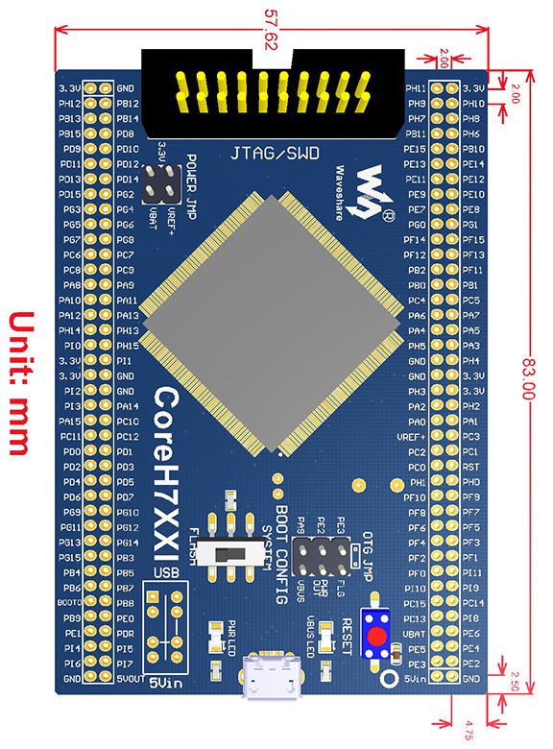
 | 3.3V | 0 | 1 | GND |  | BTN4 | H11 | 0 | 1 | 3.3V
 | H12 | 2 | 3 | B12 |  | BTN2 | H9 | 2 | 3 | H10 | BTN3
 | B13 | 4 | 5 | B14 |  |  | H7 | 4 | 5 | H8 | BTN1
 | B15 | 6 | 7 | D8 |  |  | B11 | 6 | 7 | H6
 | D9 | 8 | 9 | D10 |  |  | E15 | 8 | 9 | B10
 | D11 | 10 | 11 | D12 |  |  | E13 | 10 | 11 | E14
 | D13 | 12 | 13 | D14 |  | MOTOR4_ENC_B | E11 | 12 | 13 | E12
 | D15 | 14 | 15 | G2 |  | MOTOR4_ENC_A | E9 | 14 | 15 | E10
 | G3 | 16 | 17 | G4 |  |  | E7 | 16 | 17 | E8
 | G5 | 18 | 19 | G6 |  |  | G0 | 18 | 19 | G1
 | G7 | 20 | 21 | G8 |  |  | F14 | 20 | 21 | F15
 | C6 | 22 | 23 | C7 |  | ADC1_IMP6 | F12 | 22 | 23 | F13
 | C8 | 24 | 25 | C9 |  |  | B2 | 24 | 25 | F11
 | A8 | 26 | 27 | A9 |  | ADC1_IMP9 | B0 | 26 | 27 | B10
 | A10 | 28 | 29 | A11 | USB_OTG_FS_DM |  | C4 | 28 | 29 | C5 | ADC1_IMP8
USB_OTG_FS_DP | A12 | 30 | 31 | A13 |  |  | A6 | 30 | 31 | A7 | ADC1_INP7
 | H14 | 32 | 33 | H13 |  |  | A4 | 32 | 33 | A5
 | I0 | 34 | 35 | H15 |  |  | H5 | 34 | 35 | A3
 | 3.3V | 36 | 37 | I1 |  |  | GND | 36 | 37 | H4
 | 3.3V | 38 | 39 | GND |  |  | GND | 38 | 39 | 3.3V
 | I2 | 40 | 41 | GND |  |  | H3 | 40 | 41 | 3.3V
 | I3 | 42 | 43 | A14 | MOTOR4_CTRL1 |  | A2 | 42 | 43 | H2
 | A15 | 44 | 45 | C10 | MOTOR4_CTRL2 | MOTOR3_ENC_A | A0 | 44 | 45 | A1 | MOTOR3_ENC_B
 | C11 | 46 | 47 | C12 | MOTOR3_CTRL1 |  | VREF+ | 46 | 47 | C3
 | D0 | 48 | 49 | D1 | MOTOR3_CTRL2 |  | C2 | 48 | 49 | C1
 | D2 | 50 | 51 | D3 | MOTOR2_CTRL1 |  | C0 | 50 | 51 | RST
 | D4 | 52 | 53 | D5 | MOTOR2_CTRL2 | RCC_OSC_OUT | H1 | 52 | 53 | H0 | RCC_OSC_IN
 | D6 | 54 | 55 | D7 | MOTOR1_CTRL1 |  | F10 | 54 | 55 | F9
 | G9 | 56 | 57 | G10 | MOTOR1_CTRL2 |  | F8 | 56 | 57 | F7
 | G11 | 58 | 59 | G12 |  |  | F6 | 58 | 59 | F5
 | G13 | 60 | 61 | G14 |  |  | F4 | 60 | 61 | F3
 | G15 | 62 | 63 | B3 |  |  | F2 | 62 | 63 | F1 | LED4_BLUE
MOTOR2_ENC_A | B4 | 64 | 65 | B5 | MOTOR2_ENC_B | LED4_GREEN | F0 | 64 | 65 | I11 | LED4_RED
MOTOR1_PWM | B6 | 66 | 67 | B7 | MOTOR2_PWM | LED3_GREEN | I10 | 66 | 67 | I9 | LED3_BLUE
 | BOOTO | 68 | 69 | B8 | MOTOR3_PWM | LED3_RED | C15 | 68 | 69 | C14 | LED2_BLUE
MOTOR4_PWM | B9 | 70 | 71 | E0 |  | LED2_GREEN | C13 | 70 | 71 | I8 | LED2_RED
 | E1 | 72 | 73 | PDR |  |  | VBAT | 72 | 73 | E6
 | I4 | 74 | 75 | I5 | MOTOR1_ENC_A |  | E5 | 74 | 75 | E4 | LED1_BLUE
MOTOR1_ENC_B | I6 | 76 | 77 | I7 |  | LED1_GREEN | E3 | 76 | 77 | E2 | LED1_RED
 | GND | 78 | 79 | 5VOUT |  |  | 5VIN | 78 | 79 | GND

