Final Version
92,941 without previous CVD event
102,880 participants with accelerometer data tracked
7003 with low-quality accelerometer data, i.e.: - Poor calibration = 12
- Insufficient wear time = 6978 - Unrealistically high acceleration values = 13
2691 missing behavioral risk factors:
answered “Prefer not to answer” or “Do not know” to diet, liffestyle habits and diseases related questions (i.e. type II diabetes and drepression)
95,877 participants with high-quality accelerometer data
Participants lost to follow-up = 13
92,928 not lost to follow-up
90,237 eligible participants

Draft
n = 93,698 (i.e. number of participants that did not report any CVD)
After applying all exclusions, we end up with a sample of n = 90,944 participants
A panel of N = 502,248 people recruited in 2006, with data collected continuously until today.
Exclusion 1: Low-Quality Accelerometer Data 1.1 Devices with poor calibration.
-n = 398623 1.2 Participants with more than 1% of values clipped (i.e., falling outside the sensor's range) either before or after calibration.
-n = 0 1.3 Participants with insufficient wear time.
-n = 6978 1.4 Participants exhibiting unrealistically high acceleration values.
-n = 13
We remove 405,614 participants
Exclusion 2 : Cardiovascular disease diagnosis in HES prior to accelerometer wear (2013)
2.1 Participants that reported having a stroke < 2013
-n = 1140 participants
2.2 Participants that reported having a MI < 2013
-n = 1796 participants
We remove 2936 participants
Exclusion 4 : Missing demographic data
4.1 Participants with missing data for:
ethnicity, education, smoking status, alcohol consumption, Townsend Deprivation Index, oily fish consumption, fresh fruit consumption, cooked veggies consumption and BMI.
Total 4.1 : -n = 0 participants
4.2 Remove participants who answered “Prefer not to answer” or “Do not know” to diet, habits and diseases related questions.
-n_{smoke} = 43 participants
-n_{alcohol} = 1 participant
-n_{tdi} = 108 participants
-n_{edu} = 509 participants
-n_{BMI} = 183 participants
-n_{BMI} = 183 participants
-n_{foods} = 1258 participants (total)
-n_{diabetes} = 174 participants
-n_{avg_hh_income} = 650 participants
Total 4.1 : -n = 2691 participants
Total 4.2 : -n = 2691 participants
We remove 2691 participants
n = 96,634 (i.e. number of participants with high-quality accelerometer data)
Exclusion 3 : Lost follow-up
Participants for whom we have lost follow-up
We remove 13 participants
n = 93,685 (i.e. number of participants that were present at follow-up)
92,941 without previous CVD event
102,880 participants with accelerometer data tracked
7003 with low-quality accelerometer data, i.e.: - Poor calibration = 12
- Insufficient wear time = 6978 - Unrealistically high acceleration values = 13
2691 missing behavioral risk factors:
answered “Prefer not to answer” or “Do not know” to diet, liffestyle habits and diseases related questions (i.e. type II diabetes and drepression)
95,877 participants with high-quality accelerometer data
Participants lost to follow-up = 13
92,928 not lost to follow-up
90,237 eligible participants

2936 with incident first-time cardiovascular disease prior to accelerometer asessment in 2013:
-Stroke = 1140
-Miocardial infarction = 1796

No missing, do not list them: ethnicity, education, smoking status, alcohol consumption, Townsend Deprivation Index, oily fish consumption, fresh fruit consumption, cooked veggies consumption and BMI.

2936 with incident first-time cardiovascular disease prior to accelerometer asessment in 2013:
-Stroke = 1140
-Miocardial infarction = 1796

93,676 without previous CVD event
90,237 eligible participants
102,877 participants with accelerometer data tracked
7003 with low-quality accelerometer data, i.e.: - Poor calibration = 12
- Insufficient wear time = 6978 - Unrealistically high acceleration values = 13
2691 missing behavioral risk factors:
answered “Prefer not to answer” or “Do not know” to diet, liffestyle habits and diseases related questions (i.e. type II diabetes and drepression)
96,612 participants with high-quality accelerometer data
Participants lost to follow-up = 13
93,663 not lost to follow-up
735 Missing raw data
Participants for which we don't have raw data (PA3)
-- the number here is too large, this missingness ineeds to be part of 103,746.
90,972 without missing covariates

 |  | 96743

 | 103612
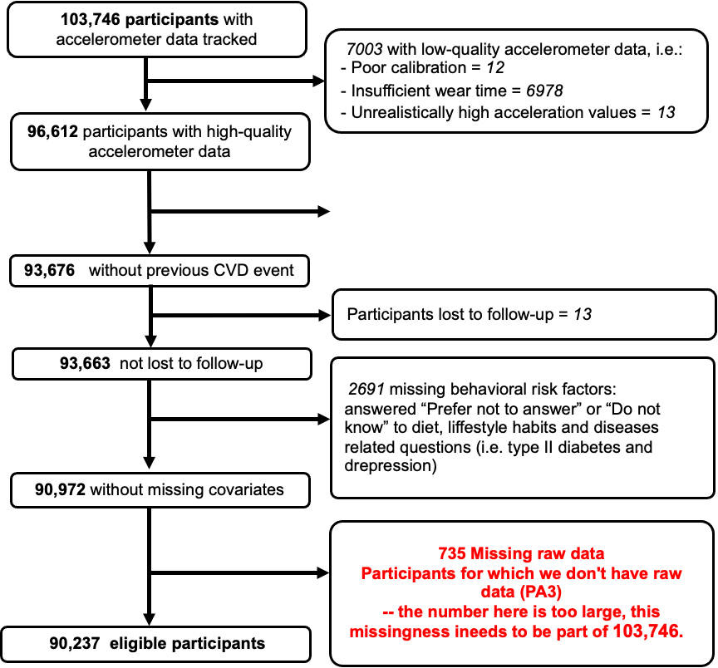
 | 103011 | 96008
 | 95877

