Sheet1
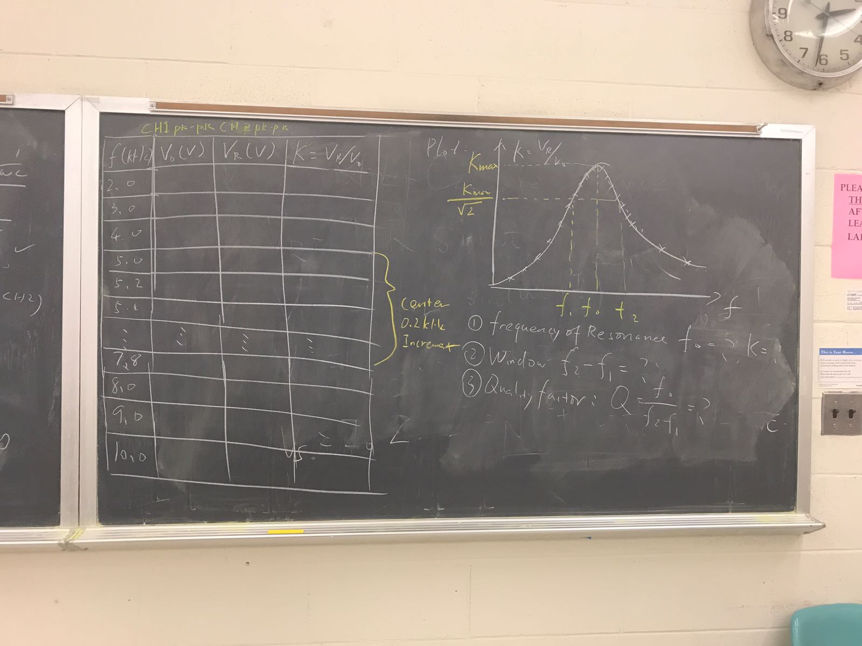
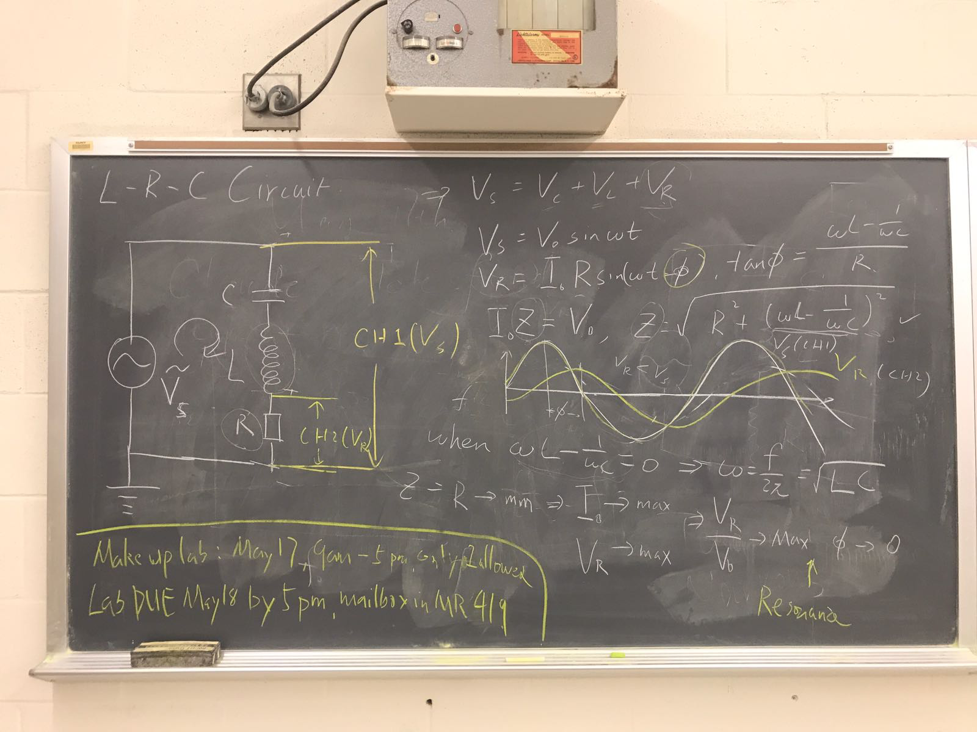
F(kHz) vs K=Vr/V0
F | V0 | Vr | K=Vr/V0
2 | 1.08 | 0.118 | 0.10925925926
3 | 1.06 | 0.192 | 0.18113207547
4 | 1.04 | 0.32 | 0.30769230769
5 | 1.02 | 0.48 | 0.47058823529
5.2 | 1.02 | 0.52 | 0.50980392157
5.4 | 1.02 | 0.56 | 0.54901960784
5.6 | 1 | 0.608 | 0.608
5.8 | 0.98 | 0.656 | 0.6693877551
6 | 0.98 | 0.696 | 0.71020408163
6.2 | 0.98 | 0.736 | 0.75102040816
6.4 | 0.98 | 0.76 | 0.77551020408
6.6 | 0.98 | 0.784 | 0.8
6.8 | 0.96 | 0.792 | 0.825
7 | 0.96 | 0.784 | 0.81666666667
7.2 | 0.96 | 0.768 | 0.8
7.4 | 0.94 | 0.752 | 0.8
7.6 | 0.94 | 0.72 | 0.76595744681
7.8 | 0.94 | 0.688 | 0.73191489362
8 | 0.94 | 0.656 | 0.69787234043
9 | 0.92 | 0.52 | 0.5652173913
10 | 0.9 | 0.416 | 0.46222222222

