Graphs
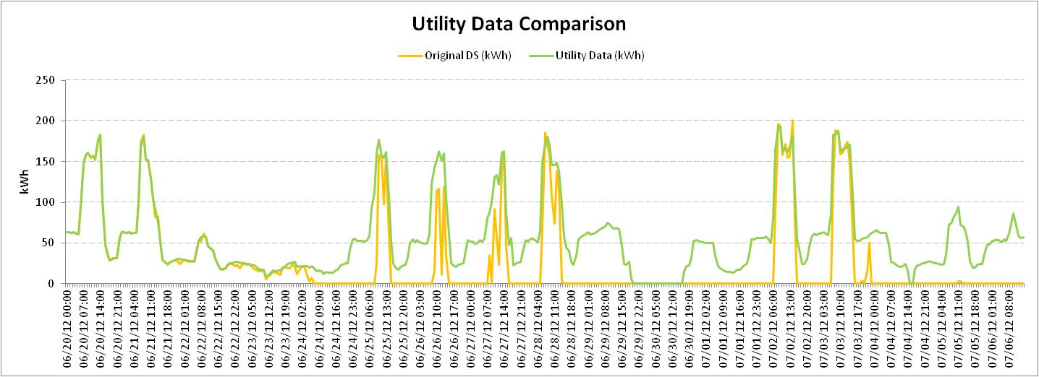
Graph 1
Enernoc Data

Graph 2
Enernoc Data

Graph 3
EnerNOC Data
Utility Data

