PICs
J2

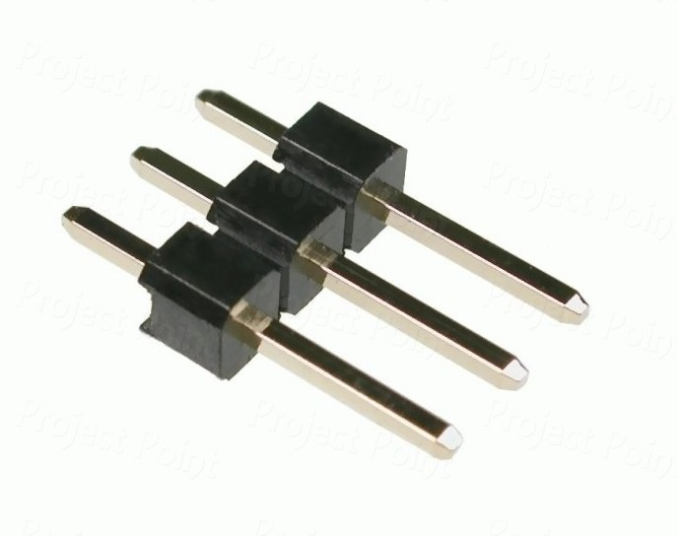

3 pin header P 2.54

