Discontinuation Drivers
Discontinuation Drivers
All figures below are live formulas (COUNTIFS / AVERAGEIFS) reading from the 'Patient Data' sheet.
Discontinuation Rate by Insurance Status
By Insurance Status
Insurance Status | Patient Count | Discontinued Count | Discontinuation Rate | Persistency Rate | Avg PDC | Avg Days Persisted
Insured | 1594 | 845 | 53.0% | 47.0% | 88.5% | 469
Uninsured | 406 | 354 | 87.2% | 12.8% | 91.4% | 191

By Initial Supply Size (days)
Supply Size | Patient Count | Discontinued Count | Discontinuation Rate | Persistency Rate | Avg PDC | Avg Days Persisted
30 | 1079 | 758 | 70.3% | 29.7% | 85.1% | 299
60 | 536 | 231 | 43.1% | 56.9% | 91.9% | 536
90 | 385 | 210 | 54.5% | 45.5% | 96.1% | 561

By Therapy Class
Therapy Class | Patient Count | Discontinued Count | Discontinuation Rate | Persistency Rate | Avg PDC | Avg Days Persisted
Asthma/COPD | 221 | 152 | 68.8% | 31.2% | 88.8% | 348
Depression/Anxiety | 319 | 208 | 65.2% | 34.8% | 89.2% | 370
Diabetes (Type 2) | 451 | 246 | 54.5% | 45.5% | 89.0% | 454
Hyperlipidemia | 358 | 204 | 57.0% | 43.0% | 88.5% | 426
Hypertension | 438 | 236 | 53.9% | 46.1% | 89.0% | 477
Osteoporosis | 213 | 153 | 71.8% | 28.2% | 90.4% | 302

By Region
Region | Patient Count | Discontinued Count | Discontinuation Rate | Persistency Rate | Avg PDC | Avg Days Persisted
Central | 370 | 202 | 54.6% | 45.4% | 88.2% | 456
East | 402 | 193 | 48.0% | 52.0% | 87.9% | 460
North | 425 | 239 | 56.2% | 43.8% | 89.1% | 471
South | 417 | 257 | 61.6% | 38.4% | 89.0% | 404
West | 386 | 308 | 79.8% | 20.2% | 91.0% | 267

By Age Band
Age Band | Patient Count | Discontinued Count | Discontinuation Rate | Persistency Rate | Avg PDC | Avg Days Persisted
18-29 | 380 | 293 | 77.1% | 22.9% | 91.3% | 296
30-44 | 408 | 254 | 62.3% | 37.7% | 89.5% | 412
45-59 | 465 | 275 | 59.1% | 40.9% | 88.4% | 391
60+ | 747 | 377 | 50.5% | 49.5% | 88.1% | 486

Survival Analysis
Survival Analysis (Kaplan-Meier)
Time-to-discontinuation modeling that properly accounts for right-censoring (patients still active at the study cutoff haven't 'failed' -- they're censored, not persistent forever). Curves that drop faster and lower indicate weaker persistency.

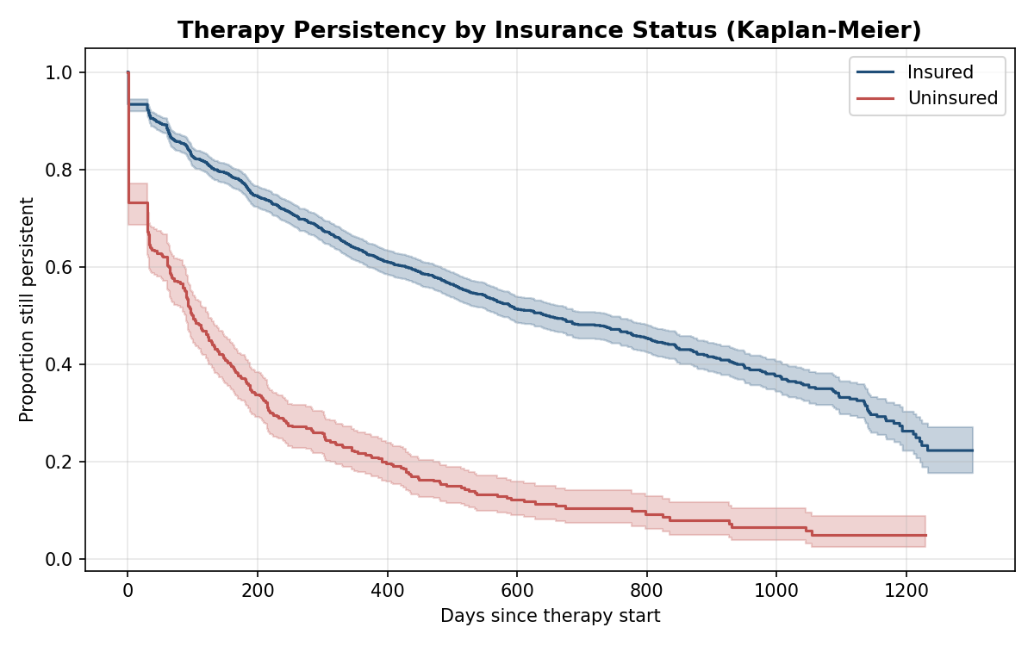
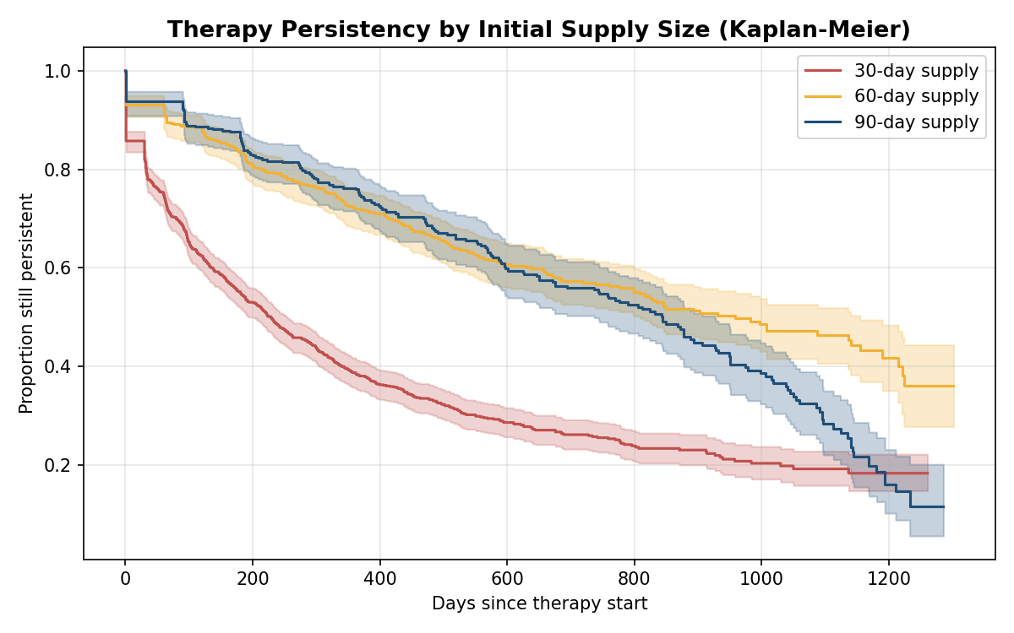

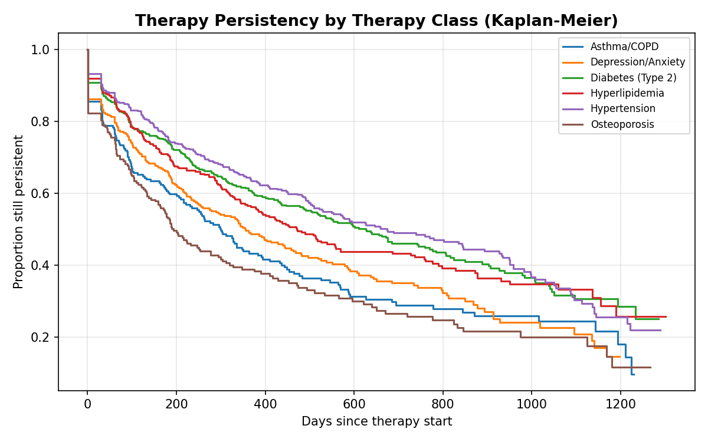

Log-Rank Significance Tests
Comparison | Median Days (Group 1) | Median Days (Group 2) | Log-Rank p-value | Significant (p<0.05)
Insured vs Uninsured | 644 | 99 | 1.78E-83 | TRUE
30 vs 60 vs 90 day supply (overall) | 229 | 844 | 1.06E-48 | TRUE
Across 6 therapy classes (overall) |  |  | 2.29E-12 | TRUE

Cox Proportional Hazards Model
Quantifies each driver's independent effect on discontinuation hazard, holding the other variables constant. Hazard ratio > 1 = faster discontinuation; < 1 = slower. Model concordance index: 0.772
Covariate | Log-Hazard Coef | Hazard Ratio | p-value
insurance_status_Uninsured | 1.368 | 3.93 | 4.82E-92
region_West | 0.953 | 2.59 | 4.88E-25
therapy_class_Osteoporosis | 0.288 | 1.33 | 1.26E-02
region_South | 0.263 | 1.3 | 5.45E-03
region_North | 0.077 | 1.08 | 4.21E-01
therapy_class_Depression/Anxiety | 0.017 | 1.02 | 8.77E-01
age | -0.02 | 0.98 | 9.04E-35
region_East | -0.186 | 0.83 | 6.60E-02
therapy_class_Hyperlipidemia | -0.283 | 0.75 | 8.66E-03
therapy_class_Diabetes (Type 2) | -0.422 | 0.66 | 4.75E-05
therapy_class_Hypertension | -0.549 | 0.58 | 1.54E-07
supply_90 | -1.11 | 0.33 | 1.04E-41

Predictive Model
Predictive Model: Discontinuation Risk
Logistic regression trained on a 75/25 train/test split, predicting P(discontinued) from patient features. Used to score the Outreach Watchlist's risk_score.

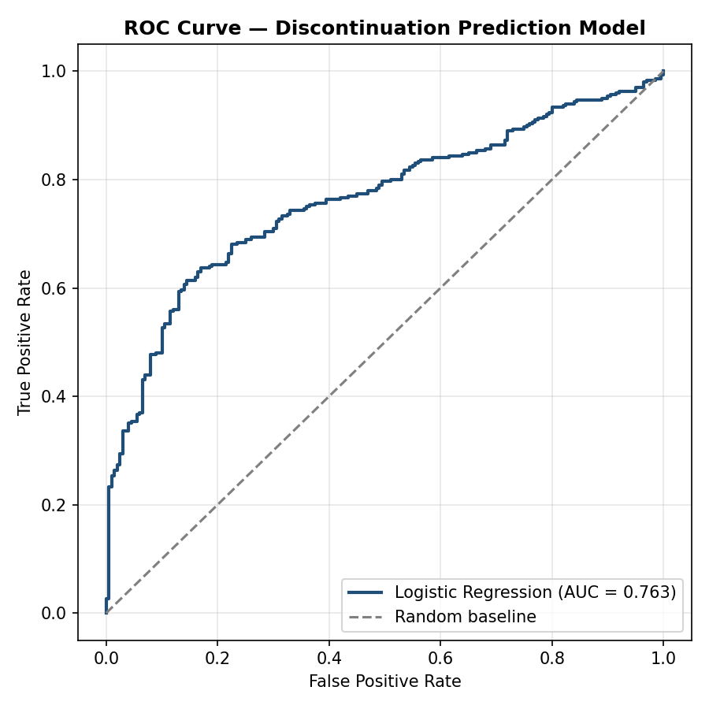
Accuracy |  | ROC-AUC |  | Precision | Recall | F1 Score
71.0% |  | 0.763 |  | 76.6% | 74.3% | 0.755

Held out on 500 unseen patients (25% test split). Confusion matrix: TP=223, FP=68, TN=132, FN=77.

Top Predictive Features (standardized logistic regression coefficients)
Feature | Coefficient | Odds Ratio
insurance_status_Uninsured | 0.857 | 2.36
region_West | 0.536 | 1.71
age | -0.483 | 0.62
initial_supply_days | -0.384 | 0.68
therapy_class_Hypertension | -0.377 | 0.69
therapy_class_Diabetes (Type 2) | -0.344 | 0.71
therapy_class_Hyperlipidemia | -0.276 | 0.76
avg_gap_days | -0.224 | 0.8
region_South | 0.184 | 1.2
gender_M | 0.074 | 1.08
region_North | 0.071 | 1.07
therapy_class_Osteoporosis | -0.048 | 0.95

Statistical Significance Tests (Chi-square / Welch t-test)
Test | Statistic | p-value | Significant (p<0.05)
Chi-square: discontinuation vs insurance_status | 156.04 | 8.32E-36 | TRUE
Chi-square: discontinuation vs initial_supply_days | 115.77 | 7.27E-26 | TRUE
Chi-square: discontinuation vs therapy_class | 36.88 | 6.33E-07 | TRUE
Chi-square: discontinuation vs region | 94.52 | 1.44E-19 | TRUE
Chi-square: discontinuation vs age_band | 75.58 | 2.72E-16 | TRUE
Welch t-test: PDC, Insured vs Uninsured | -4.56 | 6.28E-06 | TRUE

