草图页
 |  | 制造流程卡 Fabrication Traveler | 文件编号及版次： File Number: | XA-FT- | E53234023200-01 | / | A4
 |  |  | 作业号 Job Number

工序号 Process No
草图1 Sketch 1 | 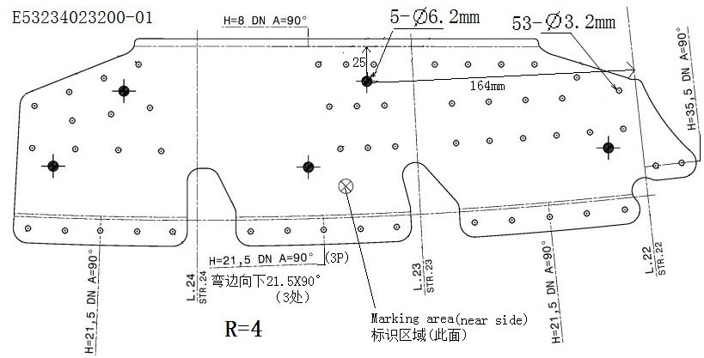
说明 Note | Ф6.2±0.1mm、Ф3.2±0.1mm、H=8±0.8mm、H=21.5±0.8mm、H=35.5±1mm、DN 90°±1°、R=4+1.5mm

草图页 (2)
 |  | 制造流程卡 Fabrication Traveler | 文件编号及版次： File Number: | XA-FT- | E53234023200-01 | / | A4
 |  |  | 作业号 Job Number
工序附图说明 Process sketch Note
工序号 Process No
草图2 Sketch 2 | 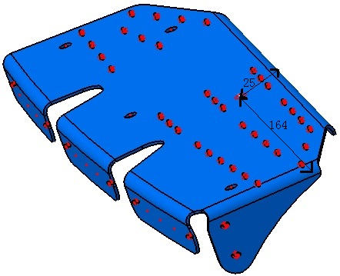
说明 Note | N/A

