Crib sheet
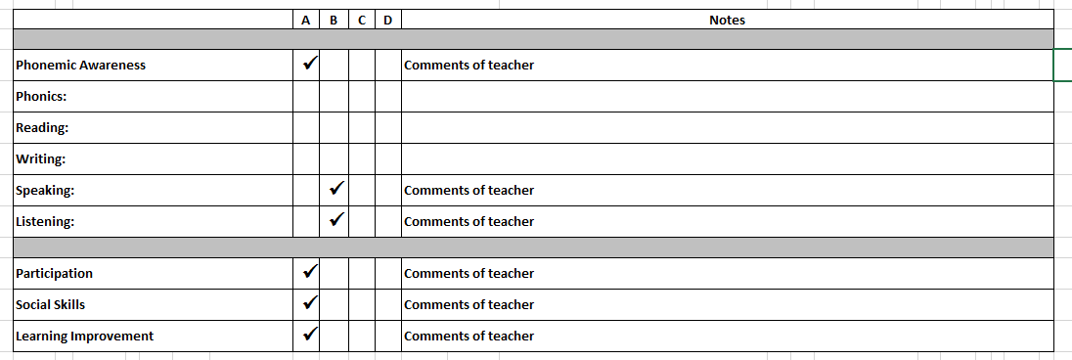
IN-COURSE REPORTING CRIB SHEET

1. COMMENTS AFTER LESSONS
- For each student please enter a comment on the following based on their performance in the lesson
- The Hours Column will be auto-generated by SIS system (accumulated hours)
They should be similar to the Accumulated Hours of the Lesson in the Attendance Sheet
- You will need to fill in the Lesson Date. It should be in the format dd/mm/yyyy (year could be optional)

E.g.

NOTE
* Please remember to give a score from 1-5 on participation & effort and behaviour in the box provided
* The teacher may enter their own comments if what they need to communicate to the parents is not covered by
the above statements.
* If necessary, the teacher should add qualifiers to statements by stating any specific issues with lesson content or skills.
E.g. Continue to work on vocabulary. “Quan can only recognize half of the words from the unit.”

2. TEACHER'S 20TH & 80TH HOUR LESSON REPORT

The report will be filled after the 20th hour of each section A and B (which means 20th and 80th hour of the Kindergarten courses)
They will also be the assessment criteria for the test in the end of each section of the level.
There are some criteria that teacher will need to assess only for specific levels.

Phonemic Awareness | Kindergarten 1
Phonics | Kindergarten 2, 3
Reading | Kindergarten Starter
Writing | Kindergarten Starter

For expamle:
A report for Kindergarten 1 should be like:

SMS
Student's Name:
DoB:
Student code:
Class code: |  |  |  |  |  |  |  | Period: | A
Phone number:

Student using online resources? (Y/N)
(if no, EC remind parents to use in 6th hour lesson call)

Parents' feedback in 6th hour lesson call

TEACHER'S 20TH HOUR LESSON REPORT

 | Key |  | A |  | Above standard (90 - 100%)
 |  |  | B |  | High to standard (65 - 89%)
 |  |  | C |  | To standard (50 - 64%)
 |  |  | D |  | Below standard (<50%) - Please add specific comments for these areas

 |  |  | A | B | C | D | Notes

Phonemic Awareness (Kindergarten 1):
Phonics (Kindergarten 2,3):
Reading:
Writing:
Speaking:
Listening:

Participation:
Social Skills:
Learning Improvement:

TA called parents to inform them about reports after 24th hour lesson
 |  |  |  |  |  | Parent's comments

 |  | Individual Lesson reports
 |  | Each student should be given a score from 1 (poor) to 5 (excellent)
 |  | Comments on lesson performance (by both teachers and TA or teachers only with classes which do not have TA)

Hours | Date |  |  |  |  |  |  |  |  | Effort and participation | Behaviour

 |  |  |  |  |  | 

Student's Name:
DoB:
Student code:
Class code: |  |  |  |  |  |  |  | Period: | B
Phone number:

Student using online resources? (Y/N)
(if no, EC remind parents to use in 66th hour lesson call)

Parents' feedback in 66th hour lesson call

TEACHER'S 80TH HOUR LESSON REPORT

 | Key |  | A |  | Above standard (90 - 100%)
 |  |  | B |  | High to standard (65 - 89%)
 |  |  | C |  | To standard (50 - 64%)
 |  |  | D |  | Below standard (<50%) - Please add specific comments for these areas

 |  |  | A | B | C | D | Notes

Phonemic Awareness (Kindergarten 1):
Phonics (Kindergarten 2,3):
Reading:
Writing:
Speaking:
Listening:

Participation:
Social Skills:
Learning Improvement:

TA called parents to inform them about reports after 84th hour lesson
 |  |  |  |  |  | Parent's comments

 |  | Individual Lesson reports
 |  | Each student should be given a score from 1 (poor) to 5 (excellent)
 |  | Comments on lesson performance (by both teachers and TA or teachers only with classes which do not have TA)

Hours | Date |  |  |  |  |  |  |  |  | Effort and participation | Behaviour

