Backlog Report
gathering |  |  |  |  |  |  |  |  |  |  | 150
Theme | ID | User Story | Acceptance Criteria | Comments | Sprint | Status | Points | Start Date | End Date | Effort Remaining | Ideal Effort Hours
Oct. | 1021 | As visitor I want to register a user account So I can enter the application |  |  | Sprint 1 | Completed | 5.0 | 2015-09-21 | 2015-09-26 | 130 | 125
 | 1022 | As user I want to login my account So I can |  |  | Sprint 1 | Completed | 2.0 | 2015-09-26 | 2015-10-01 | 120 | 100
 | 10216 | As user I want to change password So I can enhance my account security |  |  | Sprint 1 | Completed | 3.0 | 2015-10-01 | 2015-10-06 | 70 | 75
 | 10219 | As user I want to upload my profile picture So I can |  |  | Sprint 1 | Completed | 13.0 | 2015-10-06 | 2015-10-11 | 35 | 50
 | 10217 | As user I want to get my password by email if I forget it So I can |  |  | Sprint 1 | Completed | 8.0 | 2015-10-11 | 2015-10-16 | 15 | 25
 | 10222 | As a user I want to receive an e-mail to notice me So I can know my register is successful |  |  | Sprint 1 | Completed | 8.0 | 2015-10-16 | 2015-10-21 | 0 | 0

Total for backlog 'gathering' |  |  |  | 39.0 points
Burn Down Chart
 | Effort Remaining | Ideal Effort Hours
26/9/2015 | 130 | 125
1/10/2015 | 120 | 100
6/10/2015 | 70 | 75
11/10/2015 | 35 | 50
16/10/2015 | 15 | 25
21/10/2015 | 0 | 0

Story List
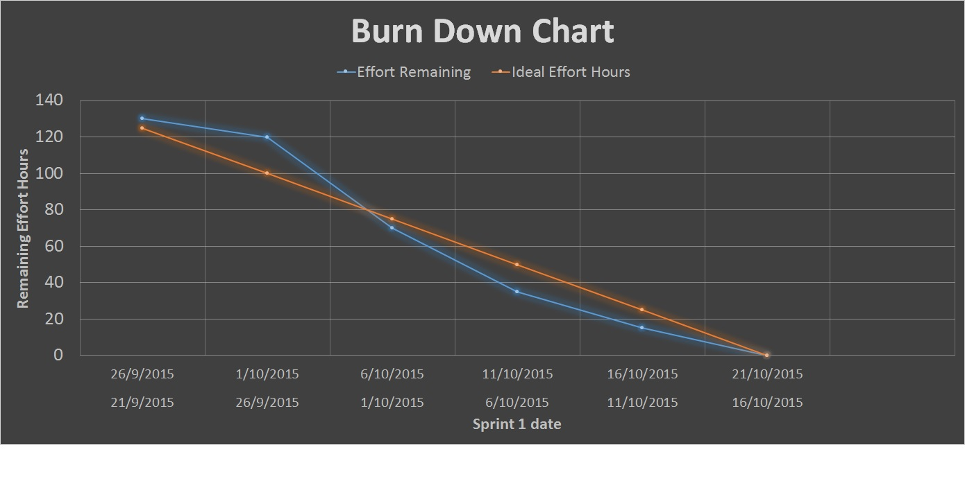
Theme | ID | User Story | Sprint | Status | Points | Days
oct | 1021 | As visitor I want to register a user account So I can enter the application | Sprint 1 | Completed | 5.0 | 1.7
oct | 1022 | As user I want to login my account So I can | Sprint 1 | Completed | 2.0 | 0.7
oct | 10216 | As user I want to change password So I can enhance my account security | Sprint 1 | Completed | 3.0 | 1.0
oct | 10219 | As user I want to upload my profile picture So I can | Sprint 1 | Completed | 13.0 | 4.3
oct | 10217 | As user I want to get my password by email if i forget it So I can | Sprint 1 | Completed | 8.0 | 2.7
oct | 10222 | As a user I want to receive an e-mail to notice me So I can know my register is successful | Sprint 1 | Completed | 8.0 | 2.7

