p-valor (2)
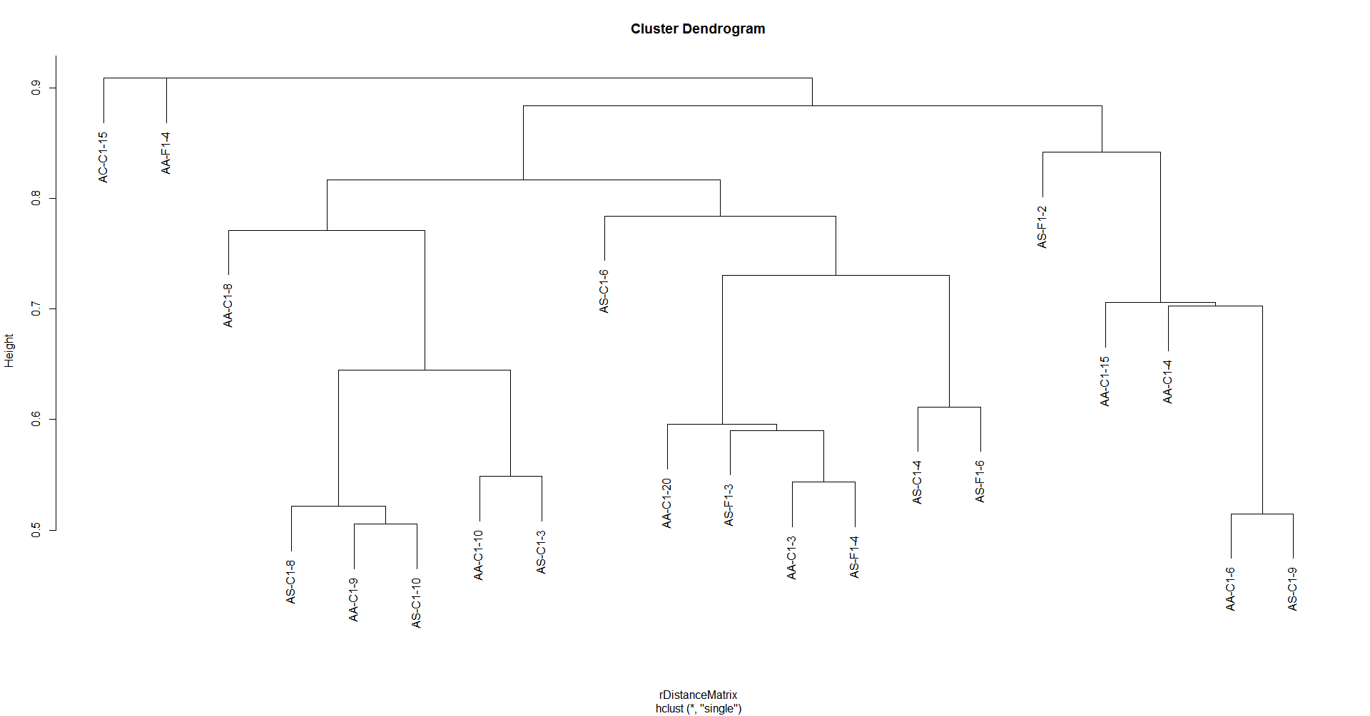
Soma de iguais2 | Rótulos de Coluna
Rótulos de Linha | AA-C1-15 | AA-C1-20 | AA-C1-3 | AA-C1-4 | AA-C1-6 | AA-C1-8 | AA-C1-9 | AA-F1-4 | AC-C1-15 | AS-C1-10 | AS-C1-3 | AS-C1-4 | AS-C1-6 | AS-C1-8 | AS-C1-9 | AS-F1-2 | AS-F1-3 | AS-F1-4 | AS-F1-6 | AS-F1-9
AA-C1-10 | 0 | 0 | 0 | 0 | 0 | 0 | 1 | 0 | 0 | 0 | 1 | 1 | 0 | 0 | 0 | 0 | 0 | 0 | 0 | 1
AA-C1-15 |  | 0 | 0 | 0 | 0 | 1 | 0 | 0 | 0 | 0 | 0 | 1 | 1 | 0 | 0 | 0 | 0 | 0 | 0 | 0
AA-C1-20 |  |  | 1 | 0 | 0 | 0 | 0 | 0 | 0 | 0 | 0 | 0 | 1 | 0 | 0 | 0 | 0 | 1 | 1 | 0
AA-C1-3 |  |  |  | 0 | 0 | 0 | 0 | 0 | 0 | 0 | 0 | 0 | 1 | 0 | 0 | 0 | 1 | 1 | 1 | 0
AA-C1-4 |  |  |  |  | 1 | 0 | 0 | 0 | 0 | 0 | 0 | 0 | 0 | 0 | 0 | 1 | 0 | 0 | 0 | 0
AA-C1-6 |  |  |  |  |  | 0 | 0 | 0 | 0 | 0 | 0 | 0 | 0 | 0 | 0 | 1 | 1 | 0 | 0 | 0
AA-C1-8 |  |  |  |  |  |  | 0 | 0 | 0 | 0 | 0 | 0 | 1 | 0 | 0 | 0 | 0 | 0 | 0 | 0
AA-C1-9 |  |  |  |  |  |  |  | 0 | 0 | 0 | 1 | 1 | 0 | 0 | 0 | 0 | 0 | 0 | 0 | 0
AA-F1-4 |  |  |  |  |  |  |  |  | 0 | 0 | 0 | 0 | 0 | 0 | 0 | 0 | 0 | 0 | 0 | 0
AC-C1-15 |  |  |  |  |  |  |  |  |  | 0 | 0 | 0 | 0 | 0 | 0 | 0 | 0 | 0 | 0 | 0
AS-C1-10 |  |  |  |  |  |  |  |  |  |  | 0 | 0 | 0 | 0 | 1 | 0 | 0 | 0 | 0 | 0
AS-C1-3 |  |  |  |  |  |  |  |  |  |  |  | 1 | 0 | 0 | 0 | 0 | 0 | 0 | 0 | 1
AS-C1-4 |  |  |  |  |  |  |  |  |  |  |  |  | 0 | 0 | 0 | 0 | 0 | 0 | 0 | 1
AS-C1-6 |  |  |  |  |  |  |  |  |  |  |  |  |  | 0 | 0 | 0 | 0 | 1 | 1 | 0
AS-C1-8 |  |  |  |  |  |  |  |  |  |  |  |  |  |  | 0 | 0 | 0 | 0 | 0 | 0
AS-C1-9 |  |  |  |  |  |  |  |  |  |  |  |  |  |  |  | 0 | 0 | 0 | 0 | 0
AS-F1-2 |  |  |  |  |  |  |  |  |  |  |  |  |  |  |  |  | 1 | 0 | 0 | 0
AS-F1-3 |  |  |  |  |  |  |  |  |  |  |  |  |  |  |  |  |  | 1 | 1 | 0
AS-F1-4 |  |  |  |  |  |  |  |  |  |  |  |  |  |  |  |  |  |  | 1 | 0
AS-F1-6 |  |  |  |  |  |  |  |  |  |  |  |  |  |  |  |  |  |  |  | 0

