DataGeneration
Layers | 8
REP | 4
Material | SiO2/SiNx
Thick range | 40 - 200
Dataset Generation Runtime(s)
Lmb points | 201
 | 50 | 100 | 200
Time | 48 | 97 | 195
 | 50 | 96
 | 46 | 96
 | 48
 | 49

ForwardModel
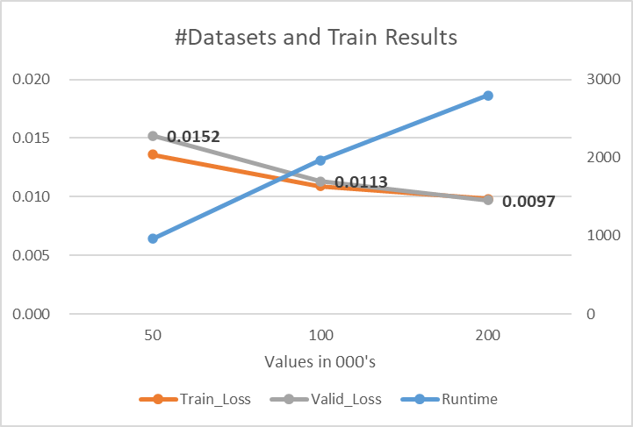
earlystop | batchsize | epochs | layer |  |  |  | Testset | Dataset | fit_runtime | trainloss | validloss | testloss | test_runtime
0.001 & 50 | 100 | 10000 | 300 | 300 | 300 | 300 | 5000 | 50000 | 960 | 0.0136 | 0.0152 | 0.0164 | 2.6 | 50 | 100 | 200 | TMM
 |  |  |  |  |  |  | 5000 | 100000 | 1966 | 0.0109 | 0.0113 | 0.0119 | 2.83 | 2.6 | 2.83 | 2.56 | 47.14
 |  |  |  |  |  |  | 5000 | 200000 | 2794.5 | 0.0098 | 0.0097 | 0.0107 | 2.56
 |  |  |  |  |  |  |  |  |  |  |  |  | 47.14
#Datasets and Train Results
 |  |  |  |  |  |  |  |  | fit_runtime | trainloss | validloss
 |  |  |  |  |  |  |  | A | 960 | 0.0136 | 0.0152
 |  |  |  |  |  |  |  | B | 1966 | 0.0109 | 0.0113
 |  |  |  |  |  |  |  | C | 2794.5 | 0.0098 | 0.0097

 |  |  |  |  |  |  |  |  |  |  | 50 | 100 | 200
 |  |  |  |  |  |  |  |  |  | Runtime | 960 | 1966 | 2794.5
 |  |  |  |  |  |  |  |  |  | Train_Loss | 0.0136 | 0.0109 | 0.0098
 |  |  |  |  |  |  |  |  |  | Valid_Loss | 0.0152 | 0.0113 | 0.0097
 |  |  |  |  |  |  |  |  |  | Test_loss | 0.0164 | 0.0119 | 0.0107

