Sheet1
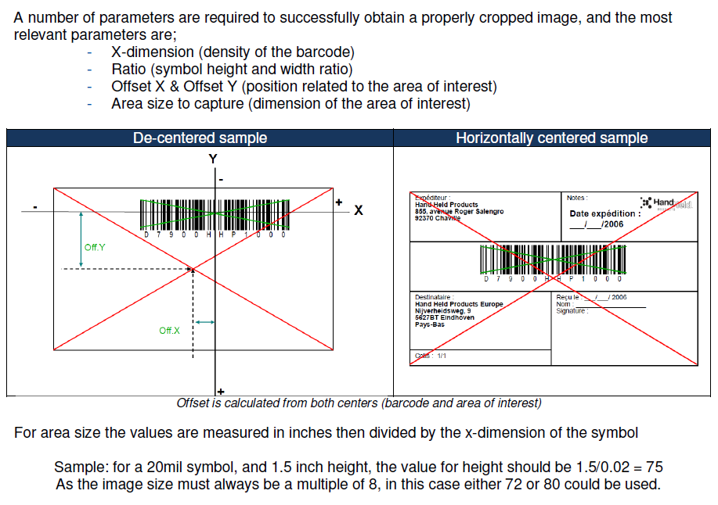
 | Area of interest |  | Barcode |  | Mils | Offset
 | Width | Height | Width | Height |  | X | Y
mm | 72 | 24 | 49 | 9 | 0.2 | -6 | -22
inch | 2.8346472 | 0.9448824 | 1.9291349 | 0.3543309 | 7.87402 | -0.2362206 | -0.8661422

X-Dimension (Barcode Density), MILS (1/1000 inch) |  |  |  |  | 0.00787402

Area Sizes
 | 360 | 120 | 245 | 45 |  | -30 | -110
Dividable by 8
 | 360 | 120 | 240 | 40 |  | -32 | -112

Aspect Ratio |  |  |  |  | 45
So the Aspect ratio in a 1D barcode is how many time the width of the narrow bar goes into the height of the barcode.

1 inch = 25,4mm
1 mm=0,0393701 inch

Sheet3
Barcode size calculator
Dimensions
The most basic unit of measure within a barcode is the x-dimension and is equivalent to the width of the most narrow bar or space within the barcode. Each character is 11 x-dimensions wide (except for the STOP character which is 13 wide). The minimum size of the x-dimension is 7.5 mils or 0.0075 inches. The overall length of a barcode varies because the number of DATA characters may vary; however, it follows this formula:
L = (11 * C + 35) * X
where:
L = Overall length (not including Quiet Space)
C = Number of DATA characters (not including START, CHECK, or STOP)
X = length of x-dimension
Example: Code128 -> C = 7, X = 0.010"
L = (11 * 7 + 35) * 0.010” = 1.120” without Quiet Zones
or 1.120” + 2 * Max(10 * 0.010”, 0.25”) = 1.370” with Quiet Zones
Example: Code128Barcode -> C = 14, X = 0.010"
L = (11 * 14 + 35) * 0.010” = 1.890” without Quiet Zones
or 1.890” + 2 * Max(10 * 0.010”, 0.25”) = 2.140” with Quiet Zones
The height of the barcode must be 15% of the length or 0.25” which ever is greater.
H = L * 0.15 or 0.25” whichever is greater
where:
H = Overall height
L = Overall length (not including Quiet Space)
Example: Code128 -> L =1.370
H = 1.370" * 0.15 = 0.2055" -> Min Height = 0.25"
Example: Code128Barcode -> L =1.890
H = 1.890" * 0.15 = 0.2835" -> Min Height = 0.2835"
Number of chars | 15 |  |  |  | mils=1/1000 inch = 0,001 inch
x-dimensions in mm | 0.2 | 7.87402 |  |  | 1mm=39,3701mils
x-dimension in Mils | 7.87402 |  |  |  | 1mils=0,025400013716mm

Total Length in mils (includes quiet zones)
Width Numeric-only | 968.50446 | mils | 23.72835927 | mm
Width Alphanumeric | 1574.804 | mils | 38.582698 | mm

Total Length in mils (without quiet zones)
Width Numeric-only | 692.91376 | mils | 16.97638712 | mm
Width Alphanumeric | 1299.2133 | mils | 31.83072585 | mm

