Guidance
 | * Guidance - Write down YouTube shorts data that are created since 4/1, 4,8, 4,15, 4/22, 4.30 - For the previous YouTube shorts add them one more time so for the one shorts created at 4/1 will be marked 4 times - Copy this and create your own sheet below(do not change this example sheet) - When you get your number range copy NO., Youtuber, youtube url columns and copy at the L layer
 | Person in charge: write your name
 |  |  |  |  |  |  |  |  |  | ex).
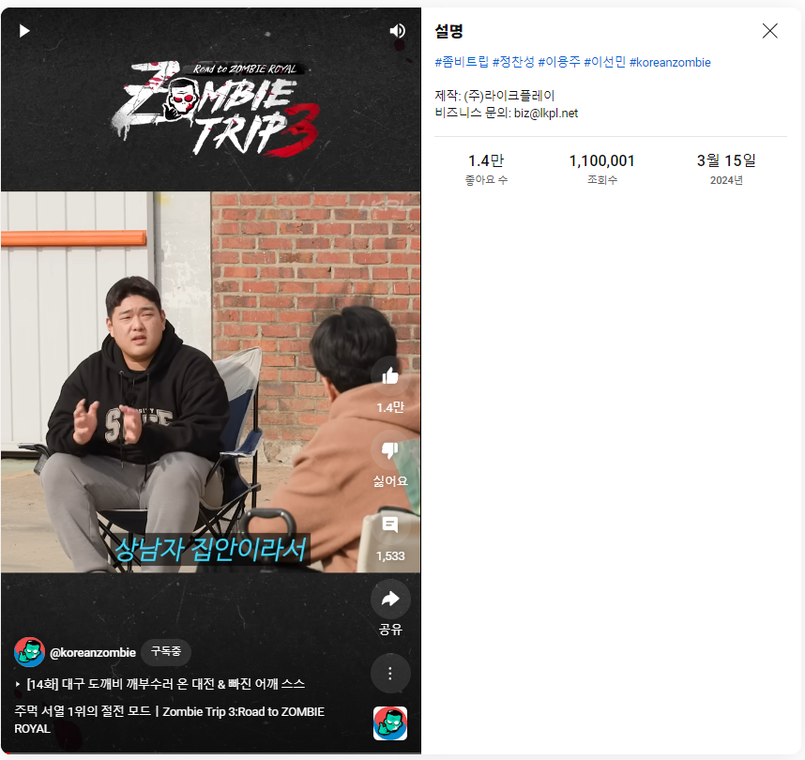
 | NO. | Channel Name | Check Date | Shorts Name | Description | LIkes | Views | Released Date | check Guidance PDF for more specific example | NO. | Youtuber | youtube url
ex).Shorts | 2282 | 정찬성 Korean Zombie | 2024-04-02 | 주먹 서열 1위의 절전 모드ㅣZombie Trip 3:Road to ZOMBIE ROYAL | #좀비트립 #정찬성 #이용주 #이선민 #koreanzombie 제작: (주)라이크플레이 비즈니스 문의: biz@lkpl.net | 1.4만 좋아요 수 | 1,099,995 조회수 | 3월 15일 2024년 |  | 2282 | 정찬성 Korean Zombie | https://us.youtubers.me//koreanzombie/youtube
 |  |  |  |  |  |  |  |  |  | 2283 | Spookiz - Cartoons for Everyone | https://us.youtubers.me//spookiz-cartoons-for-children/youtube
 |  |  |  |  |  |  |  |  |  | 2284 | 개복어 | https://us.youtubers.me//youtube-b5e88fcd-b5f5-49ab-ab67-a6294a10c09e/youtube
 |  |  |  |  |  |  |  |  |  | 2285 | 캐럿맨 여행기 Carrot man | https://us.youtubers.me//carrot-man/youtube
 |  |  |  |  |  |  |  |  |  | 2286 | Beautiful Relaxing Piano | https://us.youtubers.me//beautiful-relaxing-piano-6ed48f17-85e7-4365-be6c-9077229dfb6a/youtube
 |  |  |  |  |  |  |  |  |  | 2287 | 치즈와꾸집사 | https://us.youtubers.me//ggugi/youtube
 |  |  |  |  |  |  |  |  |  | 2288 | 푸들커플 | https://us.youtubers.me//46cd0783-695a-410a-9059-0294000e03aa/youtube

