update_info


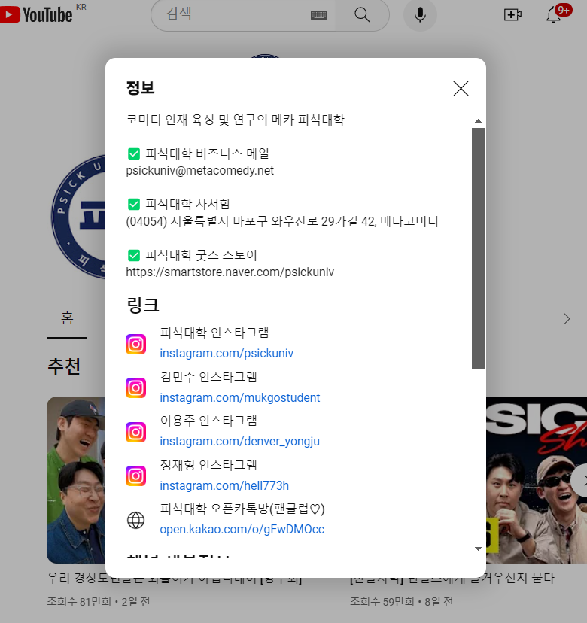
 | Output data description
 | Column Name | Column description | Type | Logic |  | Collect data here
 | youtuberme_url | original source | VARCHAR
 | category | channel category | VARCHAR
update | country | channel_country | VARCHAR
update | channel_name | channel_name | VARCHAR
update | subscribers | subscibers number | Int
update | total_views | Total video views | Int
update | total_video_count | total video crated | Int
update | started_date | Day channel started | Date
 | yt_url | Channel url | VARCHAR
update | channel_description | channel_description | VARCHAR
update | channel_links | channel_links | VARCHAR
update | fixed_yt_url | url that changed into proper url | VARCHAR

 |  |  |  | channel_description | yt_url, subscribers, total_video_countcountry, started_date

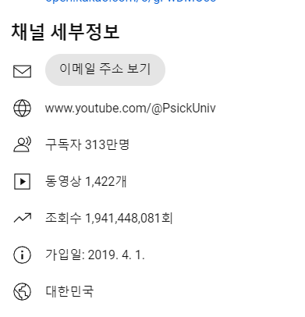

 |  |  |  | channel_links

Sheet3
쇼츠 트렌드 추이

Date | 2024-04-15 | 2024-04-16 | 2024-04-17 | 2024-04-18 | 2024-04-19 | 2024-04-20 | 2024-04-21
Views | 100,025 | 150,045 | 254,662 | 300,254 | 320,054 | 338,704 | 341,156
Subscribers | 3,03M | 3.04M | 3.05M | 3.06M | 3.06M | 3.06M | 3.06M

Date | Views | Subscribers
2024-04-15 | 100,025 | 3,03M
2024-04-16 | 150,045 | 3.04M
2024-04-17 | 254,662 | 3.05M
2024-04-18 | 300,254 | 3.06M
2024-04-19 | 320,054 | 3.06M
2024-04-20 | 338,704 | 3.06M
2024-04-21 | 341,156 | 3.06M

