Sheet1
0.001 | 1.45865453E-15
0.01 | 1.458764999E-15
0.1 | 1.4691036154E-15
1 | 2.1435098437E-15
10 | 5.1539669747E-14
100 | 1.5112118877E-13 | 2.5196578667E-13
1000 | 5.1807086411E-12 | 2.5196578667E-11
10000 | 1.3004045923E-08 | 2.5196578667E-09
100000 | 2.5196578667E-07 | 2.5196578667E-07
6s2 overlap integrals? |  |  |  |  |  | 1.5197568389E-16
M(keV) | CI | CI+MBPT | X_399? | 6.30E-01 | Sensitivity [hr] = 1/(Xy-m*Xx) | in Hz | Power Law
0.001 | -0.532212 | -0.551729 | -0.071262 | -0.10418895 | 9.5979468072 | 1.45865453E-15
0.01 | -0.527415 | -0.546931 | -0.071256 | -0.10418106 | 9.5986736937 | 1.458764999E-15
0.1 | -0.482056 | -0.501408 | -0.070669 | -0.1034479 | 9.666701789 | 1.4691036154E-15
1 | -0.207475 | -0.218901 | -0.045856 | -0.07090039 | 14.104294772 | 2.1435098437E-15
10 | -0.00682125 | -0.00627391 | -0.00214519 | 0.0029487128 | 339.13102693 | 5.1539669747E-14
100 | -0.00490513 | -0.00640285 | -0.00212702 | 0.00100565437 | 994.37742214 | 1.5112118877E-13 | 2.5196578667E-13
1000 | -0.00136634 | -0.00180431 | -0.00072686 | 2.9334922E-05 | 34089.062858 | 5.1807086411E-12 | 2.5196578667E-11
10000 | -5.33672E-05 | -7.07004E-05 | -2.86689E-05 | -1.16868E-08 | 85566622.172 | 1.3004045923E-08 | 2.5196578667E-09
100000 | -8.67982E-07 | -1.15002E-06 | -4.66342E-07 | -6.0316E-10 | 1657934876.3 | 2.5196578667E-07 | 2.5196578667E-07
FS(MHz) | 17258.221 | 22865.92
 |  |  | README
6s1 6p 1P1 overlap integrals? |  |  | This is how I used Berengut’s results. Start with the King’s plot and extract the slope (red fit)
M(keV) | CI | CI+MBPT | If King’s plot has 411 on x axis, 399 on y axis (Ian’s data plotted here), then
0.001 | -0.463106 | -0.480467 | Kingslope = slope of King’s plot = F_399 / F_411 |  |  | value here: | 2.73E-01
0.01 | -0.458316 | -0.475675 | Let’s use X_i = ground config – excited config by convention, so that
0.1 | -0.413572 | -0.430739 | X_411 = [6s overlap integral] – [5d overlap integral]
1 | -0.163934 | -0.173045 | X_399 = [1S0 overlap integral] – [1P1 overlap integral]
10 | -0.00470111 | -0.00412872 | sensitivity proportional to 1/ABS(X_399 – Kingslope * X_411) plotted at right? Units obviously wrong.
100 | -0.00324696 | -0.00427583 | What’s the power law exponent? |  |  | Change here: | 2
1000 | -0.000832215 | -0.00107745
10000 | -3.23869E-05 | -4.20315E-05
100000 | -5.26712E-07 | -6.83678E-07
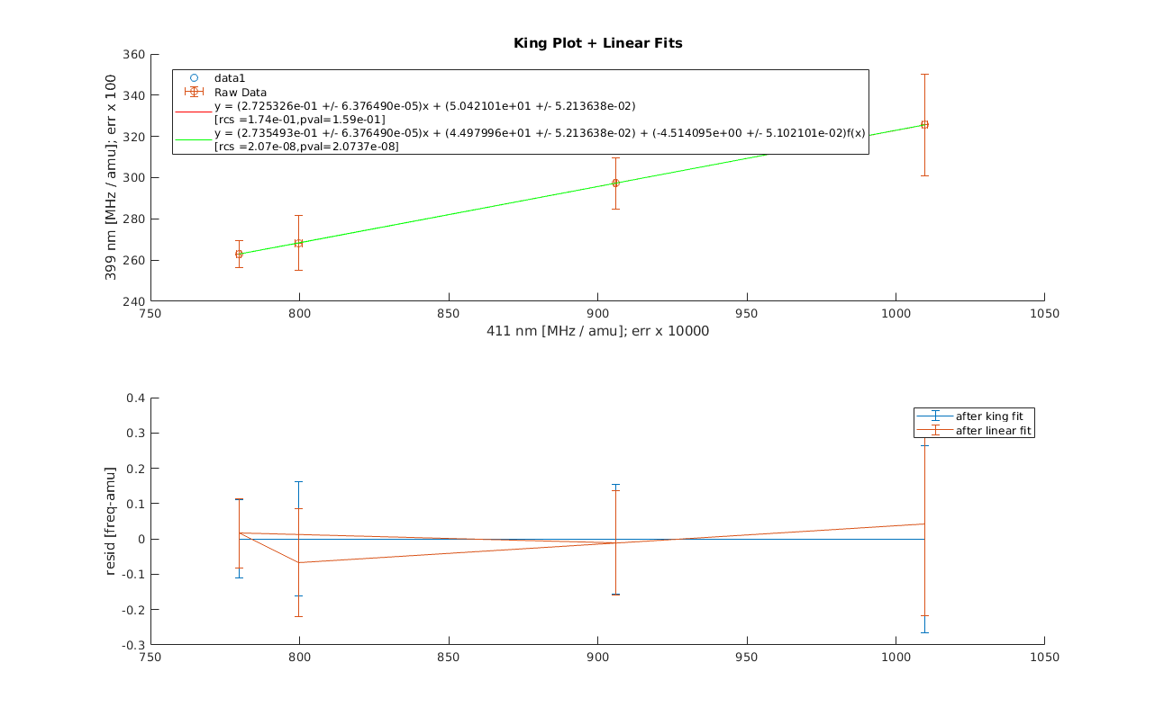
FS(MHz) | 10472.704 | 13592.043
5d overlap integrals?
M(keV) | CI | CI+MBPT | X_411
0.001 | -3.47E-01 | -2.23E-01 | 0.052265
0.01 | -3.45E-01 | -2.20E-01 | 0.052262
0.1 | -3.21E-01 | -1.98E-01 | 0.05203
1 | -1.55E-01 | -5.24E-02 | 0.039753
10 | 2.95E-03 | 5.14E-03 | -0.00808556
100 | -8.87E-04 | -8.71E-03 | -0.004972499
1000 | -1.44E-05 | -4.12E-04 | -0.0012003094
10000 | -1.42E-06 | -1.41E-05 | -4.548764E-05
100000 | -2.37E-08 | -2.29E-07 | -7.39268E-07
1.6 | -9.41E-02 | -3.26E-03 | 0.0289543
2.5 | -4.14E-02 | 3.32E-02 | 0.0150921
4 | -4.51E-03 | 4.70E-02 | 0.00074802
6.3 | 7.51E-03 | 3.33E-02 | -0.007264285
16 | -4.83E-03 | -1.79E-02 | -0.00591076
25 | -7.40E-03 | -2.57E-02 | -0.00473521
40 | -5.73E-03 | -2.25E-02 | -0.00467368
63 | -2.99E-03 | -1.53E-02 | -0.00495039
FS(MHz) | 471.553 | 4543.2978
6s overlap integrals?
M(keV) | CI | CI+MBPT
0.001 | -2.95E-01 | -1.91E-01
0.01 | -2.92E-01 | -1.88E-01
0.1 | -2.69E-01 | -1.66E-01
1 | -1.15E-01 | -3.02E-02
10 | -5.14E-03 | -3.78E-03
100 | -5.86E-03 | -1.23E-02
1000 | -1.21E-03 | -1.72E-03
10000 | -4.69E-05 | -6.48E-05
100000 | -7.63E-07 | -1.05E-06
1.6 | -6.51E-02 | 9.52E-03
2.5 | -2.63E-02 | 3.41E-02
4 | -3.76E-03 | 3.70E-02
6.3 | 2.48E-04 | 1.99E-02
16 | -1.07E-02 | -2.07E-02
25 | -1.21E-02 | -2.59E-02
40 | -1.04E-02 | -2.32E-02
63 | -7.94E-03 | -1.77E-02
FS(MHz) | 15166.245 | 20937.323

