Theater Outcomes by Launch Date
Theater Outcomes based on Launch Date
 | successful | failed | canceled
Jan | 56 | 33 | 7
Feb | 71 | 39 | 3
Mar | 56 | 33 | 3
Apr | 71 | 40 | 2
May | 111 | 52 | 3
Jun | 100 | 49 | 4
Jul | 87 | 50 | 1
Aug | 72 | 47 | 4
Sep | 59 | 34 | 4
Oct | 65 | 50
Nov | 54 | 31 | 3
Dec | 37 | 35 | 3
Parent Category | theater
Years | (All)

Count of outcomes | Column Labels
Row Labels | successful | failed | canceled | Grand Total
Jan | 56 | 33 | 7 | 96
Feb | 71 | 39 | 3 | 113
Mar | 56 | 33 | 3 | 92
Apr | 71 | 40 | 2 | 113
May | 111 | 52 | 3 | 166
Jun | 100 | 49 | 4 | 153
Jul | 87 | 50 | 1 | 138
Aug | 72 | 47 | 4 | 123
Sep | 59 | 34 | 4 | 97
Oct | 65 | 50 |  | 115
Nov | 54 | 31 | 3 | 88
Dec | 37 | 35 | 3 | 75
Grand Total | 839 | 493 | 37 | 1369

Outcomes Based on Goals
Goals | Number Successful | Number Failed | Number Canceled | Total Projects | Percentage Successful | Percentage Failed | Percentage Canceled
Less Than 1000 | 141 | 45 | 0 | 186 | 76% | 24% | 0%
1000 to 4999 | 388 | 146 | 0 | 534 | 73% | 27% | 0%
5000 to 9999 | 93 | 76 | 0 | 169 | 55% | 45% | 0%
10000 to 14999 | 39 | 33 | 0 | 72 | 54% | 46% | 0%
15000 to 19999 | 12 | 12 | 0 | 24 | 50% | 50% | 0%
20000 to 24999 | 9 | 11 | 0 | 20 | 45% | 55% | 0%
25000 to 29999 | 1 | 4 | 0 | 5 | 20% | 80% | 0%
30000 to 34999 | 3 | 8 | 0 | 11 | 27% | 73% | 0%
35000 to 39999 | 4 | 2 | 0 | 6 | 67% | 33% | 0%
40000 to 44999 | 2 | 1 | 0 | 3 | 67% | 33% | 0%
45000 to 49999 | 0 | 1 | 0 | 1 | 0% | 100% | 0%
50000 or More | 2 | 14 | 0 | 16 | 13% | 88% | 0%

Outcomes Based on Goals

Box chart for Kickstarter
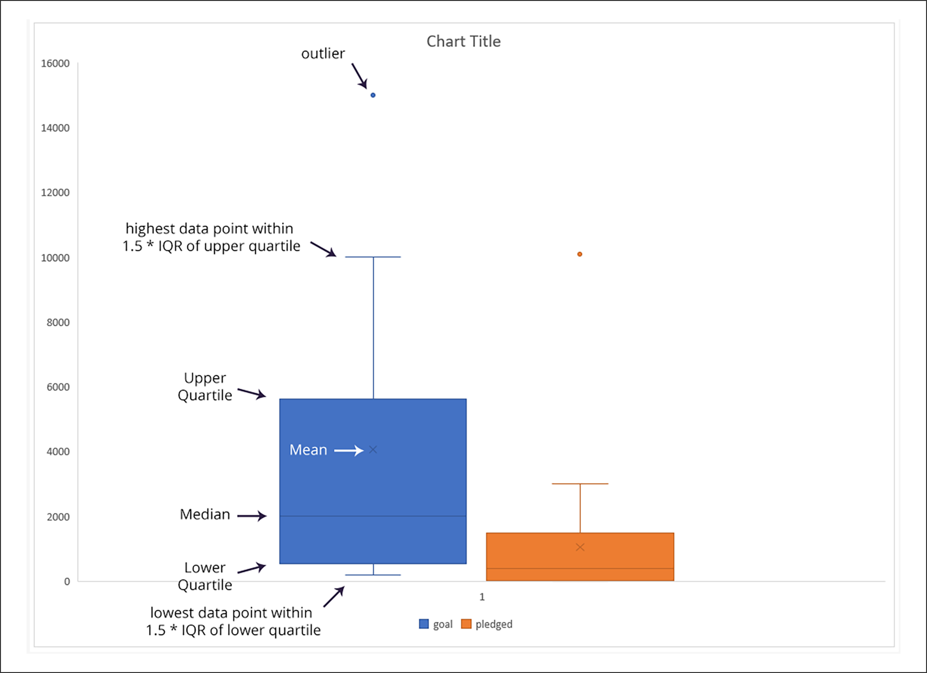

Category Statistics
country | US

Count of outcomes | Column Labels
Row Labels | canceled | failed | live | successful | Grand Total
film & video | 31 | 130 |  | 261 | 422
food | 15 | 115 | 4 | 34 | 168
games |  | 96 |  | 52 | 148
journalism | 23 |  |  |  | 23
music | 19 | 110 | 17 | 490 | 636
photography |  | 72 |  | 62 | 134
publishing | 22 | 87 |  | 69 | 178
technology | 121 | 138 |  | 158 | 417
theater | 26 | 349 | 12 | 525 | 912
Grand Total | 257 | 1097 | 33 | 1651 | 3038

Parent category Outcomes
 | canceled | failed | live | successful
film & video | 31 | 130 |  | 261
food | 15 | 115 | 4 | 34
games |  | 96 |  | 52
journalism | 23
music | 19 | 110 | 17 | 490
photography |  | 72 |  | 62
publishing | 22 | 87 |  | 69
technology | 121 | 138 |  | 158
theater | 26 | 349 | 12 | 525

Subcategory statistics
country | (All)
Parent Category | (All)

Count of outcomes | Column Labels
Row Labels | canceled | failed | live | successful | Grand Total
animation |  | 100 |  |  | 100
art books | 20 |  |  |  | 20
audio | 24 |  |  |  | 24
children's books |  | 40 |  |  | 40
 | canceled | failed | live | successful
animation |  | 100
art books | 20
audio | 24
children's books |  | 40
classical music |  |  |  | 40
documentary |  |  |  | 180
drama |  | 80
electronic music |  |  |  | 40
faith |  | 40 | 20
fiction |  | 40
food trucks | 20 | 120
gadgets |  | 20
hardware |  |  |  | 140
indie rock |  | 20 |  | 140
jazz |  | 60
makerspaces |  | 11 |  | 9
metal |  |  |  | 20
mobile games |  | 40
musical | 20 | 60 |  | 60
nature |  | 20
nonfiction |  |  |  | 60
people |  | 20
photobooks |  | 57 |  | 103
places |  | 20
plays |  | 353 | 19 | 694
pop |  |  |  | 40
radio & podcasts |  |  |  | 20
restaurants |  | 20
rock |  |  |  | 260
science fiction | 40
shorts |  |  |  | 60
small batch |  |  | 6 | 34
space exploration | 18 | 2 |  | 40
spaces | 17 | 80 | 5 | 85
tabletop games |  |  |  | 80
television |  |  |  | 60
translations | 10 | 47
video games |  | 100
wearables | 60 | 120 |  | 20
web | 100 | 60
world music | 20
classical music |  |  |  | 40 | 40
documentary |  |  |  | 180 | 180
drama |  | 80 |  |  | 80
electronic music |  |  |  | 40 | 40
faith |  | 40 | 20 |  | 60
fiction |  | 40 |  |  | 40
food trucks | 20 | 120 |  |  | 140
gadgets |  | 20 |  |  | 20
hardware |  |  |  | 140 | 140
indie rock |  | 20 |  | 140 | 160
jazz |  | 60 |  |  | 60
makerspaces |  | 11 |  | 9 | 20
metal |  |  |  | 20 | 20
mobile games |  | 40 |  |  | 40
musical | 20 | 60 |  | 60 | 140
nature |  | 20 |  |  | 20
nonfiction |  |  |  | 60 | 60
people |  | 20 |  |  | 20
photobooks |  | 57 |  | 103 | 160
places |  | 20 |  |  | 20
plays |  | 353 | 19 | 694 | 1066
pop |  |  |  | 40 | 40
radio & podcasts |  |  |  | 20 | 20
restaurants |  | 20 |  |  | 20
rock |  |  |  | 260 | 260
science fiction | 40 |  |  |  | 40
shorts |  |  |  | 60 | 60
small batch |  |  | 6 | 34 | 40
space exploration | 18 | 2 |  | 40 | 60
spaces | 17 | 80 | 5 | 85 | 187
tabletop games |  |  |  | 80 | 80
television |  |  |  | 60 | 60
translations | 10 | 47 |  |  | 57
video games |  | 100 |  |  | 100
wearables | 60 | 120 |  | 20 | 200
web | 100 | 60 |  |  | 160
world music | 20 |  |  |  | 20
Grand Total | 349 | 1530 | 50 | 2185 | 4114

Outcomes based on launch date
Parent Category | (All)
Years | (All)

Count of outcomes | Column Labels
Row Labels | canceled | failed | live | successful | Grand Total
Jan | 34 | 149 | 2 | 182 | 367
Feb | 27 | 106 | 18 | 202 | 353
Mar | 28 | 108 | 30 | 180 | 346
Apr | 27 | 102 |  | 192 | 321
 | canceled | failed | live | successful
Jan | 34 | 149 | 2 | 182
Feb | 27 | 106 | 18 | 202
Mar | 28 | 108 | 30 | 180
Apr | 27 | 102 |  | 192
May | 26 | 126 |  | 234
Jun | 27 | 147 |  | 211
Jul | 43 | 150 |  | 194
Aug | 33 | 134 |  | 166
Sep | 24 | 127 |  | 147
Oct | 20 | 149 |  | 183
Nov | 37 | 114 |  | 183
Dec | 23 | 118 |  | 111
May | 26 | 126 |  | 234 | 386
Jun | 27 | 147 |  | 211 | 385
Jul | 43 | 150 |  | 194 | 387
Aug | 33 | 134 |  | 166 | 333
Sep | 24 | 127 |  | 147 | 298
Oct | 20 | 149 |  | 183 | 352
Nov | 37 | 114 |  | 183 | 334
Dec | 23 | 118 |  | 111 | 252
Grand Total | 349 | 1530 | 50 | 2185 | 4114

